Sheet1
DAY-5
Assignment-1 | Display all the product name in uppercase.

Product Table | CREATE TABLE product (
 | Id INT PRIMARY KEY,
 | ProductName VARCHAR(255),
 | unit_Price DECIMAL(10, 2),
 | Units_in_Stock INT
 | );

Data Insertion | INSERT INTO product (Id, ProductName, Unit_Price,Units_in_Stock)
 | VALUES
 | (1, 'Mobile', 13989.00, 250),
 | (2, 'Laptop', 52500.99,150),
 | (3, 'Tab', 13500.99, 200),
 | (4, 'PC', 54400.89, 100);

Query | SELECT UPPER(ProductName) AS UpperCase_ProductName FROM Product;

Output

Assignment-2 | Display last 3 characters from product name

Table Creation | Product Table from above assignment-1 is utilized

Query | SELECT RIGHT(ProductName, 3) AS Last_Three_Characters FROM Product;

Output

Assignment-3 | Display all the customers postal code. Postal code should be minimum 9 character. In case there are less then 9 character in database add "0" at beginning.

Customers1 Table | CREATE TABLE Customers1(
 | CustomerId INT PRIMARY KEY,
 | CustomerName VARCHAR(50),
 | PostalCode VARCHAR(20)
 | );

Data Insertion | INSERT INTO Customers1 (CustomerId,CustomerName,PostalCode)
 | VALUES
 | (1,'John','12345'),
 | (2,'Jane','345621'),
 | (3,'Sam','987'),
 | (4,'Sara','09876654'),
 | (5,'Mike','9878909877');

Query | SELECT CustomerId, LPAD(PostalCode,9,'0')AS Formatted_Postal_Code FROM Customers1;

Output

Assignment-4 | Display unitprice from products. Remove decimal from the unit price.

Table Creation | Product table from Assignment-1 is utilized

Query | SELECT Id, ProductName, ROUND(Unit_Price,0) AS Unit_Price_Without_Decimals
 | FROM Product;

Output

Assignment-5 | Get final order price per order. Price should be floored from the output.

OrderDetails Table | CREATE TABLE OrderDetails(
 | OrderId int,
 | UnitPrice Decimal(10,2),
 | Quantity int,
 | Discount DECIMAL(10,2)
 | );

Data Insertion | INSERT INTO OrderDetails (OrderId,UnitPrice,Quantity,Discount)
 | VALUES
 | (1,10.00,5,0.10),
 | (2,12.50,4,0.25),
 | (3,11.45,3,0.30),
 | (4,14.80,2,0.40),
 | (5,20.00,3,0.50),
 | (6,25.00,4,0.60);

Query | SELECT OrderId, FLOOR(SUM(UnitPrice*Quantity-Discount)) AS FinalOrderPrice
 | FROM OrderDetails
 | GROUP BY OrderId;

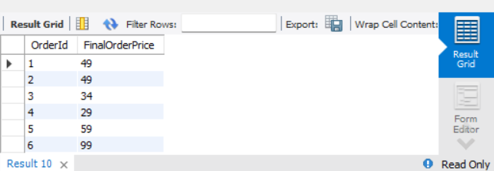
Output

Assignment-6 | Get final order price per order. Price should be ceiled from the output.

Table Creation | OrderDetails Table from the Assignment-5 is utilized

Query | SELECT OrderId, CEILING(SUM(UnitPrice*Quantity-Discount)) AS FinalOrderPrice
 | FROM OrderDetails
 | GROUP BY OrderId;

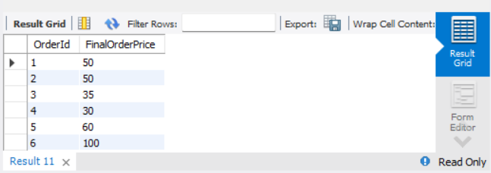
Output

Assignment-7 | Display order date in yyyy/MM/dd format.

ORDER2 Table | CREATE TABLE ORDER2(
 | OrderId INT PRIMARY KEY,
 | OrderDate DATE
 | );

Data Insertion | INSERT INTO ORDER2(OrderId,OrderDate)
 | VALUES (1,'2024-04-05'),
 | (2,'2024-05-06'),
 | (3,'2024-09-02'),
 | (4,'2024-07-07'),
 | (5,'2024-11-12'),
 | (6,'2024-10-10');

Query | SELECT OrderId, DATE_FORMAT(OrderDate, '%Y/%m/%d') AS Formatted_Order_Date
 | FROM Order2;

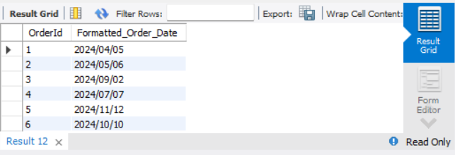
Output

Assignment-8 | Display 5 latest orders from order.

Table Creation | Order2 table from the Assignment-7 is utilized

Query | SELECT OrderId,OrderDate FROM Order2
 | ORDER BY OrderDate DESC LIMIT 5;

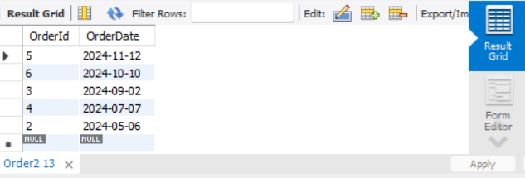
Output

