Antennas
 |  |  |  | Freq | 7600000000 | Hz
Peak Gain | 10.5 | dBi |  | C | 300000000 | m/s
Az 3dB | 56 | degrees |  | Lamda/2 | 0.019736842105 | m
 |  |  |  | Degrees | 0.5236 | rad
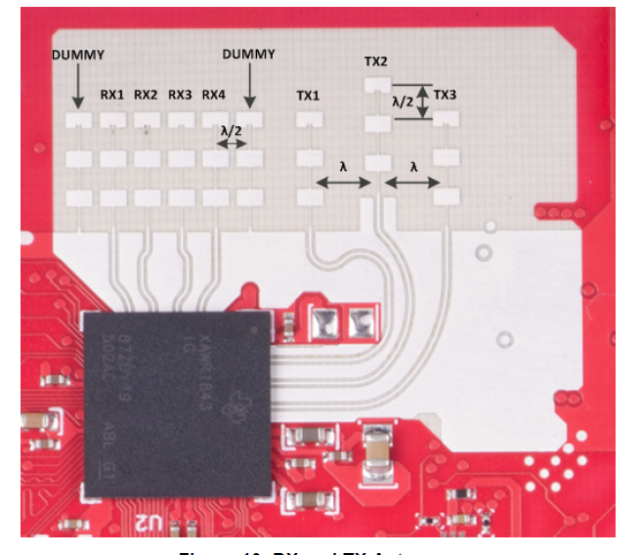
El 3dB | 28 | degrees | Rx Ant# | x-pos | Phase | d*sin(theta)
 |  |  | 0 | 0 | 0 | 0
 |  |  | 1 | 0.019736842105 | 1.570799658 | 0.0098684419808 | 1.9999957586
 |  |  | 2 | 0.039473684211 | 3.141599316 | 0.019736883962
 |  |  | 3 | 0.059210526316 | 4.7123989741 | 0.029605325943

 |  |  | Tx Ant# | x-pos
 |  |  | 0 | 0
 |  |  | 1 | 0.039473684211
 |  |  | 2 | 0.078947368421

 |  |  | Peak Gain | 10.5 | dBi
 |  |  | Freq Band | 76 to 81 | GHz
 |  |  | Az 3 dB | +/- 28 | degrees
 |  |  | Elve 3 dB | +/- 14 | degrees

