Summary
Scenarios | Number of Virtual Users | Response Time | Number of Virtual Users | Response Time | Number of Virtual Users | Response Time | Number of Virtual Users | Response Time | Number of Virtual Users | Response Time | Number of Virtual Users | Response Time | Number of Virtual Users | Response Time | Avg Error% for 200 VU
File Upload | 1 | 4123 | 2 | 16878 | 5 | 12679 | 10 | 12679 | 40 | 17453 | 50 | 24174 | 100 | 39815 | 0.93%
Generate EWB | 1 | 4946 | 3 | 15448 | 5 | 12798 | 10 | 32314 | 40 | 23024 | 50 | 34518 | 100 | 76069 | 0.88%
Total | 2 | 9069 | 5 | 32326 | 10 | 25477 | 40 | 44993 | 80 | 40477 | 100 | 58692 | 200 | 115884 | 1.81%

Response Time Graph |  |  |  |  |  |  |  |  |  |  | CPU Utilization |  |  |  |  | Network Traffic

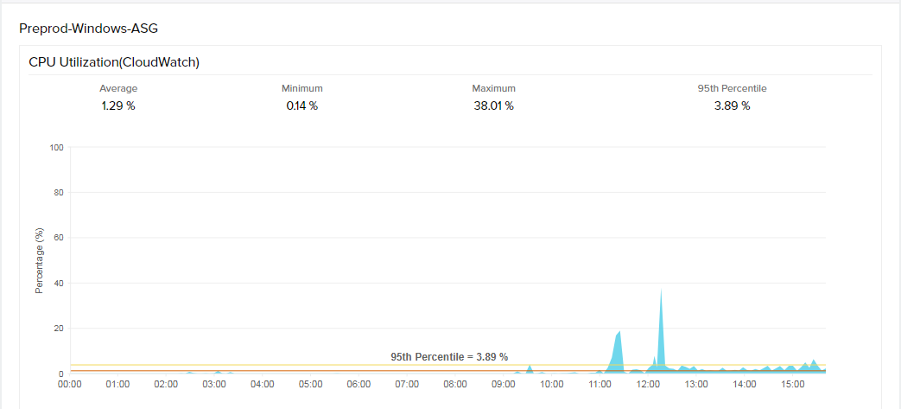
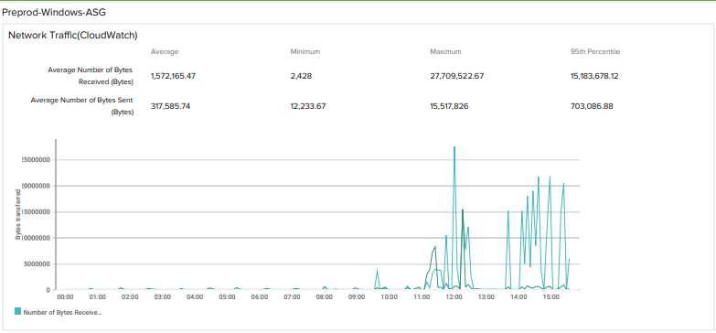
 |  |  |  |  |  |  |  |  |  |  |  |  |  |  |  |  | VU | Response Time(ms)
 |  |  |  |  |  |  |  |  |  |  |  |  |  |  |  |  | 2 | 9069
 |  |  |  |  |  |  |  |  |  |  |  |  |  |  |  |  | 5 | 32326
 |  |  |  |  |  |  |  |  |  |  |  |  |  |  |  |  | 10 | 25477
 |  |  |  |  |  |  |  |  |  |  |  |  |  |  |  |  | 40 | 44993
 |  |  |  |  |  |  |  |  |  |  |  |  |  |  |  |  | 80 | 40477
 |  |  |  |  |  |  |  |  |  |  |  |  |  |  |  |  | 100 | 58692
 |  |  |  |  |  |  |  |  |  |  |  |  |  |  |  |  | 200 | 115884

