Sheet1
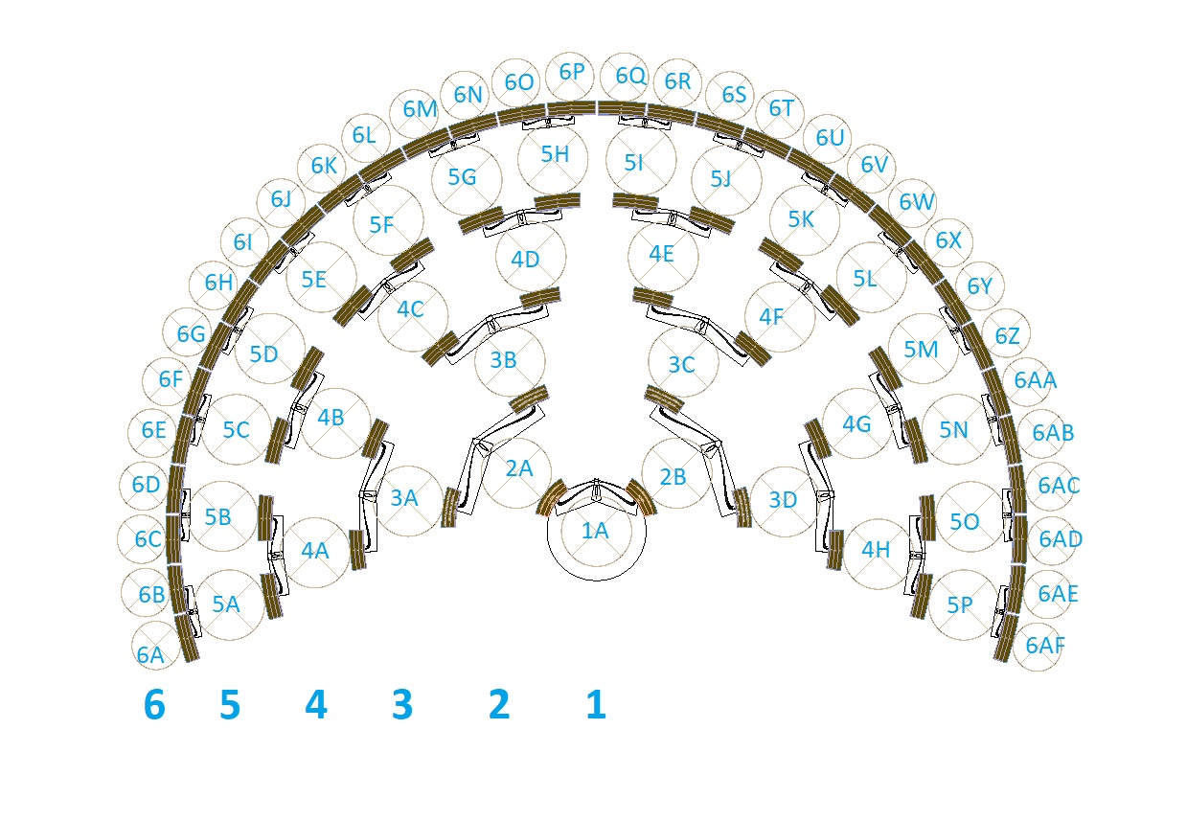
Id | Ref | FirstName | LastName | Birth | Death | Sex
1 | 1A
2 | 2A |  |  |  |  | M
3 | 2B |  |  |  |  | F
4 | 3A |  |  |  |  | M
5 | 3B |  |  |  |  | F
6 | 3C |  |  |  |  | M
7 | 3D |  |  |  |  | F
8 | 4A |  |  |  |  | M
9 | 4B |  |  |  |  | F
10 | 4C |  |  |  |  | M
11 | 4D |  |  |  |  | F
12 | 4E |  |  |  |  | M
13 | 4F |  |  |  |  | F
14 | 4G |  |  |  |  | M
15 | 4H |  |  |  |  | F
16 | 5A |  |  |  |  | M
17 | 5B |  |  |  |  | F
18 | 5C |  |  |  |  | M
19 | 5D |  |  |  |  | F
20 | 5E |  |  |  |  | M
21 | 5F |  |  |  |  | F
22 | 5G |  |  |  |  | M
23 | 5H |  |  |  |  | F
24 | 5I |  |  |  |  | M
25 | 5J |  |  |  |  | F
26 | 5K |  |  |  |  | M
27 | 5L |  |  |  |  | F
28 | 5M |  |  |  |  | M
29 | 5N |  |  |  |  | F
30 | 5O |  |  |  |  | M
31 | 5P |  |  |  |  | F
32 | 6A |  |  |  |  | M
33 | 6B |  |  |  |  | F
34 | 6C |  |  |  |  | M
35 | 6D |  |  |  |  | F
36 | 6E |  |  |  |  | M
37 | 6F |  |  |  |  | F
38 | 6G |  |  |  |  | M
39 | 6H |  |  |  |  | F
40 | 6I |  |  |  |  | M
41 | 6J |  |  |  |  | F
42 | 6K |  |  |  |  | M
43 | 6L |  |  |  |  | F
44 | 6M |  |  |  |  | M
45 | 6N |  |  |  |  | F
46 | 6O |  |  |  |  | M
47 | 6P |  |  |  |  | F
48 | 6Q |  |  |  |  | M
49 | 6R |  |  |  |  | F
50 | 6S |  |  |  |  | M
51 | 6T |  |  |  |  | F
52 | 6U |  |  |  |  | M
53 | 6V |  |  |  |  | F
54 | 6W |  |  |  |  | M
55 | 6X |  |  |  |  | F
56 | 6Y |  |  |  |  | M
57 | 6Z |  |  |  |  | F
58 | 6AA |  |  |  |  | M
59 | 6AB |  |  |  |  | F
60 | 6AC |  |  |  |  | M
61 | 6AD |  |  |  |  | F
62 | 6AE |  |  |  |  | M
63 | 6AF |  |  |  |  | M
64 | 7A |  |  |  |  | F
65 | 7B |  |  |  |  | M
66 | 7C |  |  |  |  | F
67 | 7D |  |  |  |  | M
68 | 7E |  |  |  |  | F
69 | 7F |  |  |  |  | M
70 | 7G |  |  |  |  | F
71 | 7H |  |  |  |  | M
72 | 7I |  |  |  |  | F
73 | 7J |  |  |  |  | M
74 | 7K |  |  |  |  | M
75 | 7L |  |  |  |  | F
76 | 7M |  |  |  |  | M
77 | 7N |  |  |  |  | F
78 | 7O |  |  |  |  | M
79 | 7P |  |  |  |  | F
80 | 7Q |  |  |  |  | M
81 | 7R |  |  |  |  | F
82 | 7S |  |  |  |  | M
83 | 7T |  |  |  |  | F
84 | 7U |  |  |  |  | M
85 | 7V |  |  |  |  | F
86 | 7W |  |  |  |  | M
87 | 7X |  |  |  |  | F
88 | 7Y |  |  |  |  | M
89 | 7Z |  |  |  |  | F
90 | 7AA |  |  |  |  | M
91 | 7AB |  |  |  |  | F
92 | 7AC |  |  |  |  | M
93 | 7AD |  |  |  |  | F
94 | 7AE |  |  |  |  | M
95 | 7AF |  |  |  |  | M
96 | 7AG |  |  |  |  | F
97 | 7AH |  |  |  |  | M
98 | 7AI |  |  |  |  | F
99 | 7AJ |  |  |  |  | M
100 | 7AK |  |  |  |  | F
101 | 7AL |  |  |  |  | M
102 | 7AM |  |  |  |  | F
103 | 7AN |  |  |  |  | M
104 | 7AO |  |  |  |  | F
105 | 7AP |  |  |  |  | M
106 | 7AQ |  |  |  |  | F
107 | 7AR |  |  |  |  | M
108 | 7AS |  |  |  |  | F
109 | 7AT |  |  |  |  | M
110 | 7AU |  |  |  |  | F
111 | 7AV |  |  |  |  | M
112 | 7AW |  |  |  |  | F
113 | 7AX |  |  |  |  | M
114 | 7AY |  |  |  |  | F
115 | 7AZ |  |  |  |  | M
116 | 7BA |  |  |  |  | M
117 | 7BB |  |  |  |  | F
118 | 7BC |  |  |  |  | M
119 | 7BD |  |  |  |  | F
120 | 7BE |  |  |  |  | M
121 | 7BF |  |  |  |  | F
122 | 7BG |  |  |  |  | M
123 | 7BH |  |  |  |  | F
124 | 7BI |  |  |  |  | M
125 | 7BJ |  |  |  |  | F
126 | 7BK |  |  |  |  | M
127 | 7BL |  |  |  |  | F

