PURCHASEORDER

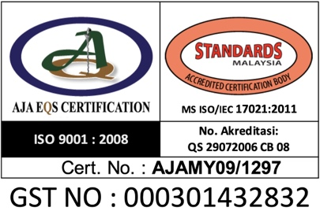
 |  | BLACKFOX ENGINEERING SDN BHD (627019-P)
 |  | HQ : | Lot 2040, Tingkat 1, Bangunan SBJ, 16250, Pasir Pekan, Wakaf Bharu, Kelantan
 |  |  | Tel : +609-7181812 Fax : +609-7181813
 |  | Branch : | Suite 15-05, Plaza 138, Jalan Ampang, 50450 Kuala Lumpur
 |  |  | Tel : +603-21610731 Fax : +603-21814211
 |  | Project Site : | Lot 1349, Blok 19, Salad Land District, Jalan Bako, Petra Jaya, 93050 Kuching, Sarawak
 |  | Email : | blackfox_80@yahoo.com / blackfox_60@yahoo.com

PURCHASE ORDER

TUJU GALAKSI SDN BHD |  |  |  |  | PR Number | :
SL.20,1st Floor, Block 16, KCLD, Galacity, |  |  |  |  | Date | :
93350 Kuching Sarawak |  |  |  |  | Invoice | :
TEL : 082-265809 / 082-265810 |  |  |  |  | Delivery Order No | :

No. Account : 2233006809(UOB)

Item | Description |  |  | Quantity (unit) | Unit Price (RM) |  | Amount (RM)

TOTAL :
Transportation Instruction : |  |  |  | Other Instruction Please Attached this PO with DO and
 |  |  |  | Invoices during delivery.

 |  |  |  | Person To Contact :

Please deliver this order and sent all documents to BLACKFOX ENGINEERING SDN BHD:
 | Lot 1349, Blok 19, Salad Land District, Jalan Bako, Petra Jaya, 93050 Kuching, Sarawak
 | Other location :


Authorised Signature |  |  |  | For Official Used:
 |  |  |  | Prepare by : Azyan Nasuha

Ahmad Safwan Bin Ab Aziz
Project Manager |  |  |  | Signature |  |  | Company Cop
PLEASE QUOTE OUR PURCHASE ORDER NUMBER ON ALL CORRESPONDING DOCUMENTS

