BIOPSIA - COMÚN SIN FILTRADO B
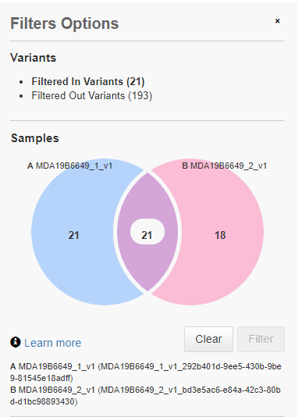
##analysisDate=2020-11-17-22-17-33-000,2020-11-17-22-17-36-000
##analyzedBy=spalacios@mdanderson.es,spalacios@mdanderson.es
##exportDate=2021-04-13-13-27-38-529
##analysisName=MDA19B6649_1_v1_292b401d-9ee5-430b-9be9-81545e18adff,MDA19B6649_2_v1_bd3e5ac6-e84a-42c3-80bd-d1bc98893430
##workflowName=Linfoma Hodgkin 5.16,Linfoma Hodgkin 5.16
##Workflow Application Version=5.16,5.16
##sampleNames=MDA19B6649_1_v1,MDA19B6649_2_v1
##reference=hg19
##filterChain=Pathogenic_BRCA_EM
##FilterChain Version=5.14
##searchText=
##chromosome=All
##totalVariantCount=214
##filterInCount=21
##filteredOutCount=193
Locus | Ref | Type | Variant Frequency | Genes | Location | MDA19B6649_1_v1 | MDA19B6649_2_v1 | Amino Acid Change | Coding
chr2:202136233 | C | SNV | 1 | CASP8 | CASP8:intronic:NM_001080125.2 | C/T | C/T | p.? | c.483-6C>T
chr2:202139692 | C | INDEL | 1 | CASP8 | CASP8:intronic:NM_001080125.2 | C/CT | C/CT | p.? | c.837+16_837+17insT
chr5:149433596 | TG | MNV | 1 | HMGXB3, CSF1R | HMGXB3:downstream:NM_014983.3, CSF1R:utr_3:NM_005211.3 | GA/GA | GA/GA | p.? | c.*1841TG>GA, c.*36CA>TC
chr5:149456771 | CT | MNV | 1 | CSF1R | CSF1R:intronic:NM_005211.3 | AA/AA | AA/AA | p.? | c.889+67_889+68delinsTT
chr6:135513479 | A | SNV | 1 | MYB | MYB:exonic:NM_001130173.2 | A/G | A/G | p.Lys182Arg | c.545A>G
chr6:138195966 | TCCT | INDEL | 1 | TNFAIP3 | TNFAIP3:intronic:NM_001270507.2 | T/T | T/T | p.? | c.296-15_296-13delCCT
chr7:2963940 | GGGA | INDEL | 1 | CARD11 | CARD11:exonic:NM_032415.6 | GGGA/G | GGGA/G | p.Ser622del | c.1864_1866delTCC
chr7:2978214 | A | SNV | 1 | CARD11 | CARD11:intronic:NM_032415.6 | A/G | A/G | p.? | c.1017+99T>C
chr7:2998182 | G | SNV | 1 | CARD11 | CARD11:utr_5:NM_032415.6 | G/A | G/A | p.? | c.-42C>T
chr9:139393736 | C | SNV | 1 | NOTCH1 | NOTCH1:intronic:NM_017617.5 | C/G | C/T | p.? | c.5935-25G>C, c.5935-25G>A
chr9:139396319 | T | SNV | 1 | NOTCH1 | NOTCH1:exonic:NM_017617.5 | T/C | T/C | p.His1840Arg | c.5519A>G
chr9:139401831 | T | SNV | 1 | NOTCH1 | NOTCH1:exonic:NM_017617.5 | T/C | T/C | p.His1190Arg | c.3569A>G
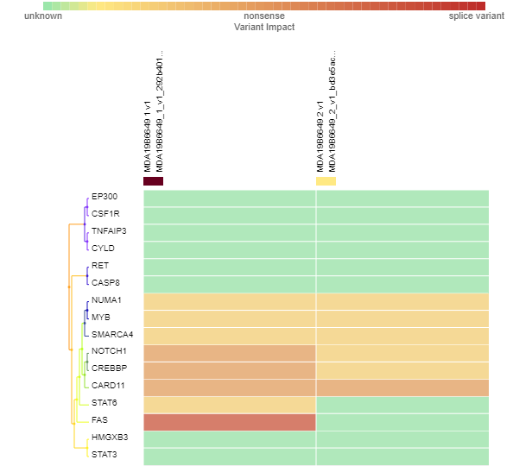
chr9:139411769 | G | SNV | 1 | NOTCH1 | NOTCH1:exonic:NM_017617.5 | G/A | G/A | p.Arg504Cys | c.1510C>T
chr9:139418225 | G | SNV | 1 | NOTCH1 | NOTCH1:exonic:NM_017617.5 | G/A | G/A | p.Thr116Ile | c.347C>T
chr10:43606612 | C | SNV | 1 | RET | RET:intronic:NM_020975.6 | C/T | C/T | p.? | c.1264-43C>T
chr11:71724783 | T | SNV | 1 | NUMA1, LOC100128494 | LOC100128494:upstream:NR_104178.1, NUMA1:exonic:NM_006185.4 | T/A | T/A | p.Met1256Leu | c.3766A>T
chr11:71733518 | G | INDEL | 1 | NUMA1 | NUMA1:intronic:NM_006185.4 | GT/GT | GT/GT | p.? | c.292-54_292-53insA
chr16:3823689 | A | SNV, INDEL | 1 | CREBBP | CREBBP:intronic:NM_004380.3 | A/AG | A/G | p.? | c.2463+63T>C, c.2463+62_2463+63insC
chr16:3823861 | G | SNV | 1 | CREBBP | CREBBP:exonic:NM_004380.3 | G/A | G/A | p.Ala785Val | c.2354C>T
chr16:50816216 | TTTTAAA | INDEL | 1 | CYLD | CYLD:intronic:NM_001042355.2 | TA/TTA | TA/TTA | p.? | c.1676-19_1676-15delTTTAA, c.1676-18_1676-15delTTAA
chr19:11121164 | A | SNV | 1 | SMARCA4 | SMARCA4:exonic:NM_001128849.3 | A/G | A/G | p.Lys744Arg | c.2231A>G

BIOPSIA - COMÚN SIN FILTRADO A
##analysisDate=2020-11-17-22-17-23-000,2020-11-17-22-17-20-000
##analyzedBy=spalacios@mdanderson.es,spalacios@mdanderson.es
##exportDate=2021-04-13-09-42-27-117
##analysisName=MDA19B9879_3_v1_8ce872b7-9714-457d-bc5c-587a3987975a,MDA19B9879_1_v1_ebdf35f3-91d3-4f04-9619-b691a8da903a
##workflowName=Linfoma Hodgkin 5.16,Linfoma Hodgkin 5.16
##Workflow Application Version=5.16,5.16
##sampleNames=MDA19B9879_3_v1,MDA19B9879_1_v1
##reference=hg19
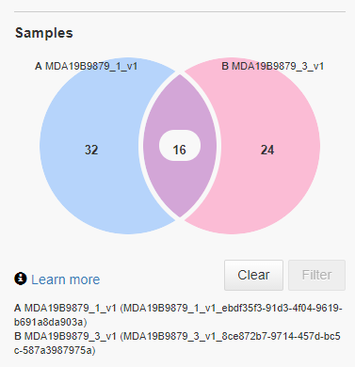
##filterChain=Pathogenic_BRCA_EM
##FilterChain Version=5.14
##searchText=
##chromosome=All
##totalVariantCount=231
##filterInCount=16
##filteredOutCount=215
Locus | Ref | Type | Variant Frequency | Genes | Location | MDA19B9879_3_v1 | MDA19B9879_1_v1 | Amino Acid Change | Coding
chr2:202136233 | C | SNV | 1 | CASP8 | CASP8:intronic:NM_001080125.2 | C/T | C/T | p.? | c.483-6C>T
chr5:149433596 | TG | MNV | 1 | HMGXB3, CSF1R | HMGXB3:downstream:NM_014983.3, CSF1R:utr_3:NM_005211.3 | GA/GA | GA/GA | p.? | c.*1841TG>GA, c.*36CA>TC
chr5:149456771 | CT | MNV | 1 | CSF1R | CSF1R:intronic:NM_005211.3 | AA/AA | AA/AA | p.? | c.889+67_889+68delinsTT
chr6:135513479 | A | SNV | 1 | MYB | MYB:exonic:NM_001130173.2 | A/G | A/G | p.Lys182Arg | c.545A>G
chr6:138195966 | TCCT | INDEL | 1 | TNFAIP3 | TNFAIP3:intronic:NM_001270507.2 | T/T | T/T | p.? | c.296-15_296-13delCCT
chr7:2978214 | A | SNV | 1 | CARD11 | CARD11:intronic:NM_032415.6 | A/G | A/G | p.? | c.1017+99T>C
chr7:2998182 | G | SNV | 1 | CARD11 | CARD11:utr_5:NM_032415.6 | G/A | G/A | p.? | c.-42C>T
chr9:139396319 | T | SNV | 1 | NOTCH1 | NOTCH1:exonic:NM_017617.5 | T/C | T/C | p.His1840Arg | c.5519A>G
chr9:139401831 | T | SNV | 1 | NOTCH1 | NOTCH1:exonic:NM_017617.5 | T/C | T/C | p.His1190Arg | c.3569A>G
chr9:139411769 | G | SNV | 1 | NOTCH1 | NOTCH1:exonic:NM_017617.5 | G/A | G/A | p.Arg504Cys | c.1510C>T
chr9:139418225 | G | SNV | 1 | NOTCH1 | NOTCH1:exonic:NM_017617.5 | G/A | G/A | p.Thr116Ile | c.347C>T
chr10:43606612 | C | SNV | 1 | RET | RET:intronic:NM_020975.6 | C/T | C/T | p.? | c.1264-43C>T
chr11:71724783 | T | SNV | 1 | NUMA1, LOC100128494 | LOC100128494:upstream:NR_104178.1, NUMA1:exonic:NM_006185.4 | T/A | T/A | p.Met1256Leu | c.3766A>T
chr11:71733518 | G | INDEL | 1 | NUMA1 | NUMA1:intronic:NM_006185.4 | GT/GT | GT/GT | p.? | c.292-54_292-53insA
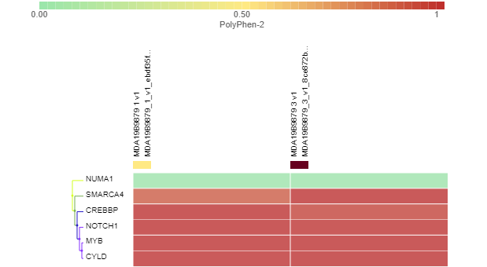
chr16:3823861 | G | SNV | 1 | CREBBP | CREBBP:exonic:NM_004380.3 | G/A | G/A | p.Ala785Val | c.2354C>T
chr19:11121164 | A | SNV | 1 | SMARCA4 | SMARCA4:exonic:NM_001128849.3 | A/G | A/G | p.Lys744Arg | c.2231A>G

