Sheet1
Identifier | 1
Title | In this bug,the page becomes unresponsive when clicking on the number of results.
Reporting Date
Reporter | Mohsin Ali
Test Enviornment | All Browsers
Severity | Issue Type | Frequency
High | Crash | Everytime
Action Performed
1:open https;//academybugs.com
2:Click the find bugs link on the navigation bar
3:Click on the button to show a certain number of results at the top left
Expected Results
The selected number of results is displayed according to the clicked button.

Actual Result
The page freezes when clicking on the numbers of results

Identifier | 2
Title | In this bug, the Sign In button overlaps the footer.
Reporting Date
Reporter | Mohsin Ali
Test Enviornment | All Browsers
Severity | Issue Type | Frequency
Low | Visual type | Everytime
Action Performed
Open https://academybugs.com
Click the Find Bugs link on the navigation bar
Open a product with no color selection options
Scroll down to the bottom of the right side menu
Expected Results
The Sign In button is above the footer

Actual Result
The Sign In button overlaps the footer

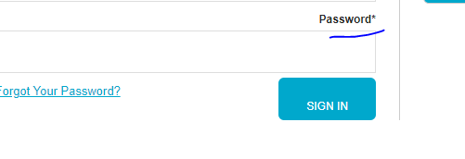

Identifier | 3
Title | In this bug, there is big space before the last letter in "Return to Store".
Reporting Date
Reporter | Mohsin Ali
Test item
Test Enviornment | All Browsers
Severity | Issue Type | Frequency
Low | Content | Everytime
Action Performed
Open https://academybugs.com
Click the Find Bugs link on the navigation bar
Open a product
Open the cart at the bottom of right side menu
Clear the cart if there are any items

Expected Results
The caption of the "Return to Store" button is written with even spacing between letters

Actual Result
There is too much space before the last letter in "Return to Store"

Identifier | 4
Title | In this bug, the short description and description of the product are not in English
Reporting Date | 27-07-2023
Reporter | Mohsin Ali
Test item
Test Enviornment | All Browsers
Severity | Issue Type | Frequency
Medium | Content | Everytime
Action Performed
Open https://academybugs.com
Click the Find Bugs link on the navigation bar
Open a product

Expected Results
The short description and description of the product are in English

Actual Result
The short description and description of the product are not in English

Identifier | 5
Title | In this bug, the yellow and orange colors of the product are misspelled.
Reporting Date | 27-07-2023
Reporter | Mohsin Ali
Test Enviornment | All Browsers
Severity | Issue Type | Frequency
Low | Content | Everytime
Action Performed
Open https://academybugs.com
Click the Find Bugs link on the navigation bar
Open a product with color options
Choose the Yellow and Orange colors

Expected Results
The yellow and orange colors are spelled correctly

Actual Result
Yellow is misspelled as "Yelow" and Orange as "Orang"

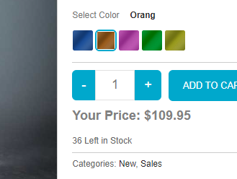

Identifier | 6
Title | In this bug, the filter by price doesn't work in the product details or product list pages.
Reporting Date | 27-07-2023
Reporter | Mohsin Ali
Test Enviornment | All Browsers
Severity | Issue Type | Frequency
Medium | Functional | Everytime
Action Performed
Open https://academybugs.com
Click the Find Bugs link on the navigation bar
Open a product
On the right side menu find the Filter by Price section
Select any of the price ranges
Also open any item from the right side Store Menu and select the price ranges on the right side menu

Expected Results
A list of products in the selected price range is shown

Actual Result
The same page reloads.

Identifier | 7
Title | In this bug, the grand total is $100 more than the sum of all products in the cart.
Reporting Date | 27-07-2023
Reporter | Mohsin Ali
Test Enviornment | All Browsers
Severity | Issue Type | Frequency
Critical | Functional | Everytime
Action Performed
Open https://academybugs.com
Click the Find Bugs link on the navigation bar
Add one or more products to the cart
Click the "View cart" link on top of the page, or click "Continue to Shipping" in the checkout details page

Expected Results
The grand total is equal to the sum of all products in the cart

Actual Result
The grand total is $100 more than the sum of all products in the cart

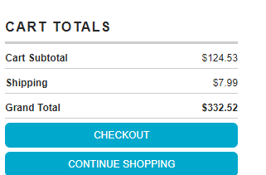

Identifier | 8
Title | In this bug, item images have unnecessary space underneath.
Reporting Date | 27-07-2023
Reporter | Mohsin Ali
Test Enviornment | All Browsers
Severity | Issue Type | Frequency
Low | Visual | Everytime
Action Performed
Open https://academybugs.com
Click the Find Bugs link on the navigation bar
Open a product
Find the Store Menu section in the right side menu
Choose All Items

Expected Results
Item images have no space underneath

Actual Result
Item images have unnecessary space underneath

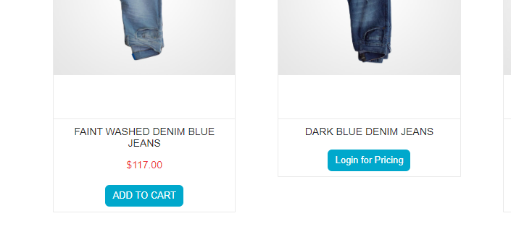

Identifier | 9
Title | In this bug, the page freezes when increasing the product quantity having green or pink colors chosen.
Reporting Date | 27-07-2023
Reporter | Mohsin Ali
Test Enviornment | All Browsers
Severity | Issue Type | Frequency
High | Crash | Everytime
Action Performed
Open https://academybugs.com
Click the Find Bugs link on the navigation bar
Open a product that has color options
Choose the pink or green color
Increase the product quantity by 1 or more

Expected Results
The quantity is increased to a desired value

Actual Result
The page becomes unresponsive when increasing the quantity with the pink or green colors chosen

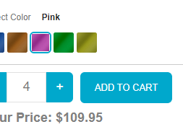

Identifier | 10
Title | In this bug, the manufacturer link in the product details page is broken.
Reporting Date | 27-07-2023
Reporter | Mohsin Ali
Test Enviornment | All Browsers
Severity | Issue Type | Frequency
Medium | Functional | Everytime
Action Performed
Open https://academybugs.com
Click the Find Bugs link on the navigation bar
Open a product
Click the manufacturer link under the quantity

Expected Results
The manufacturer link shows an appropriate page

Actual Result
The manufacturer link opens an error page

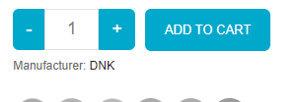

Identifier | 11
Title | In this bug, the text under the New User section is not in English.
Reporting Date | 27-07-2023
Reporter | Mohsin Ali
Test Enviornment | All Browsers
Severity | Issue Type | Frequency
Low | Content | Everytime
Action Performed
Open https://academybugs.com
Click the Find Bugs link on the navigation bar
Open a product
Scroll down to the bottom of the right side menu
Click "Sign In" to open the sign in page

Expected Results
The text under the New User section is in English

Actual Result
The text under the New User section is in another language

Identifier | 12
Title | In this bug, the twitter share button in the product details page is broken.
Reporting Date | 27-07-2023
Reporter | Mohsin Ali
Test Enviornment | All Browsers
Severity | Issue Type | Frequency
Medium | Functional | Everytime
Action Performed
Open https://academybugs.com
Click the Find Bugs link on the navigation bar
Open a product
Click the twitter share button

Expected Results
The twitter share button shows an appropriate page

Actual Result
The twitter share button shows an error page

Identifier | 13
Title | In this bug, the product quantity cannot be increased past 2.
Reporting Date | 27-07-2023
Reporter | Mohsin Ali
Test Enviornment | All Browsers
Severity | Issue Type | Frequency
High | Functional | Everytime
Action Performed
Open https://academybugs.com
Click the Find Bugs link on the navigation bar
Add one or more products to the cart
Click the "View cart" link on top of the page
Set the products quantity to 3 or more
Click "update" below

Expected Results
The product quantity can be increased past 2

Actual Result
When clicking on the update button the product quantity becomes 2 again

Identifier | 14
Title | In this bug, there are unreadable symbols in the shopping cart popup.
Reporting Date | 27-07-2023
Reporter | Mohsin Ali
Test Enviornment | All Browsers
Severity | Issue Type | Frequency
Low | Content | Everytime
Action Performed
Open https://academybugs.com
Click the Find Bugs link on the navigation bar
Add one or more products to the cart
Click "View Cart" on top of the page
Scroll down to the Shopping Cart section of the right side menu
Hover over the Shopping Cart caption

Expected Results
All characters are clear to a regular user

Actual Result
There are unreadable symbols in the shopping cart popup

Identifier | 15
Title | In this bug, the caption of the Sign In button is misaligned vertically.
Reporting Date | 27-07-2023
Reporter | Mohsin Ali
Test Enviornment | All Browsers
Severity | Issue Type | Frequency
Low | Visual | Everytime
Action Performed
Open https://academybugs.com
Click the Find Bugs link on the navigation bar
Open a product
Scroll to the bottom and find the sign in form in the right side menu
Enter any login and password that are not registered and click "Sign In"
Hover over the Shopping Cart caption

Expected Results
The caption of the Sign In button is centered vertically

Actual Result
The caption of the Sign In button is misaligned vertically

Identifier | 16
Title | In this bug, the My Space share page loads infinitely.
Reporting Date | 27-07-2023
Reporter | Mohsin Ali
Test Enviornment | All Browsers
Severity | Issue Type | Frequency
Low | Performance | Everytime
Action Performed
Open https://academybugs.com
Click the Find Bugs link on the navigation bar
Open a product
Click the My Space share link

Expected Results
The user is able to share the product through My Space

Actual Result
My Space share page loads infinitely

Identifier | 17
Title | In this bug, the title of the password field is misaligned.
Reporting Date | 27-07-2023
Reporter | Mohsin Ali
Test Enviornment | All Browsers
Severity | Issue Type | Frequency
Low | Visual | Everytime
Action Performed
Open https://academybugs.com
Click the Find Bugs link on the navigation bar
Open a product
Scroll down to the bottom of the right side menu
Click "Sign In" without filling the form to open the Sign In page

Expected Results
The title of the password field is aligned the same as the field above

Actual Result
The title of the password field is not aligned the same as the field above

Identifier | 18
Title | In this bug, the page becomes unresponsive when clicking on the Retrieve Password button.
Reporting Date | 27-07-2023
Reporter | Mohsin Ali
Test Enviornment | All Browsers
Severity | Issue Type | Frequency
High | Crash | Everytime
Action Performed
Open https://academybugs.com
Click the Find Bugs link on the navigation bar
Open a product
Scroll down to the Your Account section of the right side menu
Click "Sign Up"
In the Returning Customer section click "Forgot Your Password?"
Enter your email in the field and click "Retrieve Password"
Expected Results
The password is sent to the entered email

Actual Result
The page becomes unresponsive when clicking on "Retrieve Password" and no email is sent

Identifier | 19
Title | In this bug, the billing address loads infinitely.
Reporting Date | 27-07-2023
Reporter | Mohsin Ali
Test Enviornment | All Browsers
Severity | Issue Type | Frequency
Medium | Performance | Everytime
Action Performed
Open https://academybugs.com
Click the Find Bugs link on the navigation bar
Open a product
Sign up if you are not signed up or log in at the bottom of right side menu
At the bottom of the right side menu select Dashboard
Scroll up to the Billing Address section
Enter your email in the field and click "Retrieve Password"
Expected Results
The Billing Address section shows appropriate info

Actual Result
The Billing Address section loads infinitely

Identifier | 20
Title | In this bug, the billing information isn't updated.
Reporting Date | 27-07-2023
Reporter | Mohsin Ali
Test Enviornment | All Browsers
Severity | Issue Type | Frequency
HIGH | Performance | Everytime
Action Performed
Open https://academybugs.com
Click the Find Bugs link on the navigation bar
Open a product
Click "Sign Up" at the bottom of right side menu
Sign up with fake data if you are not signed up. Otherwise enter your credentials and log in
At the bottom of the right side menu select Billing Information
Fill out the billing information form
Click "Update"
Enter your email in the field and click "Retrieve Password"
Expected Results
Billing information is updated after filling out the form and clicking "Update"

Actual Result
Billing information loads infinitely after filling out the form and clicking "Update"

Identifier | 21
Title | In this bug, the page freezes when changing the currency.
Reporting Date | 27-07-2023
Reporter | Mohsin Ali
Test Enviornment | All Browsers
Severity | Issue Type | Frequency
HIGH | Crash | Everytime
Action Performed
Open https://academybugs.com
Click the Find Bugs link on the navigation bar
Open a product
Change the currency in the right side menu

Expected Results
The currency is changed as expected

Actual Result
The page freezes when changing the currency

Identifier | 22
Title | In this bug, the order history loads infinitely.
Reporting Date | 27-07-2023
Reporter | Mohsin Ali
Test Enviornment | All Browsers
Severity | Issue Type | Frequency
HIGH | Performance | Everytime
Action Performed
Open https://academybugs.com
Click the Find Bugs link on the navigation bar
Open a product
Sign up if you are not signed up or log in at the bottom of right side menu
At the bottom of the right side menu select Order History

Expected Results
Your Order History section shows appropriate info

Actual Result
Your Order History section loads infinitely

