Sheet1
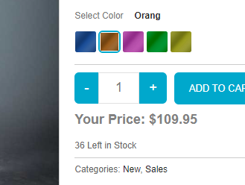
Identifier | 1
Title | In this bug,the page becomes unresponsive when clicking on the number of results.
Reporting Date
Reporter | Mohsin Ali
Test item
Test Enviornment | All Browsers
Severity | Issue Type | Frequency
High | Crash | Everytime
Action Performed
1:open https;//academybugs.com
2:Click the find bugs link on the navigation bar
3:Click on the button to show a certain number of results at the top left

Expected Results
The selected number of results is displayed according to the clicked button.

Actual Result
The page freezes when clicking on the numbers of results

Identifier | 2
Title | In this bug, the Sign In button overlaps the footer.
Reporting Date
Reporter | Mohsin Ali
Test item
Test Enviornment | All Browsers
Severity | Issue Type | Frequency
Low | Visual type | Everytime
Action Performed
Open https://academybugs.com
Click the Find Bugs link on the navigation bar
Open a product with no color selection options
Scroll down to the bottom of the right side menu

Expected Results
The Sign In button is above the footer

Actual Result
The Sign In button overlaps the footer

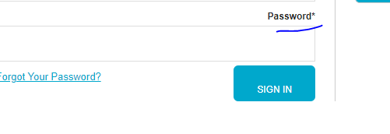

Identifier | 3
Title | In this bug, there is big space before the last letter in "Return to Store".
Reporting Date
Reporter | Mohsin Ali
Test item
Test Enviornment | All Browsers
Severity | Issue Type | Frequency
Low | Content | Everytime
Action Performed
Open https://academybugs.com
Click the Find Bugs link on the navigation bar
Open a product
Open the cart at the bottom of right side menu
Clear the cart if there are any items

Expected Results
The caption of the "Return to Store" button is written with even spacing between letters

Actual Result
There is too much space before the last letter in "Return to Store"

Identifier | 4
Title | In this bug, the page freezes when changing the currency.
Reporting Date | 27-07-2023
Reporter | Mohsin Ali
Test item
Test Enviornment | All Browsers
Severity | Issue Type | Frequency
Low | Crash | Everytime
Action Performed
Open https://academybugs.com
Click the Find Bugs link on the navigation bar
Open a product
Change the currency in the right side menu

Expected Results
The currency is changed as expected

Actual Result
The page freezes when changing the currency

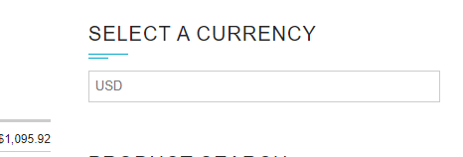

Identifier | 5
Title | In this bug, the yellow and orange colors of the product are misspelled.
Reporting Date | 27-07-2023
Reporter | Mohsin Ali
Test item
Test Enviornment | All Browsers
Severity | Issue Type | Frequency
Low | Content | Everytime
Action Performed
Open https://academybugs.com
Click the Find Bugs link on the navigation bar
Open a product with color options
Choose the Yellow and Orange colors

Expected Results
The yellow and orange colors are spelled correctly

Actual Result
Yellow is misspelled as "Yelow" and Orange as "Orang"

