Snapshot
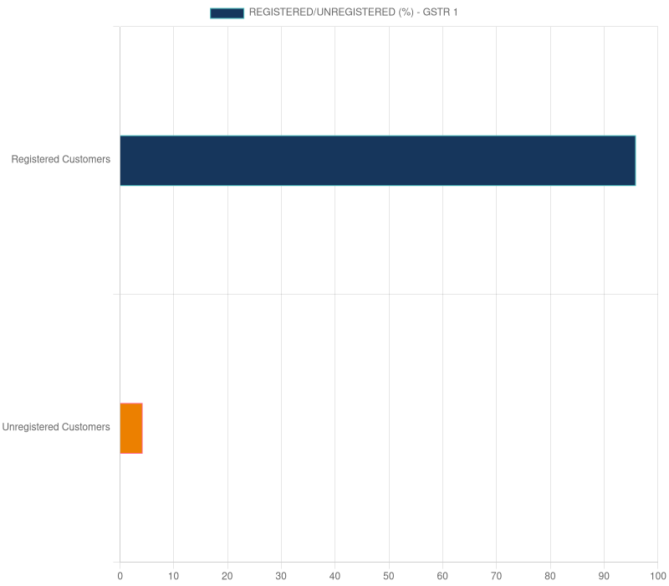
Description | Y/N
Are invoices raised for overseas business | N
Does business deals with E-Commerce Platform | N
Does the company has clients in other state | N

Description | %
Total Value of Credit & Debit Notes (GSTR1)/Total Sales Value | 0.00%
Total Value of Exempted Goods/Total Taxable Value | 0.00%
Total Value of Credit & Debit Notes (GSTR2A)/Total Purchase Value | 0.59%

Description | Value
Total Exports | ₹0
Total Taxable Value from Registered Customers | ₹4,75,41,677.97
Total Taxable Value from Unregistered Customers | ₹49,20,929

Description | Value
Average Sales per Customer | ₹15,18,541.20
Average Purchases per Supplier | ₹41,57,685.88
Average Sales per Month | ₹24,79,838.23
Average Purchases per Month | ₹25,24,495.26

Customer Summary
Summary of Customers |  |  |  |  |  |  | State-wise Customer Summary
Sl. no. | GSTIN | Tax | Total Taxable Value | Proportion in Total Supply Value | Regular/Irregular | Filing Status (Invoices Raised) | State | Frequency | Tax | Taxable Value | Registered | Unregistered
1 | 10DLRPK4495L1ZJ | 1206017.46 | 6700097 | 14.07% | Irregular | 89 | Bihar | 600 | 9533348.86 | 52462606.97 | 95.83% | 4.17%
2 | 10BHPPK7662H1Z6 | 1044833.56 | 5758492 | 12.11% | Irregular | 28
3 | 10AYEPY2205M1ZH | 891284.58 | 4951580.97 | 10.39% | Irregular | 64
4 | 10CPOPK4203C1ZK | 608622.24 | 3347943 | 7.04% | Irregular | 44
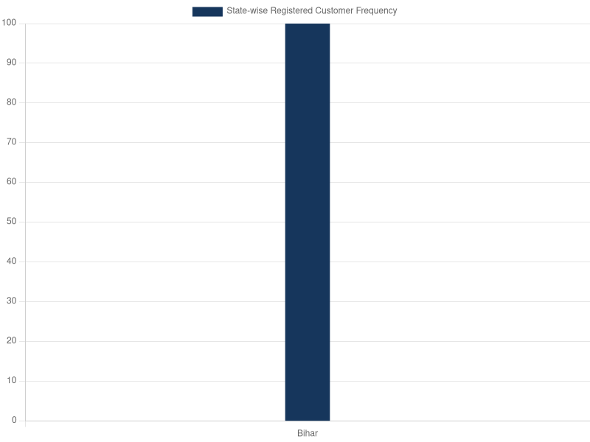
5 | 10AHLPY5989J1ZI | 503215.92 | 2795644 | 5.87% | Regular | 39
6 | 10BTTPK7436F1ZL | 452074.5 | 2511525 | 5.28% | Irregular | 34
7 | 10FVGPK5159C1ZW | 340406.82 | 1891149 | 3.97% | Irregular | 26
8 | 10CIDPK5343K1ZH | 313748.82 | 1743049 | 3.66% | Irregular | 22
9 | 10COXPS3254K2ZE | 289827.54 | 1610153 | 3.38% | Irregular | 22
10 | 10BLDPB5403R1ZE | 285314.76 | 1585082 | 3.33% | Irregular | 22
11 | 10CBIPK3167R3Z9 | 282416.22 | 1568979 | 3.30% | Irregular | 16
12 | 10APSPK8944A2ZX | 258523.38 | 1436241 | 3.02% | Irregular | 19
13 | 10ASDPA7091E2ZC | 215801.46 | 1198897 | 2.52% | Irregular | 12
14 | 10ERFPK2095M1ZO | 169719.12 | 942884 | 1.98% | Irregular | 13
15 | 10BQZPK9801R1ZZ | 167806.08 | 932256 | 1.96% | Irregular | 12
16 | 10AUHPS7980E2ZG | 198425.3 | 897415 | 1.95% | Irregular | 10
17 | 10CHVPK2745Q1ZQ | 142927.2 | 794040 | 1.67% | Irregular | 10
18 | 10ANZPT7195D2ZE | 173303.46 | 764707 | 1.67% | Irregular | 10
19 | 10GEAPS4478Q1ZV | 122579.64 | 680998 | 1.43% | Irregular | 9
20 | 10DDWPS5790F1Z0 | 121016.52 | 672314 | 1.41% | Irregular | 9
21 | 10FDXPR5664C1Z7 | 106819.02 | 593439 | 1.25% | Irregular | 8
22 | 10GLKPS2338E1Z8 | 92032.92 | 511294 | 1.07% | Irregular | 6
23 | 10BZBPK7095N2Z2 | 91493.28 | 508296 | 1.07% | Irregular | 6
24 | 10EDMPK0888R1ZV | 68810.04 | 382278 | 0.80% | Irregular | 6
25 | 10BHPPK7298K1ZR | 63230.94 | 351283 | 0.74% | Irregular | 6
26 | 10DDWPS5790F2ZZ | 61038.72 | 339104 | 0.71% | Irregular | 5
27 | 10BUMPS3631L1ZG | 59991.3 | 333285 | 0.70% | Irregular | 5
28 | 10CUIPV8679Q1ZG | 53078.4 | 294880 | 0.62% | Irregular | 3
29 | 10JZHPK5757F1Z9 | 48635.82 | 270199 | 0.57% | Irregular | 3
30 | 10CZKPS4594J3ZT | 47348.28 | 263046 | 0.55% | Irregular | 4
31 | 10BXMPK7102D2Z0 | 38136.42 | 211869 | 0.44% | Irregular | 3
32 | 10AFBPC4428G1Z9 | 30969.54 | 172053 | 0.36% | Irregular | 2
33 | 10HJHPK9374Q1ZF | 22873.5 | 127075 | 0.27% | Irregular | 2
34 | 10DSTPK5366M1Z5 | 22764.96 | 126472 | 0.27% | Irregular | 2
35 | 10DRGPS1582D1Z1 | 21783.6 | 121020 | 0.25% | Irregular | 2
36 | 10AAICA8353R2Z9 | 15265.26 | 84807 | 0.18% | Irregular | 1
37 | 10GZXPK8592P1Z4 | 12209.76 | 67832 | 0.14% | Irregular | 1

Supplier Summary
Summary of Registered Suppliers |  |  |  |  |  |  | State-wise Supplier Summary
Sl. no. | GSTIN | Tax | Total Taxable Value | Proportion in Total Supply Value | Regular/Irregular | Filing Status (Invoices Raised) | State | Frequency | Tax | Taxable Value
1 | 10AACCB2921L2Z4 | 5318819.46 | 29548996.92 | 55.97% | Regular | 96 | Delhi | 12 | 915.9 | 5088.32
2 | 10AAMCM8175B1ZN | 3696978.2 | 20538767.25 | 38.90% | Irregular | 15 | Uttar Pradesh | 9 | 2122.28 | 11790.44
3 | 10AABCM8648L1ZB | 184876.66 | 1027092.66 | 1.95% | Irregular | 3 | Bihar | 231 | 9552403.48 | 52792296.8
4 | 10AAACL6442L1ZP | 186269.84 | 696130.5 | 1.31% | Irregular | 78 | Karnataka | 6 | 102.35 | 568.65
5 | 10AFHPK3785J1ZE | 98948.42 | 549713.35 | 1.04% | Irregular | 6
6 | 10ESDPS1340Q1ZM | 32987.52 | 183264 | 0.35% | Irregular | 3
7 | 10AHLPR4269G1Z9 | 22856.84 | 126982.36 | 0.24% | Irregular | 2
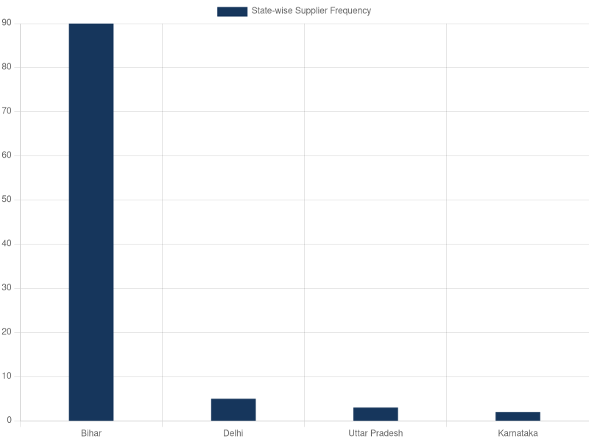
8 | 10BOEPS9846F1ZS | 3096.58 | 61931 | 0.10% | Irregular | 4
9 | 10AAACP0165G4Z1 | 6367.46 | 35368.76 | 0.07% | Regular | 22
10 | 10ADVFS6328M1ZI | 1202.5 | 24050 | 0.04% | Irregular | 2
11 | 09AAACO4007A1Z3 | 1681.28 | 9340.44 | 0.02% | Irregular | 8
12 | 07AAACP0165G3ZP | 842.22 | 4679 | 0.01% | Irregular | 9
13 | 09AALCP4925F1Z6 | 441 | 2450 | 0.00% | Irregular | 1
14 | 29AACCF1132H2ZX | 102.35 | 568.65 | 0.00% | Irregular | 6
15 | 07AAACP0165G1ZR | 73.68 | 409.32 | 0.00% | Irregular | 3
*The transaction highlighted in pink denotes details regarding Imports from SEZ only.Imports from Goods are not mentioned due to unavailability of supplier-wise data.

