graph
t (hrs) | Pwf (psia) | m(Pwf) | m(P)-m(Pwf) | m(P') | y = 4.51E-07x4 - 1.11E-02x3 + 9.93E+01x2 - 1.90E+04x + 2.91E+06
0.001 | 7495.38 | 2188558743.6 | 15461247.37 |  | m(P) | 2204019991 | k | 0.133
0.0021 | 7490.2 | 2186702167 | 17317824.012 | 3544373.5903 |  |  | s | 8.17
0.0034 | 7484.39 | 2184619898.4 | 19400092.619 | 5445933.2792
0.0048 | 7477.87 | 2182283302.6 | 21736688.442 | 8011185.6768
0.0064 | 7470.58 | 2179670920.2 | 24349070.782 | 10449529.361
0.0082 | 7462.41 | 2176743384.1 | 27276606.867 | 13336553.277
0.0103 | 7453.27 | 2173468506.1 | 30551484.933 | 16062497.178
0.0125 | 7443.05 | 2169806944.1 | 34213046.896 | 20804329.338
0.0151 | 7431.62 | 2165712205.3 | 38307785.7 | 23780983.054
0.018 | 7418.85 | 2161137812 | 42882179.025 | 28392786.156
0.0212 | 7404.6 | 2156033718.3 | 47986272.698 | 33814620.581
0.0249 | 7388.7 | 2150339145.9 | 53680845.1 | 38322933.197
0.029 | 7371 | 2144000488.2 | 60019502.8 | 44834408.115
0.0336 | 7351.3 | 2136946233.7 | 67073757.251 | 51526728.164
0.0388 | 7329.4 | 2129104863 | 74915127.985 | 58508689.326
Analyze the gas-well drawdown test data.
Reservoir rock and fluid properties are as below:
q = 2000 Mscf/d
Pi = 7500 psia
Gas gravity, γg = 0.725
Porosity = 0.085
Formation thickness = 150 ft
Sw = 40 %
Cf = 4*10⁻⁰⁶ psi⁻¹
Cgi = 61.6*10⁻⁰⁶ psi⁻¹
Cw = 2.4*10⁻⁰⁶ psi⁻¹
Cti = 41.9*10⁻⁰⁶ psi⁻¹
µgi= 0.0344 cp
Bgi= 0.556 RB/Mscf
Formation Temperature , Tf = 225 º F
Pai = 6105.8 psia
Wellbore radius = 0.325 ft
0.0447 | 7305.09 | 2120401249.3 | 83618741.723 | 65940937.984
0.0513 | 7278.16 | 2110760213.4 | 93259777.631 | 74937142.737
0.0587 | 7248.35 | 2100088588.9 | 103931402.08 | 84651939.865
0.067 | 7215.45 | 2088310974.6 | 115709016.4 | 95072308.369
0.0764 | 7179.19 | 2075330292.7 | 128689698.33 | 105502563.79
0.0869 | 7139.33 | 2061059928.8 | 142960062.25 | 118104249.96
0.0988 | 7095.63 | 2045412896.4 | 158607094.6 | 129909814.83
0.1121 | 7047.87 | 2028308887 | 175711103.97 | 144162364.67
0.1271 | 6995.82 | 2009663401.9 | 194356589.14 | 157989411.03
0.144 | 6939.31 | 1989412694.8 | 214607296.16 | 172550402.97
0.163 | 6878.21 | 1967506503.7 | 236513487.33 | 187932061.09
0.1844 | 6812.43 | 1943907965.6 | 260112025.44 | 203344412.51
0.209 | 6741.98 | 1918615121.6 | 285404869.4 | 214886357.26
0.236 | 6666.92 | 1891643053.2 | 312376937.82 | 235755857.29
0.266 | 6587.44 | 1863052804.7 | 340967186.28 | 253500202.99
0.3 | 6503.83 | 1832940972.4 | 371079018.6 | 265692638.1
0.339 | 6416.52 | 1801454615.7 | 402565375.34 | 273689100.93
0.382 | 6326.08 | 1768791954.6 | 435228036.41 | 290165965.81
0.431 | 6233.22 | 1735203163.6 | 468816827.37 | 295444263.34
0.486 | 6138.8 | 1700994817.9 | 503025173.06 | 302277381.88
0.547 | 6043.79 | 1666516153.3 | 537503837.73 | 309177533.96
0.617 | 5949.29 | 1632166849 | 571853141.99 | 302764581.84
0.695 | 5856.46 | 1598371843.2 | 605648147.75 | 301122166.78
0.783 | 5766.46 | 1565559270.3 | 638460720.65 | 291957324.75
0.882 | 5680.44 | 1534156220.3 | 669863770.75 | 279772628.15
0.993 | 5599.43 | 1504547729.4 | 699472261.61 | 264875958.83
1.118 | 5524.28 | 1477053779.9 | 726966211.07 | 245905883.93
1.259 | 5455.61 | 1451909997.1 | 752109993.89 | 224510798.39
1.417 | 5393.78 | 1429255876.2 | 774764114.77 | 203170185.32
1.595 | 5338.82 | 1409108639.1 | 794911351.9 | 180532827.08
1.795 | 5290.49 | 1391385027.8 | 812634963.25 | 159069411.91
2.02 | 5248.3 | 1375908716.6 | 828111274.41 | 138942882.42
2.28 | 5211.55 | 1362425199.8 | 841594791.25 | 118240070.71
2.56 | 5179.43 | 1350638749.6 | 853381241.4 | 107761830.01
2.88 | 5151.13 | 1340253043.6 | 863766947.45 | 93471354.395
3.24 | 5125.85 | 1330975044.4 | 873044946.61 | 83501992.422
3.65 | 5102.9 | 1322551849.1 | 881468141.91 | 74986982.583
4.11 | 5081.7 | 1314770789.5 | 889249201.51 | 69522075.984
4.62 | 5061.82 | 1307474174.9 | 896545816.06 | 66098743.569
5.2 | 5042.93 | 1300540976.3 | 903479014.69 | 62159711.888
5.85 | 5024.8 | 1293886845.2 | 910133145.79 | 59887179.85
6.58 | 5007.25 | 1287445772.9 | 916574218.14 | 58057885.024
7.4 | 4990.18 | 1281181105.4 | 922838885.63 | 56534804.208
8.33 | 4973.5 | 1275059854.9 | 928960136.06 | 54827974.242
9.37 | 4957.15 | 1269060041.4 | 934959949.57 | 54056012.171
10.55 | 4941.06 | 1263156014.6 | 940863976.41 | 52786002.598
11.86 | 4925.2 | 1257336802.4 | 946683188.61 | 52683860.158
13.35 | 4909.54 | 1251591432.2 | 952428558.76 | 51476974.08
15.02 | 4894.05 | 1245908932.1 | 958111058.93 | 51108474.614
16.9 | 4878.7 | 1240278331.1 | 963741659.88 | 50615508.533
19.01 | 4863.48 | 1234695996 | 969323994.97 | 50293928.998
21.39 | 4848.36 | 1229150958.9 | 974869032.14 | 49835439.043
24.06 | 4833.35 | 1223646922.1 | 980373068.9 | 49598174.004
27.07 | 4818.41 | 1218169254 | 985850737.02 | 49262616.591
30.45 | 4803.55 | 1212721657.9 | 991298333.06 | 49076715.786
34.26 | 4788.75 | 1207296839 | 996723151.96 | 48780654.952
38.55 | 4774.01 | 1201894835.1 | 1002125155.9 | 48542482.761
43.37 | 4759.32 | 1196512019.4 | 1007507971.6 | 48434173.425
48.79 | 4744.67 | 1191144767.2 | 1012875223.8 | 48315172.942
54.89 | 4730.06 | 1185793118.4 | 1018226872.6 | 48156065.602
61.75 | 4715.48 | 1180453451 | 1023566540 | 48064790.614
69.47 | 4700.93 | 1175125806.6 | 1028894184.4 | 47941898.378
72 | 4696.52 | 1173511247.8 | 1030508743.2 | 45947920.647

m(p) cal
Pressure | Z | ρ (density) (g/cc) | µg | Bg (RB/Mscf) | dz/dp | Cg | 2P/µz | avg(2P/µz) | del P | area of strip | m(P)_
0 | 1.001 | 0 | 0.013704843646
14.7 | 0.99968891359 | 0.00067387714082 | 0.013708034994 | 234.67429128 | -8.9189551766E-05 | 0.06811642819 | 2145.3949308 | 1072.6974654 | 14.7 | 15768.652741 | 15768.652741
100 | 0.9921836593 | 0.0046188748546 | 0.013749498531 | 34.238130586 | -8.7986568394E-05 | 0.010088679719 | 14660.57711 | 8402.9860204 | 85.3 | 716774.70754 | 732543.36028
200 | 0.98362341952 | 0.0093181436395 | 0.013821947347 | 16.971367533 | -8.560239785E-05 | 0.0050870276126 | 29421.302587 | 22040.939848 | 100 | 2204093.9848 | 2936637.3451
m(P) vs P
300 | 0.97534300293 | 0.0140958785 | 0.013911978817 | 11.218998549 | -8.280416585E-05 | 0.0034182308162 | 44218.598132 | 36819.950359 | 100 | 3681995.0359 | 6618632.381
400 | 0.9673642368 | 0.018949520691 | 0.01401668766 | 8.3454163837 | -7.978766135E-05 | 0.0025824794409 | 59000.346681 | 51609.472406 | 100 | 5160947.2406 | 11779579.622
500 | 0.95970710312 | 0.02387588953 | 0.014134635036 | 6.6234868541 | -7.657133675E-05 | 0.0020797861519 | 73718.534258 | 66359.44047 | 100 | 6635944.047 | 18415523.669
600 | 0.95238978848 | 0.028871196713 | 0.014264978929 | 5.4774882387 | -7.317314645E-05 | 0.0017434977576 | 88327.386689 | 81022.960474 | 100 | 8102296.0474 | 26517819.716
700 | 0.94542873379 | 0.03393106634 | 0.01440717669 | 4.6606740517 | -6.961054685E-05 | 0.0015021999786 | 102782.77902 | 95555.082856 | 100 | 9555508.2856 | 36073328.002
800 | 0.93883868416 | 0.039050560932 | 0.014560851165 | 4.0496637349 | -6.590049635E-05 | 0.0013201936312 | 117042.13731 | 109912.45817 | 100 | 10991245.817 | 47064573.818
900 | 0.93263273862 | 0.044224213549 | 0.014725719983 | 3.5759062229 | -6.205945535E-05 | 0.0011776533338 | 131064.57108 | 124053.3542 | 100 | 12405335.42 | 59469909.238
1000 | 0.9268224 | 0.04944606599 | 0.01490155391 | 3.1982653679 | -5.810338625E-05 | 0.0010626909603 | 144811.12111 | 137937.8461 | 100 | 13793784.61 | 73263693.848
1100 | 0.92141762465 | 0.054709712901 | 0.015088150299 | 2.8905587701 | -5.404775345E-05 | 0.00096774808256 | 158245.06102 | 151528.09107 | 100 | 15152809.107 | 88416502.955
1200 | 0.91642687232 | 0.060008351482 | 0.015285315136 | 2.6353271925 | -4.990752335E-05 | 0.00088779215035 | 171332.21489 | 164788.63795 | 100 | 16478863.795 | 104895366.75
1300 | 0.91185715588 | 0.065334836309 | 0.015492850385 | 2.4204796303 | -4.569716435E-05 | 0.00081934515837 | 184041.26531 | 177686.7401 | 100 | 17768674.01 | 122664040.76
1400 | 0.9077140912 | 0.07068173866 | 0.015710544825 | 2.2373762083 | -4.143064685E-05 | 0.00075992855188 | 196344.03318 | 190192.64925 | 100 | 19019264.925 | 141683305.68
1500 | 0.90400194687 | 0.076041409606 | 0.015938167353 | 2.0796779183 | -3.712144325E-05 | 0.00070773012165 | 208215.71579 | 202279.87449 | 100 | 20227987.449 | 161911293.13
1600 | 0.90072369408 | 0.081406046009 | 0.016175462155 | 1.9426277063 | -3.278252795E-05 | 0.00066139576506 | 219635.07319 | 213925.39449 | 100 | 21392539.449 | 183303832.58
1700 | 0.89788105634 | 0.086767758476 | 0.016422145342 | 1.8225852922 | -2.842637735E-05 | 0.00061989469616 | 230584.55643 | 225109.81481 | 100 | 22510981.481 | 205814814.06
1800 | 0.89547455936 | 0.092118640256 | 0.01667790283 | 1.7167170509 | -2.406496985E-05 | 0.00058242954053 | 241050.37398 | 235817.46521 | 100 | 23581746.521 | 229396560.58
1900 | 0.89350358077 | 0.097450836036 | 0.016942389309 | 1.6227838248 | -1.970978585E-05 | 0.00054837477869 | 251022.49531 | 246036.43464 | 100 | 24603643.464 | 254000204.05
2000 | 0.8919664 | 0.10275660956 | 0.017215228156 | 1.538992393 | -1.537180775E-05 | 0.00051723361749 | 260494.59316 | 255758.54424 | 100 | 25575854.424 | 279576058.47
2100 | 0.890860248 | 0.10802840903 | 0.017496012238 | 1.4638893774 | -1.106151995E-05 | 0.0004886071487 | 269463.92806 | 264979.26061 | 100 | 26497926.061 | 306073984.53
2200 | 0.89018135712 | 0.11325892933 | 0.017784305503 | 1.3962840844 | -6.78890885E-06 | 0.00046217188796 | 277931.1802 | 273697.55413 | 100 | 27369755.413 | 333443739.95
2300 | 0.88992501083 | 0.11844117008 | 0.018079645292 | 1.3351914738 | -2.56346285E-06 | 0.00043766314674 | 285900.23572 | 281915.70796 | 100 | 28191570.796 | 361635310.74
2400 | 0.8900855936 | 0.12356848882 | 0.018381545288 | 1.279789386 | 1.60582765E-06 | 0.00041486253944 | 293377.93471 | 289639.08521 | 100 | 28963908.521 | 390599219.26
2500 | 0.89065664062 | 0.12863464847 | 0.01868949903 | 1.2293860349 | 5.71047025E-06 | 0.00039358847171 | 300373.78957 | 296875.86214 | 100 | 29687586.214 | 420286805.48
2600 | 0.89163088768 | 0.13363385867 | 0.019002983894 | 1.1833950019 | 9.74247055E-06 | 0.00037368881098 | 306899.68209 | 303636.73583 | 100 | 30363673.583 | 450650479.06
2700 | 0.89300032089 | 0.13856081044 | 0.019321465446 | 1.1413157871 | 1.369433215E-05 | 0.0003550351775 | 312969.54772 | 309934.61491 | 100 | 30993461.491 | 481643940.55
2800 | 0.89475622656 | 0.14341070398 | 0.019644402071 | 1.1027185283 | 1.755905665E-05 | 0.00033751845428 | 318599.05496 | 315784.30134 | 100 | 31578430.134 | 513222370.68
2900 | 0.89688924092 | 0.14817926945 | 0.019971249775 | 1.0672318808 | 2.133014365E-05 | 0.00032104522527 | 323805.28736 | 321202.17116 | 100 | 32120217.116 | 545342587.8
3000 | 0.8993894 | 0.15286278074 | 0.020301467053 | 1.0345333224 | 2.500159075E-05 | 0.00030553492838 | 328606.43435 | 326205.86085 | 100 | 32620586.085 | 577963173.89
3100 | 0.90224618935 | 0.15745806243 | 0.020634519716 | 1.0043413338 | 2.856789355E-05 | 0.00029091756485 | 333021.4966 | 330813.96548 | 100 | 33081396.548 | 611044570.43
3200 | 0.90544859392 | 0.16196249014 | 0.020969885595 | 0.97640904569 | 3.202404565E-05 | 0.00027713184562 | 337070.01025 | 335045.75342 | 100 | 33504575.342 | 644549145.78
3300 | 0.90898514778 | 0.16637398475 | 0.021307059007 | 0.95051904099 | 3.536553865E-05 | 0.00026412368422 | 340771.79331 | 338920.90178 | 100 | 33892090.178 | 678441235.95
3400 | 0.912843984 | 0.17069100088 | 0.021645554923 | 0.92647907401 | 3.858836215E-05 | 0.00025184496648 | 344146.71686 | 342459.25508 | 100 | 34245925.508 | 712687161.46
3500 | 0.91701288437 | 0.17491251013 | 0.021984912746 | 0.90411852369 | 4.168900375E-05 | 0.00024025254307 | 347214.50204 | 345680.60945 | 100 | 34568060.945 | 747255222.41
3600 | 0.92147932928 | 0.17903797985 | 0.022324699656 | 0.88328543793 | 4.466444905E-05 | 0.00022930740234 | 349994.54383 | 348604.52293 | 100 | 34860452.293 | 782115674.7
3700 | 0.92623054744 | 0.18306734776 | 0.02266451346 | 0.8638440572 | 4.751218165E-05 | 0.00021897399012 | 352505.76108 | 351250.15246 | 100 | 35125015.246 | 817240689.95
3800 | 0.93125356576 | 0.18700099339 | 0.023003984922 | 0.84567272916 | 5.023018315E-05 | 0.00020921964956 | 354766.47217 | 353636.11663 | 100 | 35363611.663 | 852604301.61
3900 | 0.93653525907 | 0.19083970659 | 0.023342779555 | 0.82866214407 | 5.281693315E-05 | 0.00020001415959 | 356794.29496 | 355780.38357 | 100 | 35578038.357 | 888182339.97
4000 | 0.9420624 | 0.19458465406 | 0.023680598853 | 0.81271383502 | 5.527140925E-05 | 0.00019132935435 | 358606.06935 | 357700.18215 | 100 | 35770018.215 | 923952358.18
4100 | 0.9478217087 | 0.19823734425 | 0.024017180983 | 0.79773889743 | 5.759308705E-05 | 0.00018313880962 | 360217.80059 | 359411.93497 | 100 | 35941193.497 | 959893551.68
4200 | 0.95379990272 | 0.20179959126 | 0.024352300942 | 0.7836568917 | 5.978194015E-05 | 0.00017541758424 | 361644.62124 | 360931.21091 | 100 | 36093121.091 | 995986672.77
4300 | 0.95998374673 | 0.20527347816 | 0.024685770203 | 0.7703948988 | 6.183844015E-05 | 0.00016814200712 | 362900.7696 | 362272.69542 | 100 | 36227269.542 | 1032213942.3
4400 | 0.9663601024 | 0.20866132027 | 0.02501743588 | 0.75788670477 | 6.376355665E-05 | 0.00016128950167 | 363999.58259 | 363450.17609 | 100 | 36345017.609 | 1068558959.9
4500 | 0.97291597812 | 0.21196562871 | 0.025347179449 | 0.74607209386 | 6.555875725E-05 | 0.00015483844117 | 364953.50093 | 364476.54176 | 100 | 36447654.176 | 1105006614.1
4600 | 0.97963857888 | 0.2151890745 | 0.025674915062 | 0.73489623393 | 6.722600755E-05 | 0.0001487680294 | 365774.08467 | 365363.7928 | 100 | 36536379.28 | 1141542993.4
4700 | 0.98651535599 | 0.21833445367 | 0.026000587501 | 0.72430914029 | 6.876777115E-05 | 0.00014305820203 | 366472.0373 | 366123.06098 | 100 | 36612306.098 | 1178155299.5
4800 | 0.99353405696 | 0.22140465332 | 0.026324169799 | 0.71426520654 | 7.018700965E-05 | 0.00013768954497 | 367057.23675 | 366764.63702 | 100 | 36676463.702 | 1214831763.2
4900 | 1.0006827752 | 0.22440261905 | 0.026645660594 | 0.70472279291 | 7.148718265E-05 | 0.00013264322638 | 367538.77179 | 367298.00427 | 100 | 36729800.427 | 1251561563.6
5000 | 1.00795 | 0.22733132373 | 0.026965081227 | 0.69564386393 | 7.267224775E-05 | 0.00012790093978 | 367924.98255 | 367731.87717 | 100 | 36773187.717 | 1288334751.3
5100 | 1.0153246661 | 0.23019373775 | 0.027282472644 | 0.68699366881 | 7.374666055E-05 | 0.00012344485611 | 368223.50398 | 368074.24327 | 100 | 36807424.327 | 1325142175.6
5200 | 1.0227962035 | 0.23299280076 | 0.02759789212 | 0.67874045858 | 7.471537465E-05 | 0.00011925758282 | 368441.31131 | 368332.40765 | 100 | 36833240.765 | 1361975416.4
5300 | 1.0303545877 | 0.23573139492 | 0.027911409845 | 0.67085523541 | 7.558384165E-05 | 0.00011532212866 | 368584.76671 | 368513.03901 | 100 | 36851303.901 | 1398826720.3
5400 | 1.0379903888 | 0.23841231966 | 0.028223105391 | 0.66331152963 | 7.635801115E-05 | 0.00011162187287 | 368659.6664 | 368622.21656 | 100 | 36862221.656 | 1435688942
5500 | 1.0456948219 | 0.24103826782 | 0.028533064078 | 0.65608520118 | 7.704433075E-05 | 0.00010814053788 | 368671.28781 | 368665.47711 | 100 | 36866547.711 | 1472555489.7
5600 | 1.0534597965 | 0.24361180326 | 0.02884137327 | 0.6491542623 | 7.764974605E-05 | 0.00010486216476 | 368624.43612 | 368647.86197 | 100 | 36864786.197 | 1509420275.9
5700 | 1.0612779665 | 0.24613533973 | 0.0291481186 | 0.64249871883 | 7.818170065E-05 | 0.00010177109079 | 368523.49016 | 368573.96314 | 100 | 36857396.314 | 1546277672.2
5800 | 1.0691427802 | 0.24861112092 | 0.029453380136 | 0.63610042805 | 7.864813615E-05 | 9.8851928767E-05 | 368372.44709 | 368447.96862 | 100 | 36844796.862 | 1583122469.1
5900 | 1.0770485294 | 0.25104120175 | 0.029757228507 | 0.62994297086 | 7.905749215E-05 | 9.608954771E-05 | 368174.96591 | 368273.7065 | 100 | 36827370.65 | 1619949839.7
6000 | 1.0849904 | 0.25342743061 | 0.030059720978 | 0.62401153677 | 7.941870625E-05 | 9.3469054734E-05 | 367934.40964 | 368054.68778 | 100 | 36805468.778 | 1656755308.5
6100 | 1.0929645214 | 0.25577143264 | 0.030360897489 | 0.61829282029 | 7.974121405E-05 | 9.0975777995E-05 | 367653.88593 | 367794.14779 | 100 | 36779414.779 | 1693534723.3
6200 | 1.1009680163 | 0.25807459382 | 0.030660776648 | 0.61277492718 | 8.003494915E-05 | 8.8595250641E-05 | 367336.28626 | 367495.0861 | 100 | 36749508.61 | 1730284231.9
6300 | 1.1089990506 | 0.26033804592 | 0.030959351702 | 0.60744728983 | 8.031034315E-05 | 8.631319579E-05 | 366984.32354 | 367160.3049 | 100 | 36716030.49 | 1767000262.4
6400 | 1.1170568832 | 0.26256265222 | 0.031256586461 | 0.60230059036 | 8.057832565E-05 | 8.4115512615E-05 | 366600.56824 | 366792.44589 | 100 | 36679244.589 | 1803679506.9
6500 | 1.1251419156 | 0.26474899383 | 0.031552411204 | 0.59732669101 | 8.085032425E-05 | 8.1988263631E-05 | 366187.4829 | 366394.02557 | 100 | 36639402.557 | 1840318909.5
6600 | 1.1332557421 | 0.26689735689 | 0.031846718568 | 0.59251857073 | 8.113826455E-05 | 7.9917663378E-05 | 365747.45509 | 365967.469 | 100 | 36596746.9 | 1876915656.4
6700 | 1.1414011991 | 0.26900772019 | 0.032139359424 | 0.58787026752 | 8.145457015E-05 | 7.7890068667E-05 | 365282.8288 | 365515.14195 | 100 | 36551514.195 | 1913467170.6
6800 | 1.1495824154 | 0.27107974373 | 0.032430138776 | 0.5833768258 | 8.181216265E-05 | 7.589197063E-05 | 364795.93418 | 365039.38149 | 100 | 36503938.149 | 1949971108.7
6900 | 1.1578048615 | 0.27311275778 | 0.032718811686 | 0.57903424842 | 8.222446165E-05 | 7.3909988817E-05 | 364289.11565 | 364542.52492 | 100 | 36454252.492 | 1986425361.2
7000 | 1.1660754 | 0.2751057529 | 0.033005079276 | 0.5748394527 | 8.270538475E-05 | 7.1930867635E-05 | 363764.75825 | 364026.93695 | 100 | 36402693.695 | 2022828054.9
7100 | 1.1744023348 | 0.2770573707 | 0.033288584835 | 0.57079023032 | 8.326934755E-05 | 6.9941475389E-05 | 363225.3121 | 363495.03518 | 100 | 36349503.518 | 2059177558.5
7200 | 1.1827954611 | 0.27896589564 | 0.033568910089 | 0.56688521037 | 8.393126365E-05 | 6.7928806264E-05 | 362673.31498 | 362949.31354 | 100 | 36294931.354 | 2095472489.8
7300 | 1.1912661156 | 0.28082924793 | 0.03384557169 | 0.5631238256 | 8.470654465E-05 | 6.5879985542E-05 | 362111.41266 | 362392.36382 | 100 | 36239236.382 | 2131711726.2
7400 | 1.1998272256 | 0.28264497775 | 0.034118017998 | 0.55950628133 | 8.561110015E-05 | 6.3782278388E-05 | 361542.37701 | 361826.89484 | 100 | 36182689.484 | 2167894415.7
7500 | 1.2084933594 | 0.2844102609 | 0.034385626245 | 0.55603352683 | 8.666133775E-05 | 6.1623102509E-05 | 360969.12145 | 361255.74923 | 100 | 36125574.923 | 2204019990.6
7600 | 1.2172807757 | 0.28612189624 | 0.034647700172 | 0.55270722903 | 8.787416305E-05 | 5.9390045017E-05 | 360394.71371 | 360681.91758 | 100 | 36068191.758 | 2240088182.4
7700 | 1.2262074736 | 0.28777630501 | 0.034903468261 | 0.54952974821 | 8.926697965E-05 | 5.7070883765E-05 | 359822.38537 | 360108.54954 | 100 | 36010854.954 | 2276099037.3
7800 | 1.2352932426 | 0.2893695325 | 0.035152082669 | 0.54650411558 | 9.085768915E-05 | 5.4653613456E-05 | 359255.5381 | 359538.96173 | 100 | 35953896.173 | 2312052933.5
7900 | 1.2445597117 | 0.29089725214 | 0.035392619012 | 0.54363401259 | 9.266469115E-05 | 5.2126476738E-05 | 358697.74609 | 358976.64209 | 100 | 35897664.209 | 2347950597.7
8000 | 1.2540304 | 0.29235477259 | 0.035624077133 | 0.54092375177 | 9.470688325E-05 | 4.9478000493E-05 | 358152.7544 | 358425.25025 | 100 | 35842525.025 | 2383793122.7

solution
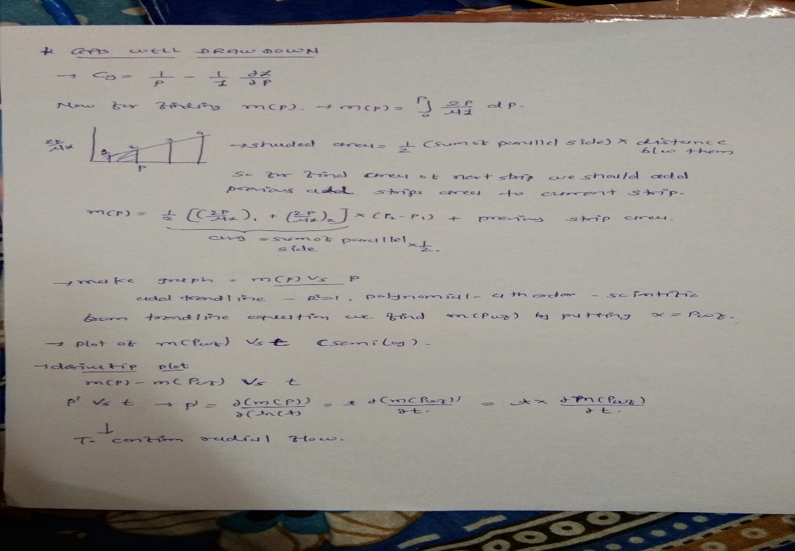

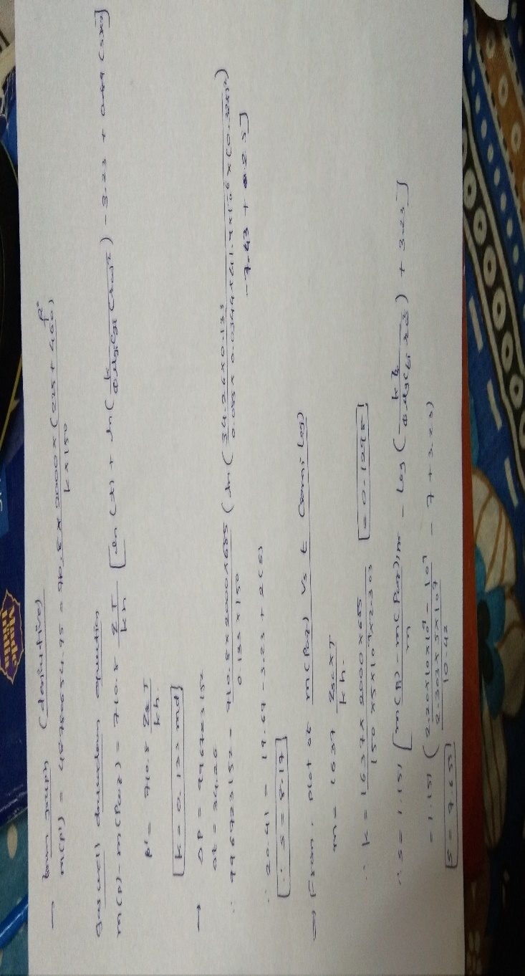

Z

