Figures
Figures and Alt Text (excludes artifacts and decorative images)
Count of figures | 22

Page Number | Figure/Image | Alt-Text | bBox (x,y,w,h) | Object Id
1 |  | <missing> | (58,777,487,114) | 1085

1 |  | <missing> | (466,124,49,40) | 1093

10 |  | <missing> | (214,788,168,51) | 3213

12 |  | <missing> | (403,742,98,20) | 3748

12 |  | <missing> | (66,521,36,38) | 3676

12 |  | <missing> | (312,272,36,38) | 3569

12 |  | <missing> | (40,47,62,10) | 3563

12 |  | <missing> | (523,63,33,28) | 3565

13 |  | <missing> | (66,790,36,38) | 3841

13 |  | <missing> | (66,605,36,38) | 3855

13 |  | <missing> | (66,519,36,38) | 3863

13 |  | <missing> | (67,346,36,38) | 3881

13 |  | <missing> | (66,293,36,38) | 3884

13 |  | <missing> | (66,143,36,38) | 3889

13 |  | <missing> | (40,47,62,10) | 3892

13 |  | <missing> | (523,63,33,28) | 3894

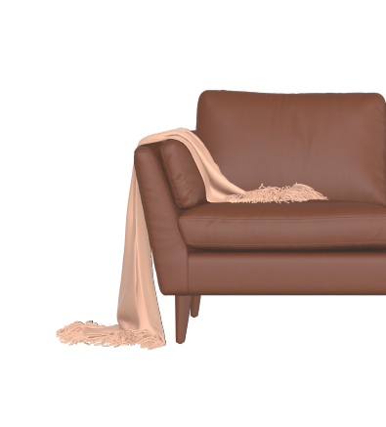
14 |  | <missing> | (199,784,395,437) | 3976

14 |  | <missing> | (40,46,61,9) | 3979

14 |  | <missing> | (516,65,41,34) | 3980

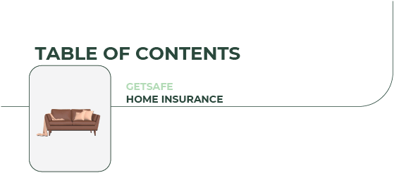
15 |  | <missing> | (0,829,560,246) | 4172

35 |  | <missing> | (325,102,230,38) | 9897

58 |  | <missing> | (440,779,101,31) | 16919

