Sheet1
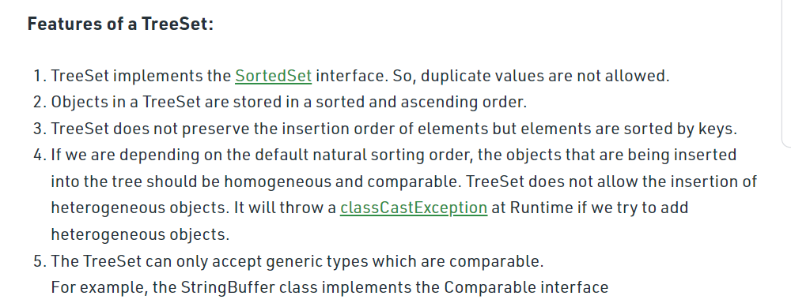
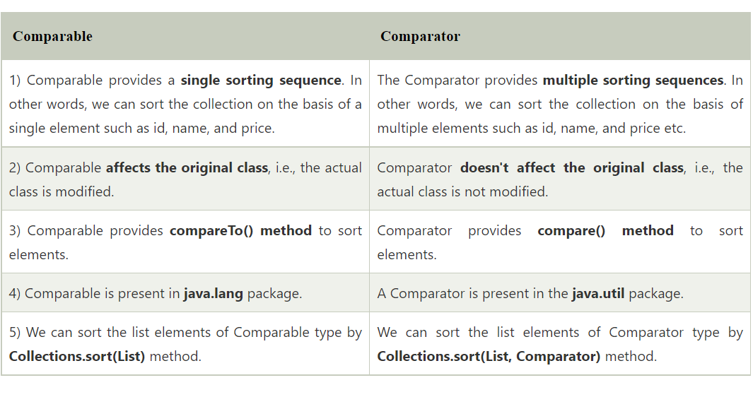
 | ArrayList
1.An ArrayList is a re-sizable array, also called a dynamic array. It grows its size to accommodate new elements and shrinks the size when the elements are removed.
2.ArrayList internally uses an array to store the elements. Just like arrays, It allows you to retrieve the elements by their index.
3.Java ArrayList allows duplicate and null values.
4.Java ArrayList is an ordered collection. It maintains the insertion order of the elements.
5.You cannot create an ArrayList of primitive types like int, char etc. You need to use boxed types like Integer, Character, Boolean etc.
6.Java ArrayList is not synchronized. If multiple threads try to modify an ArrayList at the same time, then the final outcome will be non-deterministic. You must explicitly synchronize access to an ArrayList if multiple threads are going to modify it.

 | HashSet
•HashSet cannot contain duplicate values.
•HashSet allows null value.
•HashSet is an unordered collection. It does not maintain the order in which the elements are inserted.
•HashSet internally uses a HashMap to store its elements.
•HashSet is not thread-safe. If multiple threads try to modify a HashSet at the same time, then the final outcome is not-deterministic. You must explicitly synchronize concurrent access to a HashSet in a multi-threaded environment.

 | HahMap
•A HashMap cannot contain duplicate keys.
•Java HashMap allows null values and the null key.
•HashMap is an unordered collection. It does not guarantee any specific order of the elements.
•Java HashMap is not thread-safe. You must explicitly synchronize concurrent modifications to the HashMap.

 | LinkedList
•Java LinkedList maintains the insertion order of the elements.
•LinkedList can have duplicate and null values.
•The LinkedList class implements Queue and Deque interfaces. Therefore, It can also be used as a Queue, Deque or Stack.
•Java LinkedList is not thread-safe. You must explicitly synchronize concurrent modifications to the LinkedList in a multi-threaded environment.

 | LinkedhashMap
A LinkedHashMap cannot contain duplicate keys.
LinkedHashMap can have null values and the null key.
Unlike HashMap, the iteration order of the elements in a LinkedHashMap is predictable.
Just like HashMap, LinkedHashMap is not thread-safe. You must explicitly synchronize concurrent access to a LinkedHashMap in a multi-threaded environment.

 | TreeSet

