MedicalBillingStatement_DataDri
 | ABC Medical Billing Statement

 |  |  | Statement: ABC0000001
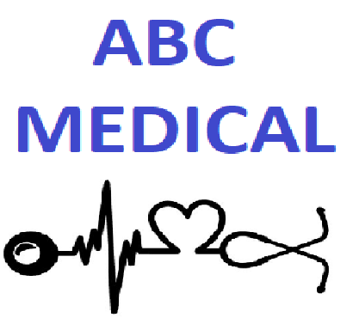

 |  |  | Customer ID: C000000001

 |  |  | MRN: 160-9-66984

 |  |  | Billing Date: |  | 07/06/20

 |  |  | Due Date: | 08/05/20
ABC Medical 1234 Get Better Blvd St Petersburg, FL 33701 Phone: 727-123-4567 Fax: 727-123-4568 Email: Billing@ABCGetBetter.com

 |  |  | Name: ALONSO AALDERINK

 |  |  | Email: ALONSO.AALDERINK@sitametfaucibus.ca

 |  |  | Address: 160 CHAR NOR MANOR Boulevard Las Vegas, NV 89101

Service Date |  | Description |  |  |  | ICD |  | Amount
2/24/2015 |  | Evaluation (simple) |  |  |  | Z04.9 |  | $110.00
2/24/2015 |  | Hospital Visit |  |  |  | Y74.0 |  | $76.00
2/24/2015 |  | Suction (level 2) |  |  |  | V97.33XA |  | $152.00
2/24/2015 |  | Percussion |  |  |  | Y93.J2 |  | $60.00
2/24/2015 |  | Vibration |  |  |  | T75.20XA |  | $38.00
2/24/2015 |  | Postural drainage |  |  |  | H04.221 |  | $38.00

 |  |  |  |  |  |  | Total Due: |  | $474.00

Information obtained by a nurse, physician or another member of your healthcare team will be recorded in your medical record and used to determine the course of treatment that should work best for you. Your physician will document his or her expectations of your healthcare team. Members of your healthcare team will then record the actions they took and their observations. In that way, the physician will know how you are responding to treatment. We will also provide your physician or a subsequent healthcare provider with copies of various reports that should assist in treating you once you are discharged from this health center. A bill may be sent to you or a third-party payer. The information on or accompanying the bill may include information that identifies you as well as your diagnosis, procedures and supplies used. Members of the medical staff, the risk or quality-improvement manager, or members of the quality-improvement team may use information in your health record to assess the care and outcomes in your case and others like it. This information will then be used in an effort to continually improve the quality and effectiveness of the services we provide. Business associates: There are some services provided in our organization through contacts with business associates. Examples include physician services in the emergency department and radiology, certain laboratory tests, and a copy service we may use when making copies of your health record. When these services are contracted, we may disclose your health information to our business associate so that they can perform the job we’ve asked them to do. To protect your health information, however, we require the business associate to appropriately safeguard your information. Notification: We may use or disclose information to notify or assist in notifying a family member, personal representative, or another person responsible for your care, your location and general condition. Research: We may disclose info

