Introduction
PHARMACEUTICAL INDUSTRY




TOPICS COVERED Name
SECTOR OVERVIEW MOHIT SISODIA (I231)
COMPANY OVERVIEW & COMPETITIORS
IS, BS, CF & NPV, COC, ROE (Ratio Analysis)
QUALITATIVE ANALYSIS (SWOT Analysis)
QUANTITATIVE ANALYSIS (PEER Comparision)
CONCLUSION

Sector Overview
 | SECTOR OVERVIEW

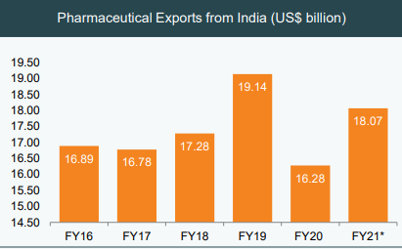
EXECUTIVE SUMMARY OF SECTOR | FLOW CHART | IMPORTANT DATA
1 Leading pharma producer - 50% of global demand for various vaccines, 40% of generic demand in the US and 25% of all medicine in UK
2 One of the highest exports - India accounts for 20% of global exports in generics. India’s pharmaceutical export stood at US$ 16.28 billion in FY20.
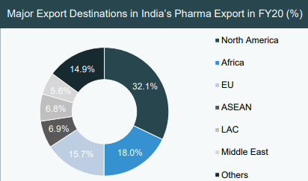
3 Among fastest-growing industries - Indian pharmaceutical sector is expected to grow at a CAGR of 22.4% in the near future and medical device market expected to grow US$ 25 billion by 2025
4 Rapidly growing healthcare sector - Indian healthcare sector, one of the fastest-growing sectors, is expected to cross US$ 372 billion by 2022
5 Robust growth in biotech industry - The Indian biotechnology industry was valued at US$ 64 billion in 2019 and is expected to reach US$ 150 billion by 2025

Company Overview
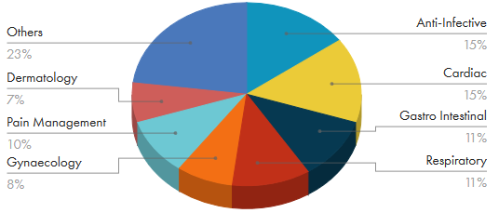
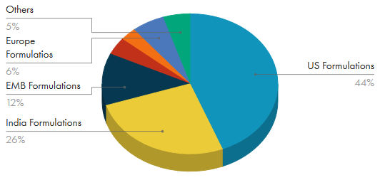
 |  | Company Overview
ABOUT COMPANY | COMPETITIORS | THERAPEUTIC AREA BREAK UP (REVENUE MIX) | PRODUCT BREAK UP (REVENUE MIX)
Cadila Healthcare operates as an integrated pharmaceutical company with business encompassing the entire value chain in the research, development, production, marketing and distribution of pharmaceutical products | 
Select a product that you want to add in the existing line of business?
We want to add COVID Vaccine in existing basket comprising 12+ vaccines
KEY POINTS
US Generic business (45% of revenues) | SUN PHARMA
Plans to file ~40 ANDA and 1 NDA per year over the next 3 years | DR. REDDY'S LAB
Spends 7-8% of revenues in R&D | CIPLA
India - 27% of revenues | AUROBINDO PHARMA
Consumer wellness - 12% of revenues | BIOCON
Animal health - 4% of revenues | TORRENT PHARMA
2nd largest animal healthcare company in India, having grown sales from 139 Cr in FY11 to 515 Cr in FY20

