Statistics
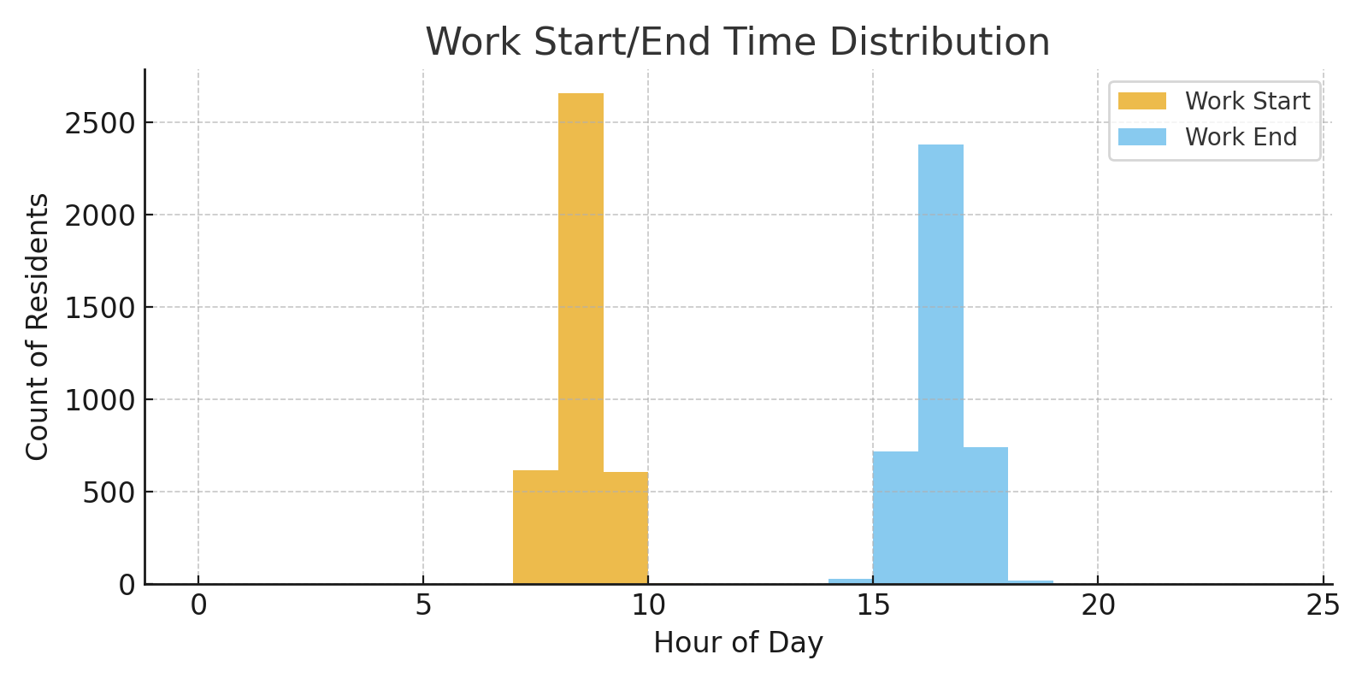
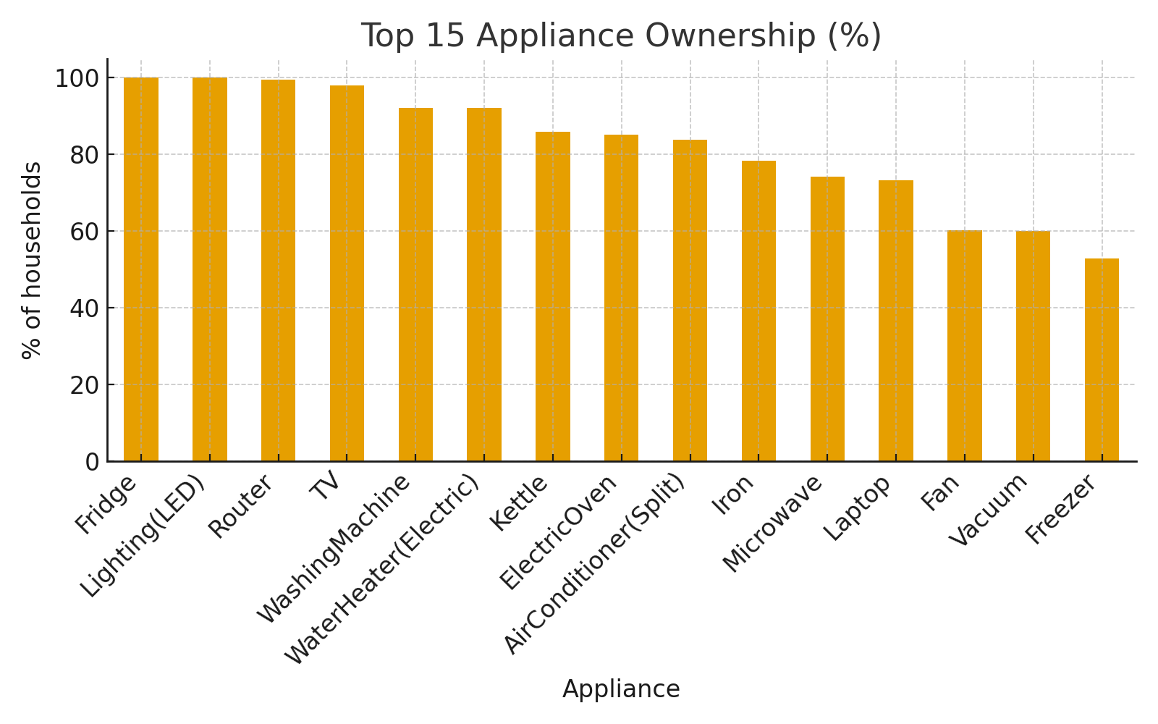
Metric | Value
Avg_Household_Size | 4.34
Avg_Floor_Area_m2 | 100.2
Avg_Rooms_Count | 3.89
Ownership_AirConditioner(Split) | 83.9
Ownership_Dishwasher | 15
Ownership_ElectricOven | 85.1
Ownership_Fan | 60.3
Ownership_Freezer | 52.8
Ownership_Fridge | 100
Ownership_Iron | 78.4
Ownership_Kettle | 85.8
Ownership_Laptop | 73.3
Ownership_Lighting(LED) | 100
Ownership_Microwave | 74.2
Ownership_Router | 99.4
Ownership_TV | 98
Ownership_Vacuum | 60.1
Ownership_WashingMachine | 92.2
Ownership_WaterHeater(Electric) | 92.1
Avg_Wake_Hour | 7.06
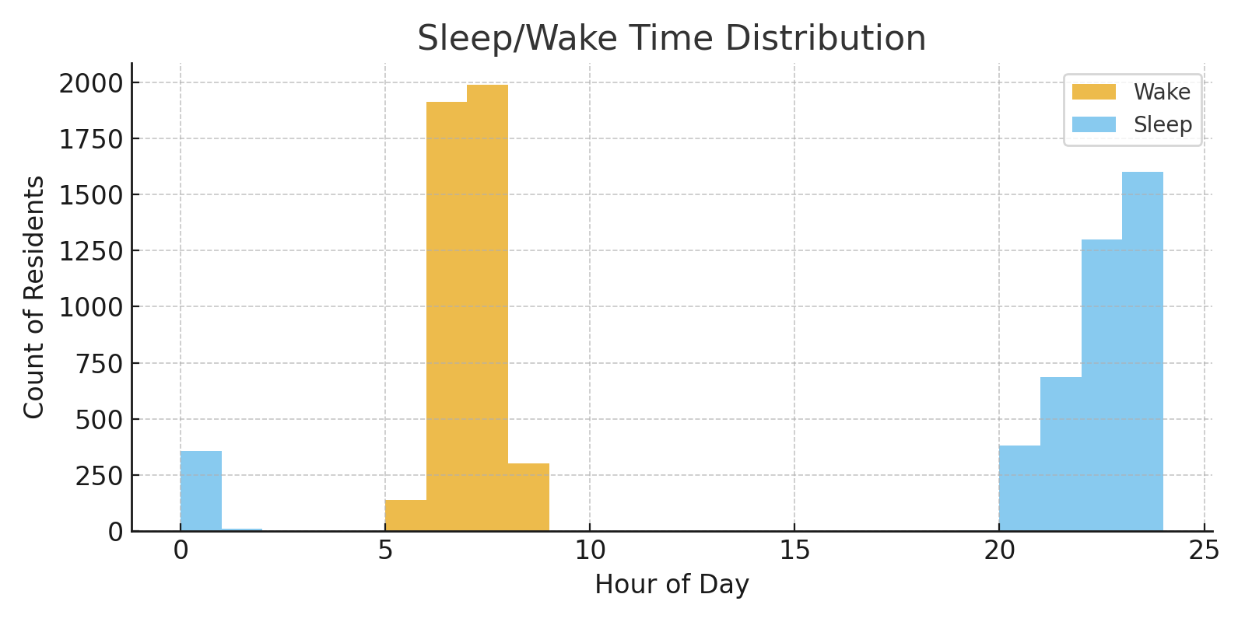
Avg_Sleep_Hour | 20.66
Avg_WorkStart_Hour | 8.38
Avg_WorkEnd_Hour | 16.38

