OOP Concept - Youtube
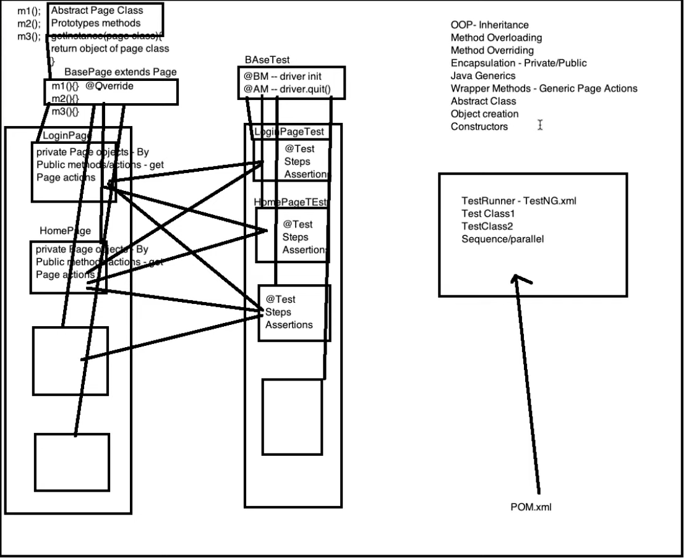

https://www.youtube.com/watch?v=g3r5KK2Acx8

