Sheet1
Algorithm | Family | Uno |  |  |  |  |  | Nano33ble |  |  |  |  |  | Nano_every |  |  |  |  |  | Nodemcuv2 |  |  |  |  |  | Chipkit_mx3
 |  | Arduino Uno Specs (Chip, Fash, Memory, MHz)
 |  | Flash |  |  | Memory |  |  | Flash |  |  | Memory |  |  | Flash |  |  | Memory |  |  | Flash |  |  | Memory |  |  | Flash |  |  | Memory
 |  | 32256 |  |  | 2048 |  |  | 983040 |  |  | 262144 |  |  | 48640 |  |  | 6144 |  |  | 1044464 |  |  | 81920 |  |  | 126976 |  |  | 16384
 |  | Encryption | Decrytion | Both | Encryption | Decrytion | Both | Encryption | Decrytion | Both | Encryption | Decrytion | Both | Encryption | Decrytion | Both | Encryption | Decrytion | Both | Encryption | Decrytion | Both | Encryption | Decrytion | Both | Encryption | Decrytion | Both | Encryption | Decrytion | Both
ace | aceae128v1 | 4708 | 4754 | 5556 | 298 | 298 | 298 | 79404 | 79420 | 79788 | 42640 | 42640 | 42640 | 5946 | 5992 | 6782 | 187 | 187 | 187 | 262084 | 262100 | 262628 | 27048 | 27048 | 27048 | 23328 | 23360 | 24124 | 6404 | 6404 | 6404
ascon | ascon128v12 | 6050 | 7120 | 9488 | 184 | 184 | 184 | 78292 | 78420 | 79700 | 42640 | 42640 | 42640 | 7266 | 8336 | 10692 | 177 | 177 | 177 | 261484 | 261708 | 263292 | 26924 | 26924 | 26924 | 14016 | 14252 | 16492 | 6392 | 6392 | 6392
comet | comet128aesv1 | 7044 | 7108 | 8974 | 1494 | 1494 | 1494 | 83324 | 83308 | 84044 | 42640 | 42640 | 42640 | 8278 | 8342 | 10196 | 187 | 187 | 187 | 266744 | 266776 | 267736 | 31320 | 31320 | 31320 | 21472 | 21512 | 22872 | 6400 | 6400 | 6400
drygascon | drygascon128aead | 6964 | 7138 | 7708 | 184 | 184 | 184 | 80040 | 80104 | 80328 | 42640 | 42640 | 42640 | 8158 | 8332 | 8866 | 177 | 177 | 177 | 262236 | 262332 | 262684 | 26968 | 26968 | 26968 | 30832 | 31020 | 31440 | 6444 | 6444 | 6444
elephant | elephant160v1 | 9170 | 9308 | 9844 | 696 | 696 | 696 | 79540 | 79604 | 79700 | 43664 | 43664 | 43664 | 10364 | 10502 | 11002 | 177 | 177 | 177 | 262896 | 262960 | 263136 | 27944 | 27944 | 27944 | 17640 | 17764 | 17992 | 7420 | 7420 | 7420
estate | estatetweaes128v1 | 6636 | 7226 | 8292 | 450 | 450 | 450 | 79012 | 79044 | 79300 | 42640 | 42640 | 42640 | 7828 | 8418 | 9424 | 177 | 177 | 177 | 262284 | 262332 | 262748 | 27196 | 27196 | 27196 | 15076 | 15184 | 15692 | 6392 | 6392 | 6392
forkae | paefforkskinnyb128t288n104v1 | 10586 | 10984 | 17976 | 648 | 904 | 904 | 80172 | 81228 | 82428 | 42640 | 42640 | 42640 | 11790 | 12152 | 19090 | 183 | 183 | 183 | 262956 | 264252 | 265740 | 27400 | 27656 | 27656 | 24248 | 26196 | 28232 | 6404 | 6404 | 6404
gift-cofb | giftcofb128v1 | 4230 | 4300 | 4674 | 224 | 224 | 224 | 78524 | 78524 | 78604 | 42640 | 42640 | 42640 | 5428 | 5498 | 5870 | 177 | 177 | 177 | 261720 | 261736 | 261864 | 26968 | 26968 | 26968 | 14492 | 14480 | 14648 | 6392 | 6392 | 6392
gimli | gimli24v1aead | 3674 | 4134 | 5220 | 184 | 184 | 184 | 77812 | 77908 | 78372 | 42640 | 42640 | 42640 | 4890 | 5350 | 6424 | 177 | 177 | 177 | 260784 | 260928 | 261472 | 26920 | 26920 | 26920 | 13076 | 13340 | 14124 | 6392 | 6392 | 6392
grain128aead | grain128aead | 9436 | 8064 | 13350 | 203 | 203 | 203 | 78820 | 78756 | 79428 | 42648 | 42648 | 42648 | 10673 | 9301 | 14563 | 188 | 188 | 188 | 262224 | 262048 | 263104 | 26920 | 26920 | 26920 | 18456 | 18428 | 19696 | 6404 | 6404 | 6404
hyena | hyenav1 | 6874 | 6794 | 8774 | 390 | 390 | 390 | 79228 | 79244 | 79500 | 42640 | 42640 | 42640 | 8078 | 8016 | 9930 | 177 | 177 | 177 | 262744 | 262776 | 263256 | 27128 | 27128 | 27128 | 15772 | 15788 | 16308 | 6392 | 6392 | 6392
isap | isapk128av20 | 4848 | 5228 | 5484 | 298 | 298 | 298 | 80000 | 80048 | 80144 | 42640 | 42640 | 42640 | 6042 | 6422 | 6630 | 177 | 177 | 177 | 262384 | 262448 | 262624 | 27160 | 27160 | 27160 | 30744 | 30844 | 31100 | 6444 | 6444 | 6444
knot | knot128v1aead | 4072 | 4236 | 5470 | 248 | 248 | 248 | 78004 | 78020 | 78564 | 42704 | 42704 | 42704 | 5300 | 5464 | 6668 | 241 | 241 | 241 | 261040 | 261088 | 261712 | 26984 | 26984 | 26984 | 13496 | 13600 | 14528 | 6456 | 6456 | 6456
lotus-locus | twegift64lotusaeadv1 |  |  |  |  |  |  | 79548 | 79548 | 80588 | 42640 | 42640 | 42640 |  |  |  |  |  |  | 263108 | 263124 | 264548 | 27068 | 27068 | 27068 | 16156 | 16224 | 18132 | 6392 | 6392 | 6392
mixfeed | mixfeed | 5380 | 5494 | 5840 | 452 | 452 | 452 | 79028 | 78996 | 79348 | 42904 | 42904 | 42904 | 6593 | 6707 | 7019 | 177 | 177 | 177 | 262180 | 262196 | 262596 | 27188 | 27188 | 27188 | 15012 | 15084 | 15608 | 6660 | 6660 | 6660
orange | orangezestv1 | 6230 | 6084 | 6350 | 360 | 360 | 360 | 79428 | 79444 | 79812 | 42656 | 42656 | 42656 | 7450 | 7306 | 7548 | 177 | 177 | 177 | 262992 | 262976 | 263472 | 27096 | 27096 | 27096 | 16200 | 16260 | 16944 | 6408 | 6408 | 6408
oribatida | oribatida256v12 | 8820 | 9758 | 11976 | 690 | 690 | 690 | 79764 | 80036 | 80772 | 42640 | 42640 | 42640 | 9960 | 10922 | 13074 | 187 | 187 | 187 | 263232 | 263568 | 264496 | 27416 | 27416 | 27416 | 19284 | 19752 | 21160 | 6400 | 6400 | 6400
photon-beetle | photonbeetleaead128rate128v1 | 3876 | 4980 | 5718 | 360 | 370 | 370 | 79832 | 79944 | 80248 | 42656 | 42656 | 42656 | 5108 | 6214 | 6920 | 177 | 187 | 187 | 267400 | 267560 | 267960 | 27156 | 27156 | 27156 | 49732 | 50000 | 50504 | 6528 | 6528 | 6528
pyjamask | pyjamask128aeadv1 | 4792 | 5120 | 5612 | 184 | 184 | 184 | 78796 | 78796 | 78876 | 42640 | 42640 | 42640 | 6038 | 6354 | 6846 | 177 | 177 | 177 | 262148 | 262148 | 262292 | 26924 | 26924 | 26924 | 14724 | 14712 | 14880 | 6392 | 6392 | 6392
romulus | romulusn1v12 | 5156 | 5230 | 6446 | 534 | 534 | 534 | 79740 | 79756 | 80380 | 42712 | 42712 | 42712 | 6366 | 6440 | 7632 | 177 | 177 | 177 | 263284 | 263284 | 264260 | 27364 | 27364 | 27364 | 16516 | 16552 | 17924 | 6468 | 6468 | 6468
saeaes | saeaes128a64t128v1 | 14566 | 14976 | 15340 | 4324 | 4324 | 4324 | 84084 | 84164 | 84436 | 42640 | 42640 | 42640 | 15812 | 16222 | 16572 | 177 | 177 | 177 | 267120 | 267200 | 267616 | 31064 | 31064 | 31064 | 20892 | 21032 | 21576 | 6392 | 6392 | 6392
saturnin | saturninctrcascadev2 | 4650 | 4716 | 5170 | 184 | 184 | 184 | 78764 | 78796 | 79036 | 42640 | 42640 | 42640 | 5872 | 5938 | 6368 | 177 | 177 | 177 | 261944 | 262008 | 262296 | 26936 | 26936 | 26936 | 14672 | 14756 | 15116 | 6392 | 6392 | 6392
skinny | skinnyaeadtk3128128v1 | 7022 | 9080 | 12730 | 534 | 822 | 822 | 79348 | 80900 | 81620 | 42640 | 42640 | 42640 | 8268 | 10314 | 13952 | 177 | 177 | 177 | 262580 | 264116 | 265076 | 27372 | 27676 | 27676 | 15464 | 17652 | 18916 | 6392 | 6392 | 6392
sparkle | schwaemm256128v2 | 4832 | 5066 | 6318 | 216 | 216 | 216 | 79648 | 79760 | 80240 | 42640 | 42640 | 42640 | 6054 | 6288 | 7504 | 177 | 177 | 177 | 261520 | 261664 | 262288 | 26968 | 26968 | 26968 | 30020 | 30216 | 31152 | 6444 | 6444 | 6444
spix | spix128v1 | 5170 | 5260 | 6082 | 274 | 274 | 274 | 79700 | 79716 | 80084 | 42640 | 42640 | 42640 | 6396 | 6486 | 7296 | 187 | 187 | 187 | 262444 | 262476 | 262988 | 27032 | 27032 | 27032 | 23896 | 23928 | 24692 | 6404 | 6404 | 6404
spoc | spoc64sliscplight192v1 | 4344 | 4410 | 5334 | 282 | 282 | 282 | 79172 | 79204 | 79588 | 42640 | 42640 | 42640 | 5588 | 5654 | 6566 | 187 | 187 | 187 | 261856 | 261872 | 262416 | 27052 | 27052 | 27052 | 23056 | 23092 | 23916 | 6404 | 6404 | 6404
spook | spook128su512v1 | 5844 | 7666 | 8214 | 376 | 376 | 376 | 78724 | 79188 | 79412 | 42640 | 42640 | 42640 | 7002 | 8824 | 9336 | 177 | 177 | 177 | 261952 | 262496 | 262880 | 27112 | 27112 | 27112 | 14960 | 15788 | 16300 | 6392 | 6392 | 6392
subterranean | subterraneanv1aead | 5338 | 6056 | 7792 | 828 | 828 | 828 | 79748 | 79860 | 80356 | 42640 | 42640 | 42640 | 6554 | 7272 | 8966 | 177 | 177 | 177 | 263004 | 263196 | 263916 | 28220 | 28220 | 28220 | 15536 | 15848 | 16796 | 6392 | 6392 | 6392
sundae-gift | sundaegift96v1 | 5456 | 6466 | 6772 | 234 | 234 | 234 | 78444 | 78780 | 78876 | 42640 | 42640 | 42640 | 6672 | 7682 | 7964 | 187 | 187 | 187 | 261704 | 262168 | 262360 | 26968 | 26968 | 26968 | 16040 | 16736 | 16960 | 6400 | 6400 | 6400
tinyjambu | tinyjambu128 | 2844 | 2980 | 3918 | 184 | 184 | 184 | 77620 | 77684 | 77988 | 42640 | 42640 | 42640 | 4102 | 4238 | 5152 | 177 | 177 | 177 | 260688 | 260720 | 261152 | 26920 | 26920 | 26920 | 12812 | 12868 | 13472 | 6392 | 6392 | 6392
wage | wageae128v1 | 7650 | 7882 | 8534 | 810 | 810 | 810 | 81052 | 81164 | 81692 | 42640 | 42640 | 42640 | 8872 | 9104 | 9720 | 187 | 187 | 187 | 264008 | 264120 | 264824 | 27564 | 27564 | 27564 | 25436 | 25632 | 26620 | 6404 | 6404 | 6404
xoodyak | xoodyakv1aead

 |  | ATmega328P |  |  |  |  |  | nRF52840 |  |  |  |  |  | ATMega4809 |  |  |  |  |  |  |  |  |  |  |  | PIC32MX320F128H
 |  |  |  |  |  |  |  |  |  |  |  |  |  |  |  |  |  |  |  |  |  |  |  |  |  | a member of the 32-bit PIC32 microcontroller family

 |  |  |  | Oscillator |  |  |  |  |  | Oscillator |  |  |  |  |  | Oscillator |  |  |  |  |  | Oscillator |  |  |  |  |  | Oscillator | 8 MHz
 |  |  |  | CPU Clock | 16 MHz |  |  |  |  | CPU Clock | 64MHz |  |  |  |  | CPU Clock | 20MHz |  |  |  |  | CPU Clock |  |  |  |  |  | CPU Clock | 80 MHz
 |  |  |  | RAM | 2 KB |  |  |  |  | RAM | 256KB (nRF52840) |  |  |  |  | RAM | 6KB |  |  |  |  | RAM |  |  |  |  |  | RAM | 16KB
 |  |  |  | Flash | 32 KB |  |  |  |  | Flash | 1MB (nRF52840) |  |  |  |  | Flash | 48KB |  |  |  |  | Flash |  |  |  |  |  | Flash | 128KB

 |  | https://store.arduino.cc/usa/arduino-uno-rev3 |  |  |  |  |  | https://store.arduino.cc/usa/nano-33-ble |  |  |  |  |  | https://store.arduino.cc/usa/nano-every-pack |  |  |  |  |  |  |  |  |  |  |  | https://reference.digilentinc.com/reference/microprocessor/mx3/start
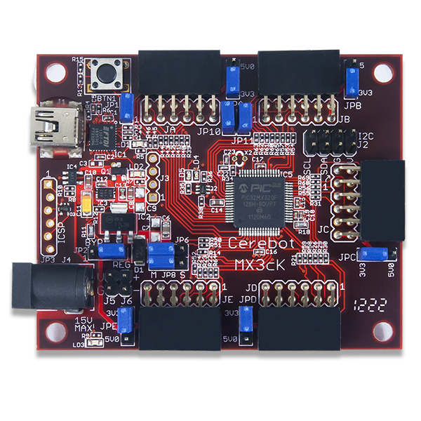
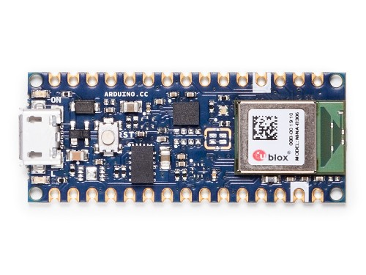
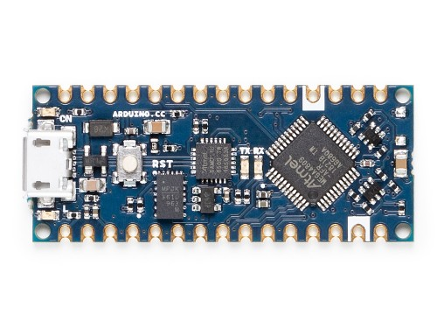
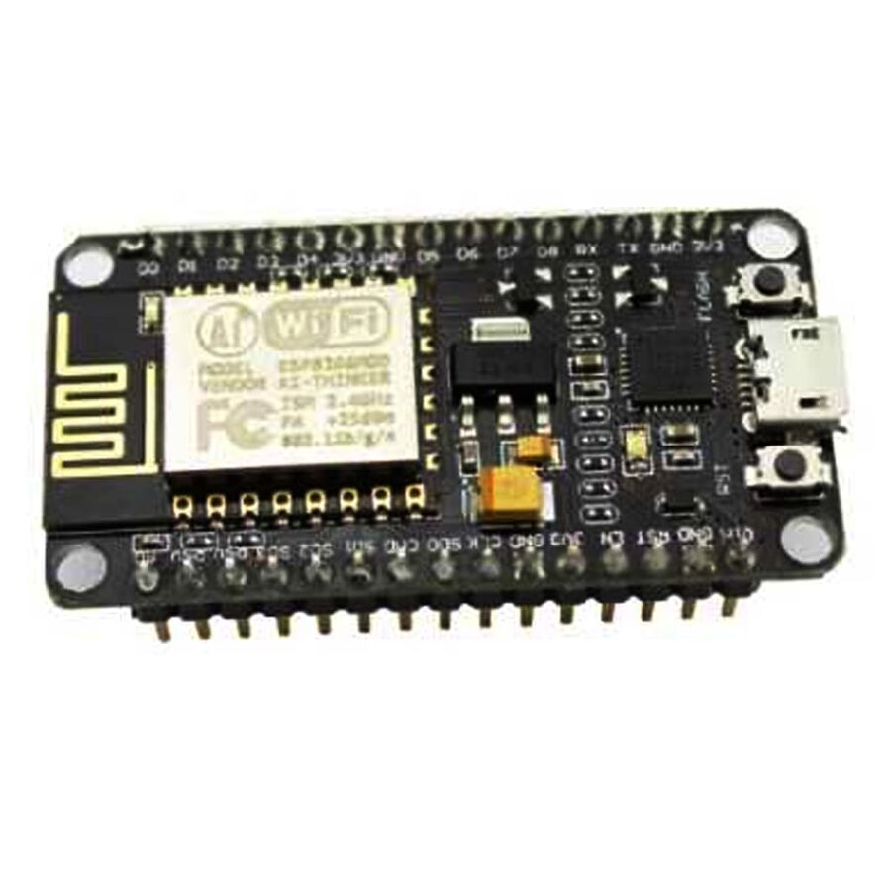
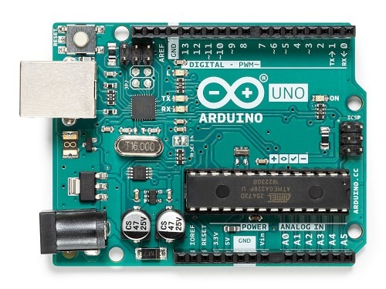

Algorithm | Family | Uno |  |  |  |  |  |  |  | Nano33ble |  |  |  |  |  |  |  | Nano_every |  |  |  |  |  |  |  | Nodemcuv2 |  |  |  |  |  |  |  | Chipkit_mx3
 |  | Arduino Uno Specs (Chip, Fash, Memory, MHz)
 |  | Flash |  |  |  | Memory |  |  |  | Flash |  |  |  | Memory |  |  |  | Flash |  |  |  | Memory |  |  |  | Flash |  |  |  | Memory |  |  |  | Flash |  |  |  | Memory
 |  | 32256 |  |  |  | 2048 |  |  |  | 983040 |  |  |  | 262144 |  |  |  | 48640 |  |  |  | 6144 |  |  |  | 1044464 |  |  |  | 81920 |  |  |  | 126976 |  |  |  | 16384
 |  | os | o1 | o2 | o3 | os | o1 | o2 | o3 | os | o1 | o2 | o3 | os | o1 | o2 | o3 | os | o1 | o2 | o3 | os | o1 | o2 | o3 | os | o1 | o2 | o3 | os | o1 | o2 | o3 | os | o1 | o2 | o3 | os | o1 | o2 | o3
ace | aceae128v1 | 5556 | 6204 | 6182 | 8292 | 298 | 338 | 298 | 298 | 79788 | 81028 | 81268 | 85236 | 42640 | 42640 | 42640 | 42640 | 6782 | 7515 | 7402 | 10844 | 187 | 193 | 187 | 187 | 262628 | 263480 | 263116 | 267271 | 27048 | 27056 | 27120 | 27120 | 24124 | 24688 | 24480 | 21184 | 6404 | 6404 | 6404 | 6404
ascon | ascon128v12 | 9488 |  |  |  | 184 |  |  |  | 79700 | 111636 | 118276 | 122316 | 42640 | 42640 | 42640 | 42640 | 10692 |  |  |  | 177 |  |  |  | 263292 | 298836 | 325324 | 327783 | 26924 | 26916 | 26980 | 26980 | 16492 | 56892 | 77812 | 78836 | 6392 | 6392 | 6392 | 6392
comet | comet128aesv1 | 8974 | 8864 | 8932 | 17108 | 1494 | 1494 | 1494 | 1474 | 84044 | 85236 | 85236 | 91012 | 42640 | 42640 | 42640 | 42640 | 10196 | 10188 | 10152 | 19654 | 187 | 187 | 187 | 187 | 267736 | 268688 | 268376 | 271523 | 31320 | 31312 | 31376 | 31376 | 22872 | 23752 | 23372 | 32060 | 6400 | 6400 | 6400 | 6400
drygascon | drygascon128aead | 7708 | 8590 | 10022 | 17500 | 184 | 184 | 184 | 184 | 80328 | 81696 | 81448 | 86488 | 42640 | 42640 | 42640 | 42640 | 8866 | 9848 | 11218 | 20034 | 177 | 177 | 177 | 177 | 262684 | 263776 | 263120 | 267803 | 26968 | 26964 | 27028 | 27028 | 31440 | 32768 | 32028 | 36132 | 6444 | 6444 | 6444 | 6444
elephant | elephant160v1 | 9844 | 10344 | 10306 | 10866 | 696 | 696 | 696 | 696 | 79700 | 80812 | 81132 | 84028 | 43664 | 43664 | 43664 | 43664 | 11002 | 11656 | 11514 | 13400 | 177 | 177 | 177 | 177 | 263136 | 263928 | 263712 | 267067 | 27944 | 27936 | 28000 | 28000 | 17992 | 18700 | 18852 | 20288 | 7420 | 7420 | 7420 | 7420
estate | estatetweaes128v1 | 8292 | 8380 | 8444 | 11604 | 450 | 450 | 450 | 450 | 79300 | 80412 | 80780 | 85340 | 42640 | 42640 | 42640 | 42640 | 9424 | 9644 | 9604 | 14102 | 177 | 177 | 177 | 177 | 262748 | 263624 | 263408 | 267803 | 27196 | 27184 | 27248 | 27248 | 15692 | 16584 | 16716 | 19728 | 6392 | 6392 | 6392 | 6392
forkae | paefforkskinnyb128t288n104v1 | 17976 | 18286 | 19782 |  | 904 | 904 | 904 |  | 82428 | 83676 | 83948 | 92972 | 42640 | 42640 | 42640 | 42640 | 19090 | 19506 | 20888 | 37330 | 183 | 183 | 183 | 183 | 265740 | 266688 | 266388 | 275727 | 27656 | 27648 | 27712 | 27680 | 28232 | 29072 | 28712 | 37668 | 6404 | 6404 | 6404 | 6404
gift-cofb | giftcofb128v1 | 4674 | 5070 | 5080 | 18028 | 224 | 224 | 224 | 224 | 78604 | 79748 | 80004 | 85956 | 42640 | 42640 | 42640 | 42640 | 5870 | 6370 | 6276 | 20574 | 177 | 177 | 177 | 177 | 261864 | 262672 | 262552 | 267283 | 26968 | 26960 | 27024 | 27024 | 14648 | 15088 | 15144 | 24472 | 6392 | 6392 | 6392 | 6392
gimli | gimli24v1aead | 5220 | 5158 | 5332 | 7848 | 184 | 184 | 184 | 184 | 78372 | 79404 | 79564 | 84556 | 42640 | 42640 | 42640 | 42640 | 6424 | 6494 | 6570 | 10412 | 177 | 177 | 177 | 177 | 261472 | 262360 | 262064 | 266283 | 26920 | 26912 | 26976 | 26976 | 14124 | 14804 | 14668 | 18880 | 6392 | 6392 | 6392 | 6392
grain128aead | grain128aead | 13350 | 12520 | 13600 | 14866 | 203 | 203 | 203 | 203 | 79428 | 80492 | 81100 | 88380 | 42648 | 42648 | 42648 | 42648 | 14563 | 13845 | 14809 | 17405 | 188 | 188 | 188 | 188 | 263104 | 264072 | 264064 | 267467 | 26920 | 26912 | 26976 | 26976 | 19696 | 20220 | 20724 | 23308 | 6404 | 6404 | 6404 | 6404
hyena | hyenav1 | 8774 | 8390 | 10292 | 20702 | 390 | 390 | 390 | 390 | 79500 | 80964 | 80948 | 87380 | 42640 | 42640 | 42640 | 42640 | 9930 | 9666 | 11476 | 23224 | 177 | 177 | 177 | 177 | 263256 | 264224 | 263912 | 269331 | 27128 | 27120 | 27184 | 27184 | 16308 | 17408 | 16992 | 26260 | 6392 | 6392 | 6392 | 6392
isap | isapk128av20 | 5484 | 6772 | 5720 | 8252 | 298 | 298 | 298 | 240 | 80144 | 81416 | 81336 | 84568 | 42640 | 42640 | 42640 | 42640 | 6630 | 8018 | 6874 | 10762 | 177 | 177 | 177 | 177 | 262624 | 263484 | 262964 | 265071 | 27160 | 27156 | 27220 | 27220 | 31100 | 31924 | 31736 | 32800 | 6444 | 6444 | 6444 | 6444
knot | knot128v1aead | 5470 | 5706 | 5704 | 12222 | 248 | 248 | 248 | 248 | 78564 | 79564 | 79964 | 85052 | 42704 | 42704 | 42704 | 42704 | 6668 | 7006 | 6900 | 14720 | 241 | 241 | 241 | 241 | 261712 | 262456 | 262384 | 266331 | 26984 | 26976 | 27040 | 27040 | 14528 | 14836 | 14704 | 17784 | 6456 | 6456 | 6456 | 6456
lotus-locus | twegift64lotusaeadv1 |  | 11406 | 14348 | 21678 |  | 326 | 326 | 326 | 80588 | 81844 | 82740 | 91364 | 42640 | 42640 | 42640 | 42640 |  | 12706 | 15544 | 24210 |  | 177 | 177 | 177 | 264548 | 265472 | 266056 | 274131 | 27068 | 27072 | 27136 | 27136 | 18132 | 19060 | 20072 | 31304 | 6392 | 6392 | 6392 | 6392
mixfeed | mixfeed | 5840 | 6206 | 6228 | 13770 | 452 | 452 | 452 | 452 | 79348 | 80332 | 80492 | 85788 | 42904 | 42904 | 42904 | 42904 | 7019 | 7487 | 7405 | 16315 | 177 | 177 | 177 | 177 | 262596 | 263356 | 262932 | 268527 | 27188 | 27180 | 27244 | 27244 | 15608 | 16560 | 16396 | 22420 | 6660 | 6660 | 6660 | 6660
orange | orangezestv1 | 6350 | 7478 | 7324 | 10460 | 360 | 360 | 360 | 360 | 79812 | 80988 | 81676 | 86316 | 42656 | 42656 | 42656 | 42656 | 7548 | 8766 | 8520 | 12968 | 177 | 177 | 177 | 177 | 263472 | 264424 | 263920 | 268187 | 27096 | 27088 | 27152 | 27152 | 16944 | 17708 | 17344 | 24832 | 6408 | 6408 | 6408 | 6408
oribatida | oribatida256v12 | 11976 | 12402 | 12946 | 22554 | 690 | 690 | 690 | 690 | 80772 | 81932 | 82460 | 88156 | 42640 | 42640 | 42640 | 42640 | 13074 | 13672 | 14082 | 25088 | 187 | 187 | 187 | 187 | 264496 | 265448 | 265152 | 272219 | 27416 | 27408 | 27472 | 27472 | 21160 | 21768 | 21548 | 31132 | 6400 | 6400 | 6400 | 6400
photon-beetle | photonbeetleaead128rate128v1 | 5718 | 5964 | 7550 | 9378 | 370 | 370 | 382 | 370 | 80248 | 81296 | 81472 | 87752 | 42656 | 42656 | 42656 | 42656 | 6920 | 7264 | 8733 | 11924 | 187 | 187 | 193 | 187 | 267960 | 268888 | 268432 | 271787 | 27156 | 27156 | 27220 | 27220 | 50504 | 51184 | 51184 | 55564 | 6528 | 6528 | 6528 | 6528
pyjamask | pyjamask128aeadv1 | 5612 | 5938 | 7286 | 20070 | 184 | 184 | 184 | 184 | 78876 | 79868 | 80540 | 87428 | 42640 | 42640 | 42640 | 42640 | 6846 | 7274 | 8524 | 22610 | 177 | 177 | 177 | 177 | 262292 | 263116 | 263188 | 270607 | 26924 | 26916 | 26980 | 26980 | 14880 | 15560 | 16064 | 25440 | 6392 | 6392 | 6392 | 6392
romulus | romulusn1v12 | 6446 | 7880 | 7140 | 19484 | 534 | 534 | 534 | 502 | 80380 | 82036 | 82020 | 90276 | 42712 | 42712 | 42712 | 42712 | 7632 | 9168 | 8324 | 22018 | 177 | 177 | 177 | 177 | 264260 | 265392 | 264808 | 270179 | 27364 | 27352 | 27416 | 27384 | 17924 | 19520 | 18768 | 32632 | 6468 | 6468 | 6468 | 6468
saeaes | saeaes128a64t128v1 | 15340 | 17748 | 17294 | 19250 | 4324 | 4324 | 4324 | 4324 | 84436 | 85676 | 86364 | 90124 | 42640 | 42640 | 42640 | 42640 | 16572 | 19072 | 18500 | 21784 | 177 | 177 | 177 | 177 | 267616 | 268808 | 269072 | 272731 | 31064 | 31056 | 31120 | 31120 | 21576 | 22452 | 22356 | 25356 | 6392 | 6392 | 6392 | 6392
saturnin | saturninctrcascadev2 | 5170 | 5422 | 5358 | 13332 | 184 | 184 | 184 | 184 | 79036 | 80020 | 80340 | 85028 | 42640 | 42640 | 42640 | 42640 | 6368 | 6722 | 6554 | 15866 | 177 | 177 | 177 | 177 | 262296 | 263072 | 262856 | 267795 | 26936 | 26928 | 26992 | 26992 | 15116 | 15980 | 15860 | 19700 | 6392 | 6392 | 6392 | 6392
skinny | skinnyaeadtk3128128v1 | 12730 | 12710 | 13336 | 24276 | 822 | 858 | 822 | 758 | 81620 | 82940 | 83740 | 90076 | 42640 | 42640 | 42640 | 42640 | 13952 | 14034 | 14556 | 26822 | 177 | 177 | 177 | 177 | 265076 | 266504 | 266496 | 274251 | 27676 | 27664 | 27728 | 27664 | 18916 | 20236 | 20724 | 27684 | 6392 | 6392 | 6392 | 6392
sparkle | schwaemm256128v2 | 6318 | 7368 | 6836 | 14700 | 216 | 216 | 216 | 216 | 80240 | 81496 | 81576 | 85192 | 42640 | 42640 | 42640 | 42640 | 7504 | 8644 | 8020 | 17246 | 177 | 177 | 177 | 177 | 262288 | 263304 | 262800 | 265019 | 26968 | 26960 | 27024 | 27024 | 31152 | 32120 | 31672 | 33476 | 6444 | 6444 | 6444 | 6444
spix | spix128v1 | 6082 | 6810 | 6684 | 8800 | 274 | 314 | 274 | 274 | 80084 | 81316 | 81588 | 85716 | 42640 | 42640 | 42640 | 42640 | 7296 | 8109 | 7892 | 11340 | 187 | 193 | 187 | 187 | 262988 | 263864 | 263452 | 267895 | 27032 | 27040 | 27104 | 27104 | 24692 | 25304 | 25096 | 22244 | 6404 | 6404 | 6404 | 6404
spoc | spoc64sliscplight192v1 | 5334 | 5820 | 5784 | 8230 | 282 | 322 | 282 | 274 | 79588 | 80708 | 80292 | 83804 | 42640 | 42640 | 42640 | 42640 | 6566 | 7139 | 7004 | 10788 | 187 | 193 | 187 | 187 | 262416 | 263164 | 262816 | 265891 | 27052 | 27060 | 27124 | 27108 | 23916 | 24328 | 24276 | 19504 | 6404 | 6404 | 6404 | 6404
spook | spook128su512v1 | 8214 | 8798 | 9906 | 20140 | 376 | 376 | 376 | 376 | 79412 | 80380 | 81084 | 84012 | 42640 | 42640 | 42640 | 42640 | 9336 | 10032 | 11066 | 22686 | 177 | 177 | 177 | 177 | 262880 | 263512 | 263456 | 265963 | 27112 | 27104 | 27168 | 27168 | 16300 | 16720 | 16980 | 18808 | 6392 | 6392 | 6392 | 6392
subterranean | subterraneanv1aead | 7792 | 9682 | 9310 | 12298 | 828 | 828 | 828 | 828 | 80356 | 81332 | 82372 | 86332 | 42640 | 42640 | 42640 | 42640 | 8966 | 10958 | 10482 | 14784 | 177 | 177 | 177 | 177 | 263916 | 264900 | 265100 | 267207 | 28220 | 28212 | 28276 | 28276 | 16796 | 17504 | 18088 | 19996 | 6392 | 6392 | 6392 | 6392
sundae-gift | sundaegift96v1 | 6772 | 8012 | 7422 | 16976 | 234 | 234 | 234 | 234 | 78876 | 80148 | 80676 | 88228 | 42640 | 42640 | 42640 | 42640 | 7964 | 9336 | 8642 | 19534 | 187 | 187 | 187 | 187 | 262360 | 263360 | 263176 | 271619 | 26968 | 26960 | 27024 | 27024 | 16960 | 17736 | 17524 | 27248 | 6400 | 6400 | 6400 | 6400
tinyjambu | tinyjambu128 | 3918 | 4244 | 5002 | 8364 | 184 | 184 | 184 | 184 | 77988 | 78988 | 79180 | 84940 | 42640 | 42640 | 42640 | 42640 | 5152 | 5580 | 6234 | 10922 | 177 | 177 | 177 | 177 | 261152 | 261832 | 261456 | 262971 | 26920 | 26912 | 26976 | 26976 | 13472 | 13976 | 13852 | 15188 | 6392 | 6392 | 6392 | 6392
wage | wageae128v1 | 8534 | 9834 | 9522 | 16674 | 810 | 850 | 810 | 800 | 81692 | 82820 | 83140 | 88652 | 42640 | 42640 | 42640 | 42640 | 9720 | 11121 | 10706 | 19164 | 187 | 193 | 187 | 187 | 264824 | 265596 | 265792 | 269263 | 27564 | 27572 | 27636 | 27616 | 26620 | 27328 | 27376 | 29176 | 6404 | 6404 | 6404 | 6404
xoodyak | xoodyakv1aead

