TermsOfUse
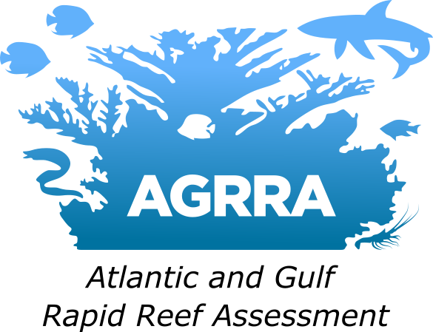
Created: 2025 Aug 8
Version 1.0

Date produced: Data in this country batch were produced in collaboration with the batch owner: Ruleo Camacho. These data products are in draft form and are under review. Prior to data use, you need to accept the Terms and Conditions in the AGRRA Data License below. In addition, permission to distribute data must follow any data agreements required by the batch owner and/or individual surveyors who submitted data prior to use.

The Atlantic and Gulf Rapid Reef Assessment (AGRRA) Program champions coral reef conservation and empowers those who protect these diverse ecosystems. We are an international collaboration of scientists, managers, and supporters aimed at improving the regional condition of reefs in the Western Atlantic and Gulf of Mexico. For 25 years, AGRRA has used an innovative regional approach to examine the condition of reef-building corals, algae and fishes and support the conservation of coral reef ecosystems. We curate and distribute data, research and educational materials that support this mission. For more information, visit www.agrra.org or email info@agrra.org.
Conditions of Use of AGRRA Data Products In order to use the AGRRA dataset, you need to accept the Terms and Conditions in the AGRRA Data License below. AGRRA Data License and Data Use Agreements By accessing and using any of the datasets distributed by AGRRA, you acknowledge that you have read, understood, and agree to comply with the terms and conditions contained within this agreement. A Data Use Agreement (DUA) must be entered into before there is any use or distribution of a data set to an outside entity. AGRRA may amend these terms and conditions at any time. Your continued use of this data constitutes acceptance of the terms and conditions stated at the time of your use. You should contact AGRRA to determine the current terms and conditions to which you are bound. Data Permissions and Proprietary Rights to Content All datasets are the property of AGRRA and/or its affiliates, unless otherwise noted. With permission and DUA, you may use these datasets for non-commercial purposes, including research, education, presentations, and non-commercial publications. You understand and agree that you may not copy, reproduce, distribute or create derivative works for other purposes, without prior, written authorization from the AGRRA Project Leader. When using or publishing any parts of these datasets, proper acknowledgement of AGRRA and original source(s), is required. Limitation of Liability AGRRA makes reasonable efforts to provide accurate data and information through its website, database, and other channels. Nevertheless, you understand and agree that AGRRA shall not be liable for any loss or damage resulting from any use of, or inability to use, this data, or resulting from any errors or omissions in the data content. Data Citation For any use of AGRRA data or datasets managed by AGRRA, or for general reference to the project in peer-reviewed literature, use the citation specified in the data use policy or for general citation use the following fo | Data Use Policy Data collected under the auspices of AGRRA are available to the public after primary publication, or at most two years after the completion of the study unless proprietary restrictions are warranted. Request for the use of AGRRA data is to be made in writing and is subject to acceptance of the following conditions: 1. The user agrees to provide valid name and contact information prior to requesting or downloading online data. This information will be used to ensure data agreements are in place, to contact the user in case of changes to the data, and may also be used by data set authors and AGRRA project administrators to document data usage. 2. The user agrees to cite the data set author (if stated) and AGRRA in all publications in which the data are used, as per the instructions in “Data Citation”. 3. The user agrees to provide one copy of any manuscript based on AGRRA data to the AGRRA or data set author (if specified) prior to submitting it for peer-reviewed publication. 4. The user also agrees to send one electronic copy or reports or publication (pdf format) to: data@agrra.org and gis@agrra.org. 5. Users are prohibited from selling or redistributing any data provided by AGRRA without explicit prior permission. 6. If specified, users are to contact original investigators or data contributors responsible for data prior to data use, and where appropriate, are encouraged to consider collaboration and/or co-authorship with original investigators. 7. Extensive efforts are made to ensure that data products are accurate and up to date, but the authors and AGRRA will not take responsibility for any errors that may exist in data provided. The user assumes all responsibility for errors in analysis or judgment resulting from use of the data. 8. Any violation of the terms of this agreement will result in immediate forfeiture of the data and loss of access privileges to other AGRRA data sets.

Format of Data: Original data is submitted into the data portal by surveyors trained in the AGRRA method to maintain data accuracy and consistency. AGRRA provides data products as raw products and as calculated products. Note these are draft data products from the beta version of the new AGRRA data portal (2024) and are currently in review. AGRRA reserves the right to update data products as needed. Contact AGRRA if you have questions.

Metadata: AGRRA provides metadata needed to use the AGRRA Data products in each product.
 |  | © Ocean Research and Education Foundation

