Baricitnib
Project Name: | Eli Lily Challenge
Reference Personnel: |  |  |  | Organism Key:
Project Description: | Virtual target screen of Eli Lily Compounds |  |  | HS | Homo sapien |  | SS | Sus scrofa
 |  |  |  | MM | Mus musculus |  | PZ | Plasmodium falciparum
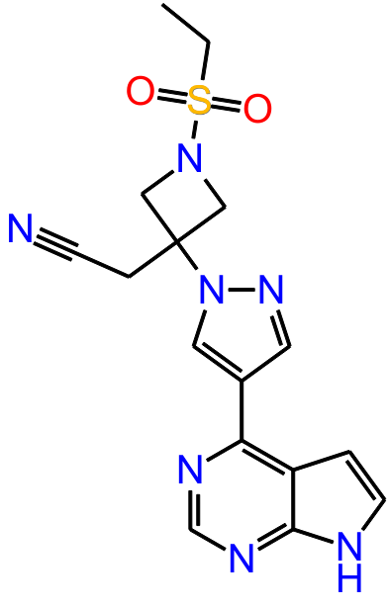
Molecule of Interest (MOI): | Baricitnib |  |  | BC | Bacterial collection |  | ZM | Zea mays
 |  |  |  | VR | Viral collection |  | PL | Protist collection
 |  |  |  | RN | Rattus norvegicus |  | RE | Snake collection
 |  |  |  | BT | Bos Taurus |  | PT | Plant collection
 |  |  |  | YT | Saccharomyces cerevisiae |  | FG | Fungal collection
 |  |  |  | OC | Oryctolagus cuniculus |  | SO | Spinacia oleracea
 |  |  |  | GG | Gallus gallus
Number of MOI Isomers: | 1
Protein Database Used: | VTS_Prototype |  |  | Notes: Confidence of target binding states the certainty of a “hit”. A hit usually implies less than 10 μM IC50. 95% is very high likely hood (2σ confidence interval). 68-95% should also be considered (1σ confidence interval).
Number of Structures: | 1419
Number of Structures Screened with Results: | 1075

Top Hits: |  |  |  |  | Possible Hits (68-95%) |  |  | Likely Hits (>95%)
 |  |  |  |  | Known MOI Target

(PDB ID) (Version) Protein [Co-crystallized Ligand] |  | Organism | Confidence of Target Binding |  | Ligand Specificity |  |  |  | P-value
(PDB3CGF) (Ver 00) map kinase 10[JNF] |  | #N/A | 78.50% |  | 0.1248 |  | +/- 0.003 |  | 6.23E-09
(PDB2Z8C) (Ver 00) phosphorylated insulin receptor tyrosine kinase[S91] |  | #N/A | 77.36%
(PDB1Q8T) (Ver 00) Camp-Depent. Protein Kinase- alpha cat.subunit[Y27] |  | #N/A | 76.75%
(PDB1XBB) (Ver 00) Tyrosine-protein kinase syk[STI] |  | #N/A | 74.01% |  | Notes: Ligand Specificity assesses a ligand’s effectiveness to exclude binding to diverse protein sites. This analysis can be used to infer the promiscuity of a MOI and related compounds. 0 is defined as a ligand being perfectly specific and 1 is defined as perfectly promiscuous, or binding all proteins with equal affinity.
(PDB1E1X) (Ver 00) CDK2[Nu6027] |  | #N/A | 73.34%
(PDB3OVV) (Ver 02) cAMP-dependent protein kinase cat. sub. alpha[1SB] |  | #N/A | 70.45%
(PDB2B52) (Ver 00) CDK2[D42] |  | #N/A | 68.40%
(PDB1E8Z) (Ver 00) Phosphatidylinositol 3-kinase catalytic subuni[STU] |  | #N/A | 65.48%
(PDB2H96) (Ver 01) JNK1[893] |  | #N/A | 63.63% |  | Common scoring benchmarks:
(PDB2CLX) (Ver 00) CDK2[F18] |  | #N/A | 63.59% |  | 0-0.5 | Very High Specificity
(PDB1R58) (Ver 00) Methionine aminopeptidase 2[AO5] |  | #N/A | 62.22% |  | 0.5-0.1 | High Specificity
(PDB1GII) (Ver 00) CDK2[CDK4-INH] |  | #N/A | 62.15% |  | 0.1-0.2 | Moderate Specificity
(PDB1WBO) (Ver 00) Mitogen-activated protein kinase 14[2CH] |  | #N/A | 62.11% |  | 0.2-0.3 | Low Specificity
(PDB2VTO) (Ver 00) cdk2[LZ8] |  | #N/A | 61.13% |  | >0.3 | Promiscuous Binder
(PDB3RWP) (Ver 00) 3-phosphoinositide-dependent protein kinase 1[21O] |  | #N/A | 60.49%
(PDB1FVT) (Ver 00) Cell Division Protein Kinase 2[106] |  | #N/A | 60.06% |  | Summary
(PDB2VTP) (Ver 00) cdk2[LZ9] |  | #N/A | 59.91% |  | No likely hits and few possible hits were observed and ligand specificity is moderately high. This indicates that MOI is moderately specific with a low amount of off-target binding partners. The known binding proteins for MOI are JAK1 and JAK2. JAK2 was in the top 30 proteins, but failed to register as a hit. JAK1 is not present. VTS is optimized to minimize false positives. As such, failing to register as a hit does not mean a protein isn’t a target for the MOI. JAK1 binding score: -9.213 kcal/mol JAK2 binding score: -8.856 kcal/mol These are considered good binding scores, however, they are not above known docking error to reach the necessary significance for the VTS program to be confident of a hit.
(PDB1BYG) (Ver 00) CSK[STU] |  | #N/A | 59.46%
(PDB1PXK) (Ver 00) Cell division protein kinase 2[CK3] |  | #N/A | 59.42%
(PDB1OEC) (Ver 00) FGFR2[AA2] |  | #N/A | 59.35%
(PDB1Y33) (Ver 01) subtilisin BPN"[CIT] |  | #N/A | 59.26%
(PDB2HCK) (Ver 00) HCK[QUE] |  | #N/A | 58.62%
(PDB2CLQ) (Ver 00) MAP3K5[STU] |  | #N/A | 58.09%
(PDB2UZB) (Ver 00) cdk2[C75] |  | #N/A | 56.49%
(PDB2B7A) (Ver 00) JAK2[IZA] |  | #N/A | 55.78%
(PDB1Y0X) (Ver 00) Thyroid hormone receptor beta-1[T44] |  | #N/A | 54.49%
(PDB1UKI) (Ver 01) JNK1[537] |  | #N/A | 54.46%
(PDB1TOU) (Ver 00) Fatty acid-binding protein- adipocyte[B1V] |  | #N/A | 54.32%
(PDB1GIH) (Ver 00) CDK2[CDK4-INH] |  | #N/A | 52.49%
(PDB1Y3D) (Ver 02) subtilisin BPN"[15P] |  | HS | 52.28%
(PDB2R3J) (Ver 00) cdk2[SCJ] |  | HS | 52.13%

