problem1
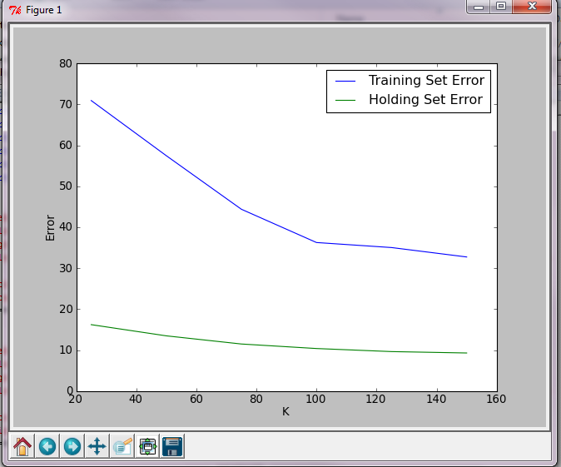
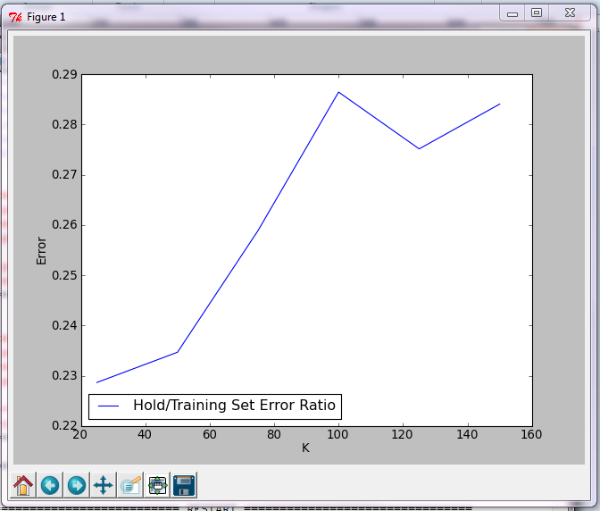

Total error in the hold out set is larger because there are more points. Error decreases as the number of clusters increases because there are more cluster centroids and each data point is closer to a centroid.
Error in sets changes at different rates because the set sizes are different
The training holdout set error ratio increases as the number of clusters increase. I believe it will asymptotically converge when there is a large amount of clusters

problem3
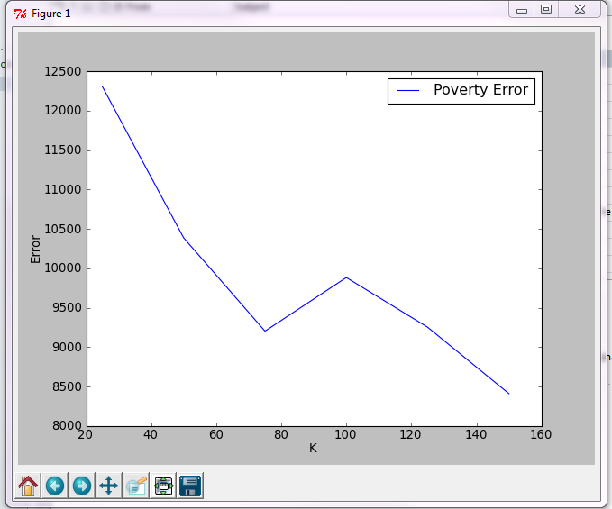

Error is high because poverty is not included as a dimension in the clustering parameters. Counties are grouped together according to factors that do not include poverty. So one could conclude that the poverty dimension would be randomly distrubuted in a cluster.
The error goes down as K increases because the number of clusters has increased and each point can be closer to an individual centroid of a cluster.

problem4
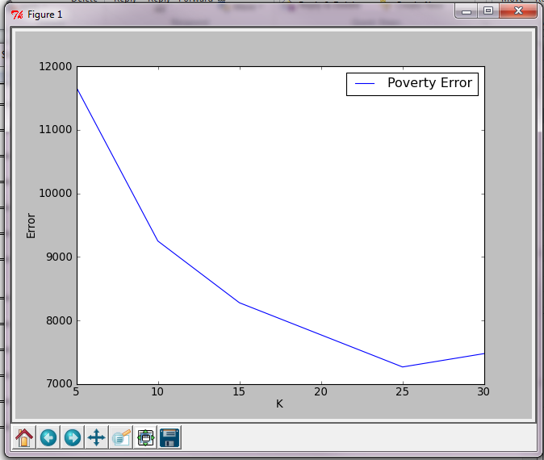

weights = pylab.array([1.0,1.0,0.0,0.0,0.0,0.0,0.0,1.0,0.0,0.0,0.0,0.0,0.0,0.0])
income
home values
percent women

