problem2
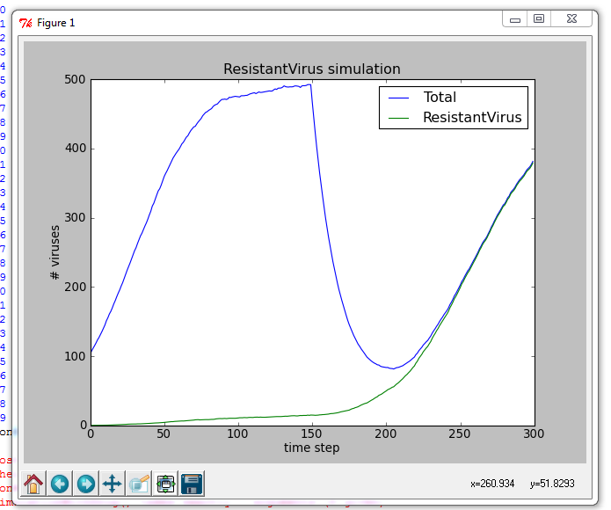

comments
population drops off after drug administered
resistance population increases afterwards

problem 3 10 trials
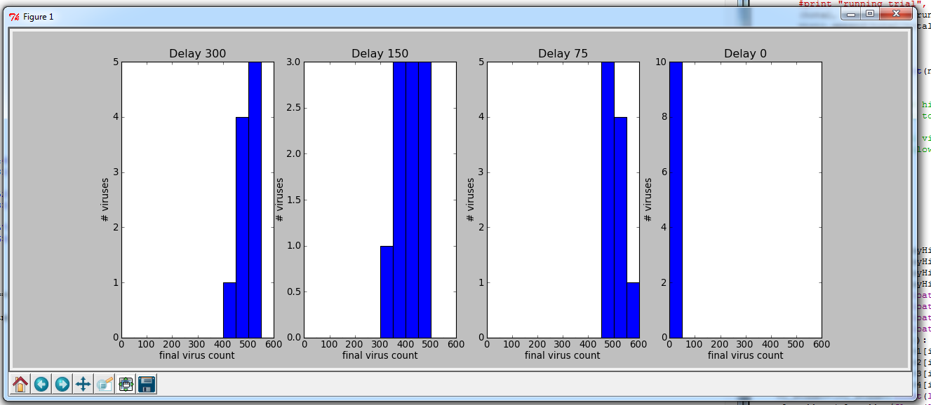

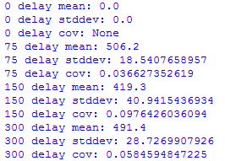

problem 3 100 trials
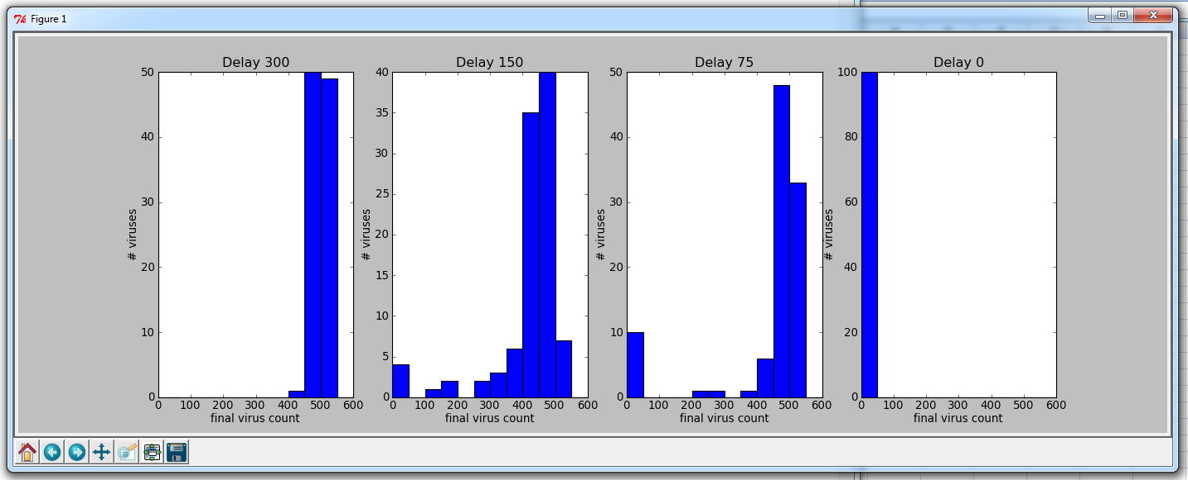

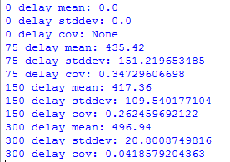

problem 3 300 trials
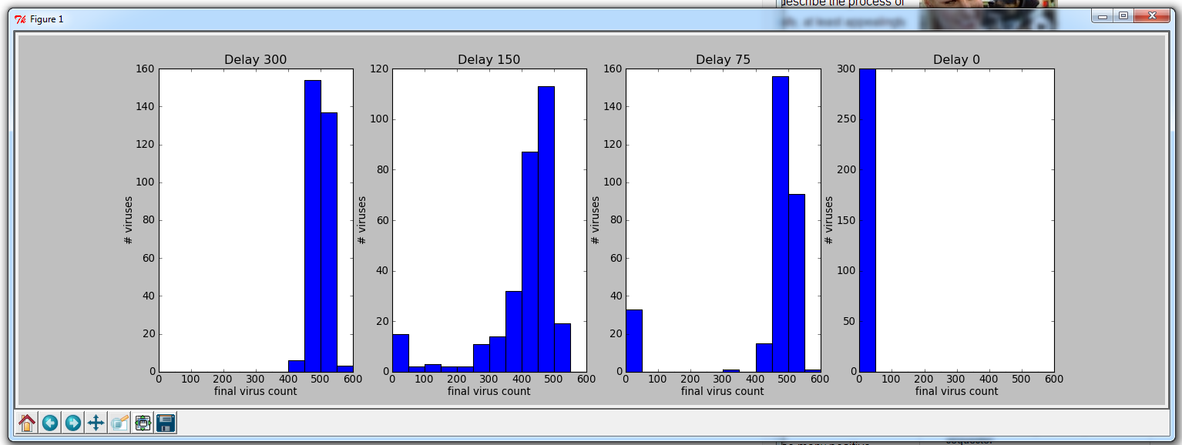

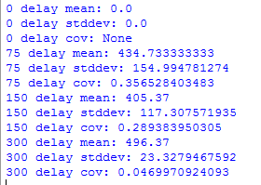

ignore y axis label should be patients not #virus
delay 300 % cured
0% cured

delay 1500 % cured
5% cured

delay 300 % cured
12% cured

delay 300 % cured
100% cured

more patients are cured if the delay is smaller

problem 4
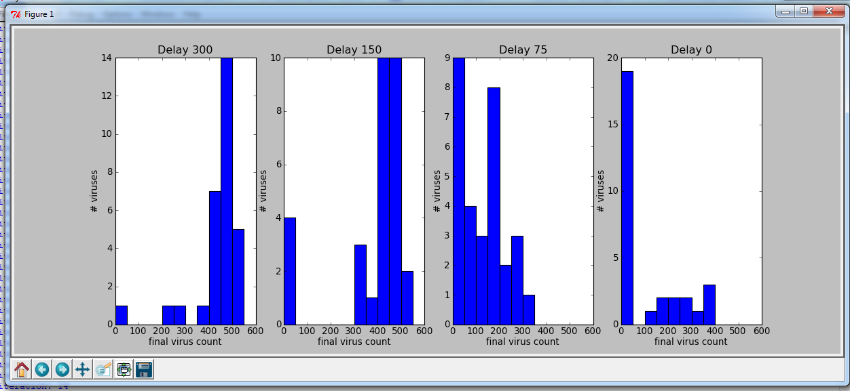

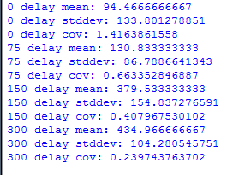

ignore y axis label should be patients not #virus
delay 300 % cured
0.33 % cured

delay 1500 % cured
1.33% cured

delay 300 % cured
3% cured

delay 300 % cured
6.33% cured

more patients are cured if the delay is smaller

problem 5 delay 300
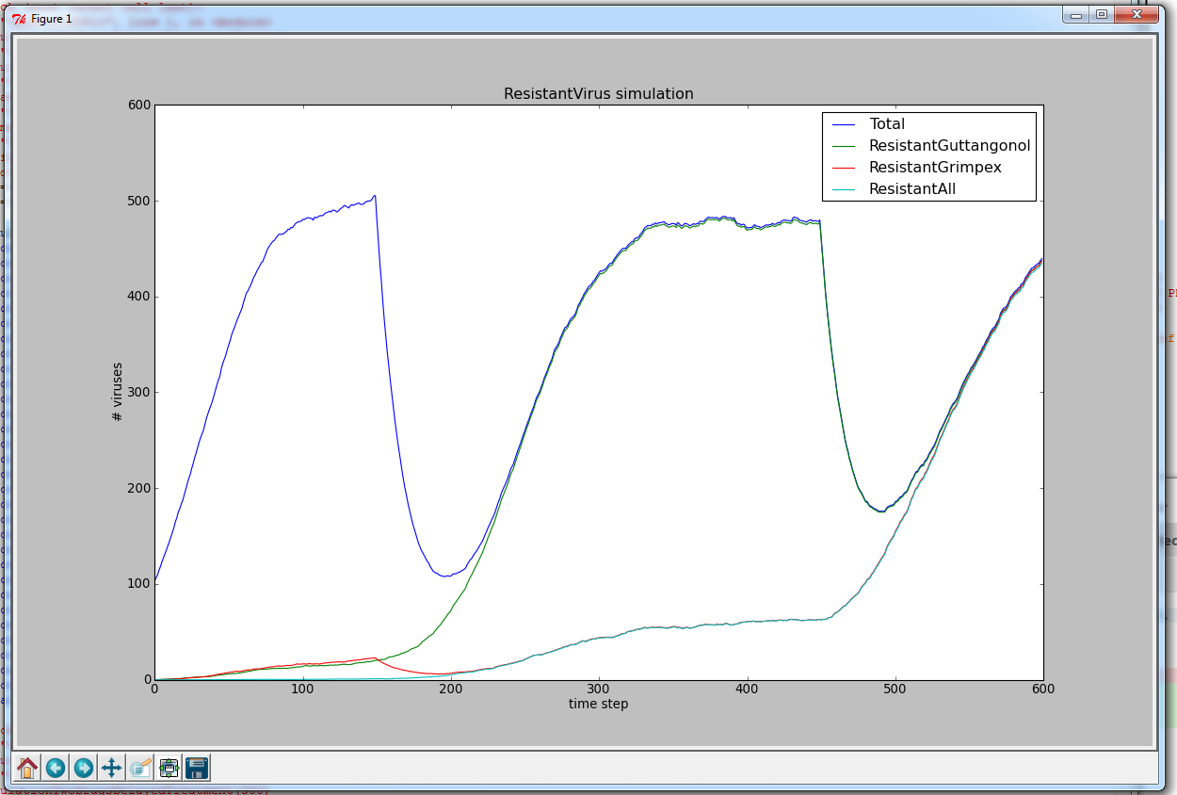

problem 5 delay 150
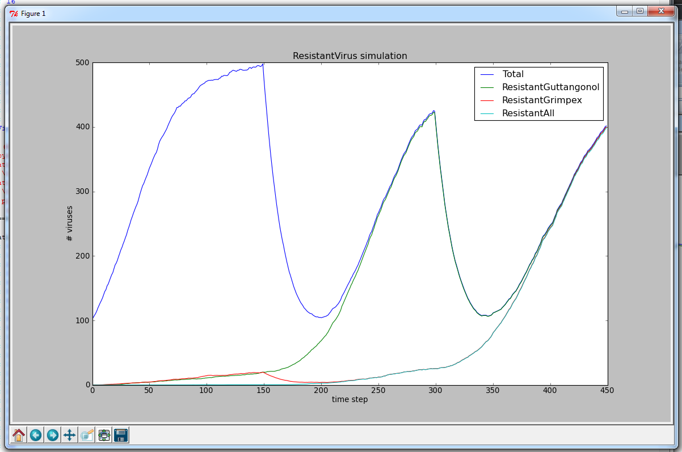

problem 5 delay 75
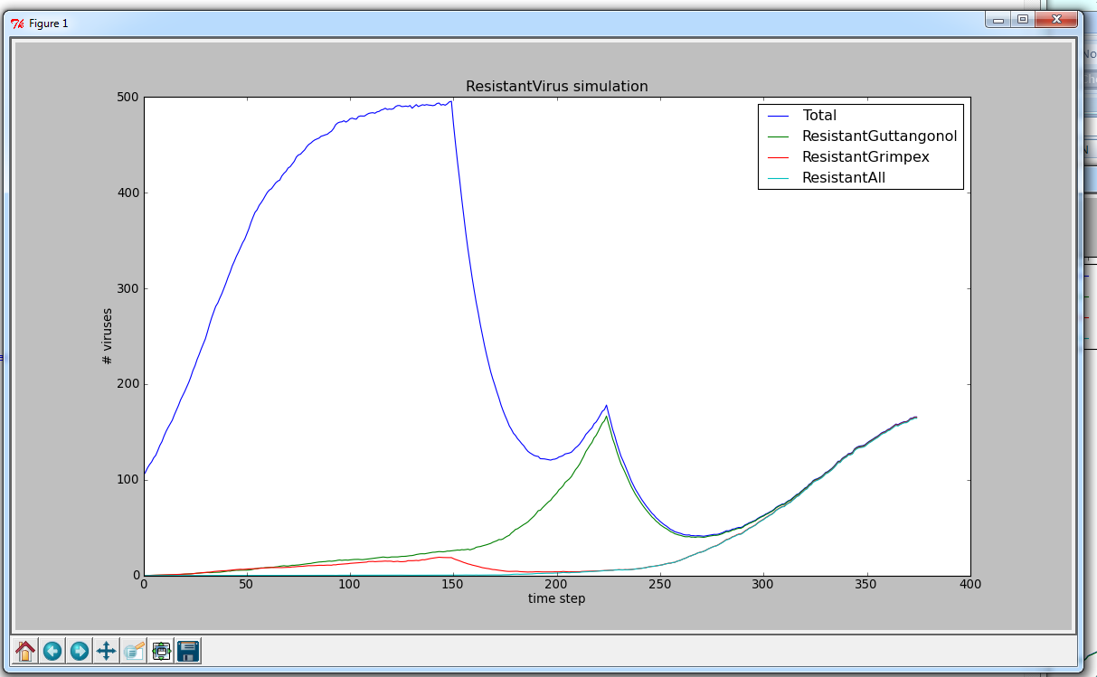

problem 5 delay 0
