Sheet1
Keyword | Code | Notes
Comment | # | A "#" at the beginning of the code indicates a comment
Import csv file | read.csv("Location in directory/file name.csv", header=TRUE,sep=",") | header=TRUE indicates that the first row is a header
 | read.csv("Link to online source", header=TRUE,sep=",") | sep="," indicates that "," is used to separate the data
Summarise date | summary(data) | Summary for all variables
 | summary(data$column) --> summarises stats for the column
Number of observations/rows | nrow(data)
Number of variables/columns | ncol(data)
Names of variables | names(data)
Install packages | install.packages("dplyr","tidyr","etc…")
Useful packages | library(dplyr) | Or tick the field in "Packages"
 | library(tidyr)
 | library(ggplot2)
 | library(car)
 | library(AER)
 | library(lmtest)
 | library(ivpack)
 | library(urca)
Pipes | %>% | Sends results from one R command to the next
Select variables/columns | dataset %>% select(column1,column2) | e.g. covid%>%select(state,cases)
summarise data | covid%>%select(cases,deaths)%>%summarise_all(list(mean=mean,median=median,sd=sd)) | Summarise all will compute the statistics you mention within list(...) for all the variables in the dataframe it is being given. Note that in the list what comes after the = sign is the statistic you want whereas what comes before is a lable that will appear in the resulting dataframe
gather | select(cases,deaths) %>% gather(stat, val) | The gather command arranges what you sent them down the pipe as key value pairs; i.e. 2 columns where the first column is the key (i.e. a name or label) for the value that follows in the value column. stat and val are simply how we want to call those two columns
separate | separate(stat, into = c("var", "stat"), sep = "_") | "stat" is the column name
spread | %>% spread(stat, val) | Spreads a key-value pair across multiple columns
filter | filter(data,column=="filter value") | Datum:
 |  | covid%>%filter(as.character(date)=="2020-07-31")
 | Using piping: | or
 | data58 <- data %>% filter(year==58) | filter(covid,as.character(date)=="2020-07-31")
 |  | Ort:
 |  | filter(covid,state=="Washington")
 |  | Zahl:
 |  | filter(covid,cases==3)

 |  | "" at filter value only for non numerical values
mutate | mutate(data,operation to perform) | mutate(data,1t2=column1*column2)

 |  | %>%mutate(deathsOcases=deaths/cases) --> divides value in "deaths" column over value in "cases" column

 |  | %>%mutate(date=as.Date(date)) --> changes to date format

 |  | Also several operations in mutate possible:
 |  | mutate(data,1t2=column1*column2,1o2=column1/column2)

 |  | Applying formulas:
 |  | %>% mutate(Y=2+0.5*X+eps)

 |  | Make variables dichotomous:
 |  | data=data %>% mutate(new column=basis column=="condition") --> for 1 variable that fulfills the condition

 |  | data=data %>% mutate(new column=basis column=="condition 1" | basis column=="condition 2") --> for 2 different variables which fulfill the condition

head | head(data,10) | Shows the first 10 rows of the dataset
max | %>% filter(deathsOcases==max(deathsOcases)) | Filters for column "deathsOcases" and then shows the maximum in this column
 | or
 | filter(covid_july,deathsOcases==max(deathsOcases))
sum over several variables | %>% group_by(date) %>% summarise(deaths=sum(deaths),cases=sum(cases)) | Summarises all deaths and cases that happend on a specific date
ggplot | ggplot(data,aes(x=x-axis,y=y-axis) | Points (date):
 | or | ggplot(usdaily, aes(x=date, y=deathsOcases))+geom_point()+scale_x_date(date_breaks="1 month",date_labels="%b")
 | ggplot(data,aes(x=x-axis)
 | + geom_point() --> Punkte | Points (number):
 | + geom.jitter() --> adds random noise | ggplot(covid_julyb %>% filter(density<6000), aes(x=density, y=casesOpop000 ))+geom_point() + geom_smooth(method=lm)
 | + geom_histogram(color="black",fill="white",bins=40) --> Histogramm | ---
 | + scale_x_...() --> design of x-axis | geom_smooth(method=lm) --> adds trend line
 | + geom_smooth(method=lm) --> adds trend line | filter(density<6000) --> depicts values less than 6000
 | + geom_line(color="green")
 |  | Histogramm:
 |  | ggplot(results, aes(x=beta)) + geom_histogram(color="black",fill="white",bins=40) + theme_minimal()

 |  | ggplot(stats,aes(x=hoaxsh, y=deathsPC))+
 |  | geom_point() +
 |  | theme_minimal()+
 |  | xlab("Share of Hoax Tweets") +
 |  | ylab("Covid Deaths per capita") +
 |  | geom_smooth(method = "lm",se=FALSE)+
 |  | ggtitle("Covid Deaths and Hoxism")
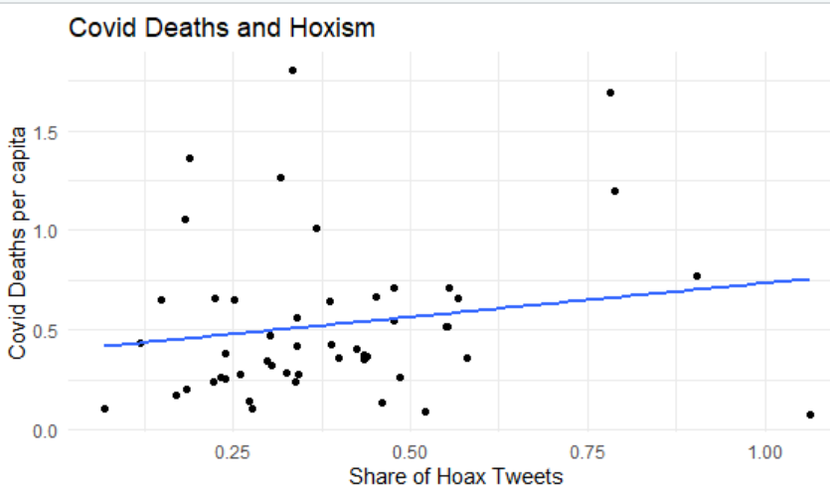

 |  | ggplot(stats,aes(x=hoaxsh, y=deathsPC, color=dens_quart))+…
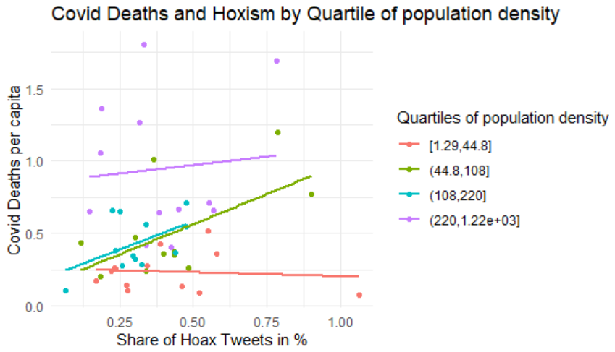

 |  | --> color feature of ggplot (color=…) --> categorical variable used to add coloured lines (here the quartiles)

 |  | Time series:
 |  | p=ggplot(oj,aes(x=date,y=lnp))+geom_line(color="green")+theme_minimal()+xlab("Monthly data")
merge | merge(data,by="variable/column",all.x/all.y/all=TRUE) | %>% merge(pop,by="state", all.x=TRUE)
 |  | The all.x option tells R to keep observations from the first dataset even if no equivalent observation in the second dataset can be found. This is also known as a left join. Similarly there is a right join with all.y=TRUE or a full join with all=TRUE.
rnorm | rnorm(number variables) | rnorm(100), rnorm(eps) if eps was defined before as number
data frame | data.frame(data for the data frame) | try4<-data.frame(runif(10)) --> Creates a data frame with 10 uniform random numbers

 | name data frame <- data.frame(column name=c(data1, data2, etc.) | value_to_forecast <- data.frame(weight=c(2500,4000))
 | --> creates a table with a specific column and assigned values
forecast | forecast <- predict(regression name, dataframe to forecast) | value_to_forecast <- data.frame(weight=c(2500,4000))
 |  | --> creates a table with column weight and two variables 2500 and 4000
 | --> forecasts y based on x (x=dataframe to forecast) | forecast <- predict(reg2,value_to_forecast)
 |  | --> Forecasts for the two values in the dataframe according to the model reg2
random numbers normal distribution | rnorm(number) | rnorm(100) --> generates 100 random number using a normal (bell curve) distribution
uniform random numbers | runif(number) | runif(100) --> generates 100 uniform random numbers between 0 and 1, all with the same probability
regression | OLS: | Linear model: lm(Y~X,data) --> Runs a regression of Y on X
 | reg=lm(Y~X,data) | Summary: reg=lm(…) --> summary(reg) --> summarises the regression
 | summary(reg)
 | or | reg=lm(Y~X+Z,data) --> includes further variables in the model
 | summary(lm(Y~X,data))

 | Multivatiate OLS:
 | reg=lm(Y~X+Z+…,data)
 | summary(reg)
 | or
 | summary(lm(Y~X+Z+…,data))

 | Logarithmic regression:
 | lm(log(vadd)~log(emp)+log(cap),data[data$year==58]) --> use pipe and filter if that does not work
mean | mean(data series) | mean(auto) --> computes the mean of the data series "auto"

 | mean(data$yearsexp[data$black==1]) --> data = data set, yearsexp = filter variable, black = filter argument (filters for 1) | mean(data$emp)

 | mean(data$column for mean) | mean(data$emp[data$year==58])

 | mean(data$column for mean[data$column for filter==filter criteria])
standard deviation | sd(data series)

 | sd(data$yearsexp[data$black==1]) --> data = data set, yearsexp = filter variable, black = filter argument (filters for 1)
median | median(data series) | median(auto) --> computes the median of the data series "auto"
count | n() | Counts the number of variables in a data set
quartiles | data=data %>% mutate(dens_quart = cut(density, breaks=quantile(density, probs=seq(0,1, by=0.25), na.rm=TRUE), include.lowest=TRUE)) | separates
groups quartiles | data %>% group_by(dens_quart)
forecasting linear model | Y=d+k*x --> reg$coefficients[[1]]+reg$coefficients[[2]]*x
Hypothesis testing | H0 = 0: | To reject a hypothesis, you want to have small p values but high t values
 | mod<-lm(y~x)
 | summary(mod) | H0: beta is zero --> R: Estimate / Std. Error = t value
 |  | H0: beta is not zero (e.g. 1) --> R: (Estimate - 1) / Std. Error = t value
 | H0 not 0:
 | library(car) | t value according to standard normal distribution --> take the double of p in the table as it's two-sided
 | linearHypothesis(mod,c("x=1")) --> H0: beta is 1
Tabulation and proportions | table(bm$female,bm$black) --> bm = data, female = var in column, black = var in row

 | prop.table(table(bm$female,bm$black)) --> bm = data, female = var in column, black = var in row --> generates proportions

 | One variable:
 | table(bm$call)
 | prop.table(table(bm$call))

 | Proportions by column:
 | prop.table(table(bm$call,bm$black),2) --> "2" specifies reporting proportions by column
logit regression | mod2 <- glm(call~black,data,family=binomial)
dichotomous variables | data=data %>% mutate(employed2=employed=="Yes") --> for 1 variable that fulfills the condition | Dichotomous (outcome or variable) means "having only two possible values", e.g. "yes/no", "male/female", "head/tail"

 | data=data %>% mutate(HE = education=="some col" | education=="col+") --> for 2 different variables which fulfill the condition | Dichotomous in R is TRUE and FALSE
linear hypothesis test | H0: A + B = 1 | linearHypothesis(mod1,"log(emp)+log(cap)=1" )
 | library(car)
 | linearHypothesis(reg,"log(A)+log(B)=1" )
factor | data=data %>% mutate(year=factor(year)) | Years are categorical variables and hence factors in R

 | --> To include dummies in a regression, transform them to categorical (factor) variables | To use year as dummy, it must be turned into a categorical (factor) variable
2 stage least square estimator (2SLS): | library(AER) | after "|" follow the instrumental variables (not all must be included in the regression)
IV regression (instrumental variable) | library(lmtest) | must have same amount of regressors and instruments
 | library(ivpack)

 | iv=ivreg(Y~X+ice+… | cartel+ice+…, data=d4)
 | robust.se(iv)
t test of coefficients | library(ivpack) | Robust Standard Errors --> used for IV regression
 | robust.se(iv)
t test of coefficients | library(lmtest) | used for lm regression
 | coeftest(mod1, vcov=vcovHC)
lag | data=data %>% mutate(new column=dplyr::lag(columd that should lag)) | e.g. if asked for the previous month/day/etc. in a time series
 |  | oj=oj %>% mutate(L1fdd=dplyr::lag(fdd))
Dickey-Fuller Test | library(urca) | summary(ur.df(oj$lnp))
 | summary(ur.df(data$dependent variable))

 | Differencethe series:
 | summary(ur.df(diff(oj$lnp)))

 |  | --> reject/not reject the hypothesis that delta is 0 or rho is equal to 1
Difference data | diff(data$variable)

