misc analysis
 |  | 2021 |  |  | 2022 |  |  | 2 yrs
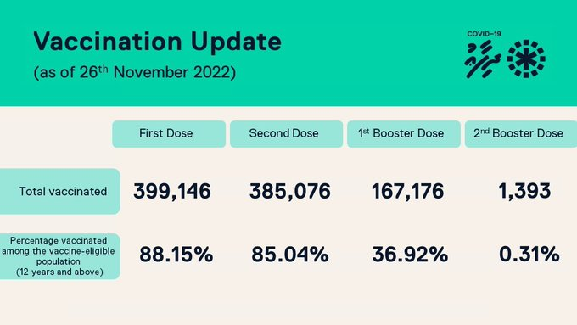
 | Total deaths | 1590 |  |  | 1487 |  |  | 3077
 | Total vaccinated deaths | 757 |  |  | 1031 |  |  | 1788
 | Infants (<2 years) | 111 |  |  | 99 |  |  | 210
 | Children | 133 | 8% |  | 123 | 8% |  | 256 | 8%

Overall | within 2 weeks | 43 | 6% |  | 6 | 1% |  | 49 | 3%
 | within 1 month | 119 | 16% |  | 18 | 2%
 | within 3 months (90 days) | 369 | 49% |  | 83 | 8% |  | 452 | 25%
 | within 3 months (93 days) & below 65 yrs | 121 | 16% |  | 36 | 3% |  | 157 | 9%
 | Below 55 yrs | 142 | 19% |  | 211 | 20% |  | 353 | 20%
 | Between 56-65 yrs | 108 | 14% |  | 157 | 15% |  | 265 | 15%
1st dose
 | Deaths after 1st dose | 309 | 41% |  | 107 | 10% |  | 416 | 23%
 | within 3 months (93 days) | 193 | 62% |  | 7 | 1% |  | 200 | 48%

2nd dose
 | Deaths after 2nd dose | 436 | 58% |  | 563 | 55% |  | 999 | 56%
 | within 3 months (93 days) | 165 | 38% |  | 12 | 2% |  | 183 | 18%

 | 2021 | Jan | Feb | Mar | Apr | May | Jun | Jul | Aug | Sep
 | Total deaths | 65 | 109 | 109 | 135 | 207 | 187 | 127 | 115 | 123
 | Unvaccinated deaths | 65 | 100 | 66 | 88 | 129 | 100 | 59 | 44 | 50
 | Vaccinated deaths | 0 | 9 | 43 | 47 | 78 | 87 | 68 | 71 | 73
 | Within 3 weeks | 0 | 9 | 12 | 5 | 16 | 5 | 9 | 6 | 2
 | - within 3 weeks % |  | 100% | 28% | 11% | 21% | 6% | 13% | 8% | 3%
 | Within 90 days | 0 | 9 | 43 | 47 | 73 | 52 | 43 | 27 | 18
 | - within 90 days % |  | 100% | 100% | 100% | 94% | 60% | 63% | 38% | 25%
 | Maximum number of days |  |  |  |  | 5 in 3m & few days | Within 5m | within 5.4m | within 6m

 | 2022 | Jan | Feb | Mar | Apr | May | Jun | Jul | Aug | Sep
 | Total deaths | 147 | 143 | 110 | 111 | 111 | 124 | 129 | 142 | 123
 | Vaccinated deaths | 101 | 102 | 83 | 76 | 82 | 88 | 93 | 114 | 95
 | Within 3 weeks
 | - within 3 weeks % |  | 0% | 0% | 0%
 | Within 90 days |  |  | 43 | 44
 | - within 90 days % |  | 100% | 52% | 58%

 |  | 2017 | 2018 | 2019 | 2020 | 2021 | 2022 | 2023
 | Total population | 378,114.00 | 374,775.00 | 383,976.00 | 379,270.00 | 385,696.00 | 382,639
 | Crude death rate /1000 popn | 3.47 | 3.5 | 2.9 | 3.3 | 4.1 | 3.9
 | Change to death rate | 0.15 | 0.01 | -0.5 | 0.3
 | Death as percentage of population | 0.35 | 0.3 | 0.3 | 0.3 | 0.41
 | No. of abortions (from reported death records) |  |  |  | 207
 | Death (incl low birth weight) | 1450 | 1388 | 1216 | 1269 | 1573 | 1496 | 629
 | Change in death rate over 3 years average | 1351 | -4 | -14 | 4 | 24 | -5
 | Female | 498 | 503 | 417 | 726
 | Male | 815 | 795 | 714 | 522
 | Low birth weight deaths * | 209 | 176 | 175 | 3 | 202
 | 00 - 01 yr | 64 | 45 | 43 | 44 | 57 | 87 | 59
 | 01 - 04 yr | 8 | 9 | 7 | 4 | 7 | 15 | 2
 | 05 - 14 yr | 13 | 7 | 5 | 4 | 15 | 15 | 5
 | 15 - 45 yr | 121 | 113 | 101 | 166 | 164 | 176 | 59
 | 46 - 64 yr | 222 | 226 | 200 | 250 | 296 | 271 | 108
 | 65+ yr | 813 | 812 | 685 | 786 | 978 | 925 | 405
 | NS |  |  |  |  | 9 | 3

 | Monthly breakdown of deaths
 |  | 2017 | 2018 | 2019 | 2020 | 2021 | 2022
 | Jan | 107 | 118 | 128 | 107 | 66 | 146
 | Feb | 110 | 104 | 83 | 90 | 109 | 144
 | Mar | 142 | 128 | 110 | 105 | 108 | 112
 | Apr | 119 | 107 | 90 | 89 | 135 | 113
 | May | 96 | 118 | 98 | 109 | 203 | 110
 | Jun | 105 | 93 | 86 | 90 | 186 | 128
 | Jul | 109 | 108 | 105 | 111 | 127 | 129
 | Aug | 97 | 101 | 87 | 128 | 114 | 140
 | Sep | 99 | 100 | 88 | 111 | 122 | 121
 | Oct | 114 | 107 | 94 | 104 | 159 | 118
 | Nov | 96 | 100 | 96 | 109 | 129 | 140
 | Dec | 119 | 117 | 66 | 95 | 121 | 94
 |  |  |  |  |  | 1579
Excess death 2021
Total deaths 2021
 |  |  |  |  |  |  |  |  |  |  |  | 2018 | 2019 | 2020 | 2021 | Actual | Base | Difference
 |  |  |  |  |  |  |  |  |  |  | Jan | 118 | 128 | 114 | 98 | 94 | 98 | -4 | 4
 |  |  |  |  |  |  |  |  |  |  | Feb | 104 | 83 | 96 | 108 | 100 | 108 | -8 | 9
 |  |  |  |  |  |  |  |  |  |  | Mar | 128 | 110 | 109 | 103 | 66 | 103 | -37 | 42
 |  |  |  |  |  |  |  |  |  |  | Apr | 107 | 90 | 91 | 131 | 89 | 131 | -42 | 48
 |  |  |  |  |  |  |  |  |  |  | May | 118 | 98 | 109 | 192 | 132 | 192 | -60 | 71
 |  |  |  |  |  |  |  |  |  |  | Jun | 93 | 86 | 91 | 179 | 120 | 179 | -59 | 66
 |  |  |  |  |  |  |  |  |  |  | Jul | 108 | 105 | 115 | 119 | 72 | 119 | -47 | 55
 |  |  |  |  |  |  |  |  |  |  | Aug | 101 | 87 | 129 | 108 | 80 | 108 | -28 | 34
 |  |  |  |  |  |  |  |  |  |  | Sep | 100 | 88 | 112 | 118 | 97 | 118 | -21 | 25
 |  |  |  |  |  |  |  |  |  |  | Oct | 107 | 94 | 103 | 148 | 115 | 148 | -33 | 44
 |  |  |  |  |  |  |  |  |  |  | Nov | 100 | 96 | 110 | 119 | 98 | 119 | -21 | 31
 |  |  |  |  |  |  |  |  |  |  | Dec | 117 | 66 | 96 | 118 | 90 | 118 | -28 | 31

days to death plots per dose
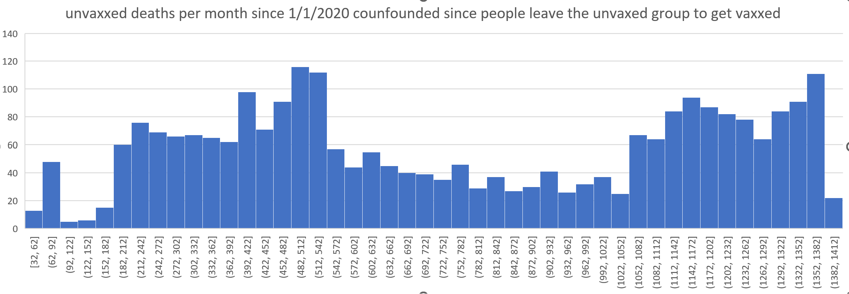

now 60 day buckets for Dose 1

vaccination numbers
