Sheet1
Test Scenario's | Test Case Description | Test Category | Pre Requisite | Test Data | Test Steps to be Executed | Expected Result | Actual Result | Pass / Fail | Defect ID | Priority | Comments | Remarks | Test case type (Positive/Negative) | Smoke/Regression | Automation Required/Not Required (Yes /No)

Creating Account for blynk App | We need to create account for login page | Data Base | 1. User should have valid credentials to connect to the database. | Select * from customer; | 1.Enter valid login credentials to connect to the database . 2. Run the query provided in test data. 3. Verify the Colums in the Customer table. | When we go with create an account, it should validate mail id whether its valid address are not by sending an verification link to mail id. | No - Its not sending an verification link to mail id. | Fail |  | severe | If its not sends an verification link, if an user had an typo mistake in mail id,it causes an lost to user because all projects "Auth - Tokens" to that mail id which unable to access the link for the project, Again user need create an account and project again. | Provided with screenshots with dummy mail id |  |  |  | 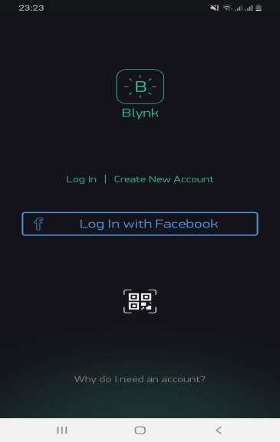 | 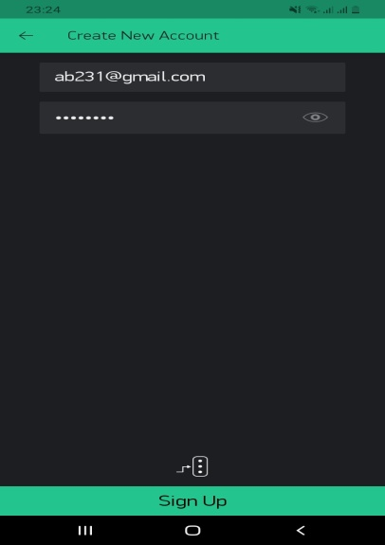 | 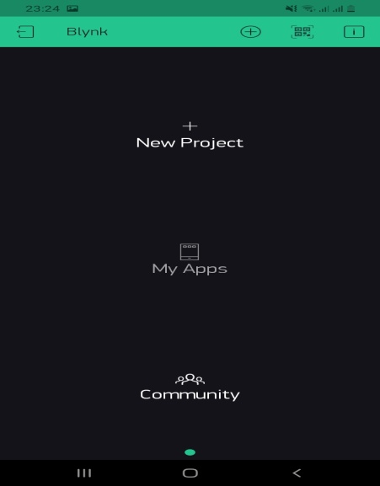 | 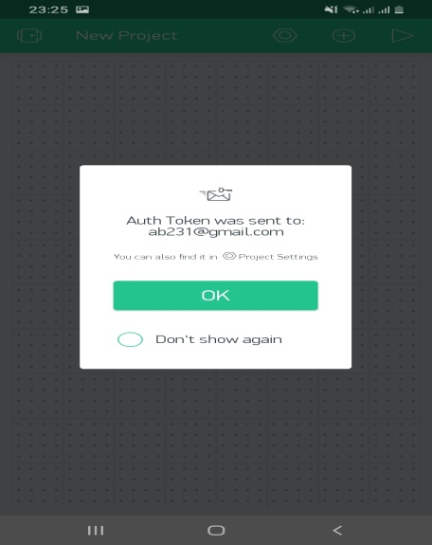
 |  |  | 1. User should have valid credentials to connect to the database. | Select * from customer; | 1.Enter valid login credentials with "facebook" connect to the database . 2. Run the query provided in test data. 3. Verify the Colums in the Customer table. | It Should login using facebook credentials | Log- In with facebook | Pass

