ASCII_Charts
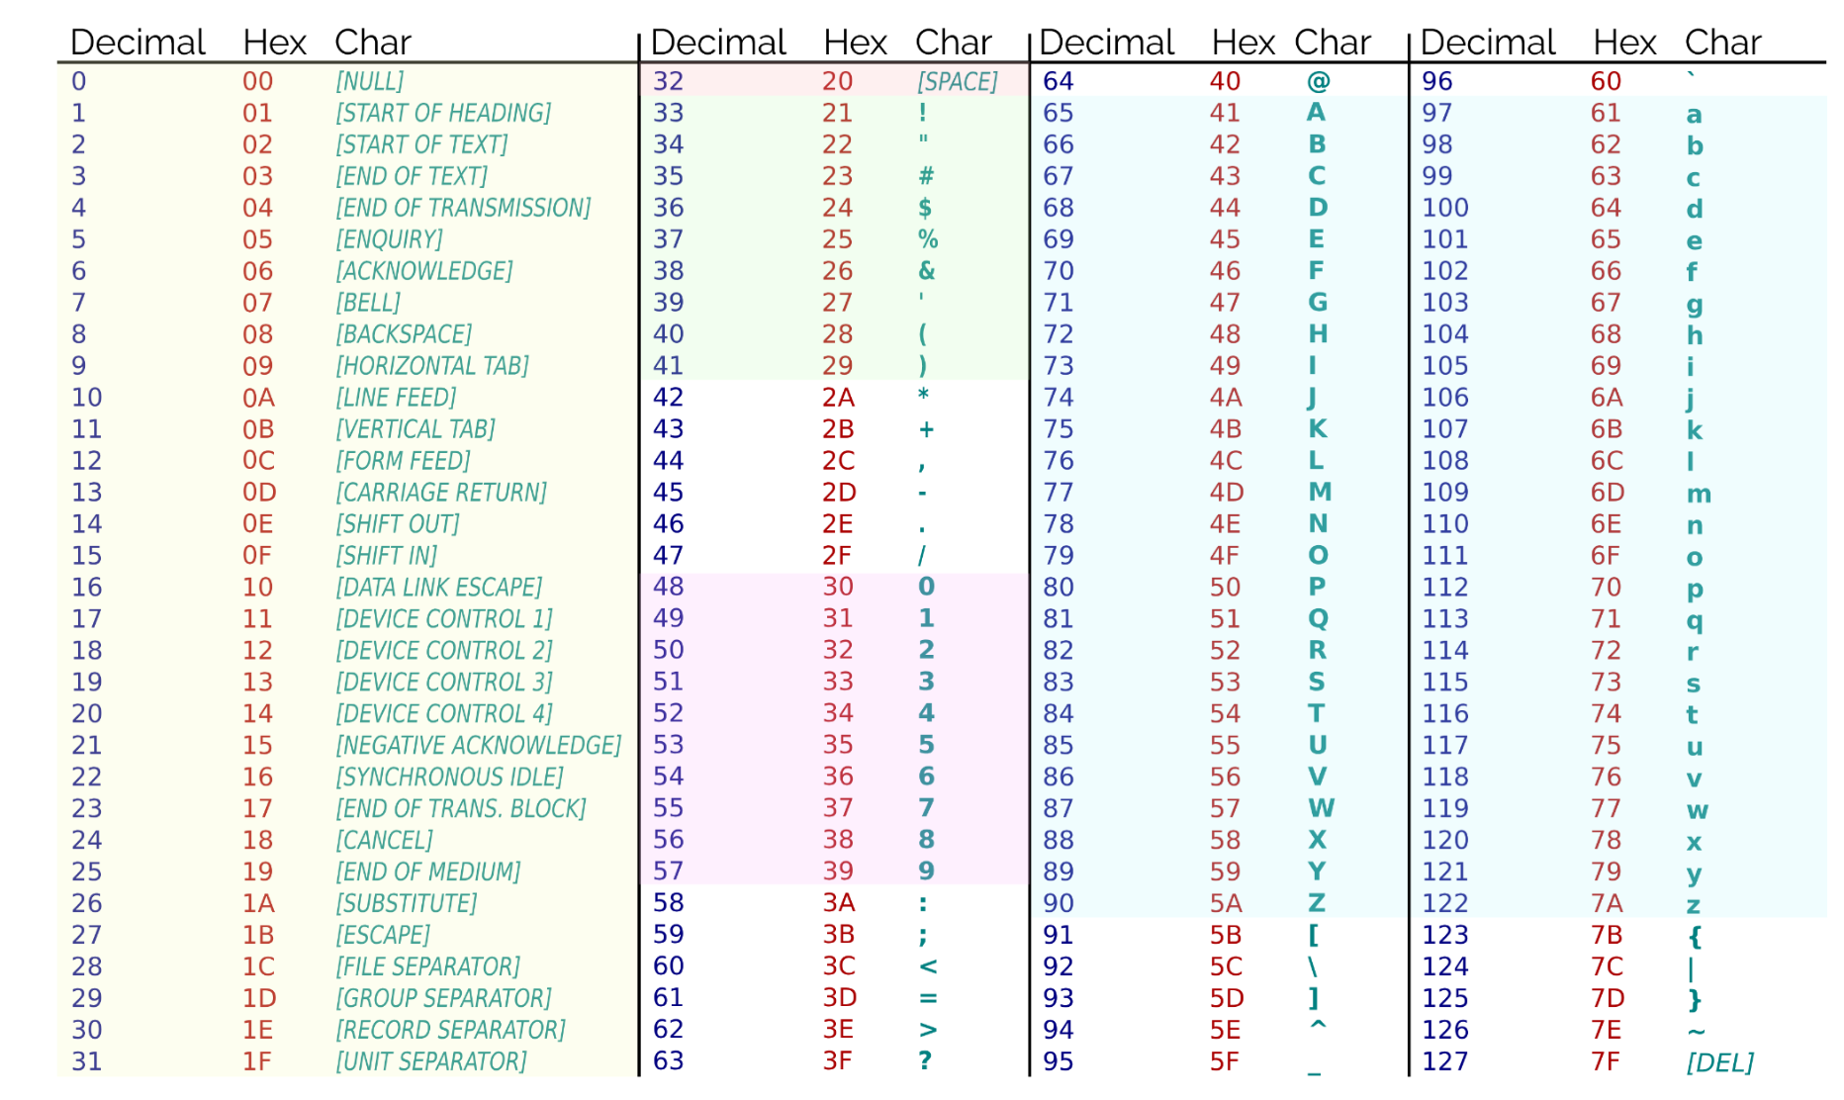

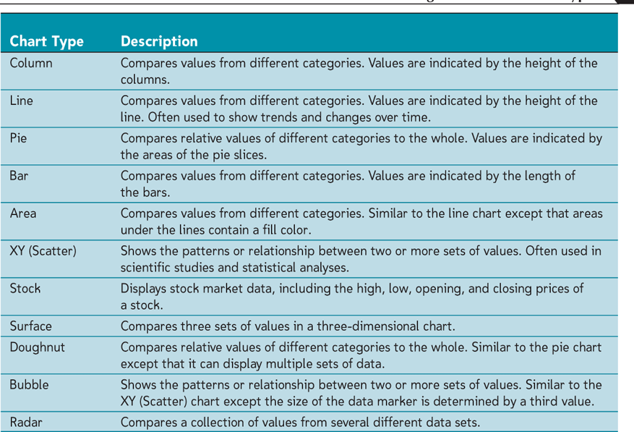

uXLOOKUP is a modern replacement for VLOOKUP and HLOOKUP. It searches a range for a match and returns a corresponding value from another range, offering more flexibility than its predecessors.
uSyntax:
u=XLOOKUP(lookup_value, lookup_array, return_array, [if_not_found], [match_mode], [search_mode])
ulookup_value: The value to search for.
ulookup_array: The range where the lookup is performed.
ureturn_array: The range from which to return a value.
u[if_not_found]: (Optional) The value to return if no match is found.
u[match_mode]: (Optional) Controls the type of match (0 for exact match, etc.). Specifies the type of match. Default is 0 for an exact match.
u0: Exact match (default).
u-1: Exact match or next smaller item.
u1: Exact match or next larger item. | 1: Exact match or next larger item.
u2: Wildcard match.
u[search_mode]: (Optional) Controls the search direction (top-to-bottom or bottom-to-top). Specifies the search direction. Default is 1 (search from top to bottom).
u1: Search from first to last.
u-1: Search from last to first.
u2: Perform a binary search in ascending order.
u-2: Perform a binary search in descending order.
uExample: To find the corresponding price for a product in cell A2 from a list of product names in B2:B10 and their prices in C2:C10:
u=XLOOKUP(A2, B2:B10, C2:C10)

Sheet1
Employee name | (Multiple Items)

Sum of TaskMod20 |  | Column Labels
Row Labels | Start date | Bugfix | Feature | Grand Total
New | 2016-05-07 | 0 | 12 | 12
 | 2016-05-16 | 16 | 0 | 16
 | 2016-05-20 | 0 | 19 | 19
 | 2016-05-21 | 0 | 10 | 10
 | 2016-05-27 | 4 | 0 | 4
 | 2016-05-29 | 11 | 0 | 11
 | 2017-05-09 | 2 | 0 | 2
 | 2017-05-27 | 0 | 17 | 17
 | 2018-05-27 | 0 | 8 | 8
 | 2024-05-03 | 0 | 19 | 19
 | 2024-05-16 | 17 | 0 | 17
 | 2024-05-17 | 16 | 0 | 16
 | 2024-05-29 | 0 | 2 | 2
 | 2024-06-03 | 0 | 19 | 19
New Total |  | 6 | 6 | 12
In Progress | 2016-05-08 | 0 | 0 | 0
 | 2016-05-09 | 0 | 9 | 9
 | 2016-05-14 | 0 | 12 | 12
 | 2016-05-15 | 13 | 0 | 13 | 65
 | 2016-05-17 | 14 | 0 | 14
 | 2016-05-20 | 0 | 14 | 14
 | 2016-06-24 | 0 | 3 | 3
 | 2018-06-20 | 0 | 13 | 13 | A
In Progress Total |  | 7 | 11 | 18
Closed | 2016-05-03 | 0 | 0 | 0
 | 2016-05-12 | 0 | 1 | 1
 | 2016-05-15 | 0 | 11 | 11
 | 2016-05-16 | 18 | 0 | 18
 | 2016-05-17 | 17 | 0 | 17
 | 2016-05-29 | 0 | 9 | 9
 | 2016-06-21 | 6 | 0 | 6
 | 2017-06-11 | 0 | 7 | 7
 | 2017-06-13 | 0 | 14 | 14
 | 2018-06-23 | 5 | 0 | 5
Closed Total |  | 6 | 2 | 8
Rejected | 2016-05-03 | 0 | 0 | 0
 | 2016-05-09 | 0 | 16 | 16
 | 2016-05-21 | 0 | 15 | 15
 | 2016-05-27 | 15 | 0 | 15
 | 2018-05-10 | 18 | 0 | 18
Rejected Total |  | 13 | 11 | 4
Grand Total |  | 12 | 10 | 2

