ASCII_Charts
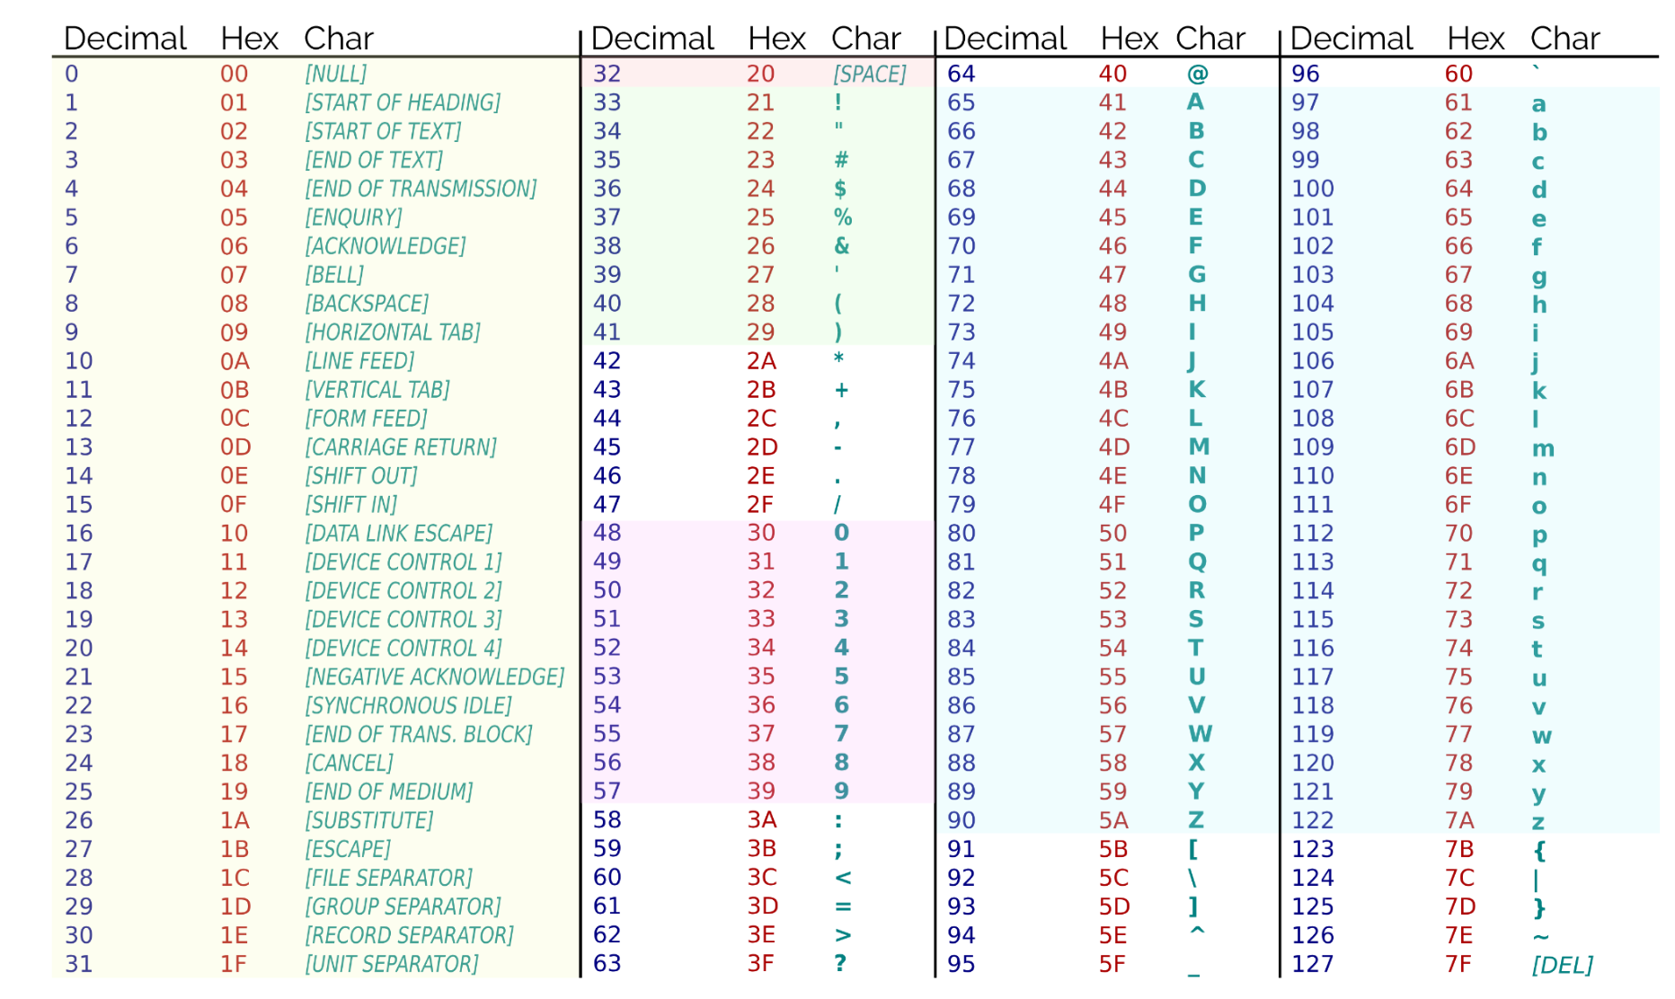

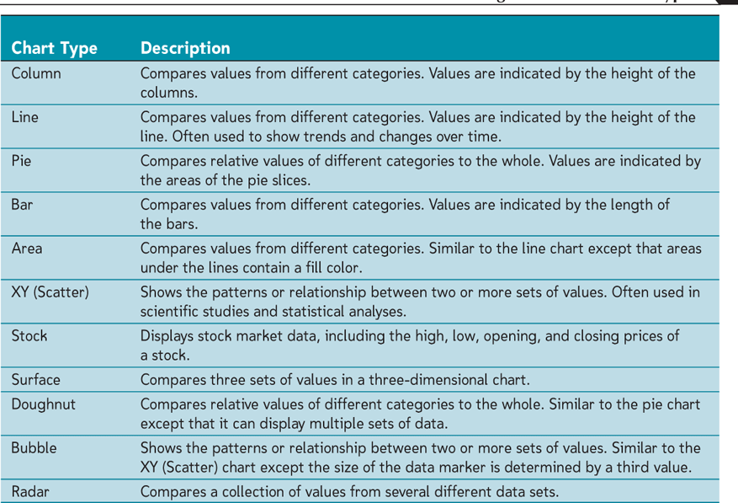

uXLOOKUP is a modern replacement for VLOOKUP and HLOOKUP. It searches a range for a match and returns a corresponding value from another range, offering more flexibility than its predecessors.
uSyntax:
u=XLOOKUP(lookup_value, lookup_array, return_array, [if_not_found], [match_mode], [search_mode])
ulookup_value: The value to search for.
ulookup_array: The range where the lookup is performed.
ureturn_array: The range from which to return a value.
u[if_not_found]: (Optional) The value to return if no match is found.
u[match_mode]: (Optional) Controls the type of match (0 for exact match, etc.). Specifies the type of match. Default is 0 for an exact match.
u0: Exact match (default).
u-1: Exact match or next smaller item.
u1: Exact match or next larger item.
u2: Wildcard match.
u[search_mode]: (Optional) Controls the search direction (top-to-bottom or bottom-to-top). Specifies the search direction. Default is 1 (search from top to bottom).
u1: Search from first to last.
u-1: Search from last to first.
u2: Perform a binary search in ascending order.
u-2: Perform a binary search in descending order.
uExample: To find the corresponding price for a product in cell A2 from a list of product names in B2:B10 and their prices in C2:C10:
u=XLOOKUP(A2, B2:B10, C2:C10)

