Sheet1
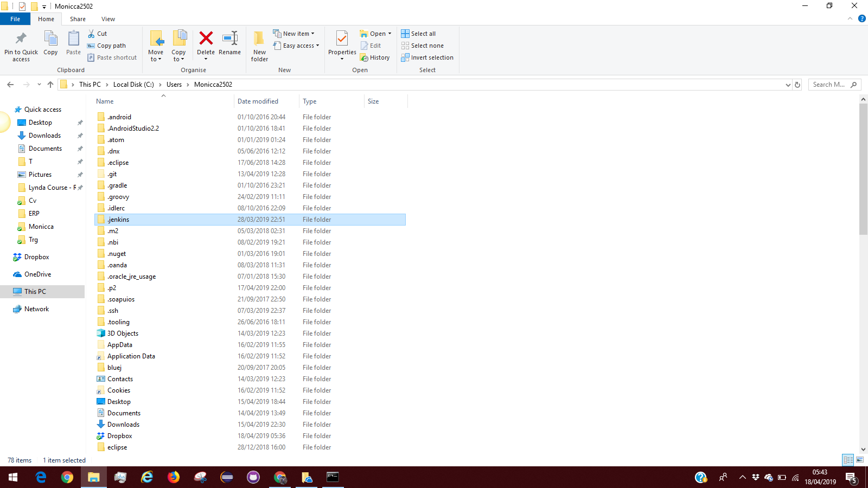
https://stackoverflow.com/questions/49345913/how-to-delete-jenkins-that-was-installed-as-jenkins-war-on-windows

