prototype
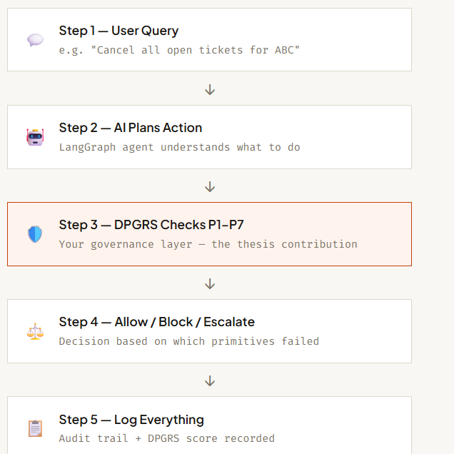
User asks AI something
↓
AI plans action
↓
DPGRS checks governance primitives
↓
Allow / Block / Escalate
↓
Action executes

I’ve created a starter pack of DPGRS YAML policy files for your thesis prototype, including:

P1 Authorization Control
P4 Human Oversight
P5 Reversibility
P7 Scope Containment

It also includes:

proper YAML structure
Responsible AI mappings
EU AI Act mappings
Singapore MGF mappings
runtime rules
observable evidence
0/1/2 scoring rubric

After creating these YAML files, your next implementation task will be:

Python Runtime Policy Engine
↓
Read YAML Policies
↓
Evaluate Agent Action
↓
ALLOW / BLOCK / ESCALATE

I created the YAML files in VS Code as structured governance configuration files.

I first defined the governance primitive conceptually from the literature review, then identified the runtime rules, regulatory mappings, and scoring criteria. After finalizing the governance structure, I represented it in YAML format because YAML is lightweight, human-readable, and commonly used for policy and configuration management in modern AI systems.

