METADATA
Daviz
Static chart
lllustration
 |  |  |  |  |  |  |  |  | Spetember 2022
Metadata checklist for Daviz, Static Charts and InfoGraphics/illustrations

 |  |  |  |  | Please checkmark the wanted product type(s):
 | Daviz | Static charts | Illustration
 | * | * | * | Title: Title of the chart / illustration | Pathways of introduction of non-indigenous species to Europe’s seas, 1970-2021
 | (*) | (*) | (*) | Geographical coverage: Exact geographical representation that crosses country borders e.g.: Biogeographical regions; Marine areas | MSFD marine regions and subregions Baltic Sea, Greater North Sea, Celtic Seas, Bay of Biscay and Iberian Coast, West, East and Central Mediterranean Sea, Adriatic Sea, Black Sea, Macaronesia
 | * | * | (*) | Countries involved / places covered: Countries involved or country groups e.g. EU28, EEA33
 | * | * | (*) | Description/abstract: 'How to read the chart / illustration.....' and other important information | Pie chart shows the share of the different pathways of introduction of new NIS to Europe's seas over the years 1970 to 2021. The category 'Other' includes the modes of introduction with the lowest shares, namely 'corridor', 'transport-stowaway: other', 'escape from confinement' and 'release in nature'. The 100% stacked column chart shows the trend in the number of new NIS by pathway of introduction between 1970 and 2017, on a 6-year cycle and for the latest 4-year period (2018-2021). While introductions by Transport-stowaway (ballast water and hull fouling) and ''unaided'' remain the prevalent mode, ''escape from confinement' has grown in importance in the most recent years.
 | * | * | (*) | Temporal coverage: Set of years/timerange e.g: 2010; 2010-2014 | 1970 to 2021
 |  |  |  | Additional information: Footnotes and any other relevant information | • The pie chart shows the proportions of non-indigenous species (NIS) introduced between 1970 and 2021 through various dispersal pathways. • The column chart shows the contribution of each pathway per 6-year interval between 1970-2017 and for the period 2018-2021.
 |  |  |  | Unit: The unit used in the chart / illustration | Percentage
 |  |  |  | Methodology: How the resource was compiled, used tools, applied procedures, additional information to understand the data, further references to used methodologies | National inventories of NIS were revised and updated with published data from biodiversity and hot-spot campaigns, academic surveys, and citizen science observed until December 2023 (reported until March 2024). The revised list was validated with the contribution of national experts. Microalgae and parasite/pathogen species identified are excluded. Cryptogenic, questionable and range-expanding species identified are also excluded from all analyses. Native, partly native species identified are excluded at EU level but included in sub-regional assessments for subregions where they have not been identified as native.

 | (*) | (*) | (*) | If you plan to use this chart / illustration in other products - please state here in which products: | scientific publication

Copyrights
Does your organisation have a documented License / Terms of use / Copyright policy for this chart / illustration?
 |  |  |  |  | www.

 |  |  |  |  |  |  |  | Yes / No
 |  | * | * | Does EEA have the rights to publish the chart / illustration in paper-reports? |  |  |  | yes
 | * | * | * | Does EEA have the rights to publish the chart / illustration in PDF-documents on the web? |  |  |  | yes
 | * | * | * | Does EEA have the rights to publish the data underpinning the chart / Daviz in the EEA CMS or other web-services? |  |  |  | yes
 | * | * | * | Does EEA have the rights to adapt the chart / illustration? |  |  |  | yes
 | * | * | * | Does EEA have the rights to use the chart / illustration in other reports and prodcuts? |  |  |  | yes
 | * | * | * | Does EEA have the rights to publish the chart / illustration in social medias? |  |  |  | yes

To be filled in by the EEA responsible
 |  |  |  | Organisation name: (Only if EEA does not own the chart/illustration)
 |  |  |  | Contact person: (Only if EEA does not own the chart/illustration)
 |  |  |  | Address (email): (Only if EEA does not own the chart/illustration)
 |  |  |  | Address (web site): (Only if EEA does not own the chart/illustration)
 | * | (*) | (*) | Tags / keywords: Max 3 words without use of capital letters | non-indigenous, alien species
 | * | (*) | (*) | EEA Theme / EEA Topic: max 3 themes. See list at http://www.eea.europa.eu/themes | Biodiversity - Ecosystems; Water and marine environment
 | * | * | * | EEA management plan year and code: Year: YYYY, Code: x.x.x | 2022 1.0.7
 | * | * | * | Contact persons: In-house contact - name and email | Name Natacha Carvalho |  | Email natacha.carvalho@eea.europa.eu
 |  |  |  | Contact persons: Out-side contact - name and email | Name Outinen Okko |  | Email Okko.Outinen@syke.fi
 |  |  |  | Processor/Contributer: name, organisation name and mail address to the technical producer or processor of data | Name Argyro Zenetoy | Email zenetos@hcmr.gr |  | Organisation HCMR

Dataset 1
(Please copy-and-paste this section to match the number of datasets used to create the graph)
 | * | * | (*) | Dataset name: E.g. Fishing fleet, total tonnage (Eurostat) | Marine non-indigenous species in Europe's seas for MSFD D2
 | * | * | (*) | Dataset owner: Eurostat - Statistical Office of the European Union (ESTAT) | EEA
 | * | * | (*) | Address (web site): e.g.: http://epp.eurostat.ec.europa.eu | https://www.eea.europa.eu/en/datahub/datahubitem-view/8775b34c-bc10-4a6c-b446-f01b521bba85
 | * | * | (*) | Publication year: Year of dataset publication | 2024
 | * | (*) | (*) | URL to the dataset (If data comes from the EEA CMS please provide the EEA Data Service URL to the right version. From external sources provide the link from where the data were accessed) http://ec.europa.eu/eurostat/data/database?node_code=tag00083 | https://sdi.eea.europa.eu/catalogue/srv/eng/catalog.search#/metadata/8775b34c-bc10-4a6c-b446-f01b521bba85
 | (*) |  |  | Path: If the URL is generic (the URL is unchanged when selecting the data tables), please describe the path to the tables E.g.: Eurostat -> Data -> Database -> Data Naviation tree -> Tables by themes -> Agriculture, forestry and fisheries -> Fisheries -> Fishing fleet, Total tonnage (tag00083)
 | (*) |  |  | Data sources | Main EU and regional sources: EU Tsiamis K, Boschetti S, Palialexis A, Somma F, Cardoso AC. Marine Strategy Framework Directive - Review and analysis of EU Member States’ 2018 reports - Descriptor 2: Non-indigenous species; Assessment (Art. 8), Good Environmental Status (Art. 9)and Targets (Art. 10). Publications Office of the European Union, Luxembourg; 2021a, EUR 30520 EN, doi:10.2760/7897 Mediterranean Zenetos, A.; Albano, P. G.; Garcia, E. L.; Stern, N.; Tsiamis, K.; Galanidi, M. Established non-indigenous species increased by 40% in 11 years in the Mediterranean Sea. Medit. Mar. Sci. 2022, 23, 196-212 https://doi.org/10.12681/mms.29106 Zenetos, Argyro, Konstantinos Tsiamis, Marika Galanidi, Natacha Carvalho, Cátia Bartilotti, João Canning-Clode, Luca Castriota, et al. "Status and Trends in the Rate of Introduction of Marine Non-Indigenous Species in European Seas." Diversity 14, no. 12 (2022): 1077-126. https://doi.org/10.3390/d14121077. Galanidi, M.; Aissi, M.; Ali, M.; Bakalem, A.; Bariche, M.; Bartolo, A.G.; Bazairi, H.; Beqiraj, S.; Bilecenoglu, M.; Bitar, G.; et al. Validated Inventories of Non-Indigenous Species (NIS) for the Mediterranean Sea as Tools for Regional Policy and Patterns of NIS Spread. Diversity 2023, 15, 962 https://doi.org/10.3390/d15090962 Black Sea Băncilă, RI.; Skolka, M.; Ivanova, P.; Surugiu, V.; Stefanova, K.; Todorova, V.; Zenetos, A. Alien species of the Romanian and Bulgarian Black Sea coast: state of knowledge, uncertainties, and needs for future research. Aquat Invasions 2022, 17 Baltic Sea AquaNIS. Editorial Board, 2015. Information system on Aquatic Non-Indigenous and Cryptogenic Species. World Wide Web electronic publication. www.corpi.ku.lt/databases/aquanis. Version 2.36+. Ojaveer, H.; Olenin, S.; Narščius, A.; Florin, A.-B.; Ezhova, E.; Gollasch, S.; Jensen, K.R.; Lehtiniemi, M.; Minchin, D.; Normant-Saremba, M.; et al. Dynamics of Biological Invasions and Pathways over Time: A Case Study of a Temperate Coastal

 |  |  |  |  | National and other sources: - Ewers-Saucedo C et al. 2021 Natural history collections recapitulate 200 years of faunal change. R. Soc. Open Sci. 8: 201983. -Gómez, F. (2019). Comments on the non-indigenous microalgae in the European seas. Marine pollution bulletin, 148, 1-2. -Gueroun, S. M., Molinero, J. C., Piraino, S., & Dali Yahia, M. N. (2020). Population dynamics and predatory impact of the alien jellyfish Aurelia solida (Cnidaria, Scyphozoa) in the Bizerte Lagoon (southwestern Mediterranean Sea). Mediterranean Marine Science, 21(1),22-35. -Kovačić, M., Lipej, L., Dulčić, J., Iglesias, S. P., & Goren, M. (2021). Evidence-based checklist of the Mediterranean Sea fishes. Zootaxa, 4998(1), 1-115. -Oliva-Paterna F.J., Ribeiro F., Miranda R., Anastácio P.M., García-Murillo P., Cobo F., Gallardo B., García-Berthou E., Boix D., Medina L., Morcillo F., Oscoz J., Guillén A., Arias A., Cuesta J.A., Aguiar F., Almeida D., Ayres C., Banha F., Barca S., Biurrun I., Cabezas M.P., Calero S., Campos J.A., Capdevila-Argüelles L., Capinha C., Carapeto A., Casals F., Chainho P., Cirujano S., Clavero M., Del Toro V., Encarnação J.P., Fernández-Delgado C., Franco J., García-Meseguer A.J., Guareschi S., Guerrero A., Hermoso V., Machordom A., Martelo J., Mellado-Díaz A., Moreno J.C., Oficialdegui F.J., Olivo del Amo R., Otero J.C., Perdices A., Pou-Rovira Q., Rodríguez-Merino A., Ros M., Sánchez-Gullón E., Sánchez M.I., Sánchez-Fernández D., Sánchez-González J.R., Soriano O., Teodósio M.A., Torralva M., Vieira-Lanero R., Zamora-López, A. & Zamora-Marín J.M. 2021. LISTA DE ESPECIES EXÓTICAS ACUÁTICAS DE LA PENINSULA IBÉRICA (2020). Lista actualizada de las especies exóticas acuáticas introducidas y establecidas en las aguas continentales ibéricas. Informe técnico preparado por LIFE INVASAQUA (LIFE17 GIE/ES/000515). 64 pp Greece -Zenetos, A., Karachle, P. K., Corsini-Foka, M., Gerovasileiou, V., Simboura, N., XENTIDIS, N. J., & Tsiamis, K. (2020). Is the t
 | (*) |  |  | Data providers-contributors | ZENETOS Argyro, zenetos@hcmr.gr; TSIAMIS Konsatntinos, kostas.tsiamis@gmail.com; GALANIDI Marika, marika.galanidi@gmail.com; BARTILOTTI Catia, cbartilotti@ipma.pt; CANNING-CLODE João, jcanning-clode@mare-centre.pt; CASTRIOTA Luca, luca.castriota@isprambiente.it; CHAINHO Paula, pmchainho@fc.ul.pt; COMAS GONZÁLEZ Robert, robert.comas@ieo.csic.es; COSTA Ana, ana.cm.costa@uac.pt; DRAGICEVIC Branko, brankod@izor.hr; DULCIC Jacov, dulcic@izor.hr; FAASSE Marco, MarcoFaasse@eurofins.com; FLORIN Ann Brit, ann-britt.florin@slu.se; GITTENBERGER Arjan, gittenberger@gimaris.com; JAKOBSEN Hans H., hhja@ecos.au.dk; JELMERT Anders, anders.jelmert@hi.no; KERCKHOF Francis, fkerckhof@naturalsciences.be; LEHTINIEMI Maiju, Maiju.Lehtiniemi@syke.fi; OUTINEN Okko, Okko.Outinen@syke.fi; LIVI Silvia, silvia.livi@isprambiente.it; LUNDGREEN Kim, kilun@mst.dk; MAČIĆ Vesna, macic.v@ucg.ac.me;MASSE Cecile, cecile.masse@mnhn.fr; MAVRIČ Borut, borut.mavric@nib.si; MO Kerstin, kerstin.mo@slu.se; NADDAFI Rahmat, rahmat.naddafi@slu.se; PETOVIC Slavica, kascelanslavica@gmail.com; PNG-GONZALEZ Lydia, lydia.png@ csic.es; CARBONELL QUETGLAS Aina, ana.carbonell@ieo.csic.es; RIBEIRO S. Romeu, romeu.ribeiro8@gmail.com; CIDADE Tiago, t.cydade@gmail.com; SMOLDERS Sander, a.a.j.smolders@nvwa.nl; STÆHR Peter A.U., pst@ecos.au.dk; VIARD Frederique, frederique.viard@umontpellier.fr

Draft Fig 2
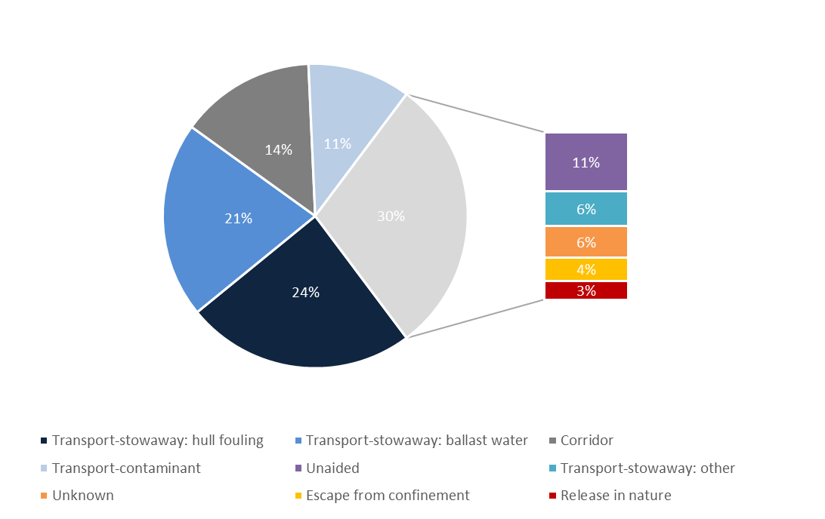
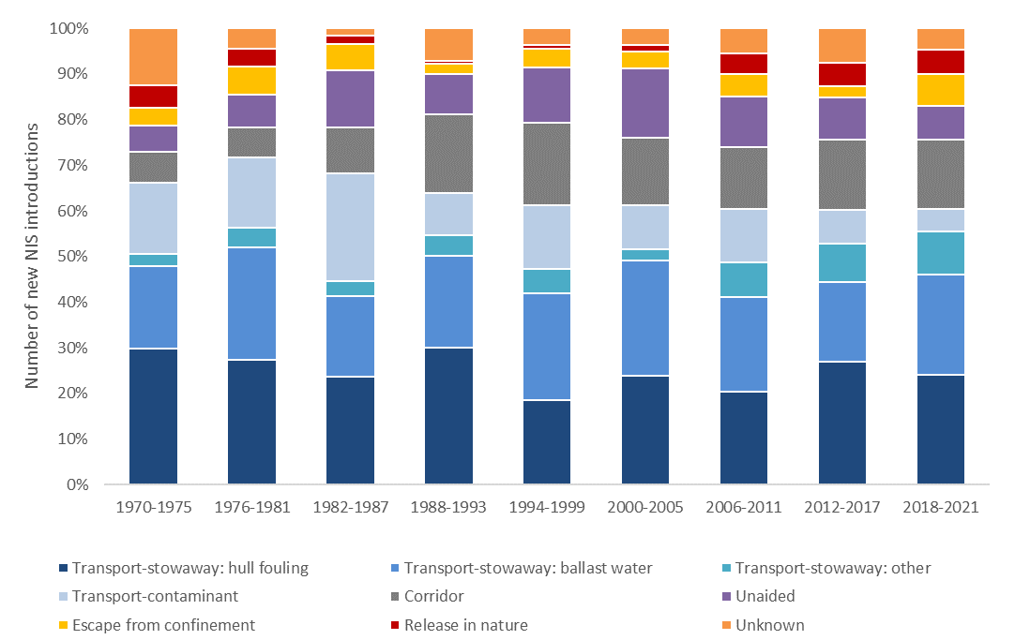

 | Transport-stowaway: hull fouling | Transport-stowaway: ballast water | Transport-stowaway: other | Transport-contaminant | Corridor | Unaided | Escape from confinement | Release in nature | Unknown
1970-1975 | 12.79 | 7.78 | 1.17 | 6.70 | 2.92 | 2.47 | 1.70 | 2.14 | 5.33
1976-1981 | 12.42 | 11.23 | 1.98 | 7.01 | 3.00 | 3.27 | 2.86 | 1.75 | 2.06
1982-1987 | 14.84 | 10.92 | 2.14 | 14.75 | 6.23 | 7.91 | 3.56 | 1.17 | 1.00
1988-1993 | 23.19 | 15.53 | 3.41 | 7.13 | 13.42 | 6.81 | 1.66 | 0.52 | 5.50
1994-1999 | 22.06 | 27.77 | 6.24 | 16.71 | 21.42 | 14.40 | 4.84 | 1.08 | 4.33
2000-2005 | 30.89 | 32.94 | 3.33 | 12.36 | 19.38 | 19.79 | 4.85 | 1.75 | 4.80
2006-2011 | 29.34 | 29.79 | 10.78 | 16.96 | 19.50 | 15.98 | 6.96 | 6.54 | 8.00
2012-2017 | 61.82 | 40.40 | 19.11 | 17.13 | 35.42 | 21.56 | 5.45 | 11.69 | 17.49

Data_ Pie Chart
Mode of NIS introduction in EU waters since 1970

 | Transport-stowaway: hull fouling | 229.74236754 | 24.3%
 | Transport-stowaway: ballast water | 196.69771398 | 20.8%
 | Corridor | 135.39684931 | 14.3%
 | Transport-contaminant | 103.26834508 | 10.9%
 | Unaided | 99.078504542 | 10.5%
 | Transport-stowaway: other | 56.940137215 | 6.0%
 | Unknown | 52.847246353 | 5.6%
 | Escape from confinement | 38.383110052 | 4.1%
 | Release in nature | 31.645725929 | 3.4%

 |  | 944 | 97%

Data_Bar Chart_Trend
 | Transport-stowaway: hull fouling | Transport-stowaway: ballast water | Unaided | Transport-contaminant | Corridor | Transport-stowaway: other | Escape from confinement | Release in nature | Unknown
1970-1975 | 12.79 | 7.78 | 2.47 | 6.70 | 2.92 | 1.17 | 1.70 | 2.14 | 5.33
1976-1981 | 12.42 | 11.23 | 3.27 | 7.01 | 3.00 | 1.98 | 2.86 | 1.75 | 2.06
1982-1987 | 14.84 | 10.92 | 7.91 | 14.75 | 6.23 | 2.14 | 3.56 | 1.17 | 1.00
1988-1993 | 23.19 | 15.53 | 6.81 | 7.13 | 13.42 | 3.41 | 1.66 | 0.52 | 5.50
1994-1999 | 22.06 | 27.77 | 14.40 | 16.71 | 21.42 | 6.24 | 4.84 | 1.08 | 4.33
2000-2005 | 30.89 | 32.94 | 19.79 | 12.36 | 19.38 | 3.33 | 4.85 | 1.75 | 4.80
2006-2011 | 29.34 | 29.79 | 15.98 | 16.96 | 19.50 | 10.78 | 6.96 | 6.54 | 8.00
2012-2017 | 61.82 | 40.40 | 21.56 | 17.13 | 35.42 | 19.11 | 5.45 | 11.69 | 17.49
2018-2021 | 22.41 | 20.36 | 6.89 | 4.51 | 14.13 | 8.79 | 6.50 | 5.00 | 4.33
 |  |  |  |  |  |  |  |  |  | 944.00
 | 229.74 | 196.70 | 99.08 | 103.27 | 135.40 | 56.94 | 38.38 | 31.65 | 52.85
 | 24% | 21% | 10% | 11% | 14% | 6% | 4% | 3% | 6%

