Sheet1
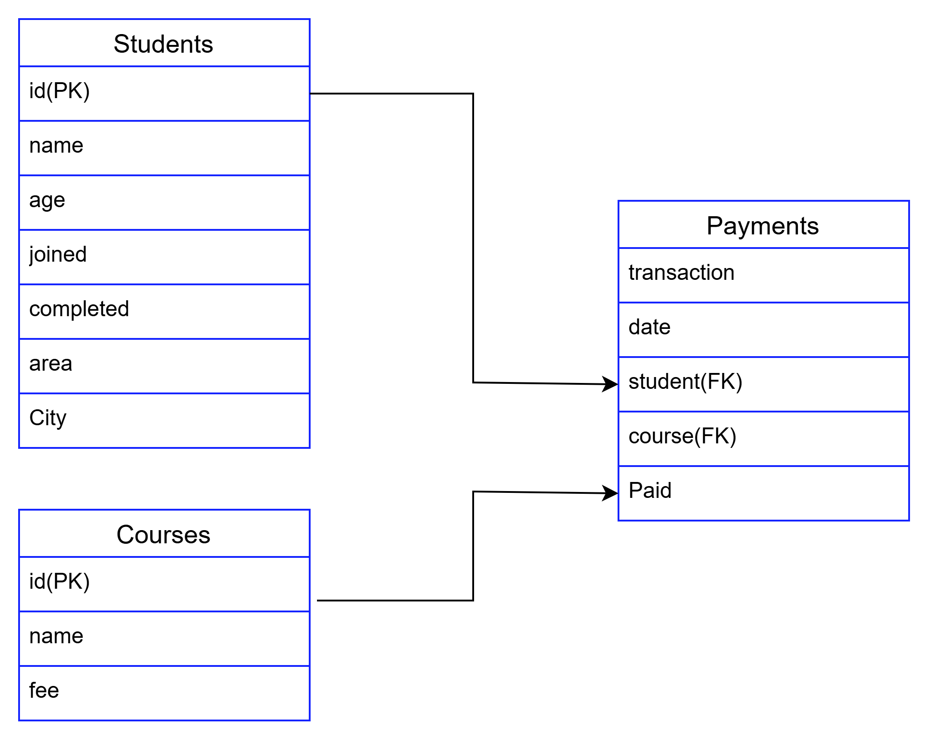
1 Cartesian/Cross join

 |  | Student table |  | Course table |  | Cross join
 |  | id | student | id | course | Studetn | course
 |  | 1 | Vanu | 1 | Python | Vanu | Python
 |  | 2 | suji | 2 | SQL | suji | Python
 |  | 3 | Swetha | 3 | Java | Swetha | Python
 |  | 4 | thiru |  |  | thiru | Python
 |  |  |  |  |  | Vanu | SQL
 |  |  |  |  |  | suji | SQL
 |  |  |  |  |  | Swetha | SQL
 |  |  |  |  |  | thiru | SQL
 |  |  |  |  |  | Vanu | Java
 |  |  |  |  |  | suji | Java
 |  |  |  |  |  | Swetha | Java
 |  |  |  |  |  | thiru | Java

2 | inner Join

