Sheet1
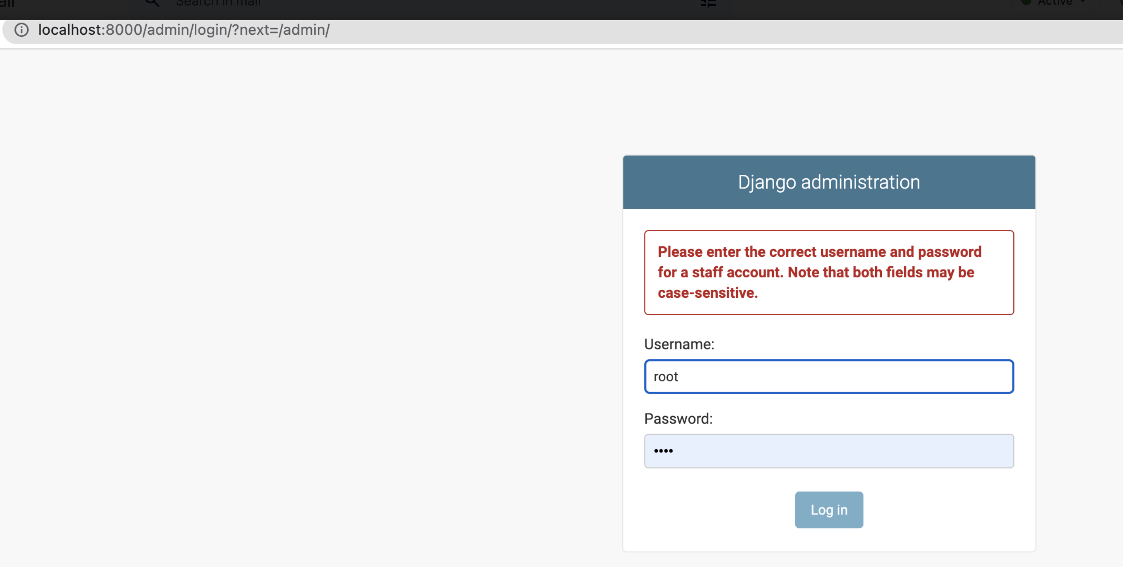
Numbering | Commands in Terminal | Notes | terminal error
1 | docker network create my_network | docker network rm my_network | to remove network -
2 | docker network ls
3 | cd dba
4 | docker build -t my_dba .
5 | docker run --name mydba --network my_network -p 8080:81 -d my_dba
6 | cd ..
7 | cd db
8 | docker build -t my_db .
9 | docker run --name mydb --network my_network -itd -p5432:5432 my_db | my_db = container name , mydbimage is the image name
10 | cd ..
11 | docker build -t my_django .
12 | docker run -it -p8000:8000 -v "$(pwd)/app:/app" my_django /bin/bash
13 | ls
14 | touch text.txt | creating text file
15 | ls | to check if text fle got created
16 | cd ..
17 | cd app
18 | django-admin startproject app
19 | ls
20 | rm text.txt | removing the file
21 | ls
22 | cd ..
23 | django-admin startproject app | CommandError: '/app' already exists
24 | cd app
25 | django-admin startproject app | root@1bb2396056f9:/app# django-admin startproject app CommandError: '/app/app' already exists | root@1bb2396056f9:/app# python manage.py runserver 0.0.0.0:8000 python: can't open file '/app/manage.py': [Errno 2] No such file or directory root@1bb2396056f9:/app# cd .. root@1bb2396056f9:/# python manage.py runserver 0.0.0.0:8000 python: can't open file '//manage.py': [Errno 2] No such file or directory root@1bb2396056f9:/# python app/app/manage.py runserver 0.0.0.0:8000 Watching for file changes with StatReloader Performing system checks... System check identified no issues (0 silenced).
26 | python app/manage.py runserver 0.0.0.0:8000 | you will get this :Django version 4.1.2, using settings 'app.settings' Starting development server at http://0.0.0.0:8000/ Quit the server with CONTROL-C.
27 | open web browser and type URL http://localhost:8000/ | 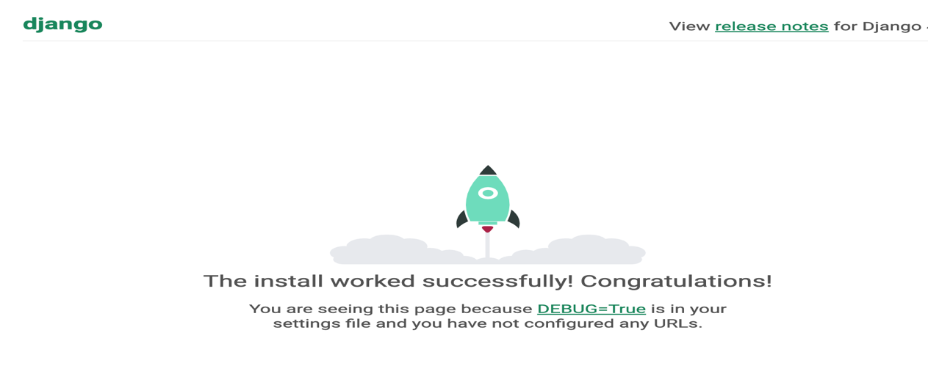
28 | open web browser and type URL - http://localhost:8000/admin | 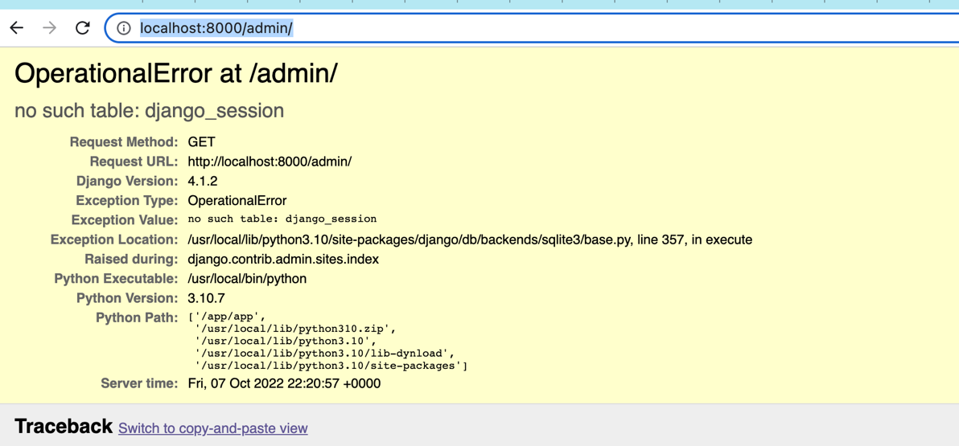 might get the error OperationalError at /admin/ no such table: django_session Request Method: GET Request URL: http://localhost:8000/admin/ Django Version: 4.1.2 Exception Type: OperationalError Exception Value: no such table: django_session Exception Location: /usr/local/lib/python3.10/site-packages/django/db/backends/sqlite3/base.py, line 357, in execute Raised during: django.contrib.admin.sites.index Python Executable: /usr/local/bin/python Python Version: 3.10.7 Python Path: ['/app/app', '/usr/local/lib/python310.zip', '/usr/local/lib/python3.10', '/usr/local/lib/python3.10/lib-dynload', '/usr/local/lib/python3.10/site-packages'] Server time: Fri, 07 Oct 2022 22:20:57 +0000 | django.db.utils.OperationalError: no such table: django_session [07/Oct/2022 22:20:57] "GET /admin/ HTTP/1.1" 500 186270
29 | cd ..
30 | python /app/app/manage.py migrate
31 | python app/app/manage.py runserver 0.0.0.0:8000 |  | root@3d883af652d5:/app# python app/manage.py runserver 0.0.0.0:8000 Watching for file changes with StatReloader Performing system checks... System check identified no issues (0 silenced). October 07, 2022 - 22:28:40 Django version 4.1.2, using settings 'app.settings' Starting development server at http://0.0.0.0:8000/ Quit the server with CONTROL-C.
32 | python /app/app/manage.py createsuperuser |  | Username (leave blank to use 'root'):
33 | press enter
34 | system gives Email address:
35 | enter mona@mona.com
36 | asks for password |  | Email address: mona@mona.com Password: Password (again): This password is too short. It must contain at least 8 characters. This password is too common. Bypass password validation and create user anyway? [y/N]:
37 | enter pass |  | Bypass password validation and create user anyway? [y/N]: y Superuser created successfully.
38 | enter y
39 | python /app/app/manage.py runserver 0.0.0.0:8000
40 | go to browser enter:http://localhost:8000/admin/login/?next=/admin/ | user can see dashboard
41 | in terminalpress ctrl+c
42 | find the django data base connect details and enter the details in settings.py (under app/app)
43 | go to the folder struture where your file is stored under settings.py find database and type. DATABASES = { 'default': { 'ENGINE': 'django.db.backends.postgresql', 'NAME': 'web', 'USER': 'root', 'PASSWORD': 'pass', 'HOST': 'mydb', 'PORT': 5432, } }
44 | python /app/app/manage.py migrate
45 | add module in requirements.txt psycopg2
46 | exit
47 | docker build -t my_django .
48 | docker run -it -p8000:8000 -v "$(pwd)/app:/app" my_django /bin/bash
49 | python /app/app/manage.py migrate | File "/usr/local/lib/python3.10/site-packages/django/db/backends/postgresql/base.py", line 215, in get_new_connection connection = Database.connect(**conn_params) File "/usr/local/lib/python3.10/site-packages/psycopg2/__init__.py", line 122, in connect conn = _connect(dsn, connection_factory=connection_factory, **kwasync) django.db.utils.OperationalError: could not translate host name "my_db" to address: Name or service not known
50 | exit
51 | docker run -it -p8000:8000 --network my_network -v "$(pwd)/app:/app" my_django /bin/bash
52 | python /app/app/manage.py migrate | stuck here
53 | python /app/app/manage.py runserver 0.0.0.0:8000
54 | go to webrowser http://localhost:8000/
55 | go to webrowser http://localhost:8000/admin | error here(unable to login, prof will explain next week)

