Sheet1
Pipe Cleaner - System Naming Convention
 |  |  | 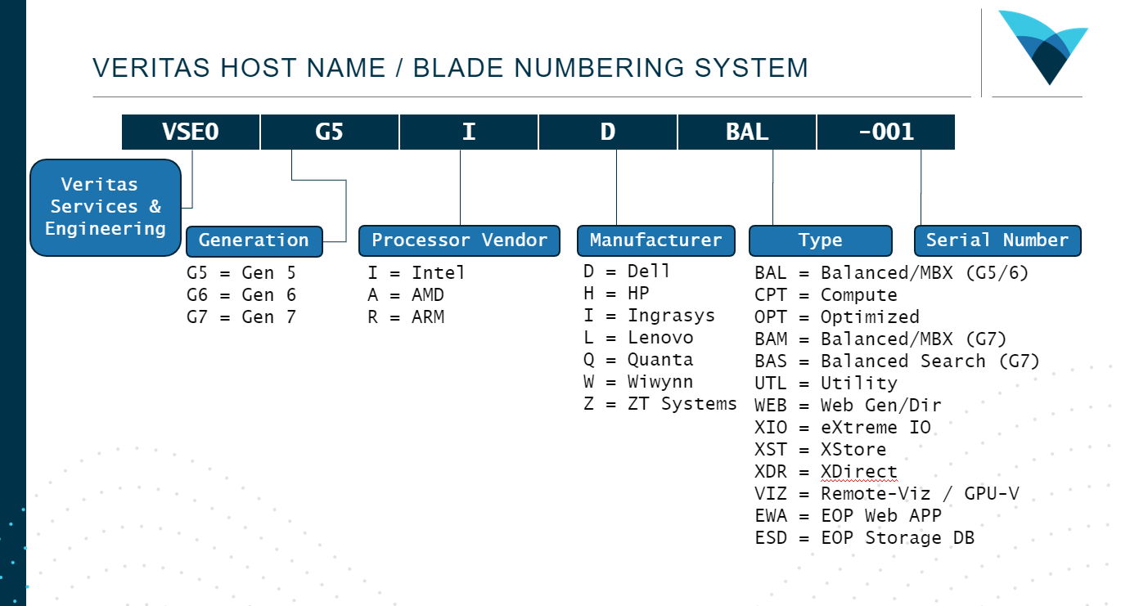
VSE Sites |  | Generation |  | Processor Vendor |  | Manufacturer |  | Serial
VSE0 | Kirkland | G5 | Gen 5 | D | Dell | BAL | Balanced/MBX (G5/6) | "-5xx" | Gen 5 Hint
VSE1 | Thailand | G6 | Gen 6 | H | HP | CPT | Compute | "-6xx" | Gen 6 Hint
VSE2 | Europe | G7 | Gen 7 | I | Ingrasys | OPT | Optimized | "-7xx" | Gen 7 Hint
END | Script Ends Here | G8 | Gen 8 | L | Lenovo | BAM | Balanced/MBX (G7) | "-8xx" | Gen 8 Hint
 |  |  |  | Q | Quanta | BAS | Balanced Search (G7) | "-9xx" | Gen 9 Hint
 |  |  |  | W | Wiwynn | UTL | Utility
 |  |  |  | Z | ZT Systems | WEB | Web Gen/Dir
 |  |  |  |  |  | XIO | eXtreme IO
 |  |  |  |  |  | XST | XStore
 |  |  |  |  |  | XDR | XDirect
 |  |  |  |  |  | VIZ | Remote-Viz / GPU-V
 |  |  |  |  |  | EWA | EOP Web APP
 |  |  |  |  |  | ESD | EOP Storage DB

