HELPFUL PICTURES
how to see the macros

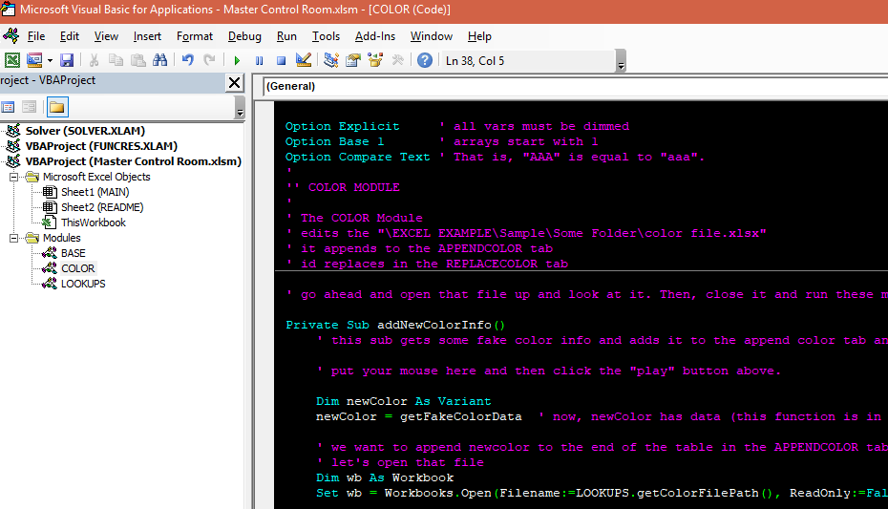
what it looks like once you click "Visual Basic". That big black window? Yours will likely be white - It should have the same structure, though. See the "Modules" on the left, that's where the code is. Each Module has different code in it.

