relationships
Define what type of info goes in a field and whether or not it needs to be present.
The properties that can be derived like aa number, mass or stimated structure) can be calculated after so not necessary to put them in a table now.
Create a table defining what each column is for easy access.
Consider for interactions complexes. Also for assembly does this assemble into something fucntional and this. Add a experimentally tested row.
Field with unique ID , and extra field for data integrity to avoid issues when a taxon ID is retired for classification. So I would add one of my own.
Consider doing the same for operons o tring structures locally, relation between sequence database structure. If I make it local I cannot go to external database, so I need to define my own to test for pdu and eut
Uniprot | Genbank | NCBI | PDB/Structure | Gene name

Gene name | protein type | function | conserved family domain | interactions | essential?
 |  |  | CDD,
taxon ID | Organism

aa | mass | prot seq | dna seq | uniprot | Gene name | taxon ID

proteinID | protein seq | NCBI locus ID | primary_gene_name | UniProtId
1 | MFLCEPPY |  | pduB
2 | MFLCEPPY |  | pduB
3 | MKDCHY
4
 |  |  |  |  |  |  | DOMAINS
taxon_key | db_xref | species | genus | class | order |  | domain_key | dx_xref | external_source
1 | 546 |  |  |  |  |  | 1 | cdd1234 | CDD
2 | 502025 |  |  |  |  |  | 2 | cdd3456 | CDD
3 |  |  |  |  |  |  | 3 | P4056 | PFam

proteinID | taxID |  |  | pdb_primary_key | pdb_rcsb_accession |  | protein_key | domain_key
1 | 1 |  |  | 1 | 6NLU |  | 1 | 2
2 | 2 |  |  | 2
3 | 1 |  |  | 3

alt_gene_name_id | gene_name |  |  | proteinID | pdb_primary_key
1 | STM2039 |  |  | 1 | 1
2 | yffJ |  |  | 2 | 1
3 | b2349

proteinID | alg_gene_name_id |  |  | COMPLEXES
1 | 1 |  |  | complex_primary_key | protein_id |  | complex_primary_key | activity | experimentally_tested?
2 | 2 |  |  | 1 | 1 |  | 1 | active | Y
2 | 3 |  |  | 1 | 2 |  | 2 |  | N
 |  |  |  | 1 | 3 |  | 3 |  | N
 |  |  |  | 2 | 1 |  | 4 | inactive | Y
OPERONS/CONSTRUCTS |  |  |  | 2 | 4
operon_key | protein_key |  |  | 2 | 5
1 | 1 |  |  | 3 | 1
1 | 2 |  |  | 3 | 2
1 | 3 |  |  | 3 | 4
2 | 4 |  |  | 3 | 5
2 | 5 |  |  | 4 | 1
2 | 6 |  |  | 4 | 2
2 | 7

operon_key | taxon_key
1 | 1
2 | 3

operon_key | operon_metadata
1 | some_info
2 | some_other_info

index sections
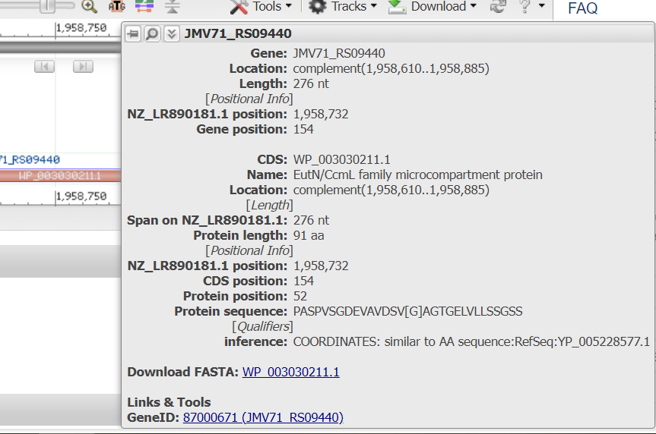
Section | Description
protein_ID | Unique ID given to differentiate between proteins for this database. Acts a primary key
protein_sequence | Aminoacid sequence (several strains/species can have the same)
NCBI_locus_ID | Not sure id to put CDS or Gene (see image). CDS selected as it is directly related to the protein sequence identified in each organism.
UniProt_ID | Unique ID given by UniProt to differentiate between proteins. If the aminoacid sequence is different the reference will be unique. It should be the same for taxonomy and isoforms.
DNA_sequence | Nucleotide sequence (several strains have the same)
primary_gene_name | Unique name given to identify each protein from each BMC type and differentiate it from the rest. As its name depends on function, locus or BMC type it may be the same for different proteins.
taxon_ID | Unique taxon ID given to differentiate between organisms for this database. Acts as key
NCBI_tax_ref | Taxonomy reference provided by NCBI. The taxonomy can be a shorter number and go to specie or go to strain. See 1 and 2 for example
species | The specie of the organism with that taxon_ID
genus | The genus of the organism with that taxon_ID
family | The family of the organism with that taxon_ID
order | The order of the organism with that taxon_ID
phylum | The phylum of the organism with that taxon_ID
class | The class of the organism with that taxon_ID
strain | The strain of the organism with that taxon_ID
function | Define the function of that protein. Meaning its role within the BMC
protein_type | Define the type of protein, related to its function in most cases. Inclyding shell proteins (e.g: hexamer) or other proteins, like chaperones.
alt_gene_name_ID | Unique ID given to reference a protein with the possible alternative names that can be given to it.
gene_name_1 | Alternative name 1
gene_name_2 | Alternative name 2
gene_name_3 | Alternative name 3
pdb_primary_ID | Unique ID given to reference a protein PDB structure to a protein
pdb_rcsb_accession | The PDB ID given for that protein. How to know which one to choose? Change by resolution
domain_ID | Unique ID given to reference a family domain
database_ref_family | The reference ID given by the database source
external_source | The source name of the database used as reference
complex_ID | Unique ID given to a BMC complex compose of shell proteins, enzymes and other proteins
protein_essential_assembly | To define whether the protein part of the specific complex is essential for its assembly or not
known_interaction_protein_ID | To add those proteins that directly interact with the protein_ID within the complex
activity | To define wether the complex is active or inactive when assembled
assembly_experimentally_tested | To define wether the complex assebmly has been tested experimentally
substrate | The substrate that is used during the enzymatic reaction performed inside the BMC
product_1 | The product obtained from the enzymatic reaction produced inside the BMC
product_2 | The second product obtained from the enzymatic reaction produced inside the BMC, either a secondary product, intermediate or produced instead of.
product_3 | The third product obtained from the enzymatic reaction produced inside the BMC, either a secondary product, intermediate or produced instead of.
main_reaction_type | The main reaction produced within the BMC
othe_ reaction_type_1 | A secondary reaction type produced within the BMC
othe_ reaction_type_2 | A third reaction type produced within the BCM
complex_type | Type of complex defined under classification for different metabolosomes. Consider axen et al classification? See depending on types as it goes
isoform | Unique ID to reference the isoform of a certain protein
gene_name_IF
DNA_sequence_IF
protein_sequence_IF
Uniprot_ID_IF

