Creatures-Prey (Complete)
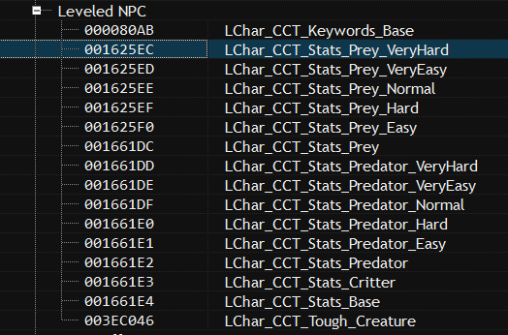

Level | Editor ID | Health | Damage Resist | XP Offset | Game NPC ID
125 | CCT_Template_Stats_Prey_125 | 781 | 400 | 178
130 | CCT_Template_Stats_Prey_130 | 812 | 400 | 185
135 | CCT_Template_Stats_Prey_135 | 843 | 400 | 192
140 | CCT_Template_Stats_Prey_140 | 875 | 400 | 198
145 | CCT_Template_Stats_Prey_145 | 906 | 400 | 205
150 | CCT_Template_Stats_Prey_150 | 937 | 425 | 212
155 | CCT_Template_Stats_Prey_155 | 968 | 425 | 219
160 | CCT_Template_Stats_Prey_160 | 1000 | 425 | 225
165 | CCT_Template_Stats_Prey_165 | 1031 | 425 | 232
170 | CCT_Template_Stats_Prey_170 | 1062 | 425 | 239
175 | CCT_Template_Stats_Prey_175 | 1093 | 450 | 246
180 | CCT_Template_Stats_Prey_180 | 1125 | 450 | 252
185 | CCT_Template_Stats_Prey_185 | 1156 | 450 | 259
190 | CCT_Template_Stats_Prey_190 | 1187 | 450 | 266
195 | CCT_Template_Stats_Prey_195 | 1218 | 450 | 273
200 | CCT_Template_Stats_Prey_200 | 1250 | 475 | 279
205 | CCT_Template_Stats_Prey_205 | 1281 | 475 | 286
210 | CCT_Template_Stats_Prey_210 | 1312 | 475 | 293
215 | CCT_Template_Stats_Prey_215 | 1343 | 475 | 300
220 | CCT_Template_Stats_Prey_220 | 1375 | 475 | 306
225 | CCT_Template_Stats_Prey_225 | 1406 | 500 | 313
230 | CCT_Template_Stats_Prey_230 | 1437 | 500 | 320
235 | CCT_Template_Stats_Prey_235 | 1468 | 500 | 327
240 | CCT_Template_Stats_Prey_240 | 1500 | 500 | 333
245 | CCT_Template_Stats_Prey_245 | 1531 | 500 | 340
250 | CCT_Template_Stats_Prey_250 | 1562 | 525 | 347
255 | CCT_Template_Stats_Prey_255 | 1593 | 525 | 354
260 | CCT_Template_Stats_Prey_260 | 1625 | 525 | 360
265 | CCT_Template_Stats_Prey_265 | 1656 | 525 | 367
270 | CCT_Template_Stats_Prey_270 | 1687 | 525 | 374
275 | CCT_Template_Stats_Prey_275 | 1718 | 550 | 381
280 | CCT_Template_Stats_Prey_280 | 1750 | 550 | 387
285 | CCT_Template_Stats_Prey_285 | 1781 | 550 | 394
290 | CCT_Template_Stats_Prey_290 | 1812 | 550 | 401
295 | CCT_Template_Stats_Prey_295 | 1843 | 550 | 408
300 | CCT_Template_Stats_Prey_300 | 2500 | 600 | 414

