Clients
 | New Loans | Pre-Approved Loans | Signed Contracts | IBV Received | Rejected Loans of the Day | User Name

 | Clients

MENU | Profile | Information | IBV | Loan Requests | Loan Contracts | Sheet6 | Sheet7

Clients
Loan Requests | Id | First Name | Last Name | Date of Birth | Phone | Email
Loan Contracts |  |  |  |  |  |  |  | <order by A-Z>
Fees & Charges |  |  |  |  |  |  |  | <order by Z-A>
EFT Deposit
Loan Collections | 1 | Firs Name 1 | Last Name 1 | YYYY-MM-DD | 9-999-999-9999 | first.last@gmail.com
Messages | 2 | Firs Name 2 | Last Name 2 | YYYY-MM-DD | 9-999-999-9999 | first.last@gmail.com
Configuration | 3 | Firs Name 3 | Last Name 3 | YYYY-MM-DD | 9-999-999-9999 | first.last@gmail.com

 | Information |  |  |  |  |  |  | IBV

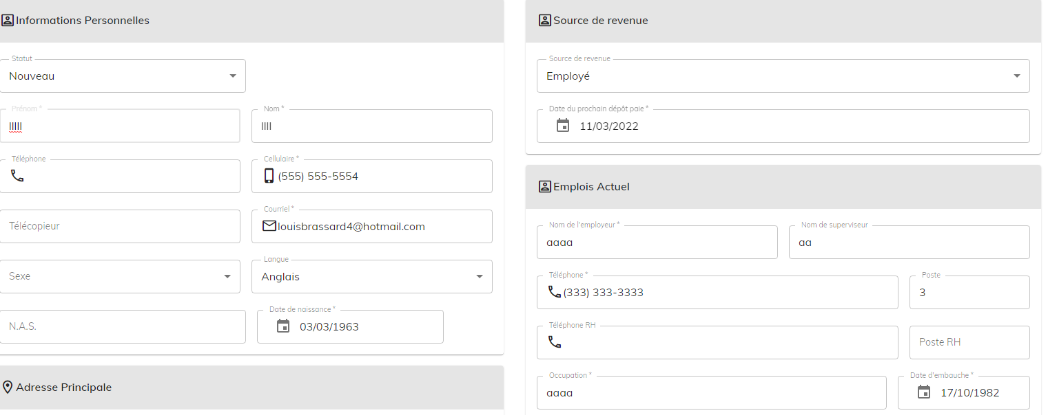
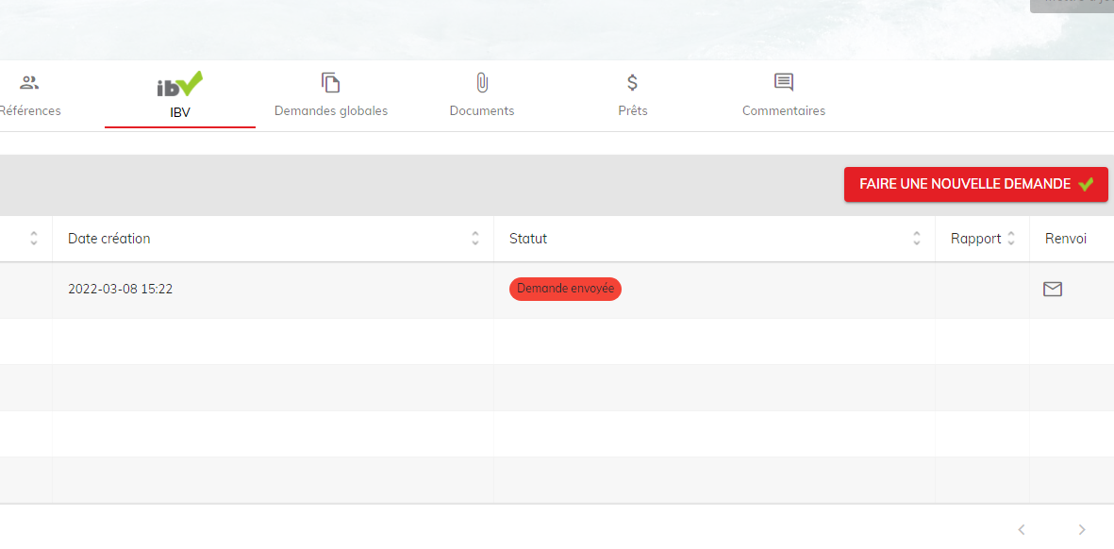

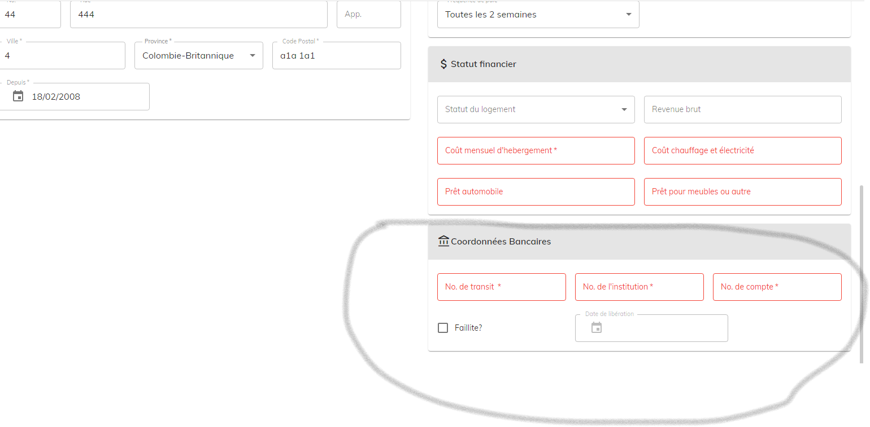

 |  |  |  |  |  |  |  | Loan Requests

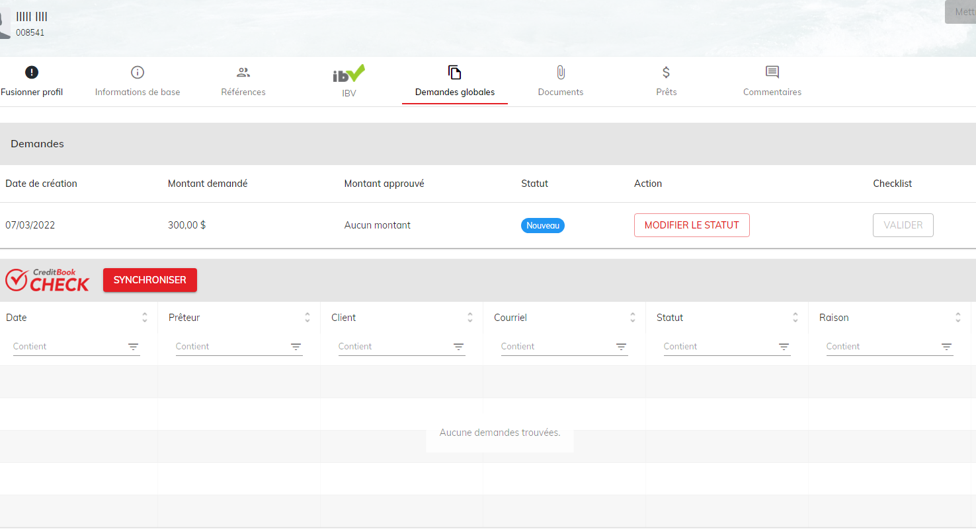

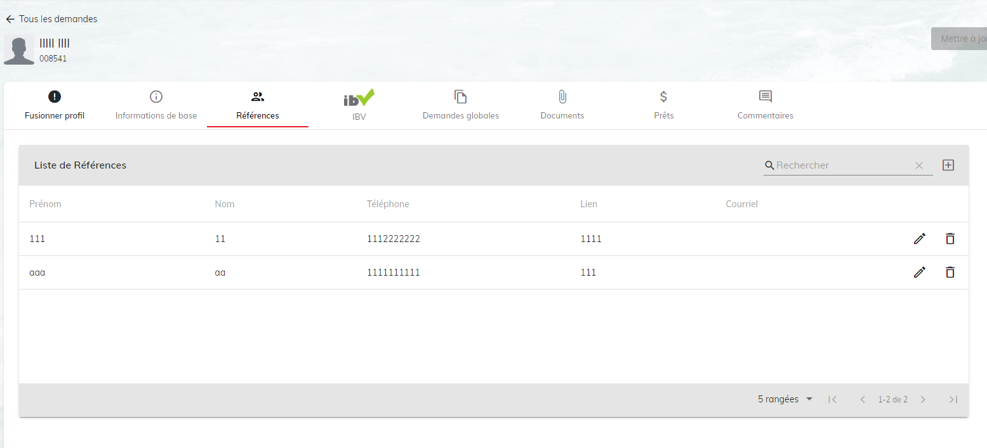

 |  |  |  |  |  |  |  | Loan Contracts

