Bug Report
Defect Report |  | Defect Report |  | Defect Report |  | Defect Report

Bug ID | BUG_001 | Bug ID | BUG_002 | Bug ID | BUG_003
Title | Unclear error message when the user enter wrong password | Title | Registration is allowed with a duplicate email | Title | Registration is allowed with an invalid email
Module | Sign in | Module | Registration | Module | Registration
Environment | HisabDo app | Environment | HisabDo app | Environment | HisabDo app
Steps to Reproduce | 1- Enter registered email; 2- enter wrong password; 3- tap Login | Steps to Reproduce | 1- Open Registration; 2- enter existing email; 3- submit | Steps to Reproduce | 1- Open Registration; 2- enter invalid email; 3- submit
Expected Result | Login is rejected with a clear error message | Expected Result | Registration is rejected with duplicate-account message | Expected Result | Invalid format is rejected
Actual Result | Login is rejected but with an unclear error message | Actual Result | Registration succeeds and user logged in with a duplicate email | Actual Result | Registration succeeds and user logged in with an invalid email
Severity | Medium | Severity | High | Severity | High
Priority | High | Priority | High | Priority | High
Screenshot | 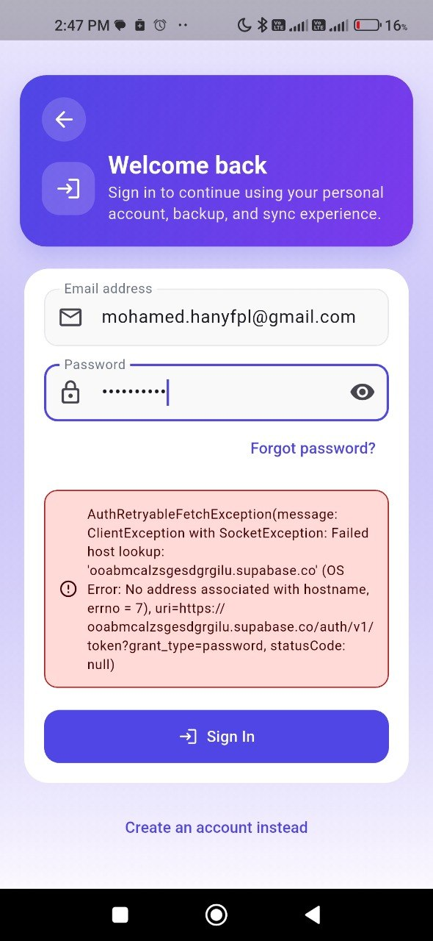 | Screenshot | 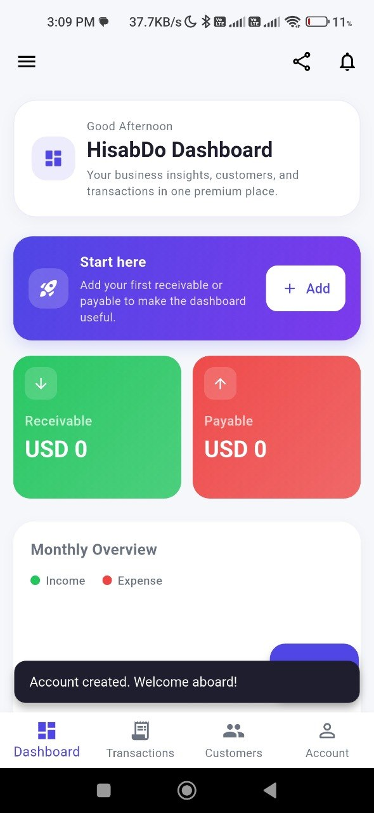 | Screenshot
Status | Open | Status | Open | Status | Open

