Sheet1
Tutorialul nr. |  |  | Nume tutorial | Printscreen la afisarea fiecarui tutorial
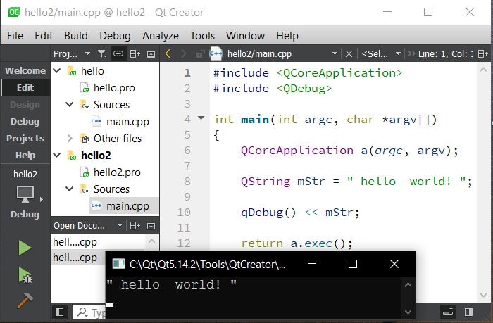

 | 2 |  | hello world

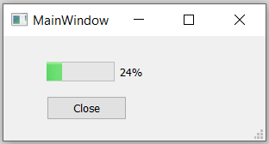

 | 3 |  | Intro to GUI Programming

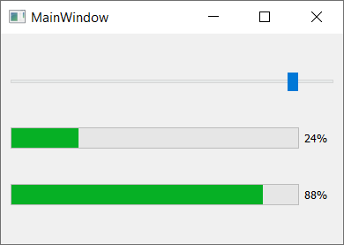

 | 4 |  | Signal and Slots

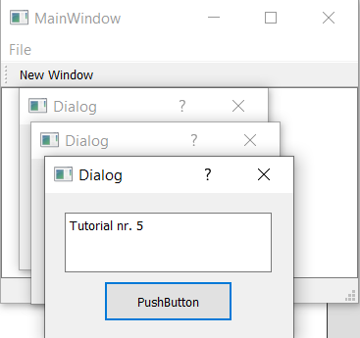

 | 5 |  | Displaying Windows

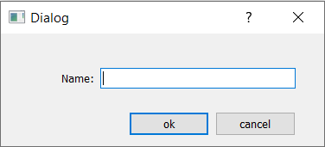

 | 6 |  | layouts, tabs and buddies

 | 7 |  | Basic Application and HTML |  |  |  | QLabel

 | 8 |  | Horizontal and Vertical Layouts |  | QPushButton, Qlayout, QVBoxLayout, QHBoxLayout

 | 9 |  | QGridLayout |  | QGridLayout, QPushButton, QLayout, QLineEdit

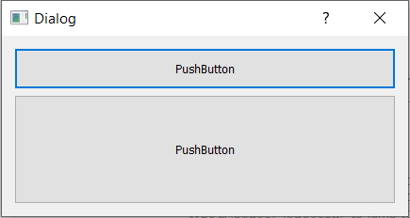

 | 10 |  | Spliters

 | 11 |  | Qdir

 | 12 |  | Qfile

 | 13 |  | Resource Files

 | 14 |  | QLabel and QT Designer

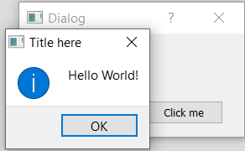

 | 15 |  | QPushButton

 | 16 |  | QLineEdit

 | 17 |  | QCheckButton

 | 18 |  | QRadioButton

 | 19 |  | QComboBox

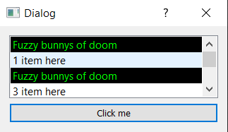

 | 20 |  | QListWidget

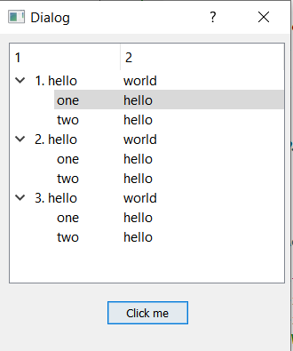

 | 21 |  | QTreeWidget

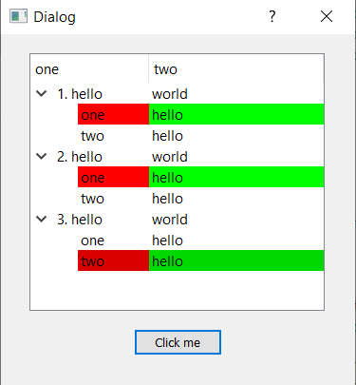

 | 22 |  | QTreeWidget continued

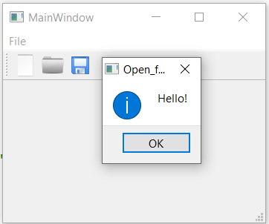

 | 23 |  | QActions

 | 24 |  | QSlider and QProgressBar

 | 25 |  | QStatusBar

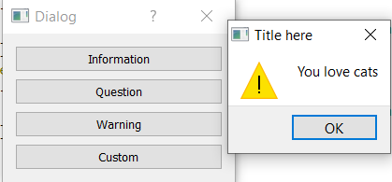

 | 26 |  | QMessageBox

 | 27 |  | Qtimer

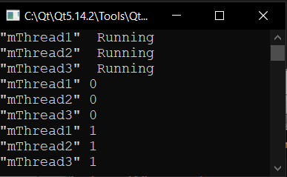

 | 28 |  | QThread part1 (creating a thread)

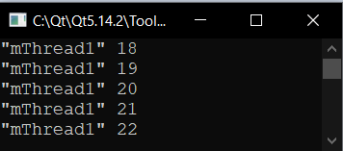
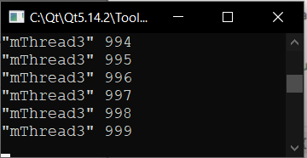

 | 29 |  | QThread part2 (the Priority)

 |  |  |  |  | Thread1 - HighestPriority |  |  |  | Thread3 - LowestPriority | Thread2 - normal

 | 30 |  | QThread part3(the Mutex)

 | 31 |  | QThread part4(threads with a GUI)

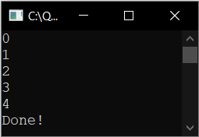

 | 33 |  | QThread part5(waiting)

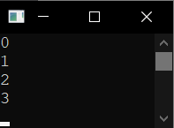

 | 35 | QThread part6(Threading done correctly in Qt)

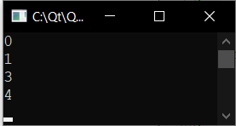

 | 36 |  | Introducing containers and the QList

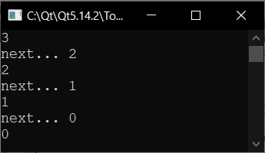

 | 37 | QListIterator and navigating the Qlist

 | 38 |  | QMutableListIterator and Qlist

 | 39 |  | QLinkedList

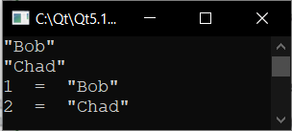

 | 40 |  | QMap

 | 41 |  | QHash

 | 42 |  | QStringList

 | 43 |  | QSortAlgorithm

 | 44 |  | QCopyAlgorithm

 | 45 |  | QFillAlgorithm

 | 46 |  | QFind Algorithm

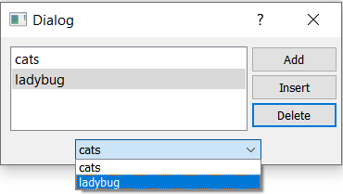

 | 47 |  | Intro to model view programming

 | 48 |  | QDirModel and QTreeView

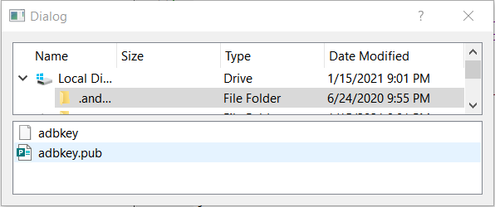

 | 49 |  | QFileSystemModel a simple file explorer example

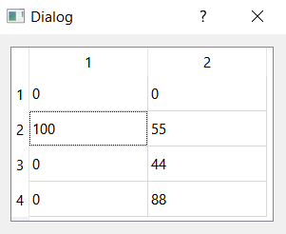

 | 50 |  | QItemDelegate - delegates in a Qtableview

 | 51 |  | Intro to Databases with Qt

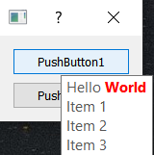
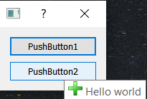

 | 59 |  | ToolTips with HTML styling and images from resources

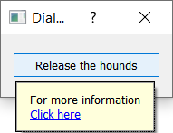


 | 60 |  | Whats this help with installable event filters

 | 62 |  | Viewer Feedback Signals and Slots in depth

 | 63 |  | Introduction to Network Programming Concepts

 | 64 |  | QHttp download files from the web with ease

 | 65 |  | QTcpSocket basics |  |  |  |  |  |  |  | google.com

 |  |  |  |  | voidrealms.com

 | 66 |  | QTCPSocket using signals and slots

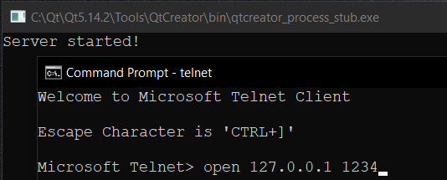
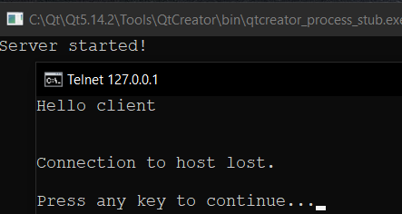

 | 67 |  | QTCPServer - a basic TCP server application

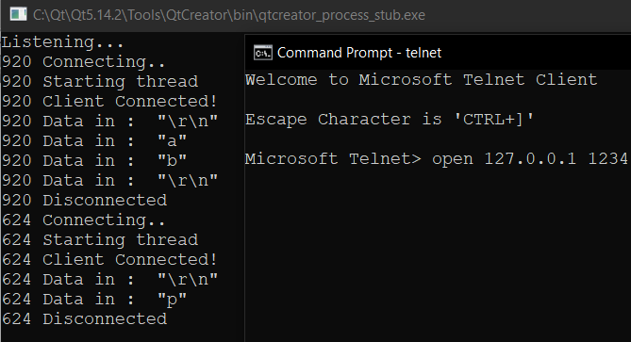

 | 68 |  | QTcpServer using multiple threads

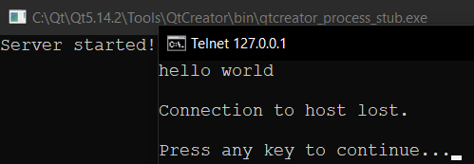

 | 69 |  | QTcpServer using QThreadPool

 | 70 |  | Advanced Asynchronous QTcpServer with QThreadPool

 | 71 |  | QUDPSocket

 | 74 |  | QPainter and Qpen

 | 75 |  | QRect and Qbrush

 | 76 |  | QPolygon and QPainterPath

 | 77 |  | Line Caps

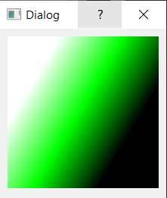
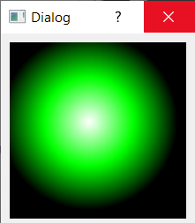
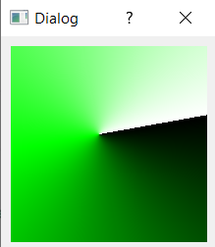

 | 78 |  | Gradients

 |  |  |  | Linear |  | Circular |  | Conical

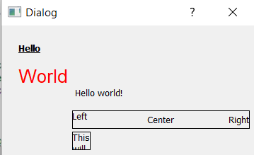

 | 79 |  | Drawing Text and QTextDocument

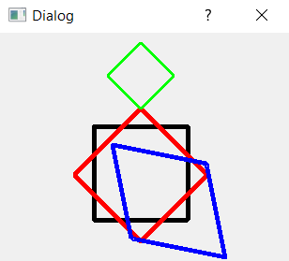

 | 80 |  | QPainter Transformations

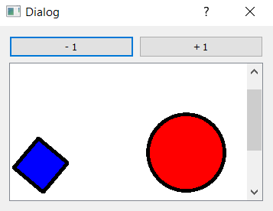

 | 81 |  | QGraphicsView and QGraphicsScene

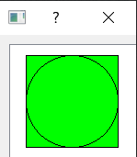
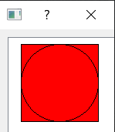

 | 82 |  | Custom QGraphicsItem

 |  |  |  | not clicked |  | clicked

