Overlays
Image | Overlay
IMG_2728.jpg 2 straw(s) | 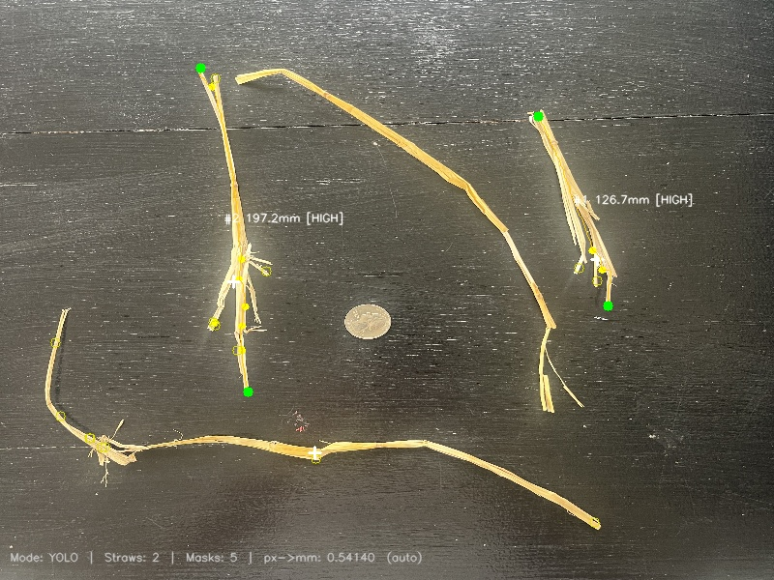
IMG_2729.jpg 3 straw(s) | 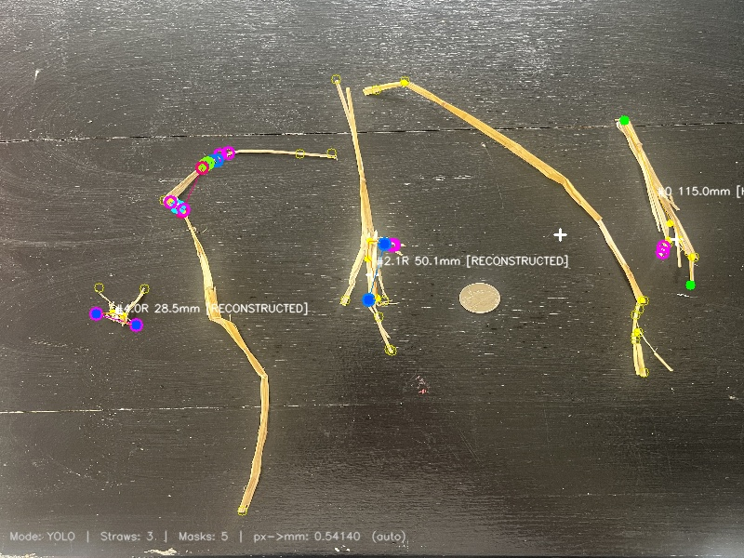
IMG_2730.jpg 5 straw(s) | 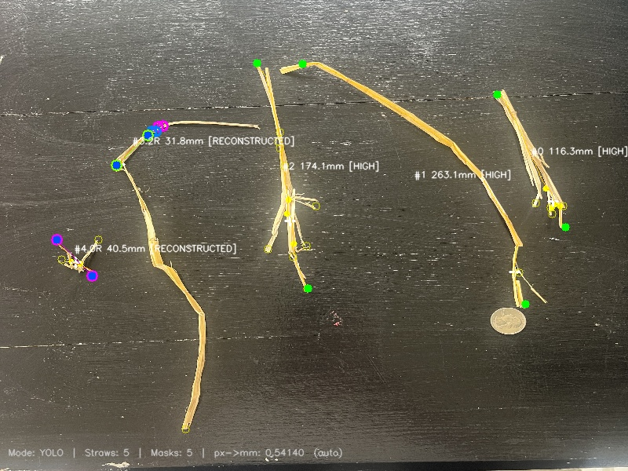
IMG_2731.jpg 5 straw(s) | 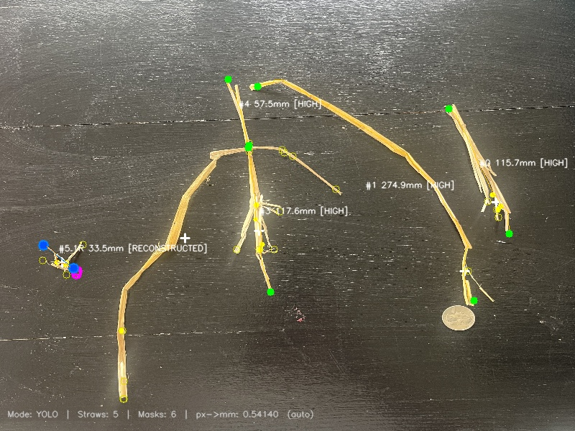
IMG_2732.jpg 3 straw(s) | 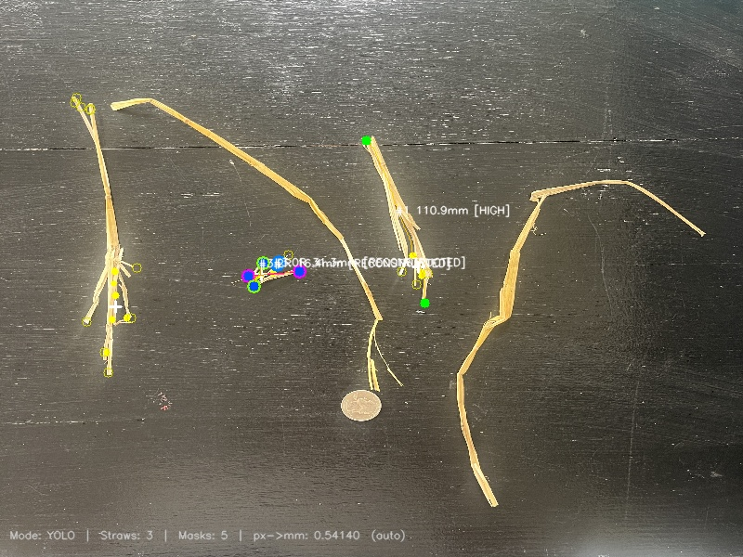
IMG_2733.jpg 7 straw(s) | 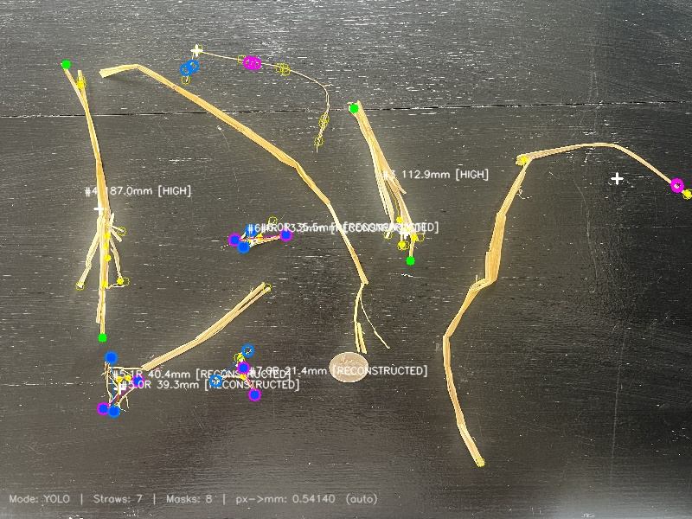
IMG_2734.jpg 6 straw(s) | 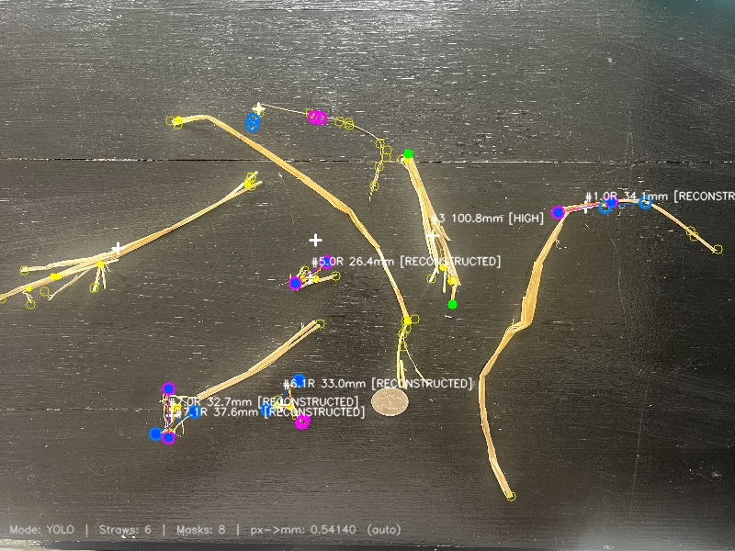
IMG_2735.jpg 10 straw(s) | 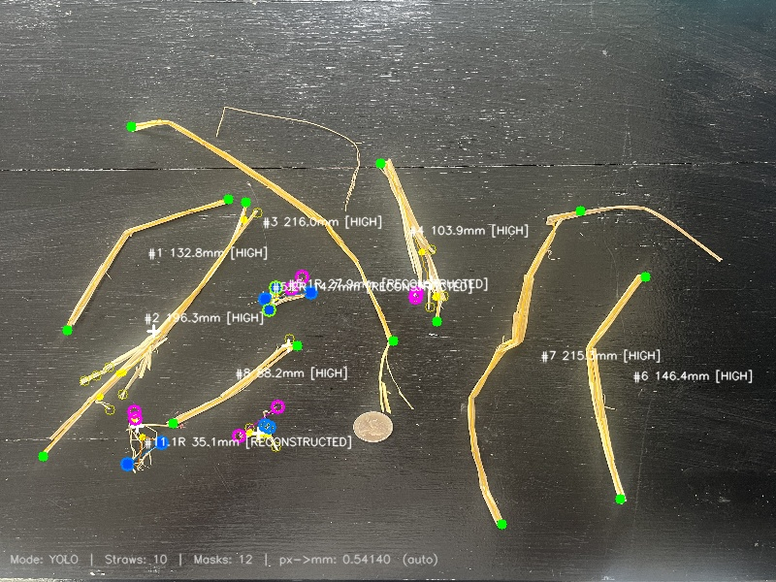
IMG_2736.jpg 8 straw(s) | 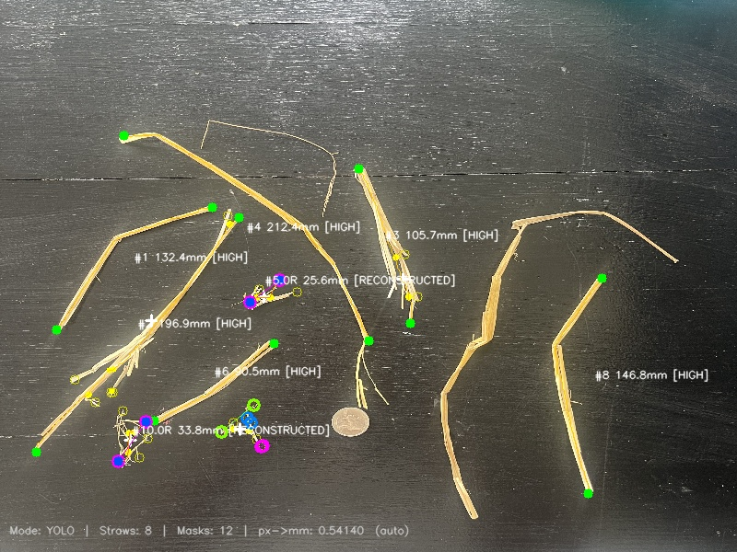
IMG_2737.jpg 12 straw(s) | 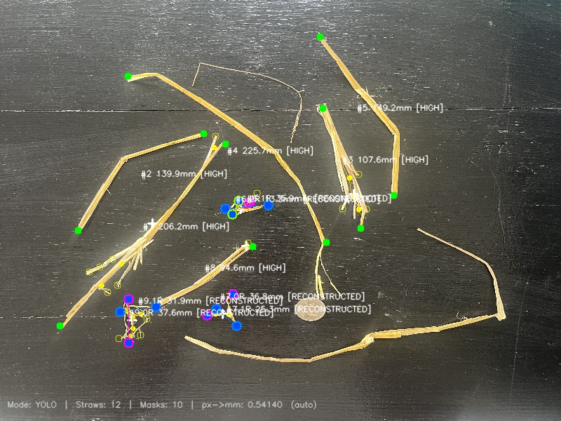
IMG_2738.jpg 10 straw(s) | 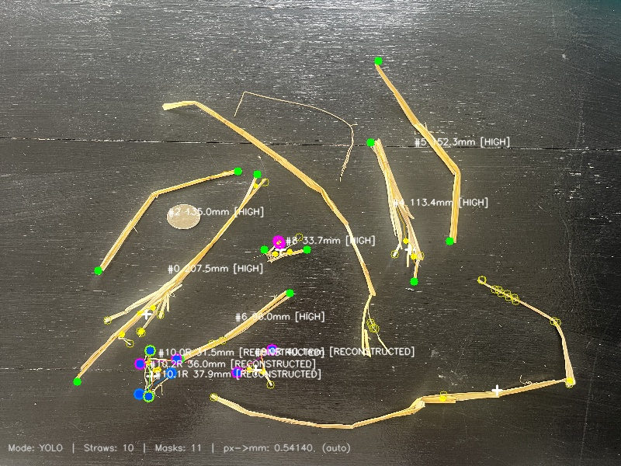
IMG_2739.jpg 11 straw(s) | 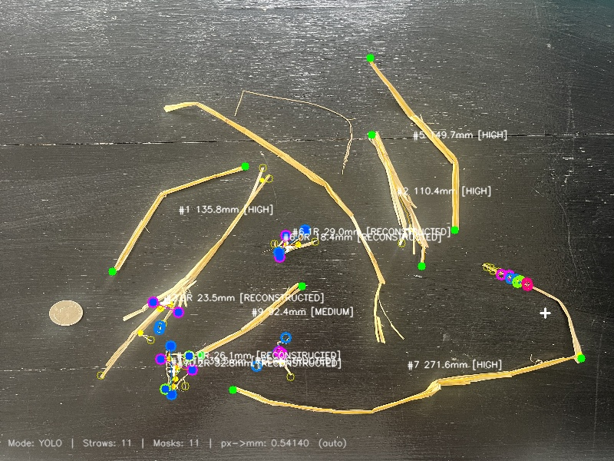
IMG_2740.jpg 10 straw(s) | 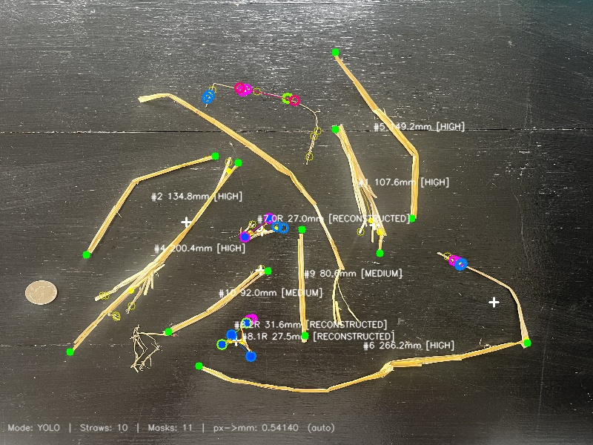
IMG_2741.jpg 9 straw(s) | 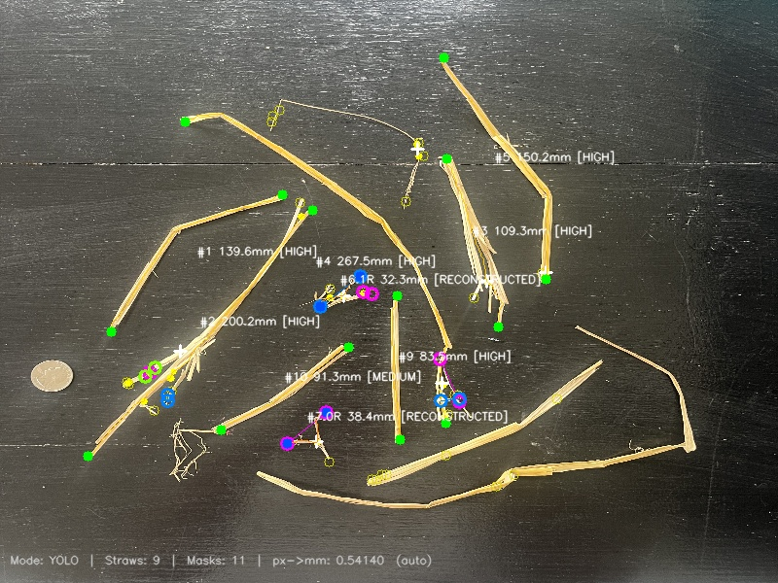
IMG_2742.jpg 9 straw(s) | 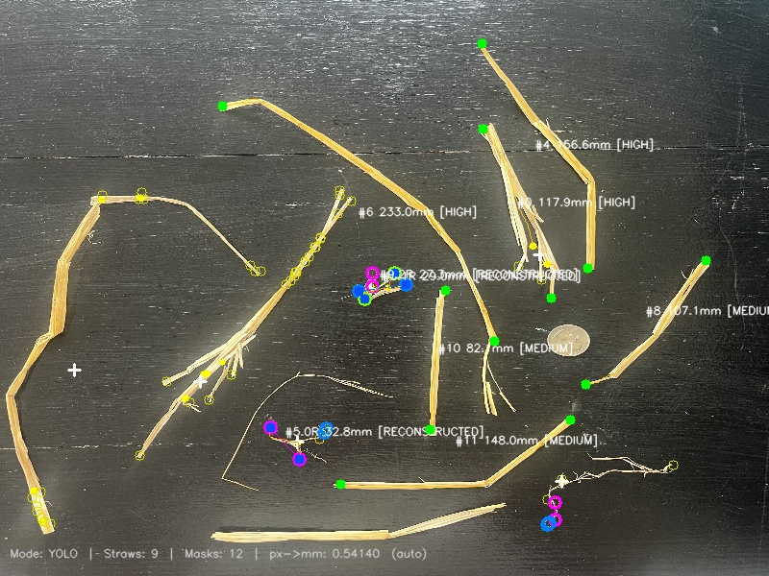
IMG_2743.jpg 12 straw(s) | 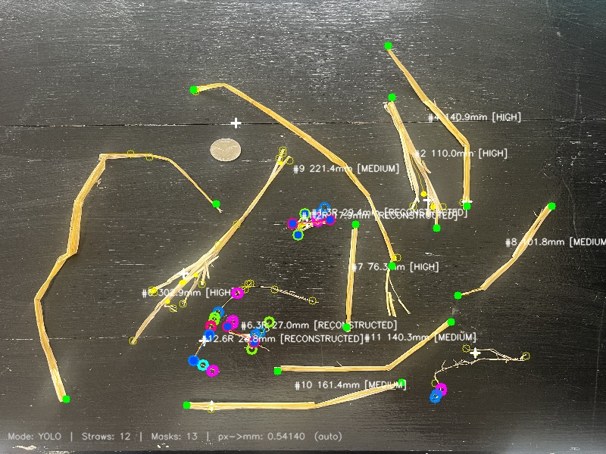
IMG_2744.jpg 8 straw(s) | 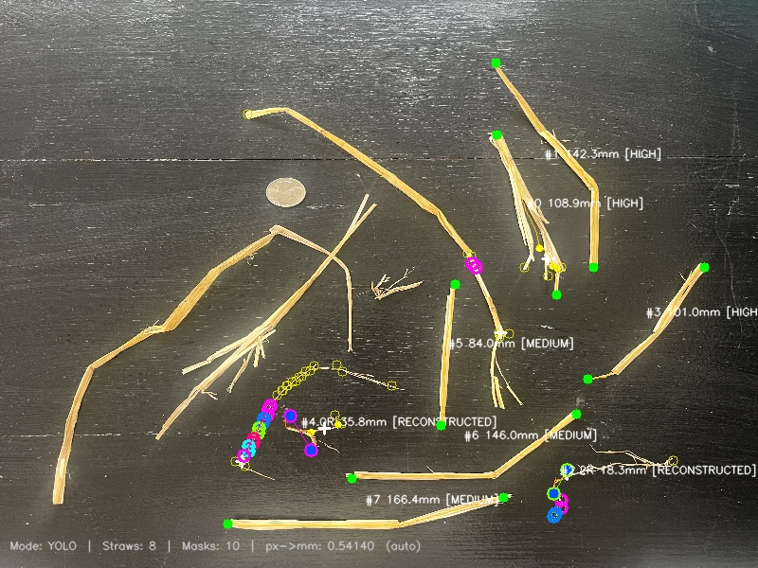
IMG_2745.jpg 10 straw(s) | 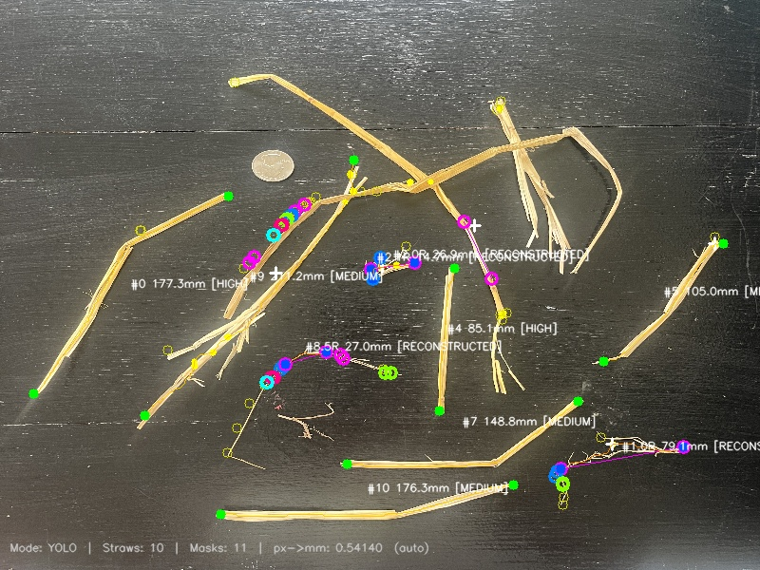
IMG_2746.jpg 9 straw(s) | 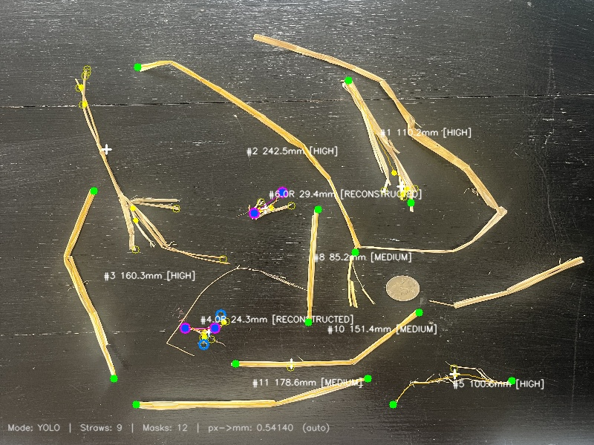
IMG_2747.jpg 9 straw(s) | 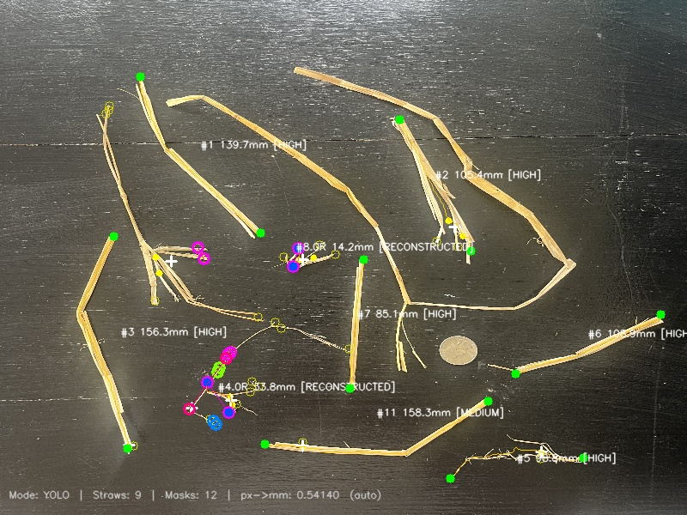
IMG_2748.jpg 10 straw(s) | 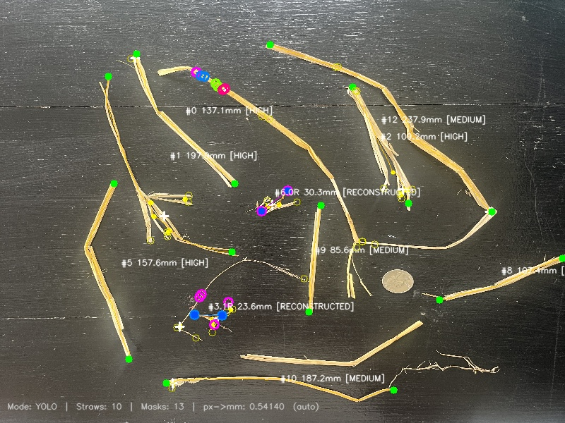
IMG_2749.jpg 12 straw(s) | 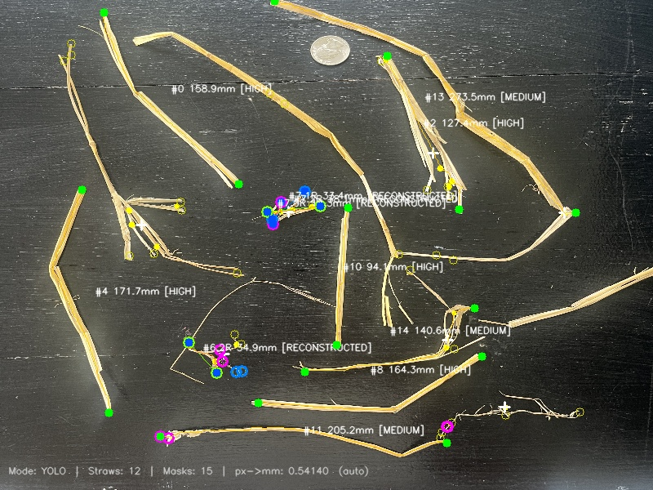
IMG_2750.jpg 13 straw(s) | 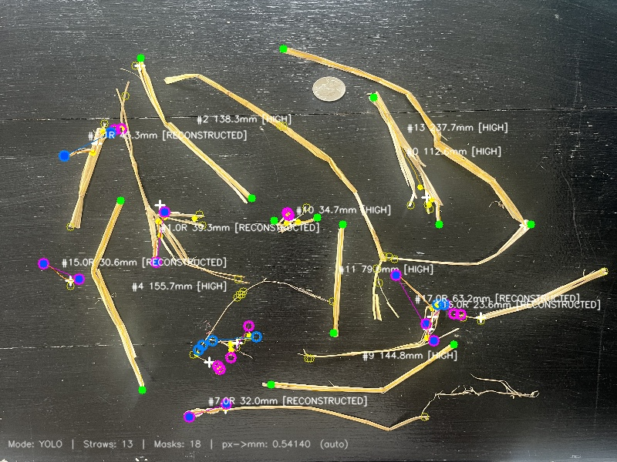
IMG_2751.jpg 12 straw(s) | 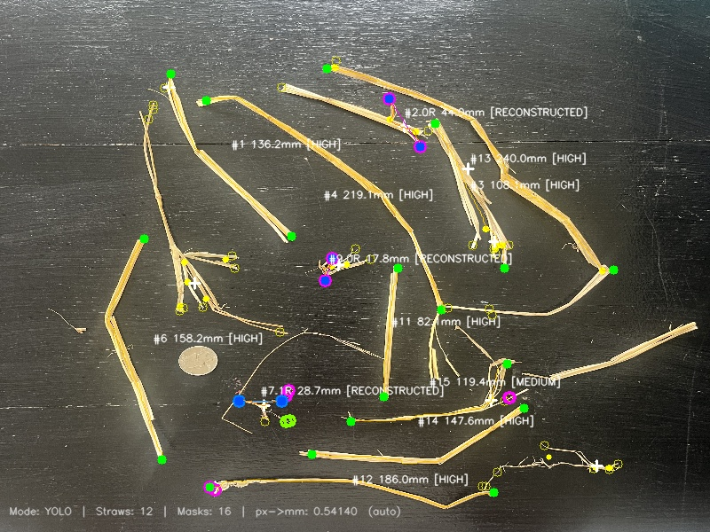
IMG_2752.jpg 14 straw(s) | 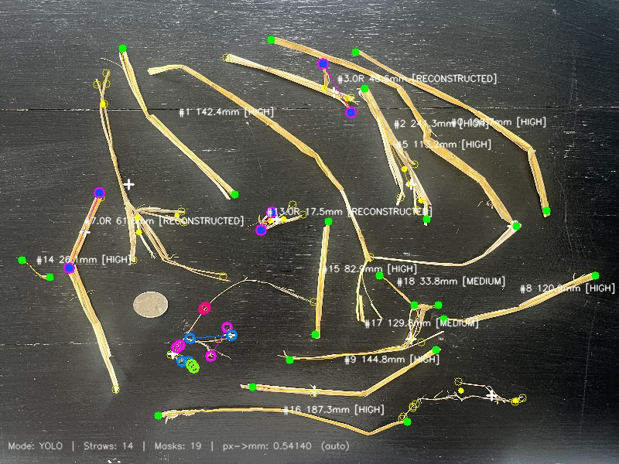
IMG_2753.jpg 15 straw(s) | 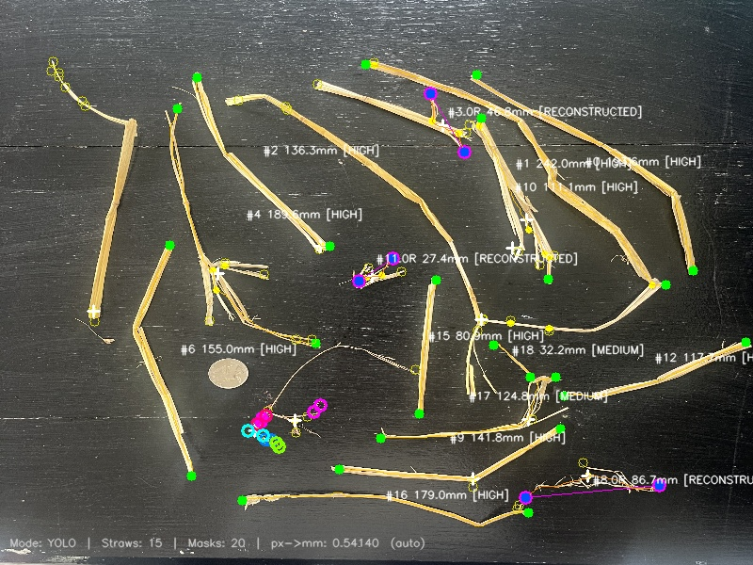
IMG_2754.jpg 14 straw(s) | 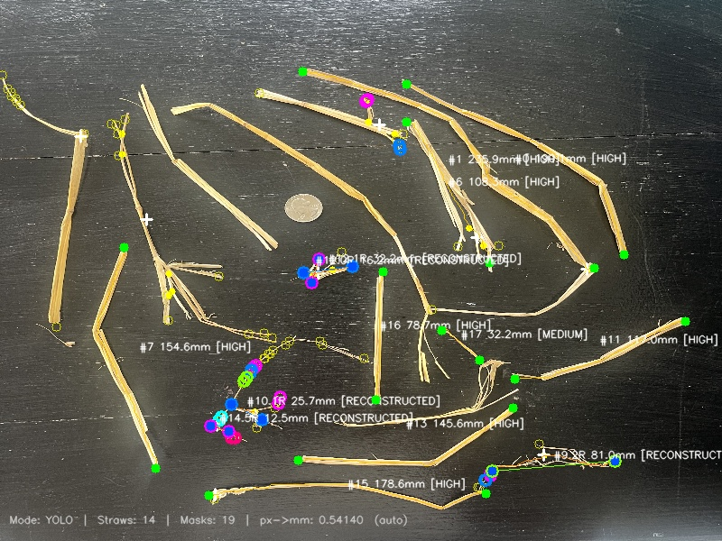
IMG_2755.jpg 22 straw(s) | 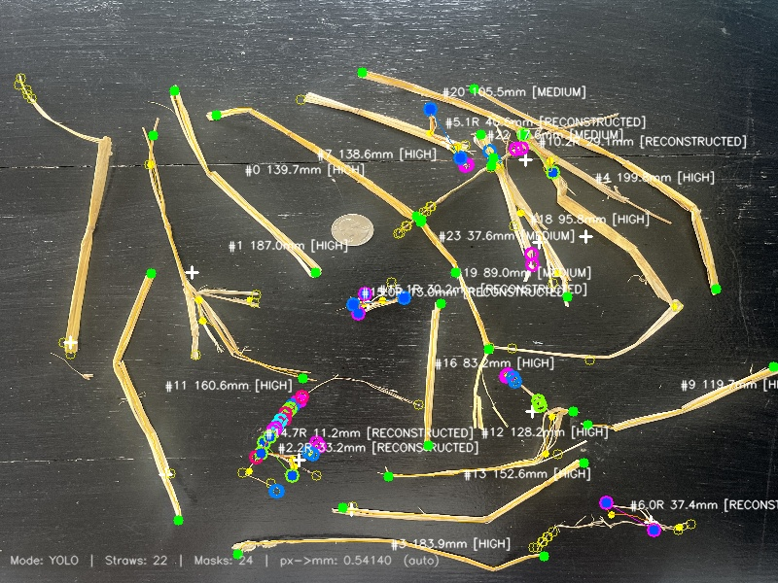
IMG_2756.jpg 22 straw(s) | 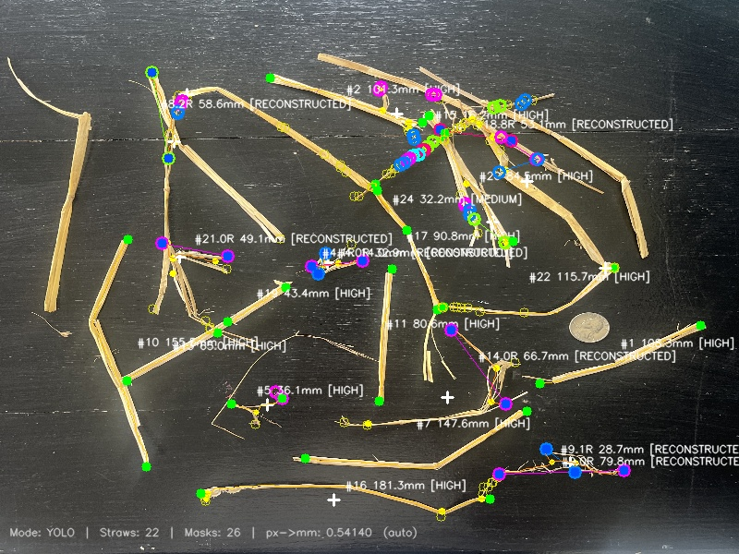
IMG_2757.jpg 20 straw(s) | 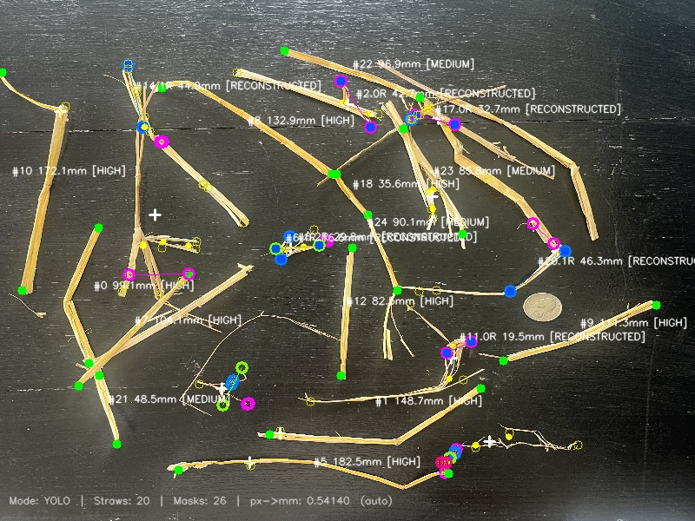
IMG_2758.jpg 23 straw(s) | 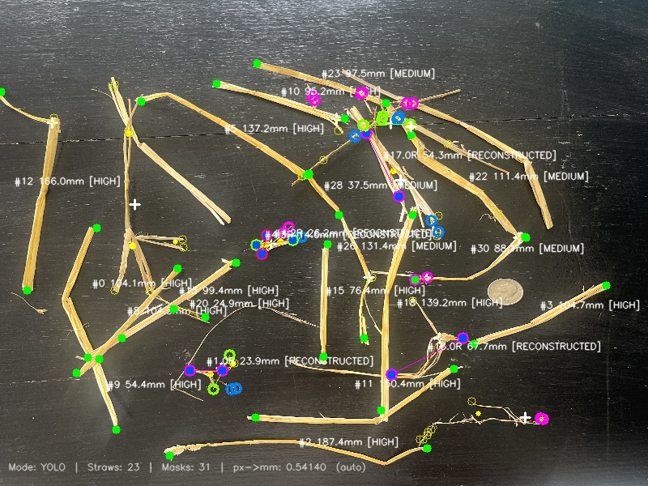
IMG_2759.jpg 23 straw(s) | 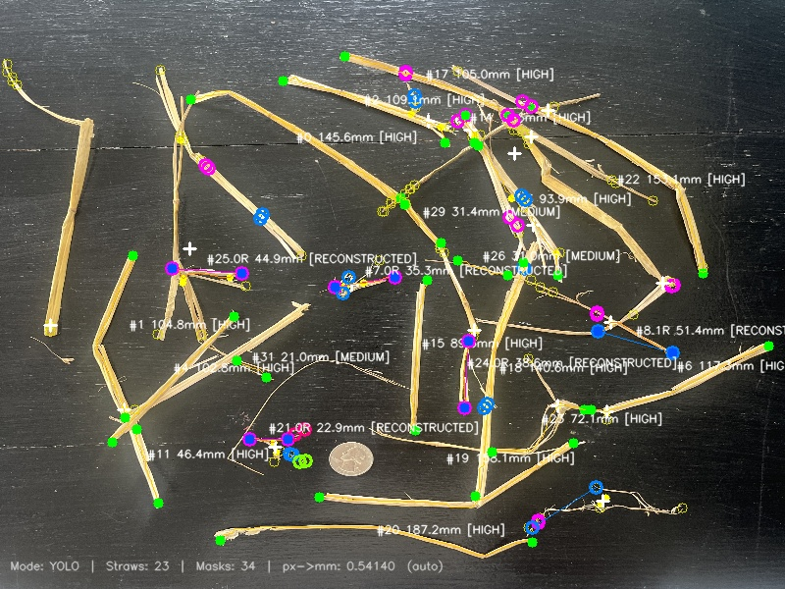
IMG_2760.jpg 29 straw(s) | 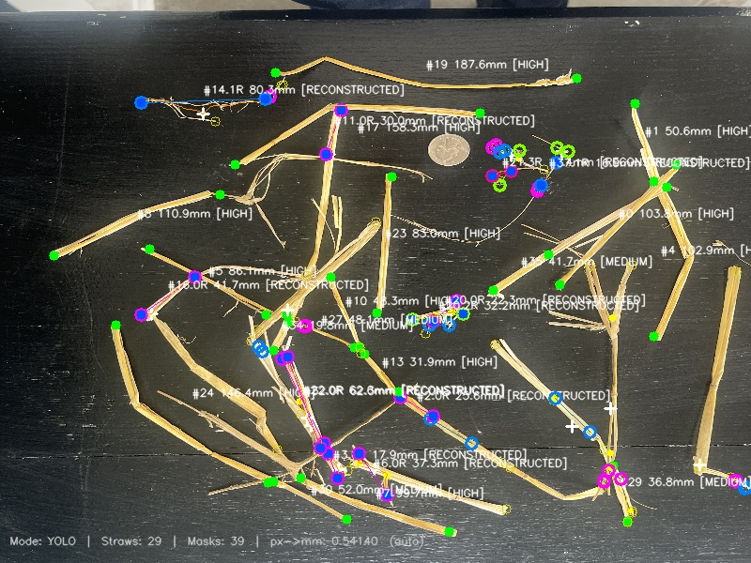
IMG_2761.jpg 27 straw(s) | 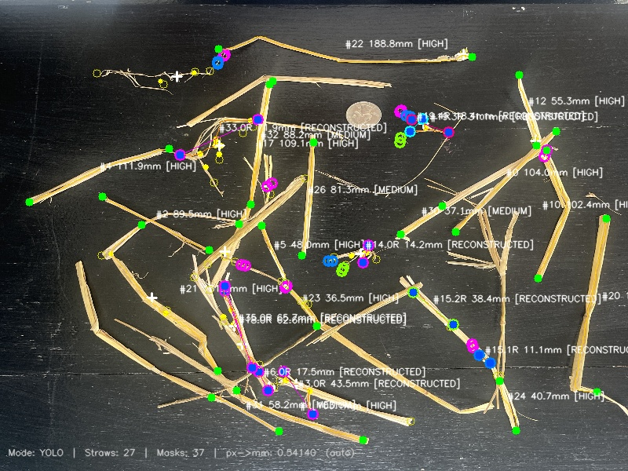
IMG_2762.jpg 24 straw(s) | 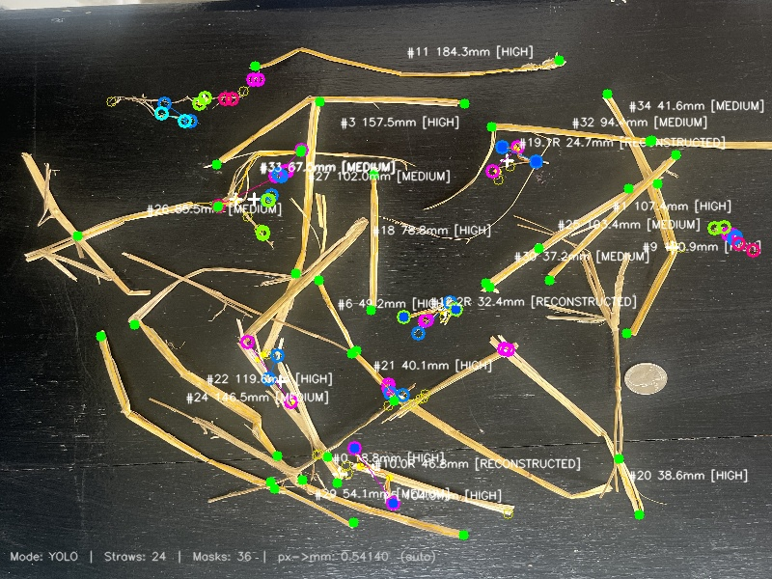
IMG_2763.jpg 11 straw(s) | 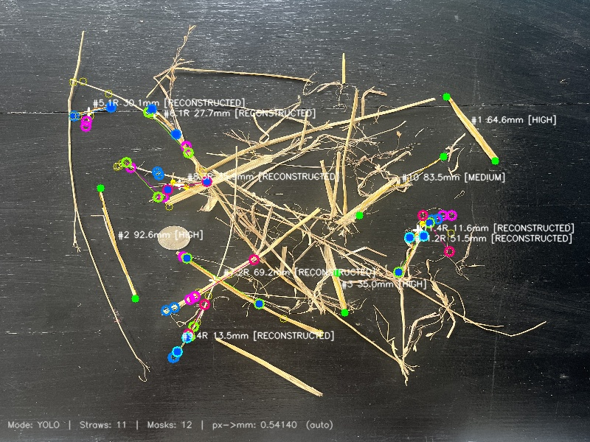
IMG_2764.jpg 4 straw(s) | 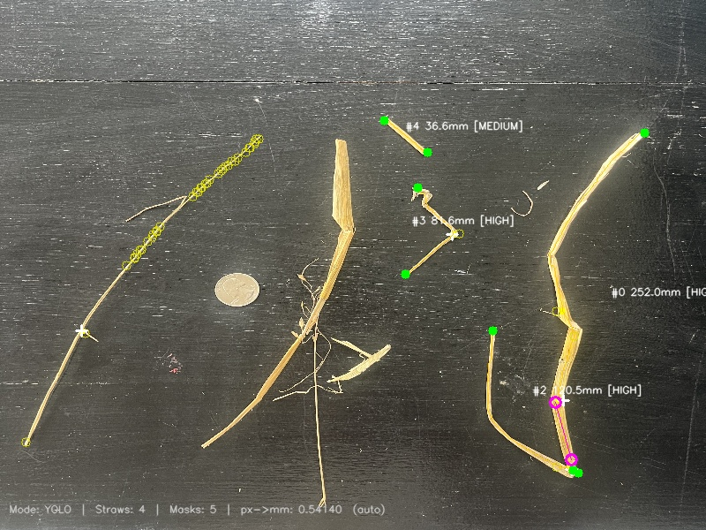
IMG_2765.jpg 2 straw(s) | 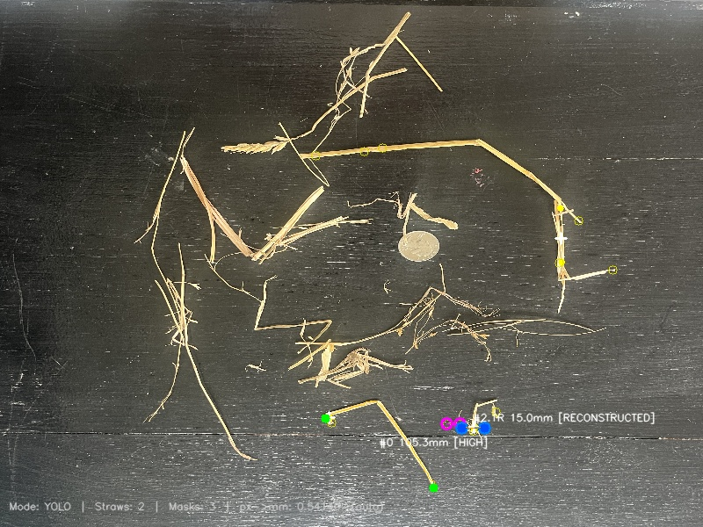
IMG_2766.jpg 4 straw(s) | 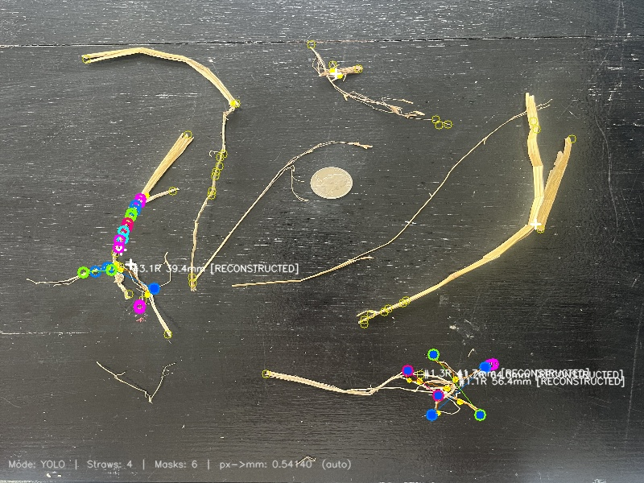
IMG_2767.jpg 7 straw(s) | 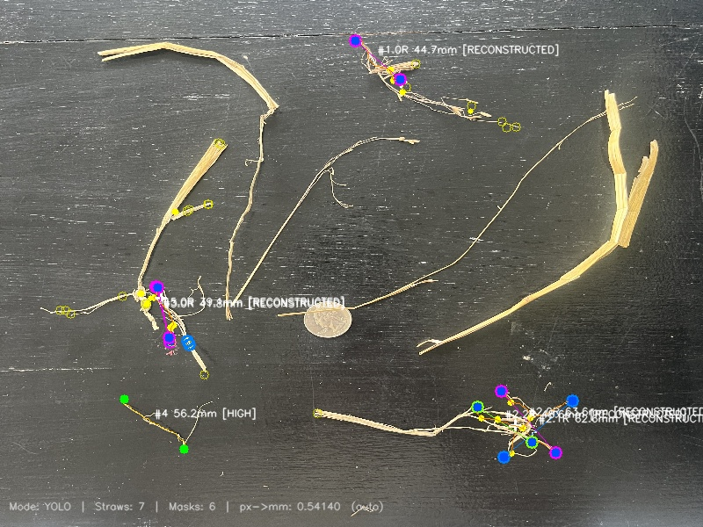
IMG_2768.jpg 2 straw(s) | 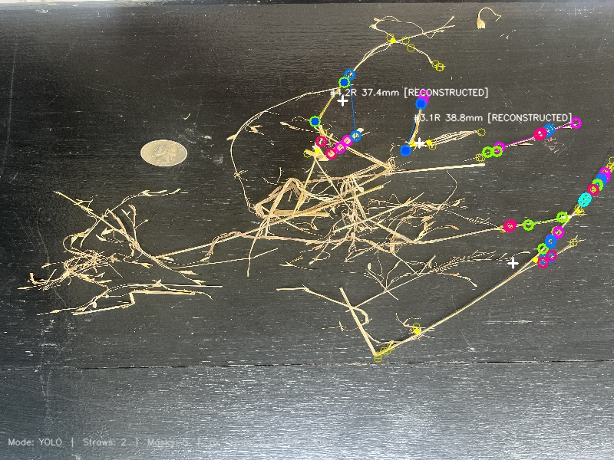
IMG_2769.jpg 4 straw(s) | 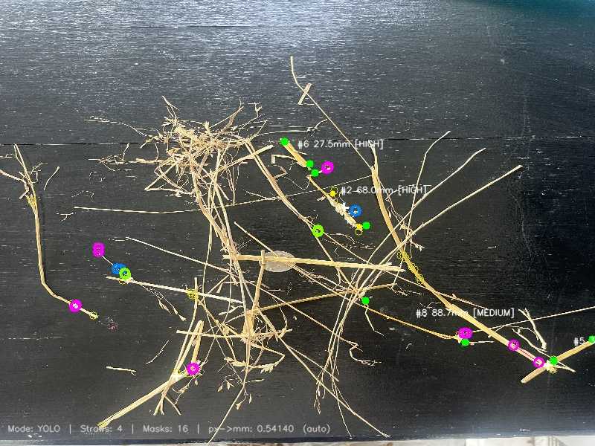
IMG_2770.jpg 10 straw(s) | 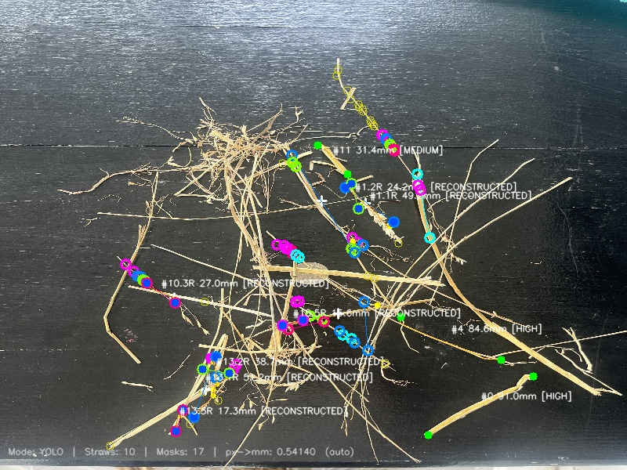
IMG_2771.jpg 2 straw(s) | 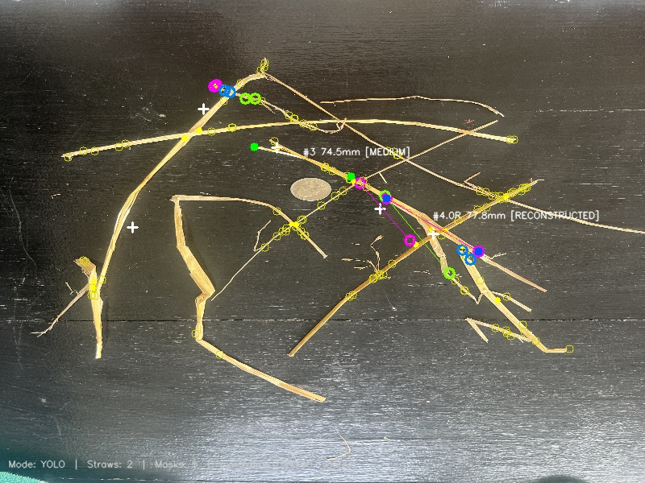
IMG_2772.jpg 10 straw(s) | 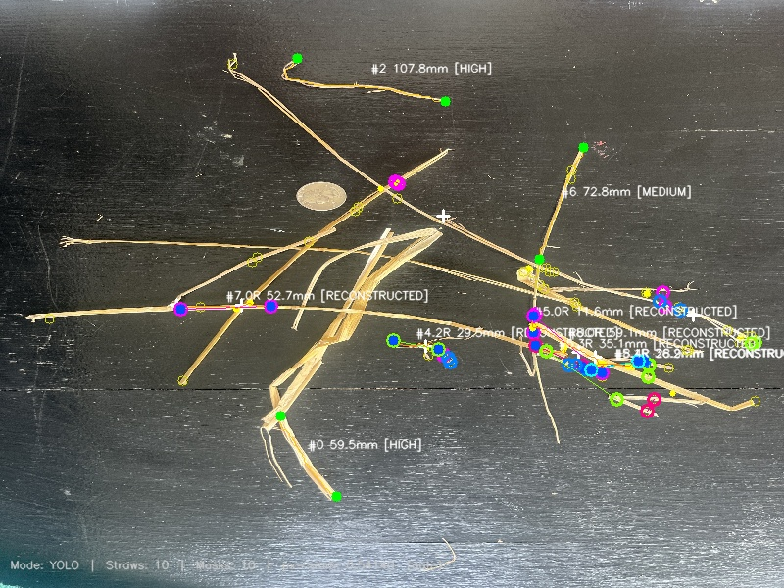
IMG_2773.jpg 7 straw(s) | 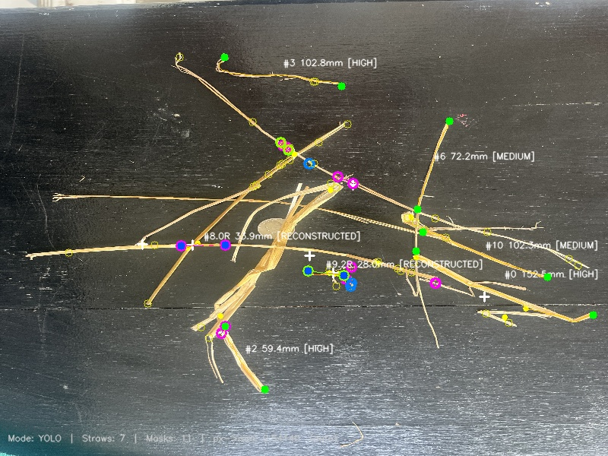
IMG_2774.jpg 5 straw(s) | 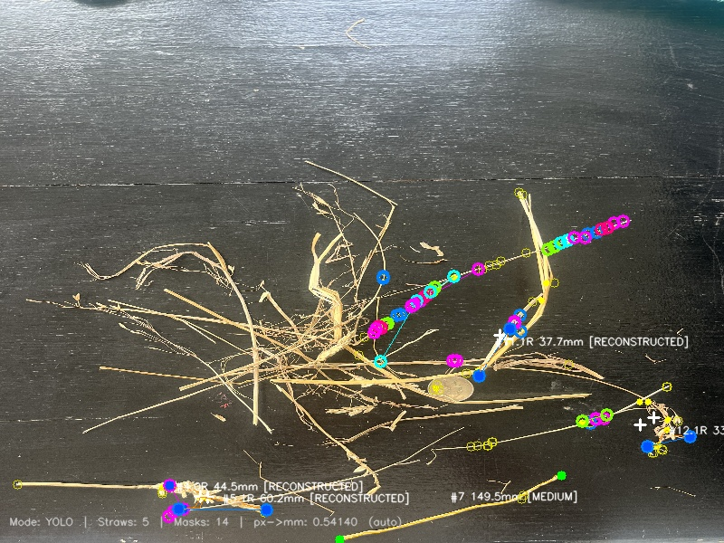
IMG_2775.jpg 6 straw(s) | 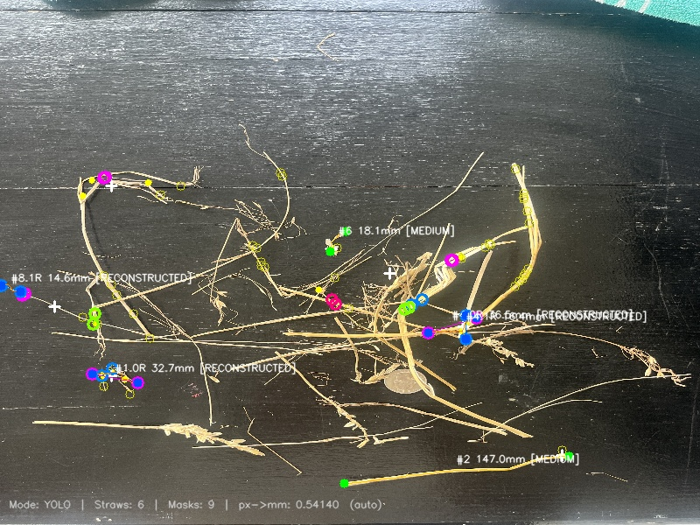
IMG_2776.jpg 6 straw(s) | 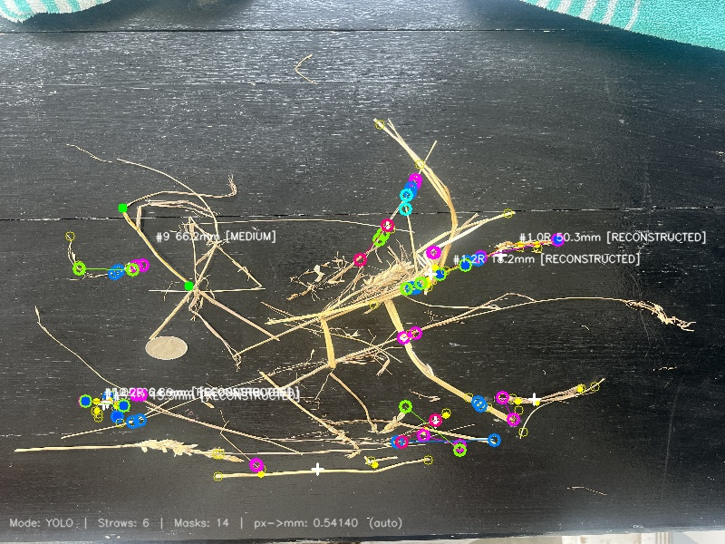
IMG_2777.jpg 8 straw(s) | 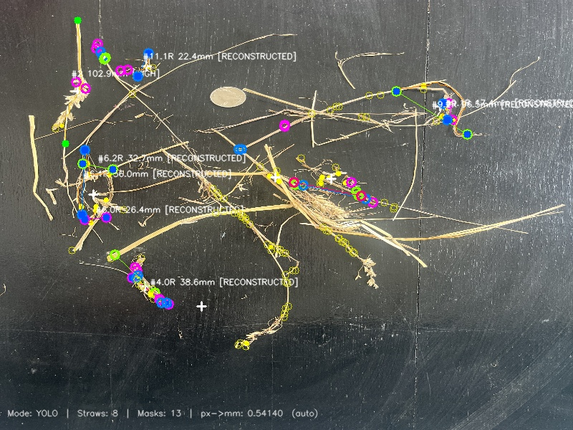
IMG_2778.jpg 3 straw(s) | 
IMG_2779.jpg 10 straw(s) | 
IMG_2780.jpg 0 straw(s) | 
IMG_2781.jpg 2 straw(s) | 
IMG_2782.jpg 2 straw(s) | 
overlay_IMG_2728.jpg 1 straw(s) | 
overlay_IMG_2729.jpg 2 straw(s) | 
overlay_IMG_2730.jpg 3 straw(s) | 
overlay_IMG_2731.jpg 4 straw(s) | 
overlay_IMG_2732.jpg 4 straw(s) | 
overlay_IMG_2733.jpg 3 straw(s) | 
overlay_IMG_2734.jpg 7 straw(s) | 
overlay_IMG_2735.jpg 7 straw(s) | 
overlay_IMG_2737.jpg 7 straw(s) | 

