Request
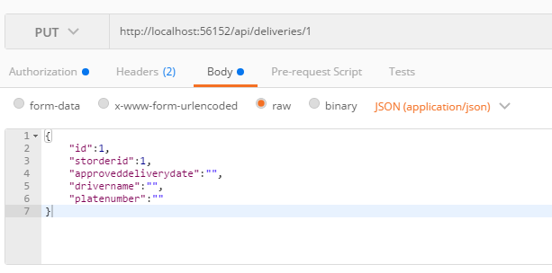
Parameter | Data Type | Length | Required | Unique | Remarks
Token | String |  | Yes |  | Bearer Token see AuthenticateAPI docu
Id | Int |  | Yes |  | STDelivery.Id
STOrderId | Int |  | Yes |  | STOrder.Id
ApprovedDeliveryDate | Date |  | Yes
DriverName | String |  | Yes
PlateNumber | Date |  | Yes

Example

Response
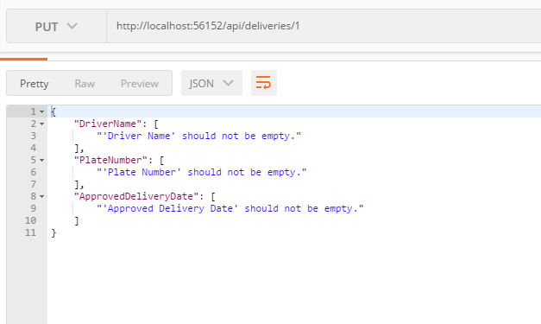
With error

