Request
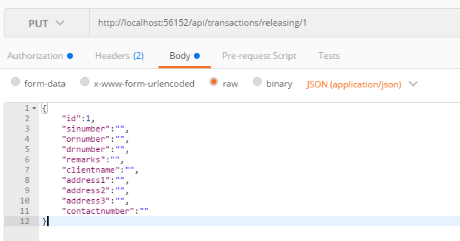
Parameter | Data Type | Length | Required | Unique | Remarks
Token | String |  | Yes |  | Bearer Token see AuthenticateAPI docu
Id | Int |  | Yes |  | STSales.Id
SINumber | String |  | Yes
ORNumber | String |  | Yes
DRNumber | String |  | Yes
Remarks | String
ClientName | String |  | Yes
Adddress1 | String
Adddress2 | String
Adddress3 | String
ContactNumber | Int

Example

Response
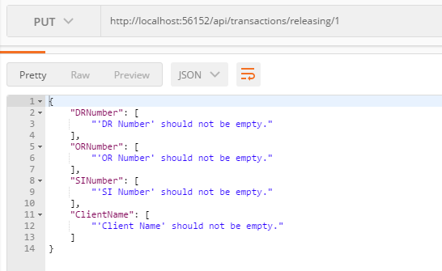
With Error

