UserTypes
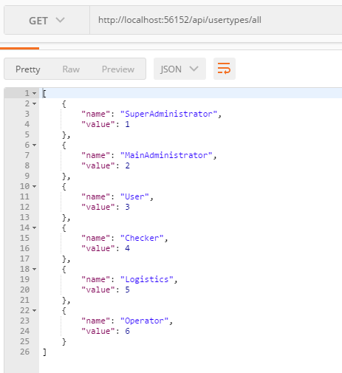
URL | http://{domain}/api/usertypes/all
METHOD | GET
FORMAT | JSON

RESQUEST & RESPONSE

Assignments
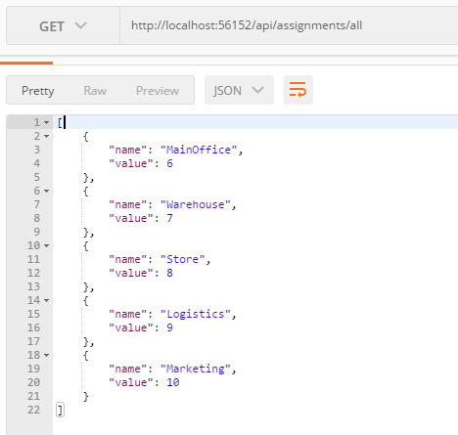
URL | http://{domain}/api/assignments/all
METHOD | GET
FORMAT | JSON

RESQUEST & RESPONSE

Purposes1
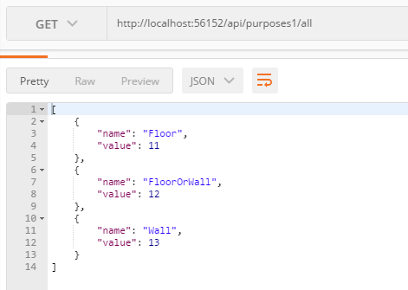
URL | http://{domain}/api/purposes1/all
METHOD | GET
FORMAT | JSON

RESQUEST & RESPONSE

Purposes2
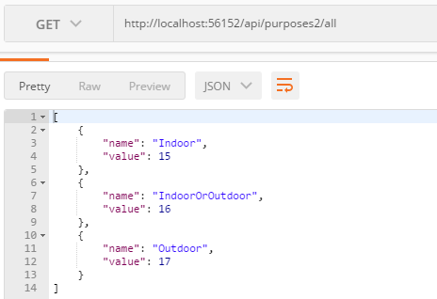
URL | http://{domain}/api/purposes2/all
METHOD | GET
FORMAT | JSON

RESQUEST & RESPONSE

