Task
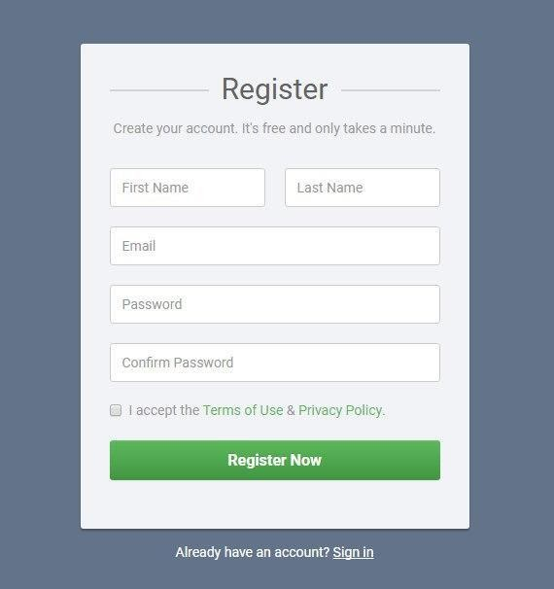
Story description:

As a User, I want to be able to Register into the system, using my user data. User data: Name/Surname, email and Password.
Upon adding correct data User should be registered.

Acceptance Criteria:
1. Fields “First Name” and “Surname” -
* allowed: latin characters
* filed length 2-15
* Special characters are not allowed
2. E-mail field
* Mandatory to use @ symbol
* No Spaces
3. Password Field
* Minimum 6 characters, maximum 20,
* Allowed: Latin characters, numbers, special symbols,
* Spaces are not allowed

Task: Ask questions from the scope of the form
Additional task: Create checklist to test the Form (~ 10 – 15 checks )

