EMRAX 228-MV
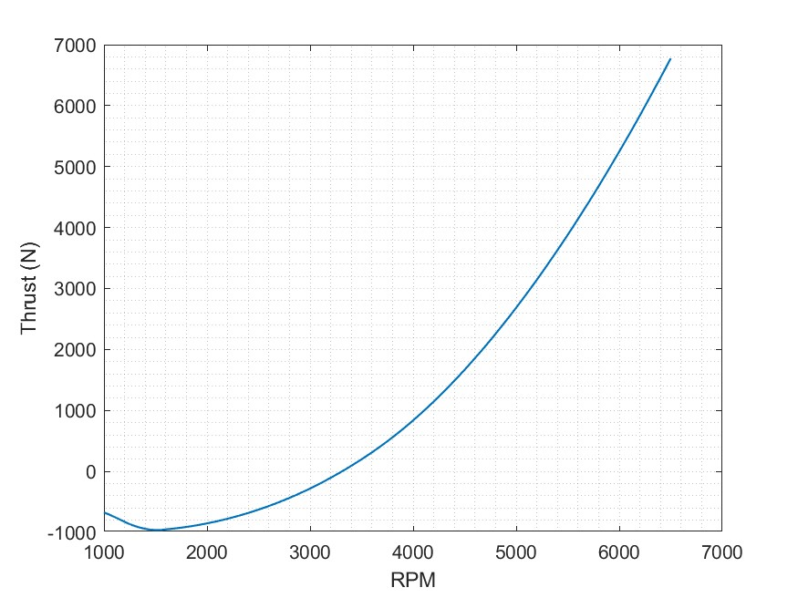
PROPELLER 1 | vel_design | 34 | m/s
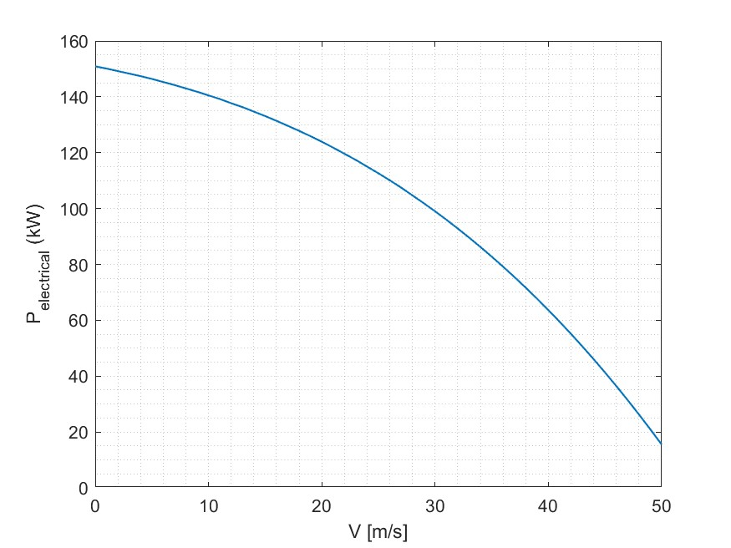
Chord vs r_R - Prop1 MV
 |  |  |  |  | r (m) | c (m) | Beta (º) | r_R | Pitch (pol)
 |  |  |  |  | 0.11267 | 0.8292 | 36.3968 | 0.13101162791 | 25.289269081
 |  |  |  |  | 0.138 | 0.70118 | 31.4358 | 0.16046511628
 |  |  |  |  | 0.16333 | 0.60819 | 27.724 | 0.18991860465
 |  |  |  |  | 0.18867 | 0.53778 | 24.8554 | 0.21938372093
 |  |  |  |  | 0.214 | 0.48275 | 22.5748 | 0.2488372093
 |  |  |  |  | 0.23933 | 0.43866 | 20.717 | 0.27829069767
 |  |  |  |  | 0.26467 | 0.40259 | 19.1715 | 0.30775581395
 |  |  |  |  | 0.29 | 0.3726 | 17.8625 | 0.33720930233
 |  |  |  |  | 0.31533 | 0.3473 | 16.7361 | 0.3666627907
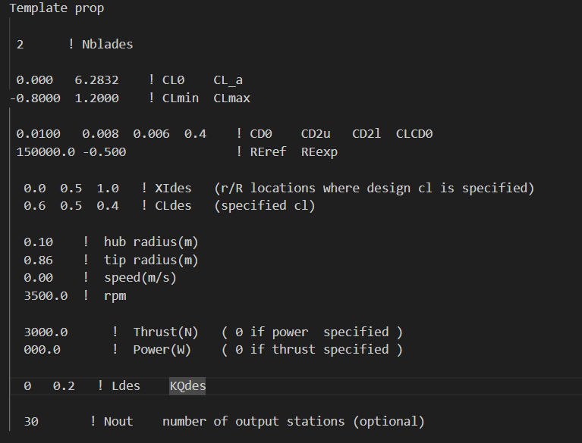
 |  |  |  |  | 0.34067 | 0.32569 | 15.7533 | 0.39612790698
 |  |  |  |  | 0.366 | 0.30703 | 14.8851 | 0.42558139535
 |  |  |  |  | 0.39133 | 0.29078 | 14.1096 | 0.45503488372
 |  |  |  |  | 0.41667 | 0.2765 | 13.41 | 0.4845
Beta vs r_R - Prop1 MV
 |  |  |  |  | 0.442 | 0.26385 | 12.7731 | 0.51395348837
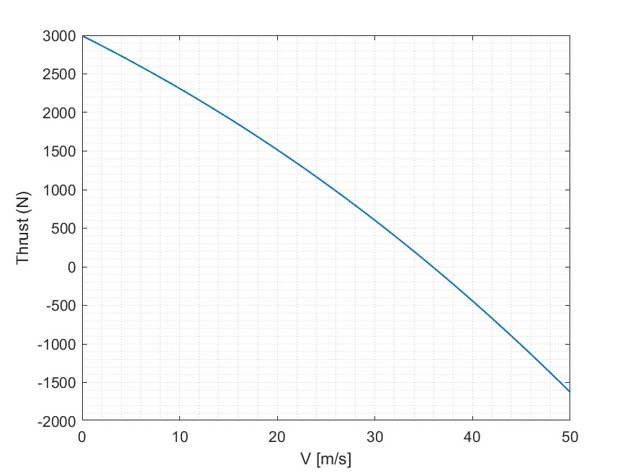
 |  |  |  |  | 0.46733 | 0.25257 | 12.1884 | 0.54340697674
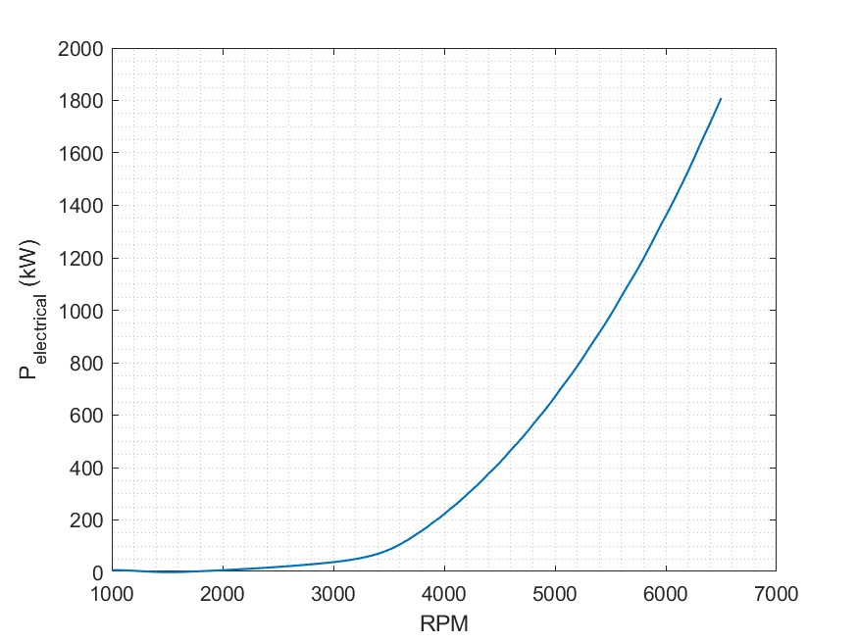
 |  |  |  |  | 0.49267 | 0.24242 | 11.6475 | 0.57287209302
 |  |  |  |  | 0.518 | 0.23321 | 11.1435 | 0.6023255814
 |  |  |  |  | 0.54333 | 0.22478 | 10.6707 | 0.63177906977
 |  |  |  |  | 0.56867 | 0.21695 | 10.2245 | 0.66124418605
 |  |  |  |  | 0.594 | 0.20957 | 9.8006 | 0.69069767442
 |  |  |  |  | 0.61933 | 0.20246 | 9.3957 | 0.72015116279
 |  |  |  |  | 0.64467 | 0.19542 | 9.0065 | 0.74961627907
 |  |  |  |  | 0.67 | 0.18818 | 8.6304 | 0.77906976744
 |  |  |  |  | 0.69533 | 0.18041 | 8.2646 | 0.80852325581
 |  |  |  |  | 0.72067 | 0.17165 | 7.9066 | 0.83798837209
 |  |  |  |  | 0.746 | 0.16125 | 7.5538 | 0.86744186047
 |  |  |  |  | 0.77133 | 0.14821 | 7.2031 | 0.89689534884
 |  |  |  |  | 0.79667 | 0.13092 | 6.8511 | 0.92636046512
 |  |  |  |  | 0.822 | 0.10621 | 6.4932 | 0.95581395349
 |  |  |  |  | 0.84733 | 6.43E-02 | 6.1222 | 0.98526744186
 |  |  |  |  | 0.86 | 3.69E-02 | 5.9319 | 1


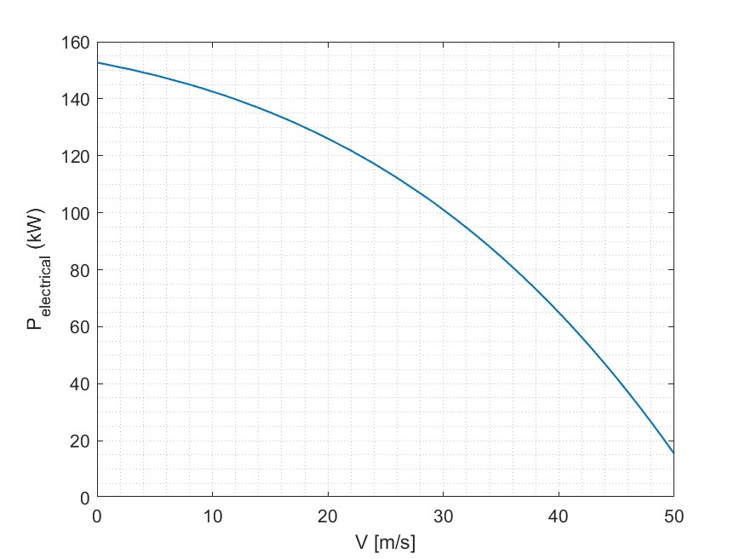
PROPELLER 2

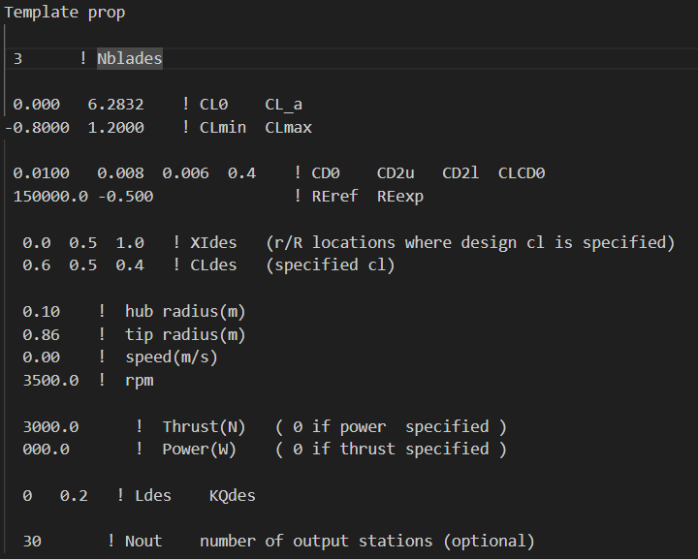
Beta vs r_R
 |  |  |  | r | r (m) | c (m) | Beta (º) | Pitch (pol) | r_R
 |  |  |  |  | 0.11267 | 0.51512 | 35.9276 | 24.973351854 | 0.13101162791
 |  |  |  |  | 0.138 | 0.44025 | 31.0156 |  | 0.16046511628
 |  |  |  |  | 0.16333 | 0.3843 | 27.3481 |  | 0.18991860465
 |  |  |  |  | 0.18867 | 0.34119 | 24.5176 |  | 0.21938372093
 |  |  |  |  | 0.214 | 0.30712 | 22.2691 |  | 0.2488372093
 |  |  |  |  | 0.23933 | 0.27961 | 20.4385 |  | 0.27829069767
 |  |  |  |  | 0.26467 | 0.25699 | 18.9163 |  | 0.30775581395
 |  |  |  |  | 0.29 | 0.23811 | 17.6271 |  | 0.33720930233
 |  |  |  |  | 0.31533 | 0.22214 | 16.5178 |  | 0.3666627907
 |  |  |  |  | 0.34067 | 0.20847 | 15.5499 |  | 0.39612790698
 |  |  |  |  | 0.366 | 0.19666 | 14.6948 |  | 0.42558139535
 |  |  |  |  | 0.39133 | 0.18636 | 13.9309 |  | 0.45503488372
 |  |  |  |  | 0.41667 | 0.17732 | 13.2415 |  | 0.4845
 |  |  |  |  | 0.442 | 0.16933 | 12.6138 |  | 0.51395348837
 |  |  |  |  | 0.46733 | 0.16222 | 12.0373 |  | 0.54340697674
Chord vs r_R
 |  |  |  |  | 0.49267 | 0.15586 | 11.5038 |  | 0.57287209302

 |  |  |  |  | 0.518 | 0.15015 | 11.0066 |  | 0.6023255814

 |  |  |  |  | 0.54333 | 0.14498 | 10.54 |  | 0.63177906977
 |  |  |  |  | 0.56867 | 0.14029 | 10.0994 |  | 0.66124418605
 |  |  |  |  | 0.594 | 0.13599 | 9.6807 |  | 0.69069767442
 |  |  |  |  | 0.61933 | 0.132 | 9.2805 |  | 0.72015116279
 |  |  |  |  | 0.64467 | 0.12823 | 8.8958 |  | 0.74961627907
 |  |  |  |  | 0.67 | 0.12457 | 8.5237 |  | 0.77906976744
 |  |  |  |  | 0.69533 | 0.12083 | 8.1617 |  | 0.80852325581
 |  |  |  |  | 0.72067 | 0.11674 | 7.8072 |  | 0.83798837209
 |  |  |  |  | 0.746 | 0.11183 | 7.4576 |  | 0.86744186047
 |  |  |  |  | 0.77133 | 0.10531 | 7.11 |  | 0.89689534884
 |  |  |  |  | 0.79667 | 9.57E-02 | 6.7609 |  | 0.92636046512
 |  |  |  |  | 0.822 | 8.02E-02 | 6.4056 |  | 0.95581395349
 |  |  |  |  | 0.84733 | 5.02E-02 | 6.0371 |  | 0.98526744186
 |  |  |  |  | 0.86 | 2.98E-02 | 5.8479 |  | 1

Chord vs r_R
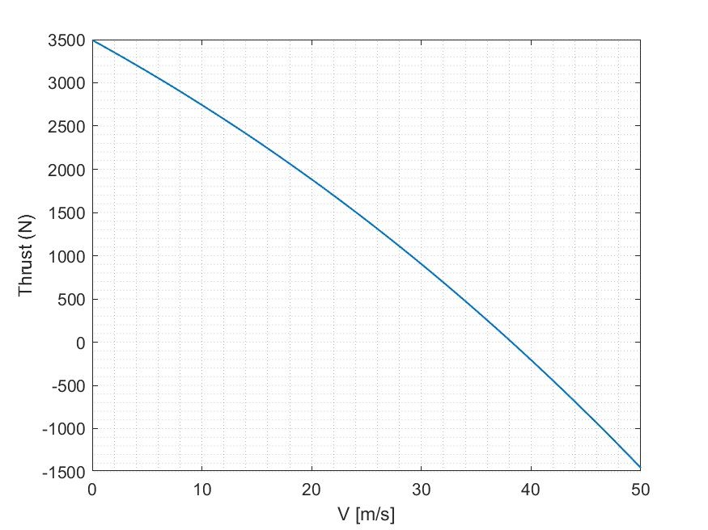
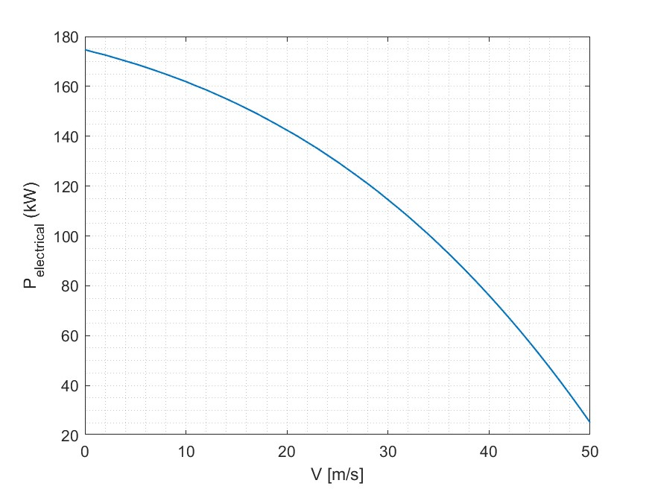
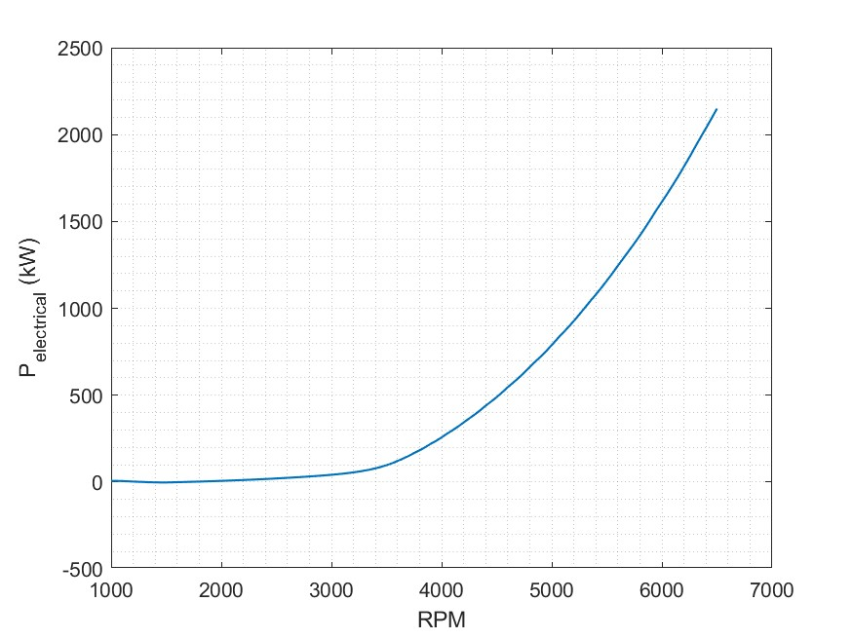
PROPELLER 3
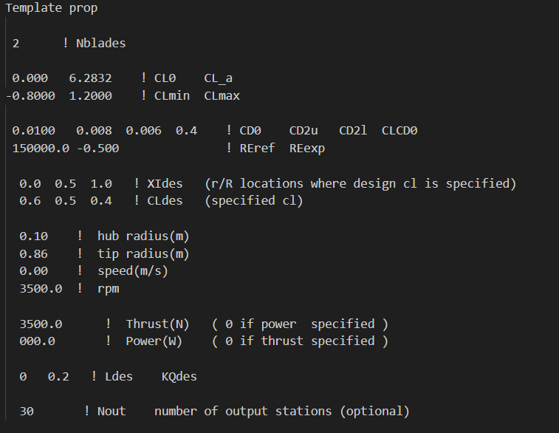
 |  |  |  |  |  | r (m) | c (m) | Beta (º) | r_R | Pitch (pol)
 |  |  |  |  |  | 0.11267 | 0.97278 | 38.6271 | 0.13101162791 | 26.838018704
 |  |  |  |  |  | 0.138 | 0.82494 | 33.4488 | 0.16046511628
 |  |  |  |  |  | 0.16333 | 0.71706 | 29.5343 | 0.18991860465
 |  |  |  |  |  | 0.18867 | 0.63502 | 26.4884 | 0.21938372093
 |  |  |  |  |  | 0.214 | 0.57069 | 24.0559 | 0.2488372093
 |  |  |  |  |  | 0.23933 | 0.519 | 22.0686 | 0.27829069767
 |  |  |  |  |  | 0.26467 | 0.47664 | 20.4125 | 0.30775581395
 |  |  |  |  |  | 0.29 | 0.44134 | 19.0082 | 0.33720930233
 |  |  |  |  |  | 0.31533 | 0.41151 | 17.7993 | 0.3666627907
 |  |  |  |  |  | 0.34067 | 0.38601 | 16.7445 | 0.39612790698
 |  |  |  |  |  | 0.366 | 0.36396 | 15.8131 | 0.42558139535
Beta vs r_R
 |  |  |  |  |  | 0.39133 | 0.34473 | 14.9817 | 0.45503488372
 |  |  |  |  |  | 0.41667 | 0.3278 | 14.2324 | 0.4845
 |  |  |  |  |  | 0.442 | 0.31278 | 13.5509 | 0.51395348837
 |  |  |  |  |  | 0.46733 | 0.29935 | 12.9262 | 0.54340697674
 |  |  |  |  |  | 0.49267 | 0.28723 | 12.3491 | 0.57287209302
 |  |  |  |  |  | 0.518 | 0.2762 | 11.8123 | 0.6023255814
 |  |  |  |  |  | 0.54333 | 0.26604 | 11.3096 | 0.63177906977
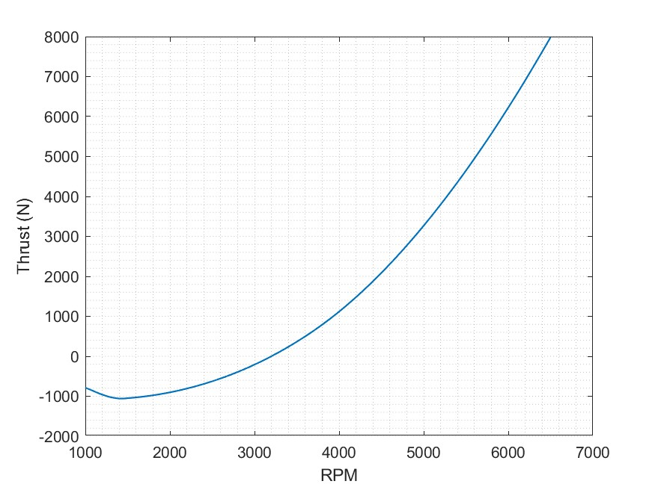
 |  |  |  |  |  | 0.56867 | 0.25657 | 10.8359 | 0.66124418605
 |  |  |  |  |  | 0.594 | 0.24757 | 10.3869 | 0.69069767442
 |  |  |  |  |  | 0.61933 | 0.23882 | 9.9588 | 0.72015116279
 |  |  |  |  |  | 0.64467 | 0.23009 | 9.5482 | 0.74961627907
 |  |  |  |  |  | 0.67 | 0.22107 | 9.1522 | 0.77906976744
 |  |  |  |  |  | 0.69533 | 0.21135 | 8.768 | 0.80852325581
 |  |  |  |  |  | 0.72067 | 0.20042 | 8.3929 | 0.83798837209
 |  |  |  |  |  | 0.746 | 0.18754 | 8.0241 | 0.86744186047
 |  |  |  |  |  | 0.77133 | 0.17162 | 7.6585 | 0.89689534884
 |  |  |  |  |  | 0.79667 | 0.15087 | 7.2927 | 0.92636046512
 |  |  |  |  |  | 0.822 | 0.12176 | 6.9217 | 0.95581395349
 |  |  |  |  |  | 0.84733 | 7.33E-02 | 6.5387 | 0.98526744186
 |  |  |  |  |  | 0.86 | 4.18E-02 | 6.3427 | 1

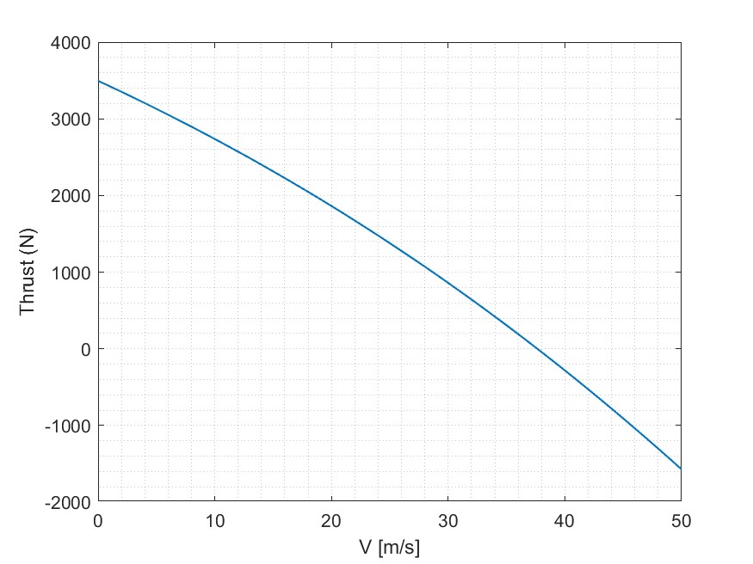



PROPELLER 4

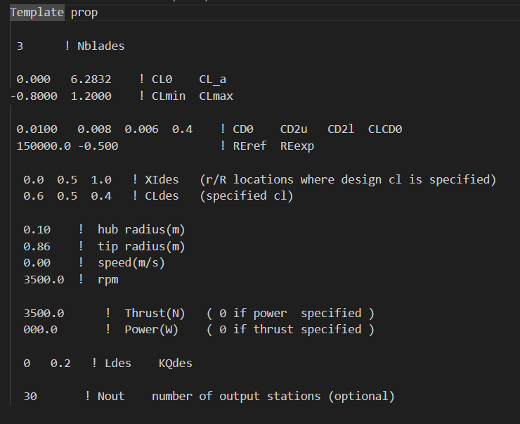
 |  |  |  |  |  |  | r (m) | c (m) | Beta (º) | r_R | Pitch (pol)
 |  |  |  |  |  |  | 0.11267 | 0.59896 | 38.0938 | 0.13101162791 | 26.460466512
 |  |  |  |  |  |  | 0.138 | 0.51421 | 32.9651 | 0.16046511628
 |  |  |  |  |  |  | 0.16333 | 0.45026 | 29.0978 | 0.18991860465
 |  |  |  |  |  |  | 0.18867 | 0.40064 | 26.0938 | 0.21938372093
 |  |  |  |  |  |  | 0.214 | 0.36121 | 23.6974 | 0.2488372093
 |  |  |  |  |  |  | 0.23933 | 0.32925 | 21.7411 | 0.27829069767
 |  |  |  |  |  |  | 0.26467 | 0.30289 | 20.1115 | 0.30775581395
 |  |  |  |  |  |  | 0.29 | 0.28083 | 18.7301 | 0.33720930233
 |  |  |  |  |  |  | 0.31533 | 0.26213 | 17.5411 | 0.3666627907
 |  |  |  |  |  |  | 0.34067 | 0.24611 | 16.5037 | 0.39612790698
 |  |  |  |  |  |  | 0.366 | 0.23225 | 15.5875 | 0.42558139535
 |  |  |  |  |  |  | 0.39133 | 0.22015 | 14.7697 | 0.45503488372
 |  |  |  |  |  |  | 0.41667 | 0.20952 | 14.0324 | 0.4845
 |  |  |  |  |  |  | 0.442 | 0.20011 | 13.3617 | 0.51395348837
 |  |  |  |  |  |  | 0.46733 | 0.19174 | 12.7467 | 0.54340697674
 |  |  |  |  |  |  | 0.49267 | 0.18424 | 12.1784 | 0.57287209302
 |  |  |  |  |  |  | 0.518 | 0.17749 | 11.6495 | 0.6023255814
 |  |  |  |  |  |  | 0.54333 | 0.17138 | 11.1541 | 0.63177906977
 |  |  |  |  |  |  | 0.56867 | 0.1658 | 10.6871 | 0.66124418605
 |  |  |  |  |  |  | 0.594 | 0.16067 | 10.2442 | 0.69069767442
 |  |  |  |  |  |  | 0.61933 | 0.15588 | 9.8217 | 0.72015116279
 |  |  |  |  |  |  | 0.64467 | 0.15131 | 9.4163 | 0.74961627907
 |  |  |  |  |  |  | 0.67 | 0.14681 | 9.0252 | 0.77906976744
 |  |  |  |  |  |  | 0.69533 | 0.14214 | 8.6455 | 0.80852325581
 |  |  |  |  |  |  | 0.72067 | 0.13697 | 8.2745 | 0.83798837209
 |  |  |  |  |  |  | 0.746 | 0.13073 | 7.9096 | 0.86744186047
 |  |  |  |  |  |  | 0.77133 | 0.12249 | 7.5476 | 0.89689534884
 |  |  |  |  |  |  | 0.79667 | 0.11066 | 7.1851 | 0.92636046512
 |  |  |  |  |  |  | 0.822 | 9.20E-02 | 6.8173 | 0.95581395349
 |  |  |  |  |  |  | 0.84733 | 5.71E-02 | 6.4373 | 0.98526744186
 |  |  |  |  |  |  | 0.86 | 3.36E-02 | 6.2426 | 1

EMRAX 228-LV
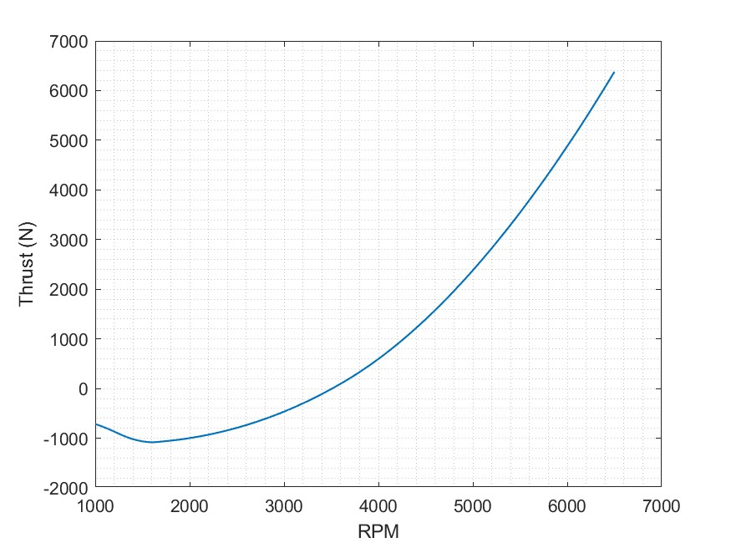
PROPELLER 3


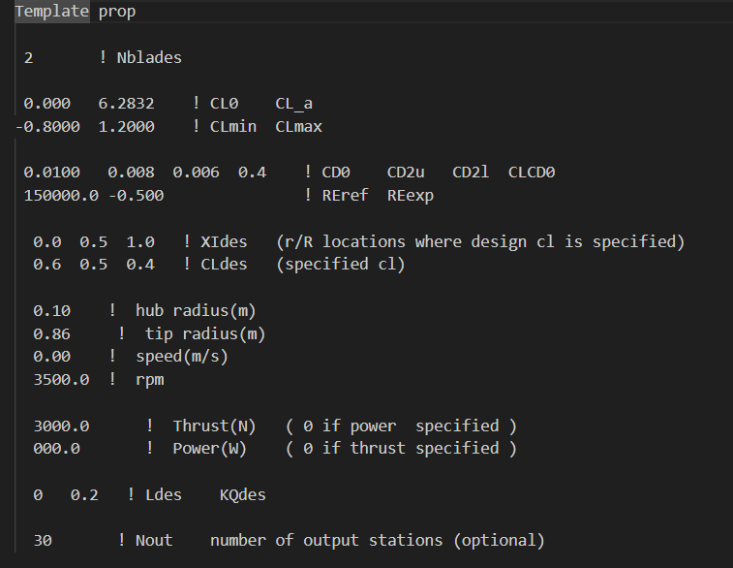
 |  |  |  | r (m) | c (m) | Beta (º) | Pitch (pol) | r_R
 |  |  |  | 0.11267 | 0.8292 | 36.3968 | 25.289269081 | 0.13101162791
 |  |  |  | 0.138 | 0.70118 | 31.4358 |  | 0.16046511628
 |  |  |  | 0.16333 | 0.60819 | 27.724 |  | 0.18991860465
 |  |  |  | 0.18867 | 0.53778 | 24.8554 |  | 0.21938372093
 |  |  |  | 0.214 | 0.48275 | 22.5748 |  | 0.2488372093
 |  |  |  | 0.23933 | 0.43866 | 20.717 |  | 0.27829069767
 |  |  |  | 0.26467 | 0.40259 | 19.1715 |  | 0.30775581395
 |  |  |  | 0.29 | 0.3726 | 17.8625 |  | 0.33720930233
 |  |  |  | 0.31533 | 0.3473 | 16.7361 |  | 0.3666627907
 |  |  |  | 0.34067 | 0.32569 | 15.7533 |  | 0.39612790698
 |  |  |  | 0.366 | 0.30703 | 14.8851 |  | 0.42558139535
 |  |  |  | 0.39133 | 0.29078 | 14.1096 |  | 0.45503488372
 |  |  |  | 0.41667 | 0.2765 | 13.41 |  | 0.4845
 |  |  |  | 0.442 | 0.26385 | 12.7731 |  | 0.51395348837
 |  |  |  | 0.46733 | 0.25257 | 12.1884 |  | 0.54340697674
 |  |  |  | 0.49267 | 0.24242 | 11.6475 |  | 0.57287209302
 |  |  |  | 0.518 | 0.23321 | 11.1435 |  | 0.6023255814
 |  |  |  | 0.54333 | 0.22478 | 10.6707 |  | 0.63177906977
 |  |  |  | 0.56867 | 0.21695 | 10.2245 |  | 0.66124418605
 |  |  |  | 0.594 | 0.20957 | 9.8006 |  | 0.69069767442
 |  |  |  | 0.61933 | 0.20246 | 9.3957 |  | 0.72015116279
 |  |  |  | 0.64467 | 0.19542 | 9.0065 |  | 0.74961627907
 |  |  |  | 0.67 | 0.18818 | 8.6304 |  | 0.77906976744
 |  |  |  | 0.69533 | 0.18041 | 8.2646 |  | 0.80852325581
 |  |  |  | 0.72067 | 0.17165 | 7.9066 |  | 0.83798837209
 |  |  |  | 0.746 | 0.16125 | 7.5538 |  | 0.86744186047
 |  |  |  | 0.77133 | 0.14821 | 7.2031 |  | 0.89689534884
 |  |  |  | 0.79667 | 0.13092 | 6.8511 |  | 0.92636046512
 |  |  |  | 0.822 | 0.10621 | 6.4932 |  | 0.95581395349
 |  |  |  | 0.84733 | 6.43E-02 | 6.1222 |  | 0.98526744186
 |  |  |  | 0.86 | 3.69E-02 | 5.9319 |  | 1

PROPELLER 4

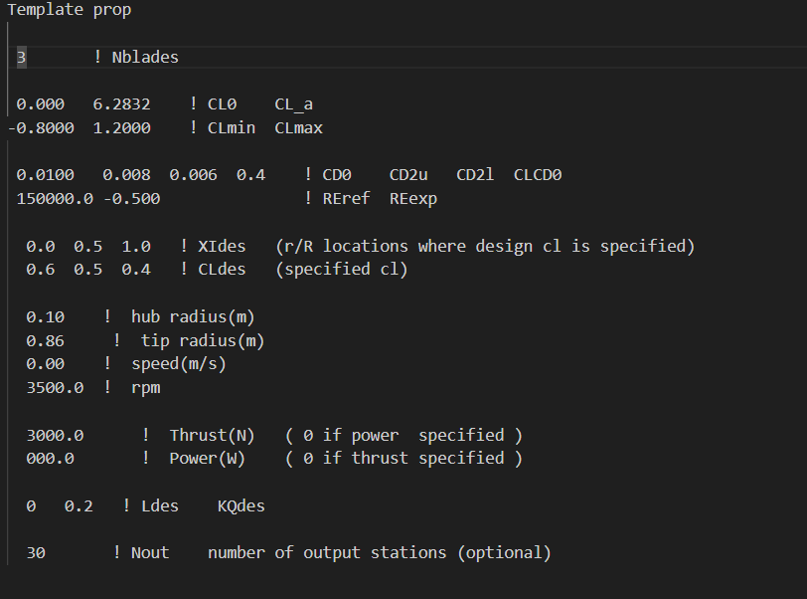

PROPELLER 1
Beta vs r_R
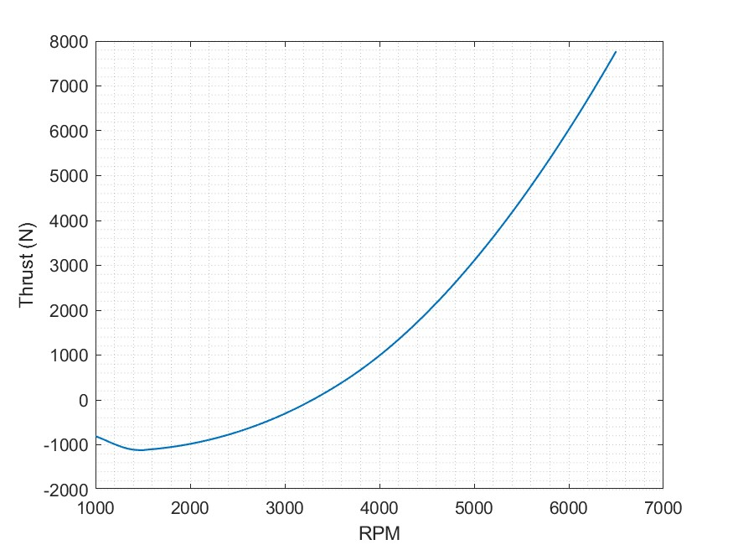
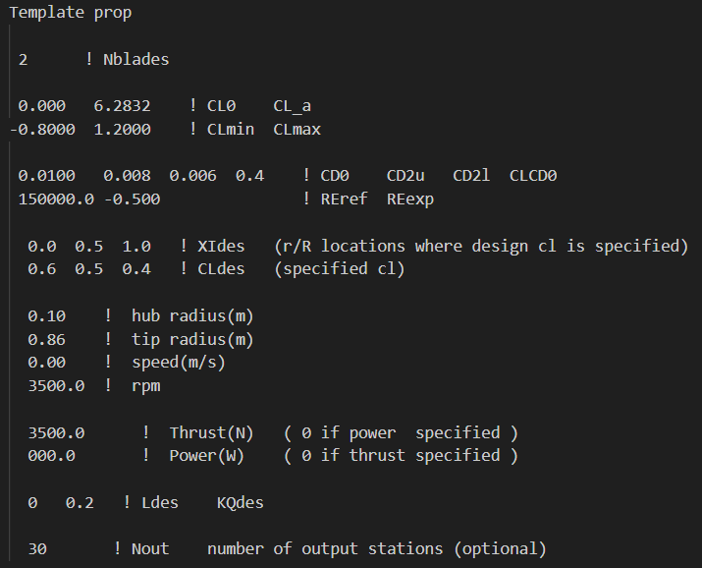
 | r (m) | c (m) | Beta (º) | r_R | Pitch (pol)
 | 0.11267 | 0.97278 | 38.6271 | 0.13101162791 | 26.838018704
 | 0.138 | 0.82494 | 33.4488 | 0.16046511628
 | 0.16333 | 0.71706 | 29.5343 | 0.18991860465
 | 0.18867 | 0.63502 | 26.4884 | 0.21938372093
 | 0.214 | 0.57069 | 24.0559 | 0.2488372093
 | 0.23933 | 0.519 | 22.0686 | 0.27829069767
 | 0.26467 | 0.47664 | 20.4125 | 0.30775581395
 | 0.29 | 0.44134 | 19.0082 | 0.33720930233
 | 0.31533 | 0.41151 | 17.7993 | 0.3666627907
 | 0.34067 | 0.38601 | 16.7445 | 0.39612790698
 | 0.366 | 0.36396 | 15.8131 | 0.42558139535
 | 0.39133 | 0.34473 | 14.9817 | 0.45503488372
 | 0.41667 | 0.3278 | 14.2324 | 0.4845
Chord vs r_R
 | 0.442 | 0.31278 | 13.5509 | 0.51395348837
 | 0.46733 | 0.29935 | 12.9262 | 0.54340697674
 | 0.49267 | 0.28723 | 12.3491 | 0.57287209302
 | 0.518 | 0.2762 | 11.8123 | 0.6023255814
 | 0.54333 | 0.26604 | 11.3096 | 0.63177906977

 | 0.56867 | 0.25657 | 10.8359 | 0.66124418605
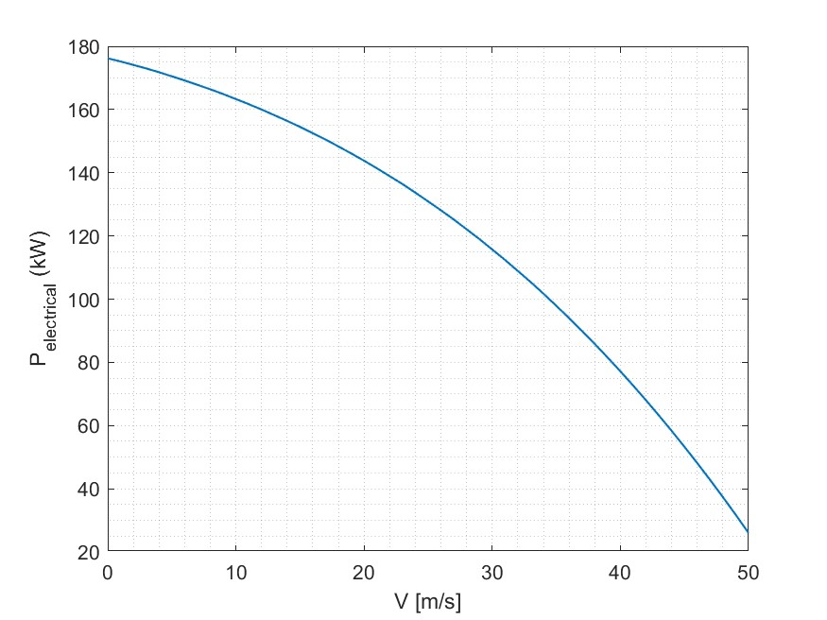
 | 0.594 | 0.24757 | 10.3869 | 0.69069767442
 | 0.61933 | 0.23882 | 9.9588 | 0.72015116279
 | 0.64467 | 0.23009 | 9.5482 | 0.74961627907
 | 0.67 | 0.22107 | 9.1522 | 0.77906976744
 | 0.69533 | 0.21135 | 8.768 | 0.80852325581
 | 0.72067 | 0.20042 | 8.3929 | 0.83798837209
 | 0.746 | 0.18754 | 8.0241 | 0.86744186047
 | 0.77133 | 0.17162 | 7.6585 | 0.89689534884
 | 0.79667 | 0.15087 | 7.2927 | 0.92636046512
 | 0.822 | 0.12176 | 6.9217 | 0.95581395349
 | 0.84733 | 7.33E-02 | 6.5387 | 0.98526744186
 | 0.86 | 4.18E-02 | 6.3427 | 1

Chord vs r_R
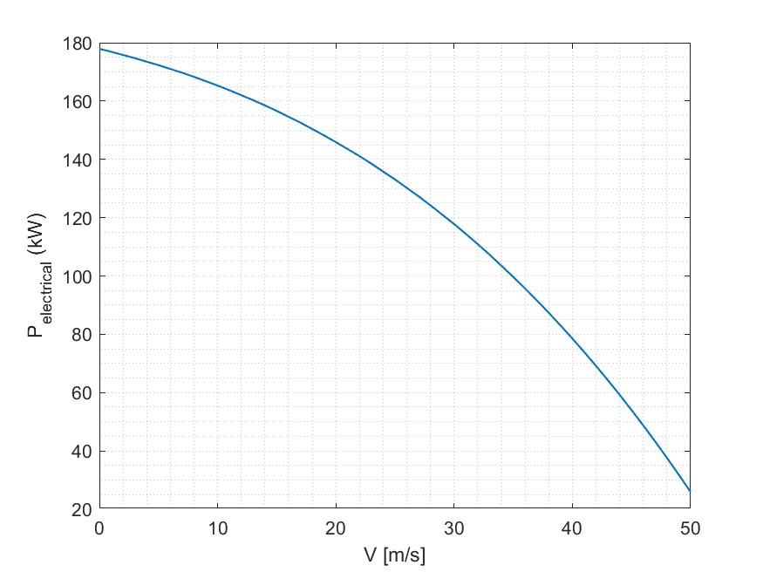
PROPELLER 2

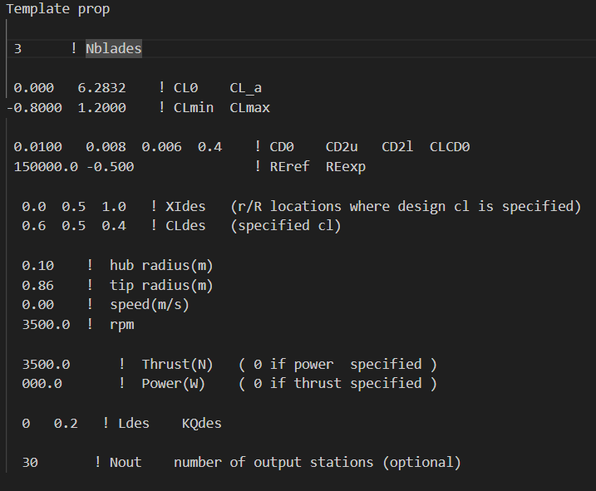
 | r_R | r (m) | c (m) | Beta (º) | Pitch (pol)
 | 0.13101162791 | 0.11267 | 0.59896 | 38.0938 | 26.460466512
 | 0.16046511628 | 0.138 | 0.51421 | 32.9651
 | 0.18991860465 | 0.16333 | 0.45026 | 29.0978
 | 0.21938372093 | 0.18867 | 0.40064 | 26.0938
 | 0.2488372093 | 0.214 | 0.36121 | 23.6974
 | 0.27829069767 | 0.23933 | 0.32925 | 21.7411
 | 0.30775581395 | 0.26467 | 0.30289 | 20.1115
 | 0.33720930233 | 0.29 | 0.28083 | 18.7301
 | 0.3666627907 | 0.31533 | 0.26213 | 17.5411
 | 0.39612790698 | 0.34067 | 0.24611 | 16.5037
Beta vs r_R
 | 0.42558139535 | 0.366 | 0.23225 | 15.5875
 | 0.45503488372 | 0.39133 | 0.22015 | 14.7697
 | 0.4845 | 0.41667 | 0.20952 | 14.0324

 | 0.51395348837 | 0.442 | 0.20011 | 13.3617
 | 0.54340697674 | 0.46733 | 0.19174 | 12.7467
 | 0.57287209302 | 0.49267 | 0.18424 | 12.1784
 | 0.6023255814 | 0.518 | 0.17749 | 11.6495
 | 0.63177906977 | 0.54333 | 0.17138 | 11.1541
 | 0.66124418605 | 0.56867 | 0.1658 | 10.6871
 | 0.69069767442 | 0.594 | 0.16067 | 10.2442
 | 0.72015116279 | 0.61933 | 0.15588 | 9.8217
 | 0.74961627907 | 0.64467 | 0.15131 | 9.4163
 | 0.77906976744 | 0.67 | 0.14681 | 9.0252
 | 0.80852325581 | 0.69533 | 0.14214 | 8.6455
 | 0.83798837209 | 0.72067 | 0.13697 | 8.2745
 | 0.86744186047 | 0.746 | 0.13073 | 7.9096
 | 0.89689534884 | 0.77133 | 0.12249 | 7.5476
 | 0.92636046512 | 0.79667 | 0.11066 | 7.1851
 | 0.95581395349 | 0.822 | 9.20E-02 | 6.8173
 | 0.98526744186 | 0.84733 | 5.71E-02 | 6.4373
 | 1 | 0.86 | 3.36E-02 | 6.2426

EMRAX 228-HV
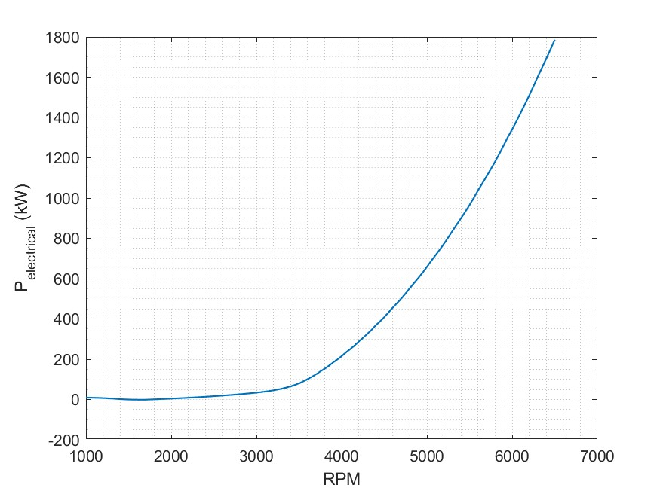
PROPELLER 1 | vel_design | 36 | m/s
 |  |  |  | r (m) | c (m) | Beta (º) | r_R | Pitch (pol)
 |  |  |  | 0.11267 | 0.8292 | 36.3968 | 0.13101162791 | 25.289269081
 |  |  |  | 0.138 | 0.70118 | 31.4358 | 0.16046511628
 |  |  |  | 0.16333 | 0.60819 | 27.724 | 0.18991860465
 |  |  |  | 0.18867 | 0.53778 | 24.8554 | 0.21938372093
 |  |  |  | 0.214 | 0.48275 | 22.5748 | 0.2488372093
 |  |  |  | 0.23933 | 0.43866 | 20.717 | 0.27829069767
 |  |  |  | 0.26467 | 0.40259 | 19.1715 | 0.30775581395
 |  |  |  | 0.29 | 0.3726 | 17.8625 | 0.33720930233
 |  |  |  | 0.31533 | 0.3473 | 16.7361 | 0.3666627907
 |  |  |  | 0.34067 | 0.32569 | 15.7533 | 0.39612790698
 |  |  |  | 0.366 | 0.30703 | 14.8851 | 0.42558139535
 |  |  |  | 0.39133 | 0.29078 | 14.1096 | 0.45503488372
 |  |  |  | 0.41667 | 0.2765 | 13.41 | 0.4845
 |  |  |  | 0.442 | 0.26385 | 12.7731 | 0.51395348837
 |  |  |  | 0.46733 | 0.25257 | 12.1884 | 0.54340697674
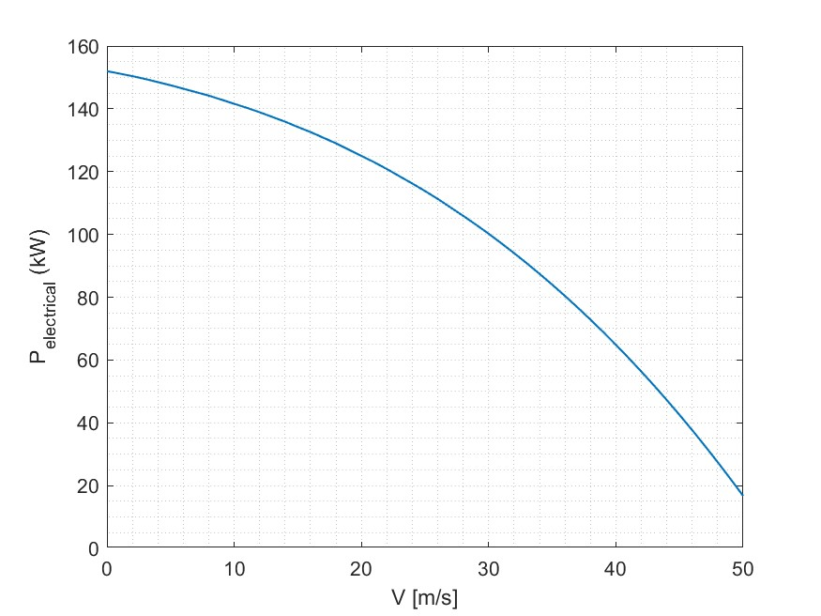
 |  |  |  | 0.49267 | 0.24242 | 11.6475 | 0.57287209302
 |  |  |  | 0.518 | 0.23321 | 11.1435 | 0.6023255814
 |  |  |  | 0.54333 | 0.22478 | 10.6707 | 0.63177906977
 |  |  |  | 0.56867 | 0.21695 | 10.2245 | 0.66124418605
 |  |  |  | 0.594 | 0.20957 | 9.8006 | 0.69069767442
 |  |  |  | 0.61933 | 0.20246 | 9.3957 | 0.72015116279
 |  |  |  | 0.64467 | 0.19542 | 9.0065 | 0.74961627907
 |  |  |  | 0.67 | 0.18818 | 8.6304 | 0.77906976744
 |  |  |  | 0.69533 | 0.18041 | 8.2646 | 0.80852325581
 |  |  |  | 0.72067 | 0.17165 | 7.9066 | 0.83798837209
 |  |  |  | 0.746 | 0.16125 | 7.5538 | 0.86744186047
 |  |  |  | 0.77133 | 0.14821 | 7.2031 | 0.89689534884
 |  |  |  | 0.79667 | 0.13092 | 6.8511 | 0.92636046512
 |  |  |  | 0.822 | 0.10621 | 6.4932 | 0.95581395349
 |  |  |  | 0.84733 | 6.43E-02 | 6.1222 | 0.98526744186
 |  |  |  | 0.86 | 3.69E-02 | 5.9319 | 1

PROPELLER 2 | vel_design | 33 | m/s


 |  |  |  | r (m) | c (m) | Beta (º) | r_R | Pitch (pol)
 |  |  |  | 0.11267 | 0.51512 | 35.9276 | 0.13101162791 | 24.973351854
 |  |  |  | 0.138 | 0.44025 | 31.0156 | 0.16046511628
 |  |  |  | 0.16333 | 0.3843 | 27.3481 | 0.18991860465
 |  |  |  | 0.18867 | 0.34119 | 24.5176 | 0.21938372093
 |  |  |  | 0.214 | 0.30712 | 22.2691 | 0.2488372093
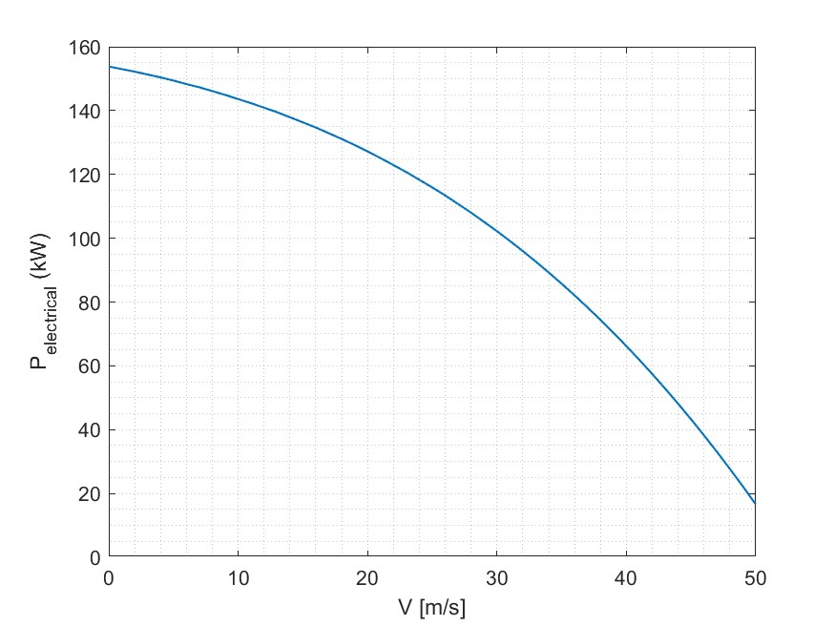
 |  |  |  | 0.23933 | 0.27961 | 20.4385 | 0.27829069767
 |  |  |  | 0.26467 | 0.25699 | 18.9163 | 0.30775581395
 |  |  |  | 0.29 | 0.23811 | 17.6271 | 0.33720930233
 |  |  |  | 0.31533 | 0.22214 | 16.5178 | 0.3666627907
 |  |  |  | 0.34067 | 0.20847 | 15.5499 | 0.39612790698
 |  |  |  | 0.366 | 0.19666 | 14.6948 | 0.42558139535
 |  |  |  | 0.39133 | 0.18636 | 13.9309 | 0.45503488372
 |  |  |  | 0.41667 | 0.17732 | 13.2415 | 0.4845
 |  |  |  | 0.442 | 0.16933 | 12.6138 | 0.51395348837
 |  |  |  | 0.46733 | 0.16222 | 12.0373 | 0.54340697674
 |  |  |  | 0.49267 | 0.15586 | 11.5038 | 0.57287209302
 |  |  |  | 0.518 | 0.15015 | 11.0066 | 0.6023255814
 |  |  |  | 0.54333 | 0.14498 | 10.54 | 0.63177906977
 |  |  |  | 0.56867 | 0.14029 | 10.0994 | 0.66124418605
 |  |  |  | 0.594 | 0.13599 | 9.6807 | 0.69069767442
 |  |  |  | 0.61933 | 0.132 | 9.2805 | 0.72015116279
 |  |  |  | 0.64467 | 0.12823 | 8.8958 | 0.74961627907
 |  |  |  | 0.67 | 0.12457 | 8.5237 | 0.77906976744
 |  |  |  | 0.69533 | 0.12083 | 8.1617 | 0.80852325581
 |  |  |  | 0.72067 | 0.11674 | 7.8072 | 0.83798837209
 |  |  |  | 0.746 | 0.11183 | 7.4576 | 0.86744186047
 |  |  |  | 0.77133 | 0.10531 | 7.11 | 0.89689534884
 |  |  |  | 0.79667 | 9.57E-02 | 6.7609 | 0.92636046512
 |  |  |  | 0.822 | 8.02E-02 | 6.4056 | 0.95581395349
 |  |  |  | 0.84733 | 5.02E-02 | 6.0371 | 0.98526744186
 |  |  |  | 0.86 | 2.98E-02 | 5.8479 | 1

