Sheet1
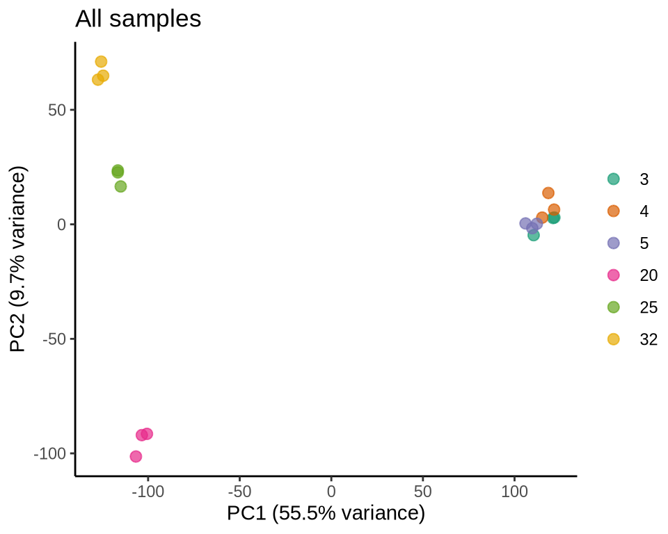
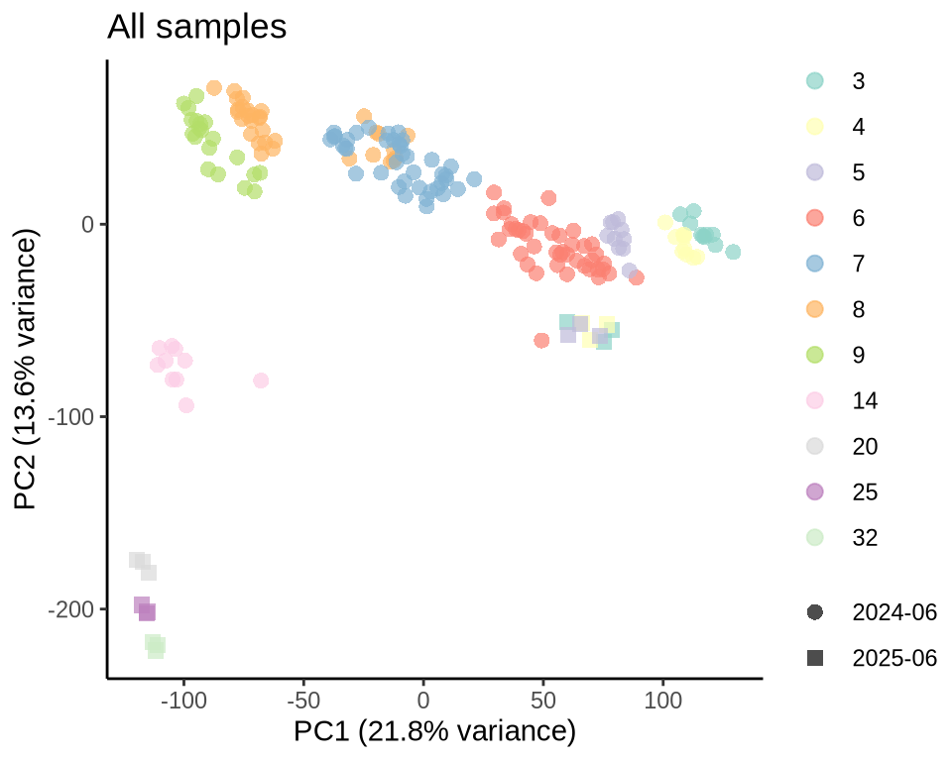
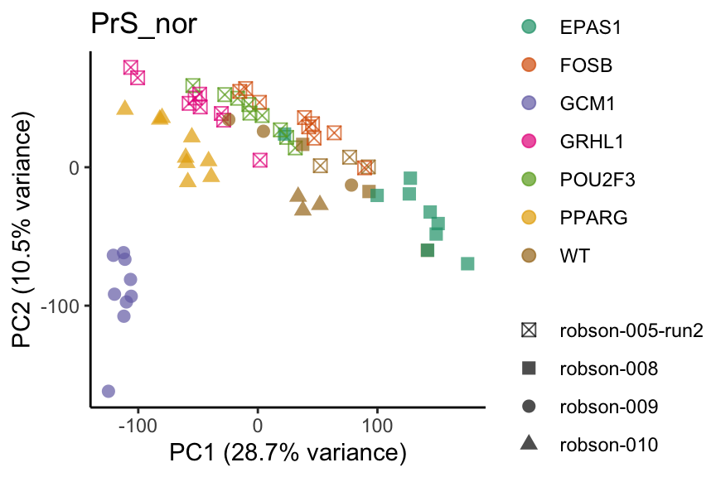
Release | 2023/12
Sample size | 90 |  | condition | day 6
 |  | cell_model_system | normoxia | hypoxia |  | Genes | 7 genes
 |  | primitive syncytial cells (PrS) | 66 | 12 |  | EPAS1* | FOSB | GCM1 | GRHL1 | POU2F3 | PPARG
 |  | mesenchyma cells (ExM) | 12 | 0 |  | ISL1
 |  |  |  |  |  | * with data from both normoxia and hypoxia

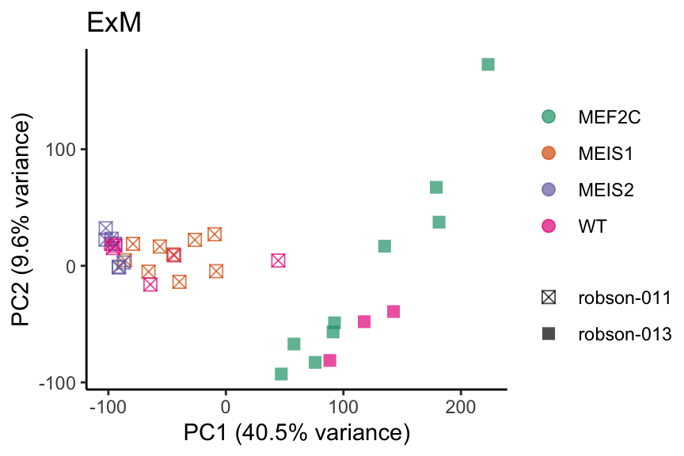

Release | 2024/05
Sample size | 82
 |  | model_system |  |  |  | Genes | 7 genes
 |  | primitive syncytial cells (PrS) | 48 |  |  | BHLHE40 | MXD1 | NCOA3 | RUNX1
 |  | mesenchyma cellsl (ExM) | 34 |  |  | MEIS1 | MEIS2 | MEF2C

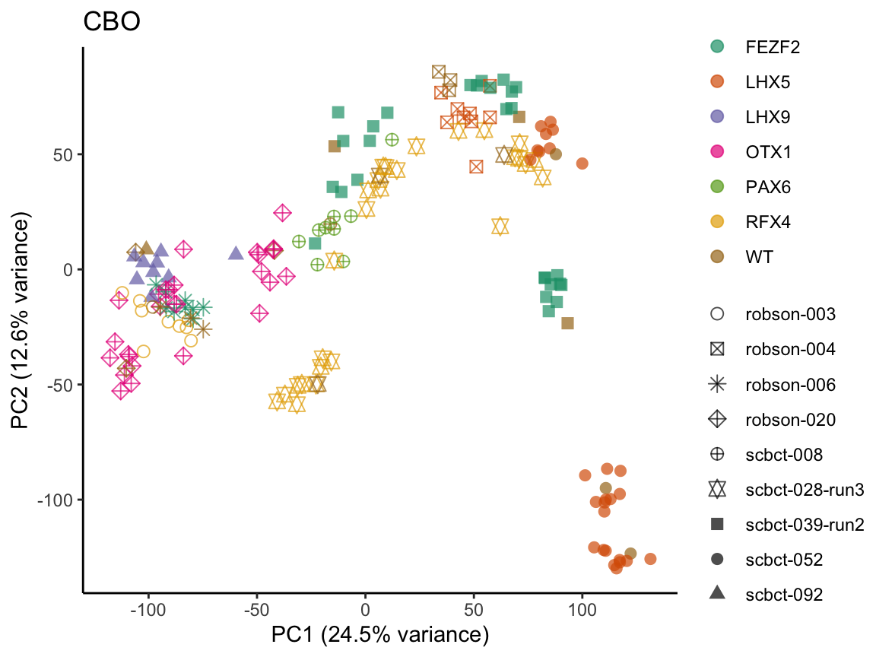
Release | 2024/06 Neuroectoderm
Sample size | 174
 |  | model_system |  |  |  | Genes | 6 genes
 |  | Cortical brain (dorsal forebrain patterning) |  |  |  | FEZF2 | LHX5 | LHX9 | OTX1 | PAX6 | RFX4

 |  |  |  | Time points
 |  |  |  | 3 | 4 | 5 | 6 | 7 | 8 | 9 | 14
 |  |  | FEZF2 | 0 | 0 | 9 | 9 | 9 | 9 | 0 | 0
 |  |  | LHX5 | 9 | 9 | 9 | 9 | 0 | 0 | 0 | 0
 |  |  | LHX9 | 0 | 0 | 0 | 0 | 0 | 0 | 0 | 9
 |  |  | OTX1 | 0 | 0 | 0 | 0 | 9 | 9 | 9 | 0
 |  |  | PAX6 | 0 | 0 | 0 | 0 | 9 | 0 | 0 | 0
 |  |  | RFX4 | 0 | 0 | 0 | 9 | 9 | 9 | 9 | 0
 |  |  | WT | 1 | 1 | 2 | 5 | 4 | 5 | 2 | 1

Release | 2024/06 ExEm_brain
Sample size | 28 | PTC only
 |  | model_system |  |  | Genes | 6 genes
 |  | Cortical brain (dorsal forebrain patterning) |  |  | DMRTA1 | TBR1
 |  | Extra-embryonic primitive syncytial cells |  |  | LMO2 | OVOL1 | PITX1 | ZBTB7C

 |  |  |  | Time points |  |  |  | Time points
 |  |  |  | 6 |  |  |  | 9 | 32
 |  |  | LMO2 | 3 |  |  | DMRTA1 | 3 | 0
 |  |  | OVOL1 | 3 |  |  | TBR1 | 0 | 3
 |  |  | PITX1 | 3
 |  |  | ZBTB7C | 3

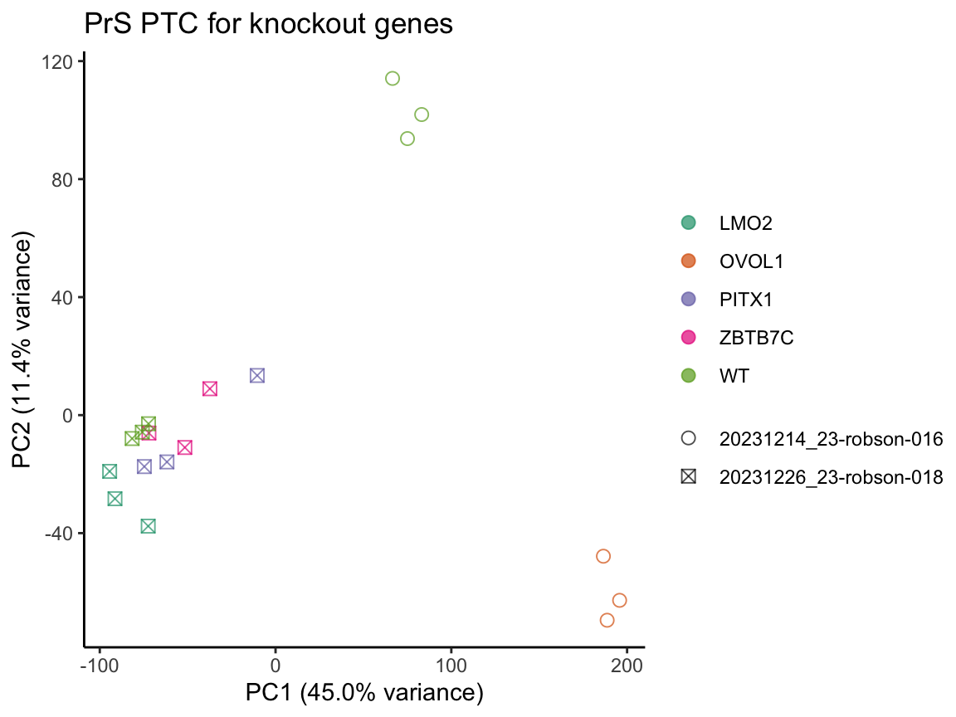
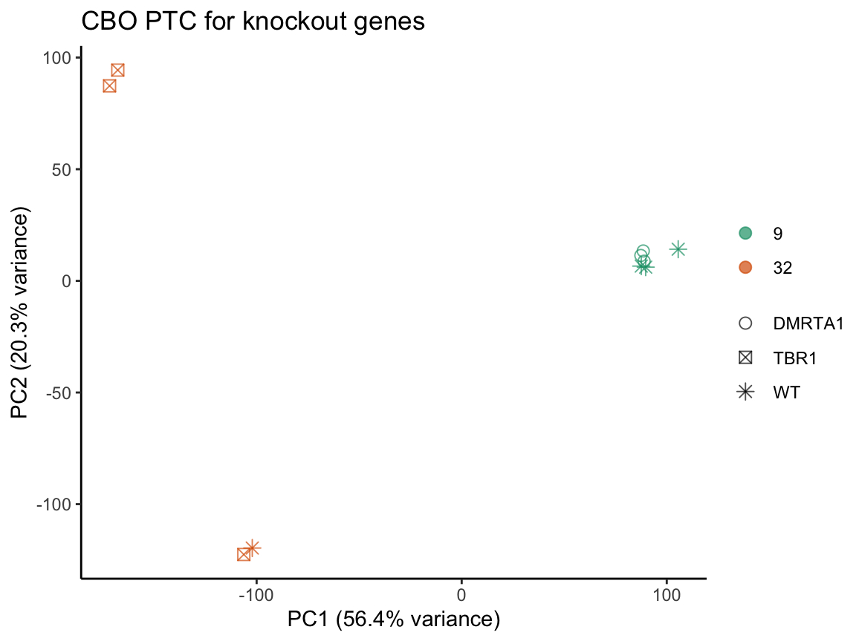

Release | 2024/09 ExE_CBO
Sample size | 48 | PTC only
 |  | model_system |  |  | Genes | 11 genes
 |  | Cortical brain (dorsal forebrain patterning) |  |  | NR2F1 | SIX3
 |  | Extra-embryonic primitive syncytial cells |  |  | DLX4 | DLX5 | DLX6 | HEY1 | HOPX | MAFF | MBNL2 | MBNL3 | TWIST2

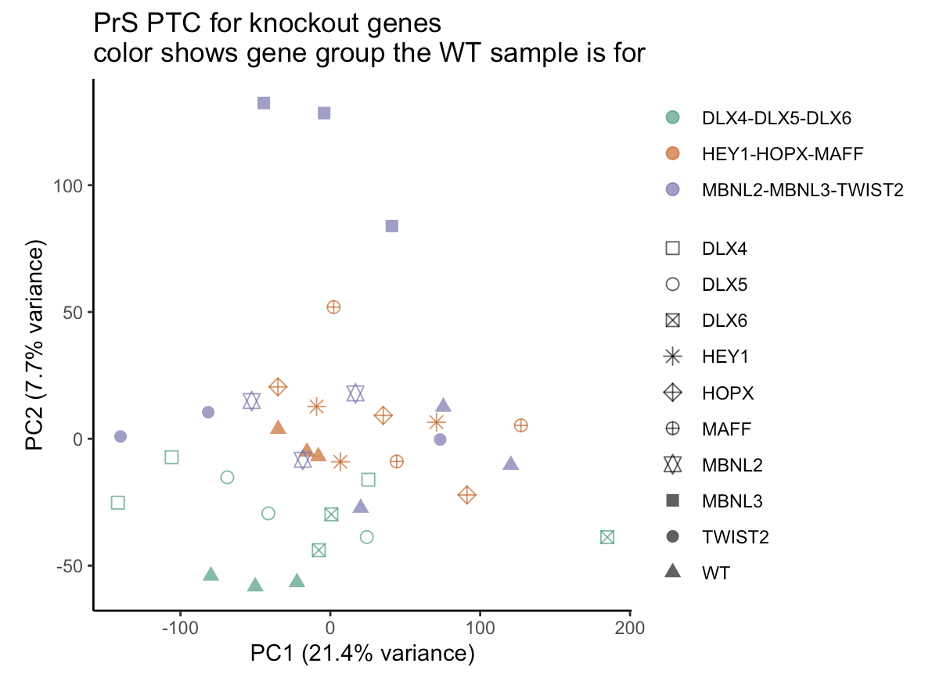
 |  |  |  | CBO Time points |  |  |  |  | PrS Time points
 |  |  |  | 8 | 22 |  |  |  | 6
 |  |  | NR2F1 | 0 | 3 |  |  | DLX4 | 3
 |  |  | SIX3 | 3 | 0 |  |  | DLX5 | 3
 |  |  |  |  |  |  |  | DLX6 | 3
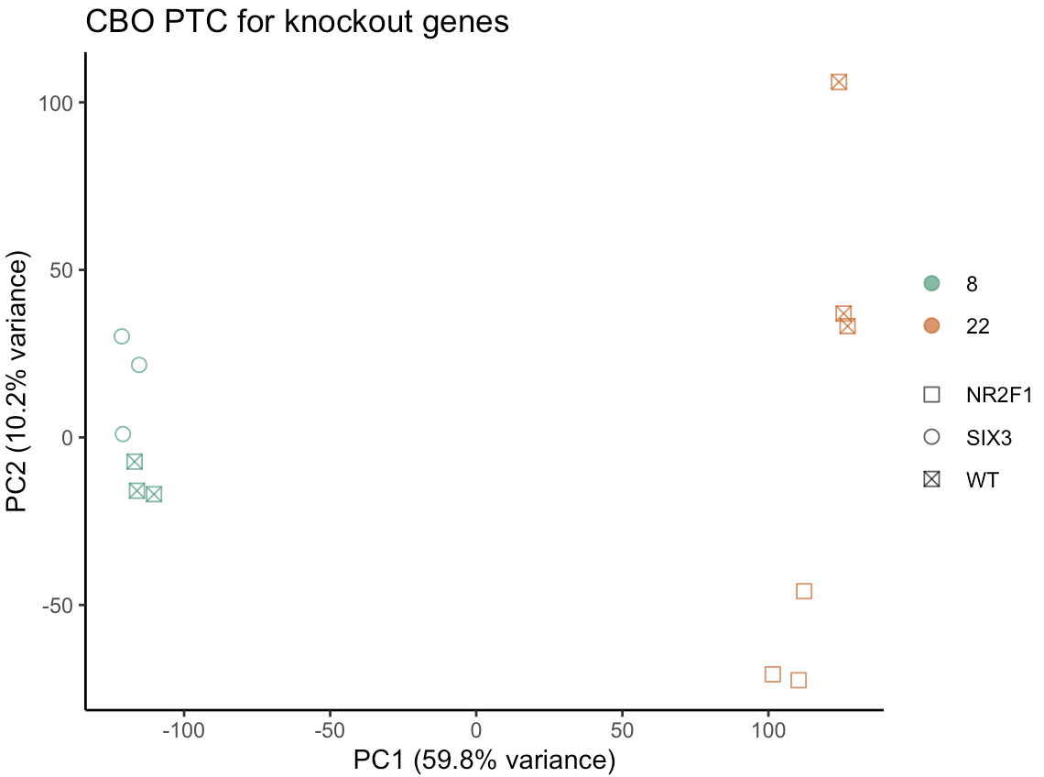
 |  |  |  |  |  |  |  | HEY1 | 3
 |  |  |  |  |  |  |  | HOPX | 3
 |  |  |  |  |  |  |  | MAFF | 3
 |  |  |  |  |  |  |  | MBNL2 | 3
 |  |  |  |  |  |  |  | MBNL3 | 3
 |  |  |  |  |  |  |  | TWIST2 | 3

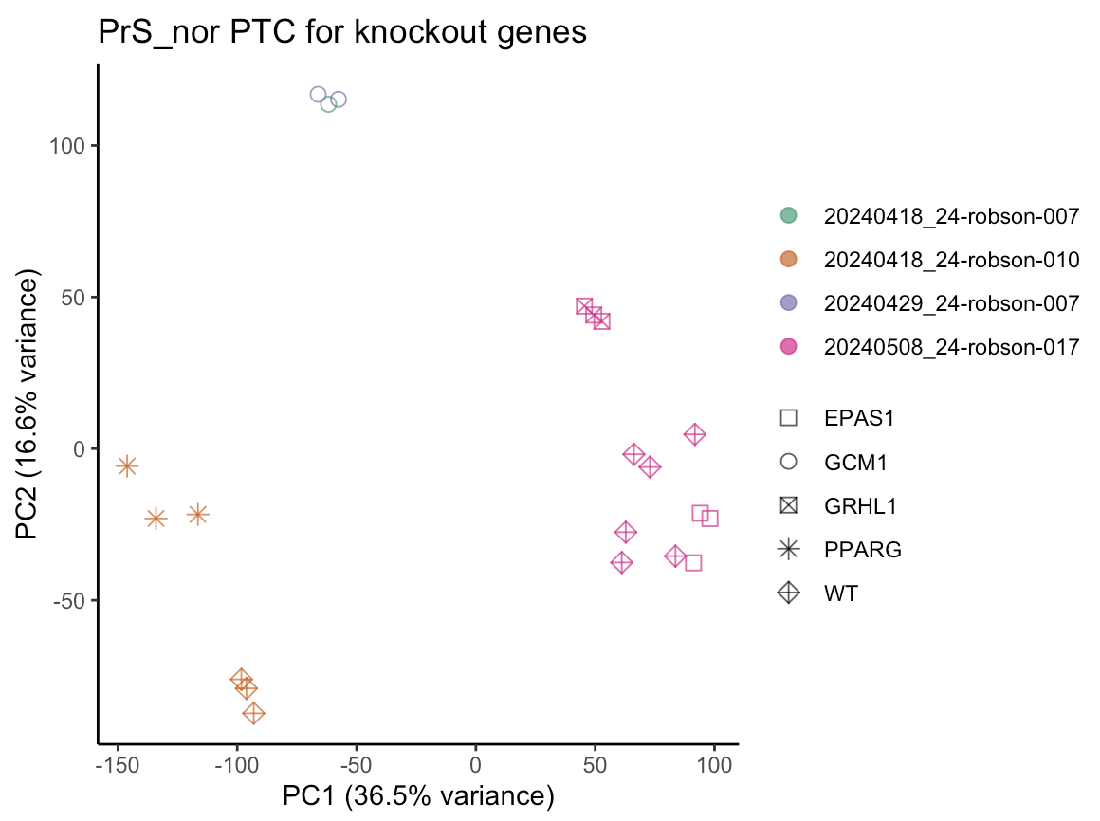

Release | 2024/09 | Diverse
Sample size | 33 | PTC only
 |  | model_system |  |  | Genes | 5 genes
 |  | Cortical brain (dorsal forebrain patterning) |  |  | PAX6
 |  | Extra-embryonic primitive syncytial cells |  |  | EPAS1* | GCM1 | GRHL1 | PPARG
 |  |  |  |  | * with data from both normoxia and hypoxia

 |  |  |  | CBO Time point |  |  |  | PrS Time points
 |  |  |  | 9 |  |  |  | 6
 |  |  | PAX6 | 3 |  |  | EPAS1 | 3 | hypoxia
 |  |  |  |  |  |  | EPAS1 | 3
 |  |  |  |  |  |  | GCM1 | 3
 |  |  |  |  |  |  | GRHL1 | 3
 |  |  |  |  |  |  | PPARG | 3

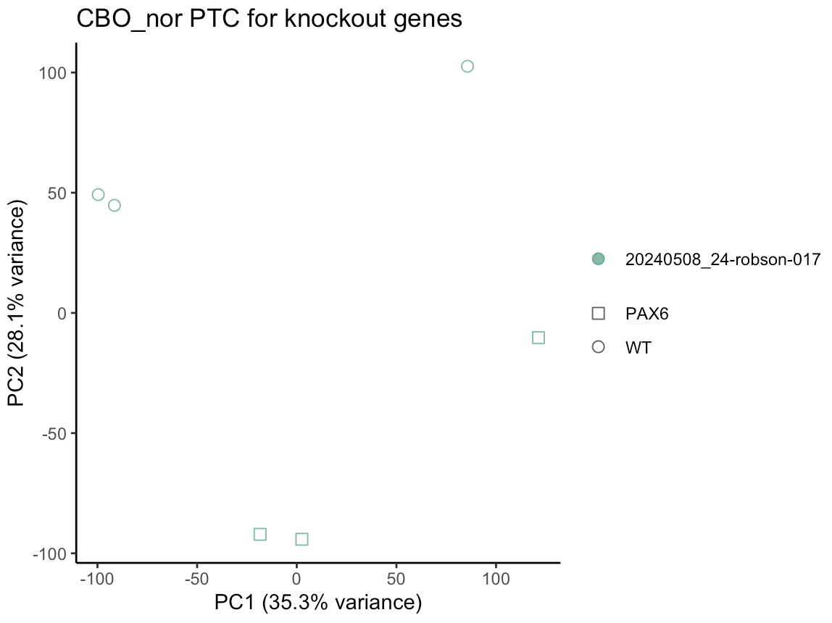
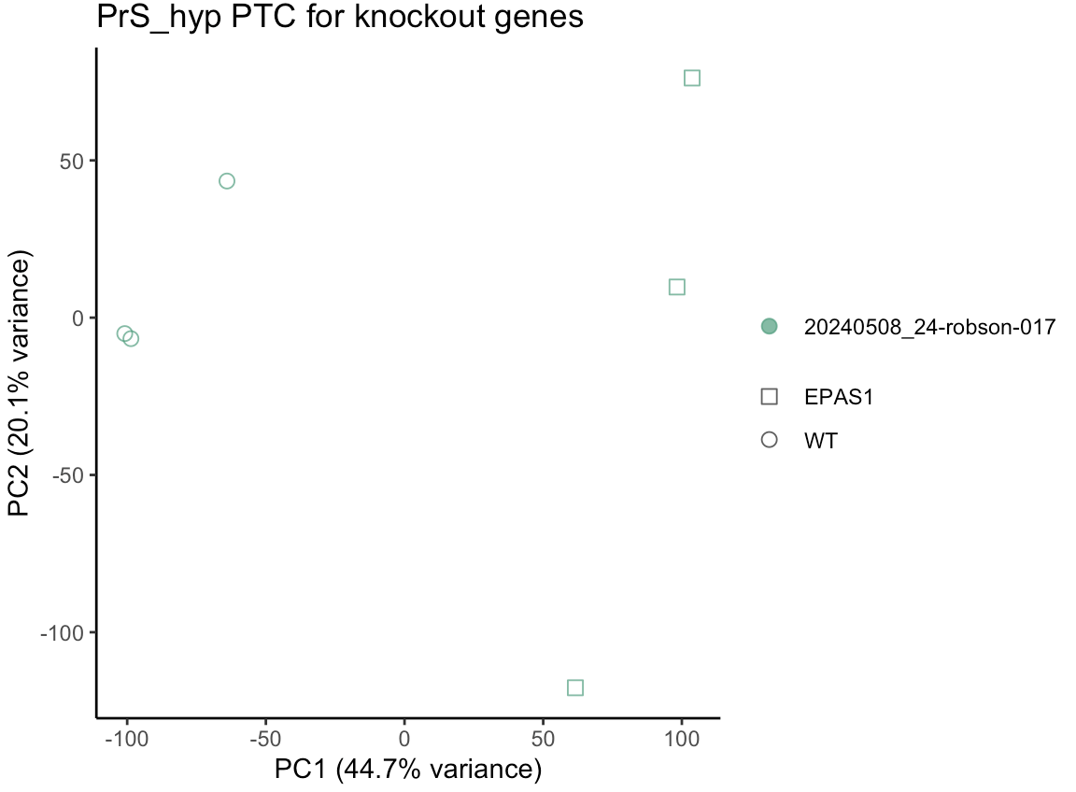

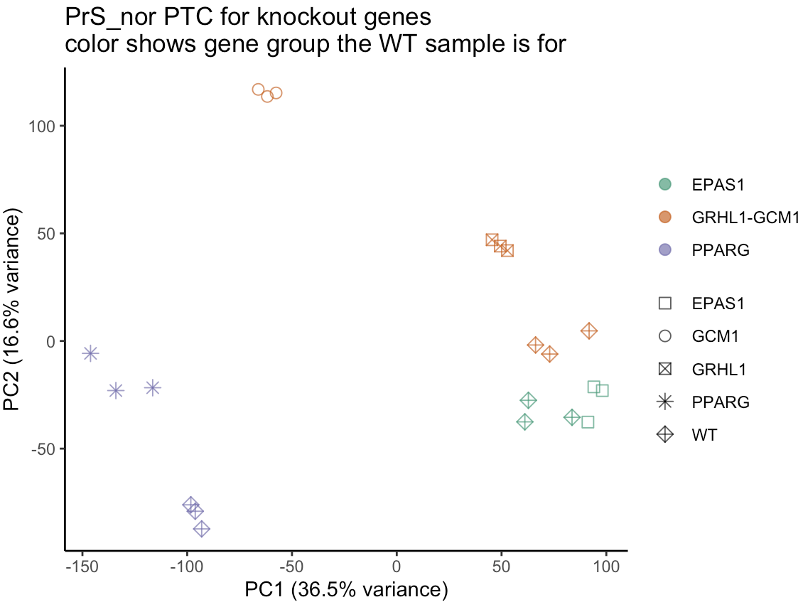

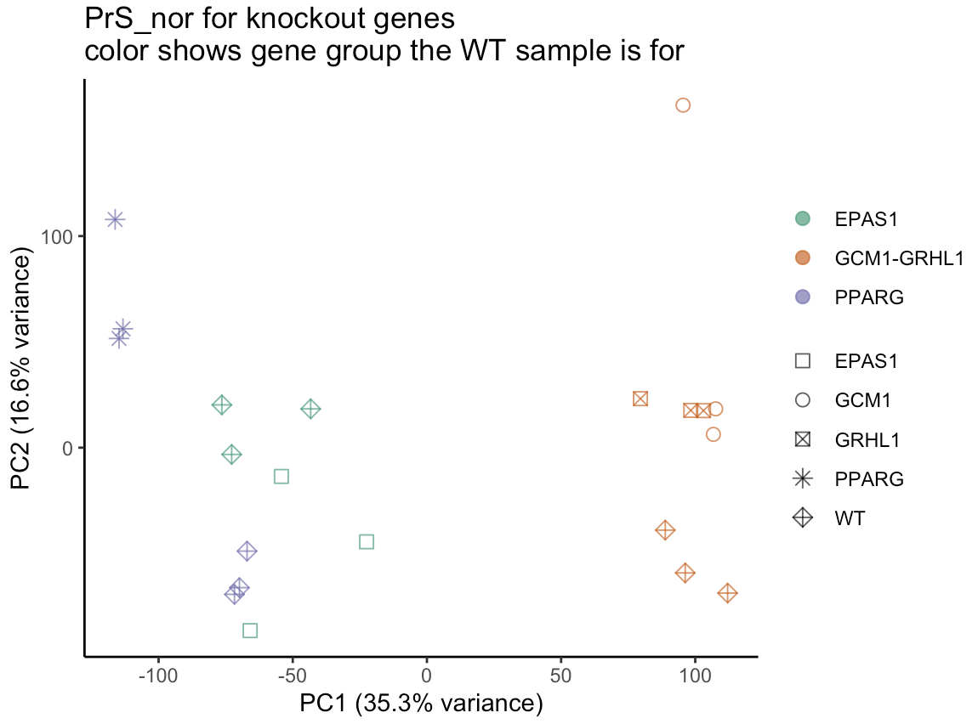
Release | 2024/09 | Reversion
Sample size | 36 | reverted (most knockout samples), PTC
 |  | model_system |  |  | Genes | 5 genes
 |  | Cortical brain (dorsal forebrain patterning) |  |  | PAX6**
 |  | Extra-embryonic primitive syncytial cells |  |  | EPAS1* | GCM1 | GRHL1 | PPARG
 |  |  |  |  | * with data from both normoxia and hypoxia
 |  |  |  |  | ** with data from both reversion and PTC

 |  |  |  | CBO Time point |  |  |  | PrS Time points
 |  |  |  | 9 |  |  |  | 6
 |  |  | PAX6 | 3 | PTC |  | EPAS1 | 3 | hypoxia
 |  |  | PAX6 | 3 |  |  | EPAS1 | 3
 |  |  |  |  |  |  | GCM1 | 3
 |  |  |  |  |  |  | GRHL1 | 3
 |  |  |  |  |  |  | PPARG | 3
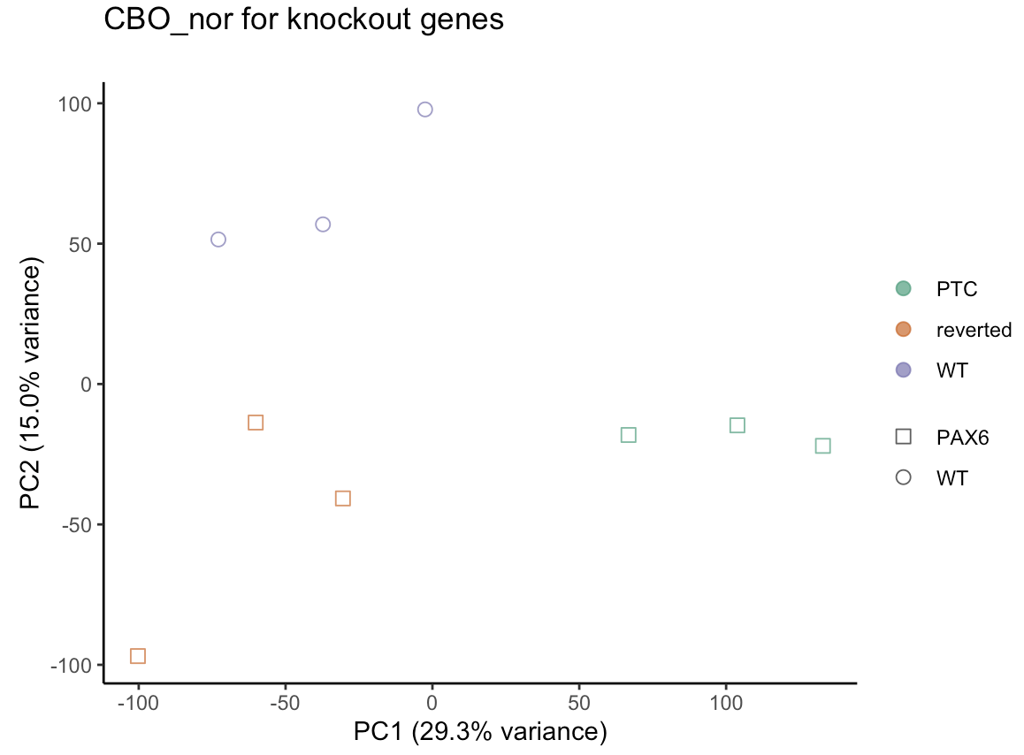
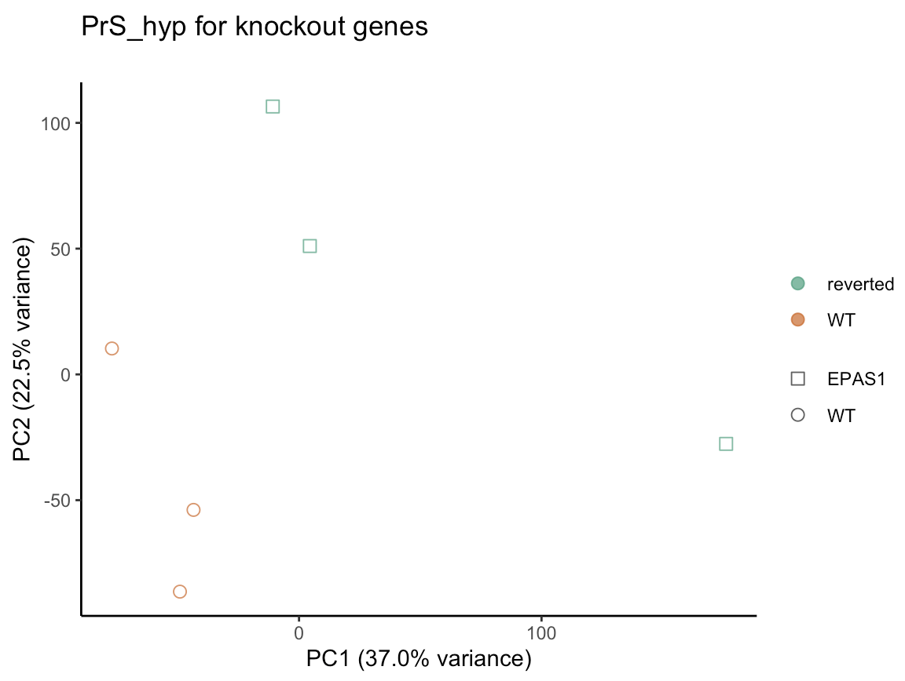

Release | 2024/09 | UCSF EB Timecourse
Sample size | 21 | WT, iPSC no treatment
 |  | model_system
 |  | Embryoid_Body
 |  | iPSC

 |  |  |  |  | EB Time point |  |  |  |  | iPSC
 |  |  | 0 | 2 | 4 | 6 | 8 | 10
 |  |  | 3 | 3 | 3 | 3 | 3 | 3 |  | 3

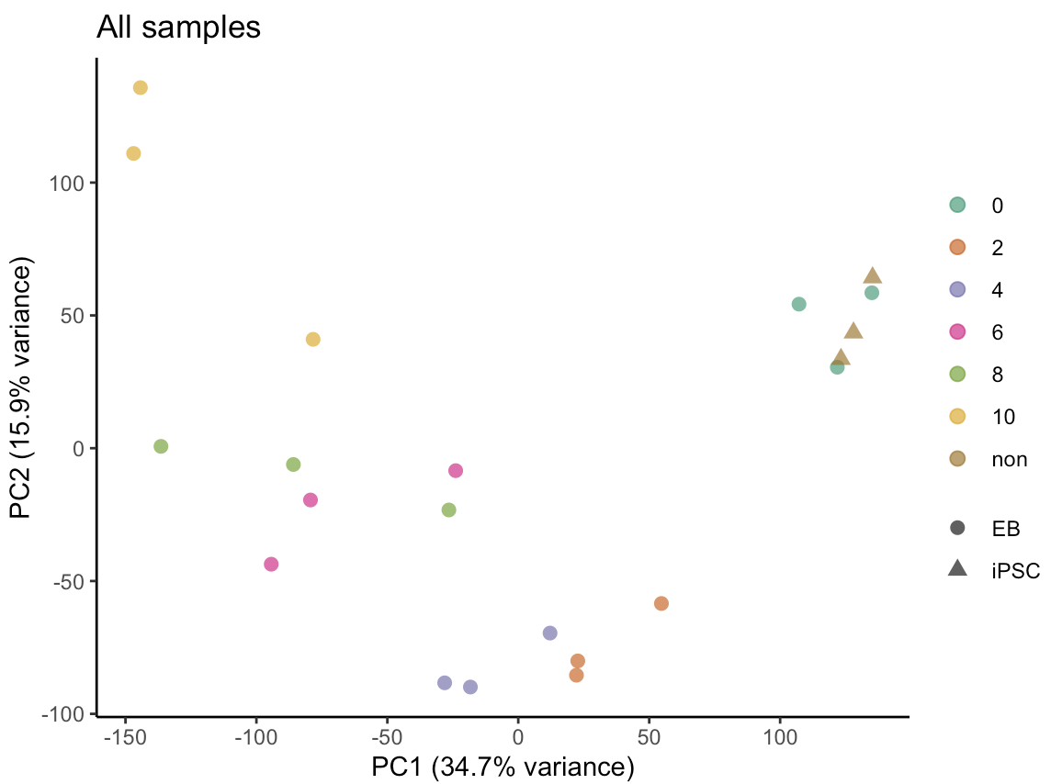

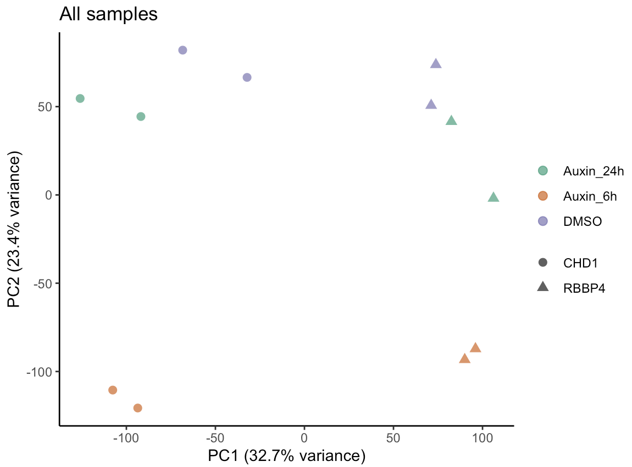
Release | 2024/10 | NW_RNAseq_1
Sample size | 12 | AID

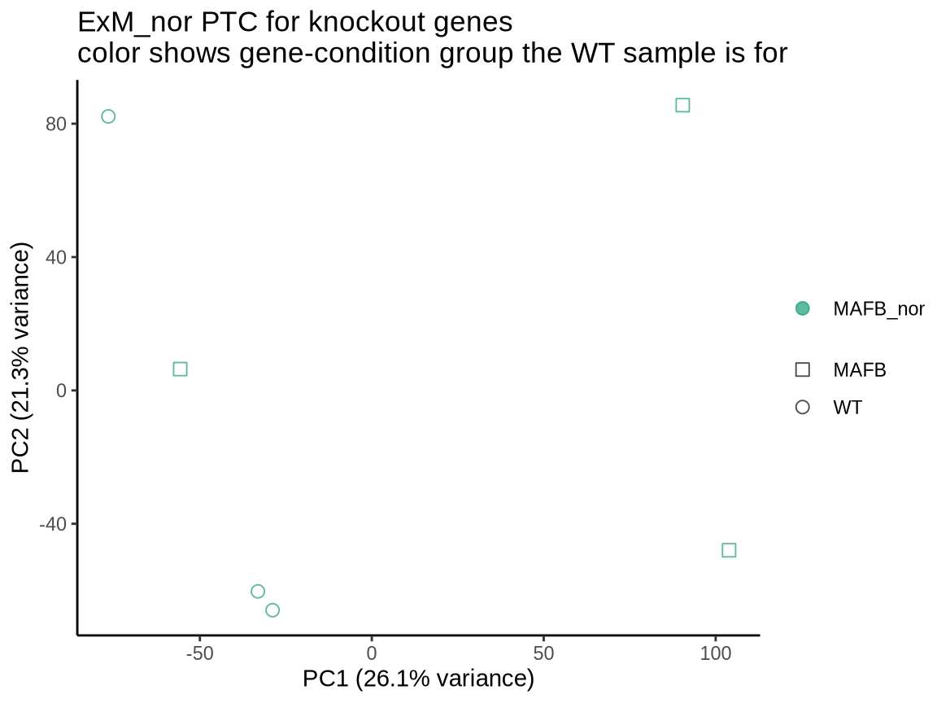
 |  | parental_cell_line_name | gene
 |  | OCM_108 | RBBP4
 |  | OCP74G | CHD1

 |  | treatments
 |  | DMSO
 |  | Auxin_6h
 |  | Auxin_24h

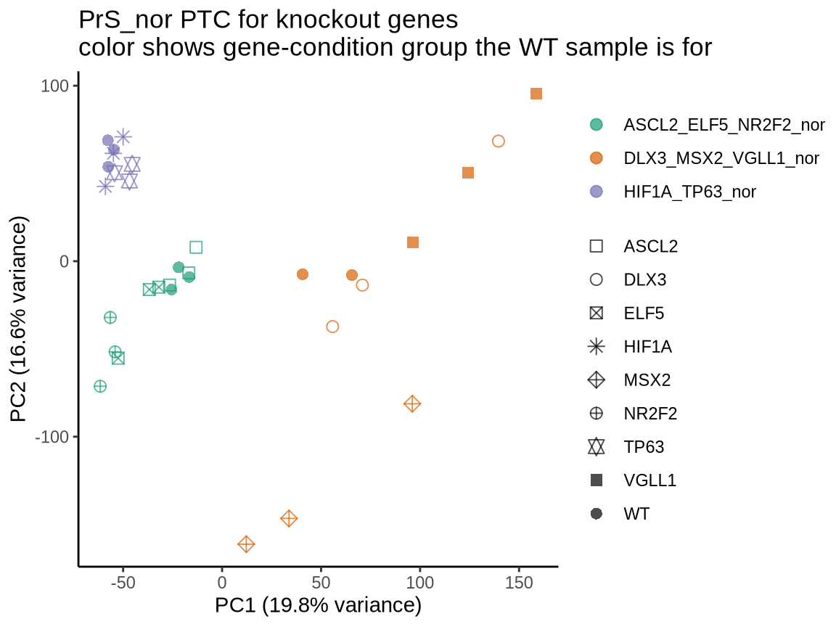
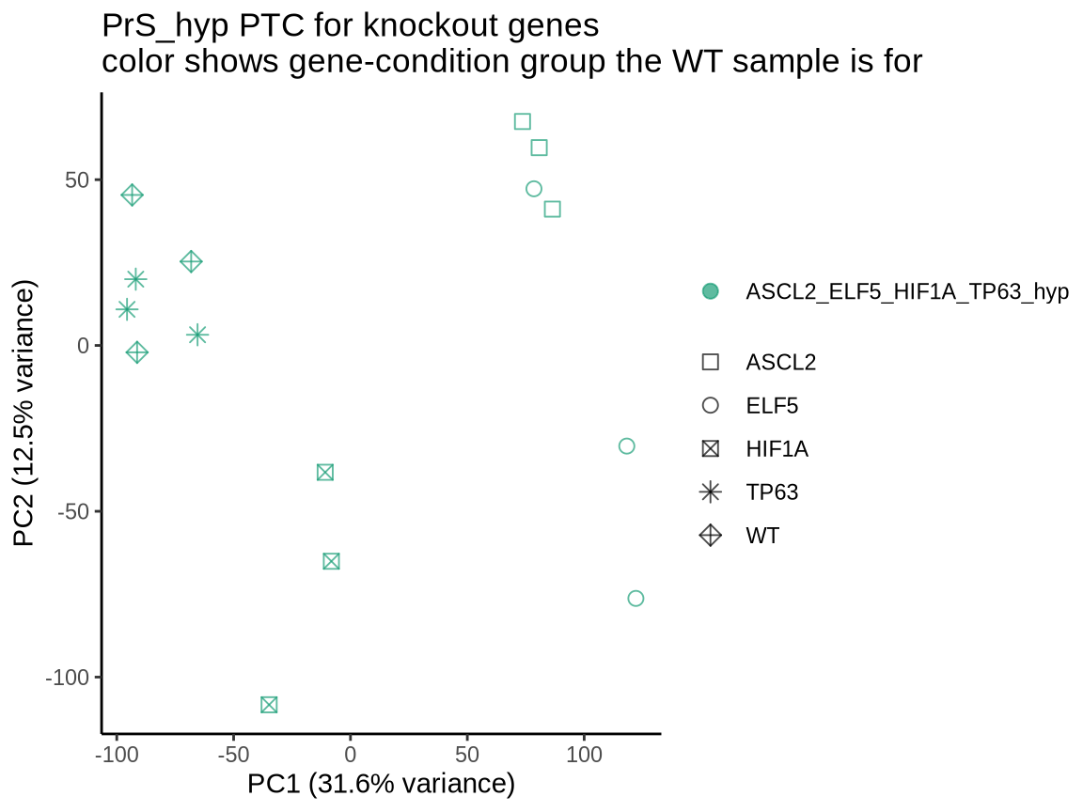
Release | 2025/06 | JAX_RNAseq08
Sample size | 53 | WT, PTC
 |  | model_system |  |  | Genes | 9 genes
 |  | fibroblast of villous mesenchyme (CL:0002558) |  |  | MAFB
 |  | primitive syncytium |  |  | ASCL2* | DLX3 | ELF5* | HIF1A* | MSX2 | NR2F2 | TP63* | VGLL1
 |  |  |  |  | * with data from both normoxia and hypoxia

 |  |  |  | ExM Time point |  |  |  | PrS Time points
 |  |  |  | 6 |  |  |  | 6
 |  |  | MAFB | 3 |  |  | ASCL2 | 3 | hypoxia
 |  |  | WT | 3 |  |  | ASCL2 | 3
 |  |  |  |  |  |  | DLX3 | 3
 |  |  |  |  |  |  | ELF5 | 3 | hypoxia
 |  |  |  |  |  |  | ELF5 | 3
 |  |  |  |  |  |  | HIF1A | 3 | hypoxia
 |  |  |  |  |  |  | HIF1A | 3
 |  |  |  |  |  |  | MSX2 | 3
 |  |  |  |  |  |  | NR2F2 | 3
 |  |  |  |  |  |  | TP63 | 3 | hypoxia
 |  |  |  |  |  |  | TP63 | 3
 |  |  |  |  |  |  | VGLL1 | 3
 |  |  |  |  |  |  | WT | 3 | hypoxia
 |  |  |  |  |  |  | WT | 8

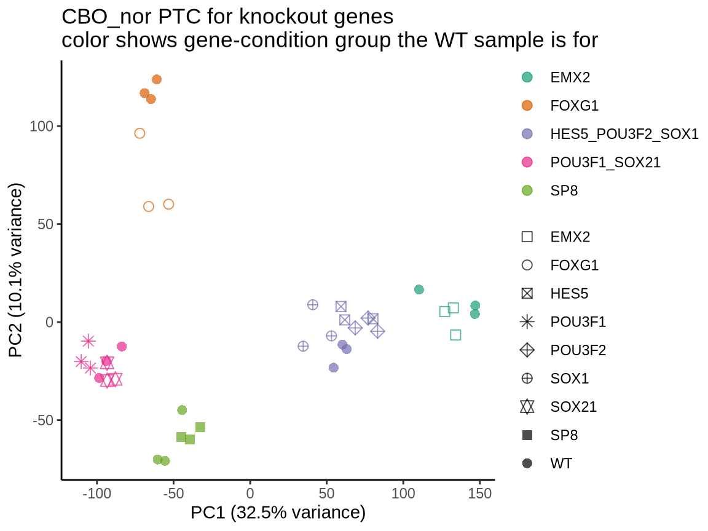

Release | 2025/06 | JAX_RNAseq09
Sample size | 39 | WT, PTC
 |  | model_system |  |  | Genes | 8 genes
 |  | Cortical brain (dorsal forebrain patterning) |  |  | EMX2 | FOXG1 | HES5 | POU3F1 | POU3F2 | SOX1 | SOX21 | SP8

 |  |  |  | CBO Time point
 |  |  |  | 8 | 9 | 11 | 14
 |  |  | EMX2 | 0 | 0 | 0 | 3
 |  |  | FOXG1 | 3 | 0 | 0 | 0
 |  |  | HES5 | 0 | 0 | 3 | 0
 |  |  | POU3F1 | 3 | 0 | 0 | 0
 |  |  | POU3F2 | 0 | 0 | 3 | 0
 |  |  | SOX1 | 0 | 0 | 3 | 0
 |  |  | SOX21 | 3 | 0 | 0 | 0
 |  |  | SP8 | 0 | 3 | 0 | 0
 |  |  | WT | 6 | 3 | 3 | 3

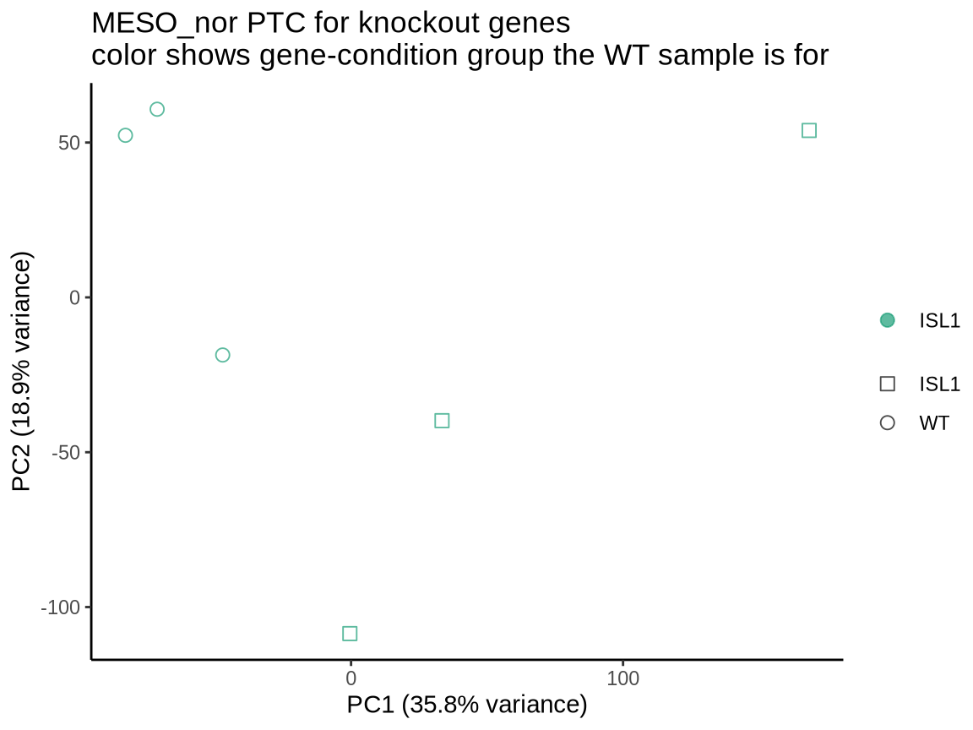
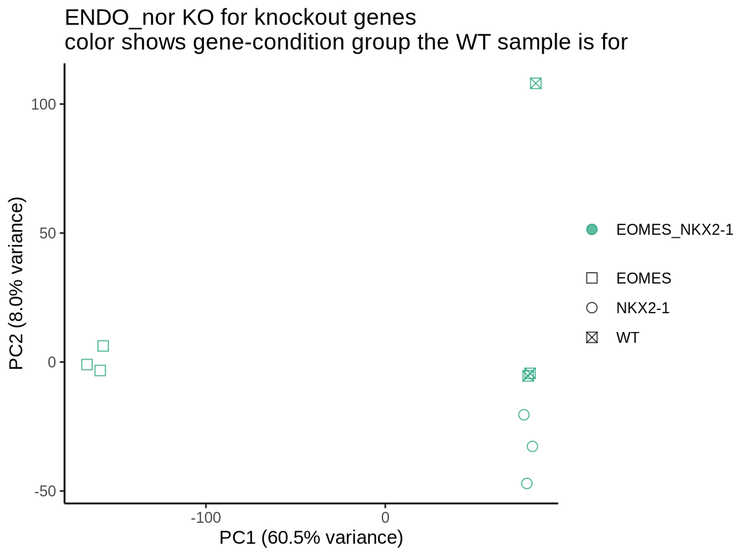
Release | 2025/06 | JAX_RNAseq10
Sample size | 15 | WT, KO, PTC
 |  | model_system | Genes | 3 genes
 |  | endoderm | EOMES | NKX2-1
 |  | mesoderm | ISL1

 |  |  |  | ENDO Time point |  |  |  | MESO Time points
 |  |  |  | 5 |  |  |  | 5
 |  |  | EOMES | 3 | KO |  | ISL1 | 3 | PTC
 |  |  | NKX2-1 | 3 | KO |  | WT | 3
 |  |  | WT | 3

Release | 2025/06 | JAX_RNAseq11
Sample size | 18 | Only WT
 |  | model_system
 |  | Cortical brain (dorsal forebrain patterning)

 |  |  |  | CBO Time point
 |  |  |  | 3 | 4 | 5 | 20 | 25 | 32
 |  |  | WT | 3 | 3 | 3 | 3 | 3 | 3

