Sheet1
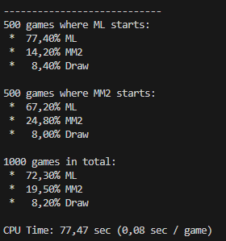
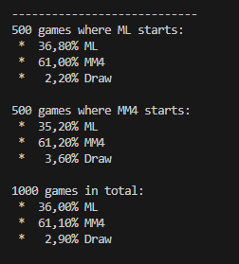
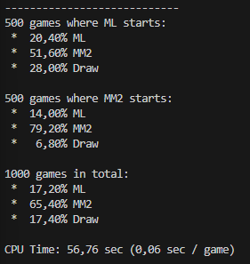
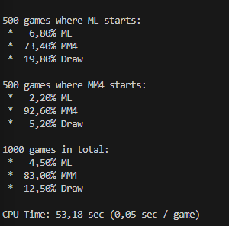
player | name | opponent | win percentage | epochs | loops | games per reinforcement played
normal train | 20241204-2112 | MM2 | 77% | 5 | 0 | 0
normal train | 20241204-2112 | MM4 | 36.50% | 5 | 0 | 0
 |  |  |  | 100
 |  |  |  | 100

met 6 dense layers:
Reinforce training | 20241204-2127 | MM2 | 17.20% | 5 | 4 | 10000
Reinforce training | 20241204-2127 | MM4 | 4.50% | 5 | 4 | 10000

met maar 3 dense layers: |  |  |  | 100 | 20 | 10000
Reinforce training |  | MM2 |  | 100 | 20 | 10000
Reinforce training |  | MM4

