1. Title Page
Analysis Final Report

Project Name: Instacart Analysis Final Report
Date: Oct 17th 2020
Analyst Name: Morwarid Najafizada

Contents:
Population Flow
Consistency checks
Wrangling steps
Column derivations
Visualizations
Recommendations

2. Population Flow
 |  |  | Title page

Population flow

Exclusion flag
Condition: Price< $100
Obervations to be removed: 217489
Final total count of order_products_all: 32434212

Orders_products_combined
Orders_products_merged
Orders_products_all

Total:
Total:
Total:
32434489 | 32434212 | 32434212

1.) The grey boxes in the first row of the population flow represent the original data sets as they were when you downloaded them. In the Total fields you need to add the count of the rows when you imported the data set into Jupyter.
2.) The second row of boxes (coloured) represents the data sets after you manipulated them, e.g., removed missing values and duplicates. In the Total fields you need to add the count of the rows after conducting these operations. This offers a visual oveview of how the data flows throughout the data consistency checks.
3.) The third row, where also the arrows are coloured, represents the merges you performed between the datasets. In the Total fields you need to add the count of the rows in the merged datasets, so that you end up with the final dataset (in the red box). Keep in mind the final dataset should be without exclusions (based on the exclusion flag).

3. Consistency checks
 |  |  |  | Title page
Consistency checks

Dataset | Missing values | Missing values treatment | Duplicates
orders | Days_since_prior_order | Assigned 0, and kept in our Dataframe as this indicates customers first purchase | No duplicated rows
products | Product_names | Deleted empty rows | 5 rows and were removed
orders_products_prior | N/A | N/A | No duplicated rows
customers | First Names | Removed all first and last names from our dataset | No duplicated rows

4. Wrangling steps
 |  |  |  | Title page
Wrangling steps

Columns dropped | Columns renamed | Columns' type changed | Comment/Reason
eval_set |  |  | It did not add any info for our dataset
 | order_dow |  | Renamed to order_day_of_week for better description
 | user_id |  | Renamed to User_ID for better spelling
 | surnam |  | Renamed to Family_name for better description
 | STATE |  | Renamed to State for better spelling
 | date_joined |  | Renamed to Date_Joined for better spelling
 | n_dependants |  | Renamed to Nummber_of_dependants for better description
 | fam_status |  | Renamed to Family_Status for better description
 | income |  | Renamed to Income for better spelling
 |  | order_id, user_id | Changed the data type to the string so the merging data types should match
First_name |  |  | PII type of data, to avoid data privacy issue
Last_name |  |  | PII type of data, to avoid data privacy issue
_merge |  |  | We do not require this merge flat in our data frame

5. Column derivations
 |  |  |  | Title page

Column derivations and aggregations

In this tab you should add tables below that the frequences of flags/label variables that you produced after deriving them. NB: don't do this for continuous variables, only for flags.
Dataset | New column | Column/s it was derived from | Conditions
dr_order and df_ords_prior | _merge | order_id | merging the two data set
order_product_merged | price_range_loc | prices | Breakdown products into different price range groups and checking the most expensive product
order_product_merged | busiest_days | order_hour_of day | Saperating day into different periods by numbers of orders and checking the busiest days
order_product_merged | Average_order | order_day_of_week | Assigning busiest days to week days, based on placed orders and checking the averege
order_product_merged | max _order | user_id and order_number | to do further aggregation
order_product_merged | loyalty_falg | max_order | To break down customers loyalty by how many orders they have placed and checking the loyal customers
order_product_merged | spending_flag | average_prices | checking the customer's spending behaviour
order_product_merged | order_frequency_flag | ordering_behavior | Determining the frequent and non frequent customer
Customer | Region | STATE | Separating customer profies, to explore different spending habits

6. Visualizations
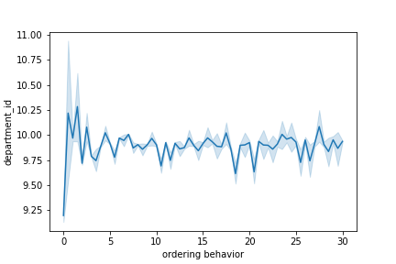
 |  |  |  | Title page

Visualisations

In this tab you should include all the visualtions from Exercises 4.9 and 4.10, alongside the questions from the project brief that they answer. Include any commentary on the relationship between different variables.

1. describeing the graph : Age and Spenders
the graph showes that the low spender and high spenders are having a constant line per age. | 2. the difference in expenditure ( the "price" column) depnding on the hour of the day - using an accurate sample
it showes that the age does not have impact on the spending power growth or decrease.
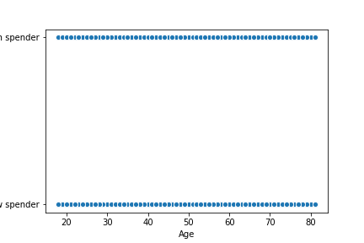
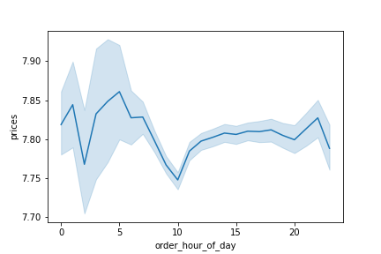

3. describeing the graph: Age and Number of Dependants | 4. the difference in expenditure ( the "price" column) depnding on the hour of the day - using the whole data
the graph shoes that the age and number of dependents do not have a clear conection.
however, the number of dependents fluctuate in each different ages
between age 58 to 61 the number od dependents seems to increase.
and between age 30 to 50 the number of depenants seems to have a steady fluctuation.

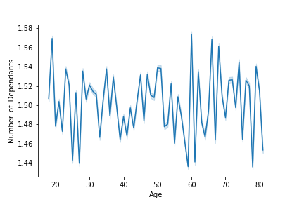
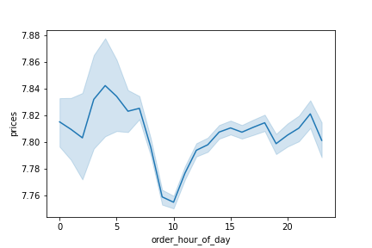

5. bar chart for loyalt flag : To better understand the Regular customer, Loyal customer,and New customer |  | 6. Frequency : looking at the histogram we can see that between 10 to 15 thier is an emply bar.
 |  | It showes that at that hour of the day there is no order
 |  | while the hours that are shaded in blue showes the busiest hour of the day.

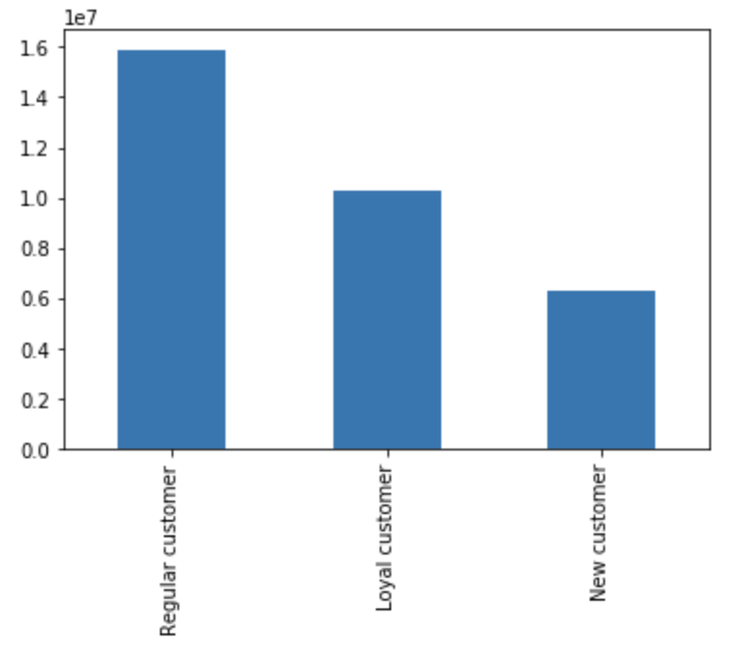
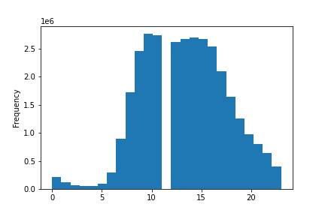

7. Order_of_the _week and Price: Using a list holding True/False values to the test np.random.rant() <= 0.7 |  |  | 8. Order_of_the _week and Price: Using the whole data

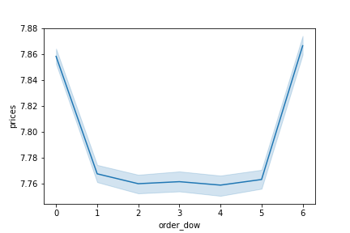
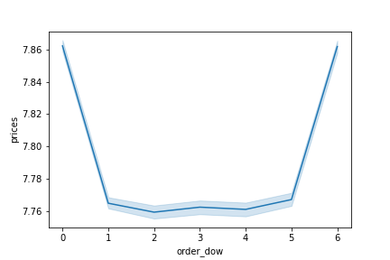

 |  |  | 10. histogram for prices
9. bar chart for orders_day_of_the_week

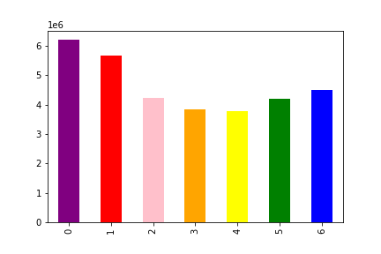
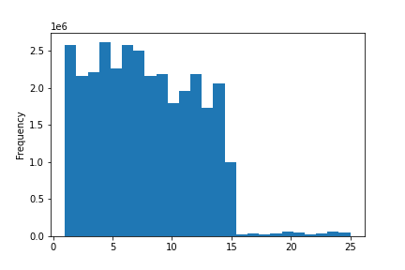

 |  |  | 12. Customer's behaviour based on Region that they are living
11. visualization to show the distribution of profiles: |  |  | Region one, Region Two, Region three, and Region Four.
Customers's bahaviour based on The single adult customer, Young parents customer, and Seniors customers |  |  | All these Regions are then covers different states of US

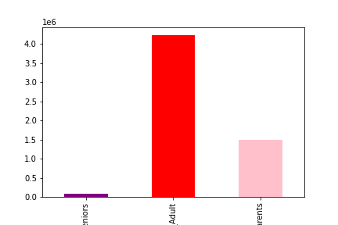
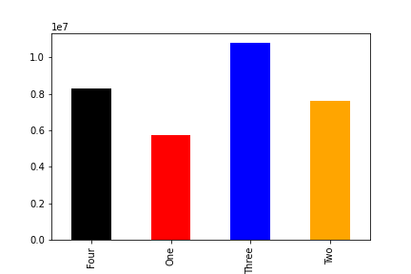

13. This Visualization showes the ordering Behavior of customers based on the department ID

7. Recommendations
 |  | Title page

Recommendations

In this tab you should include any recommendations you would made to Instcart in terms of their marketing strategy based on the questions posed in the brief. Every key question has been covered in the Tasks of the Exercises - here you need to add an item - a visualisation or table/crosstable that is showing the answer in the data, acompanied by a comment from you. Please, list the questions below and add the answer underneath.

Questions

Key Question 1 | What’s the distribution among users in regards to their brand loyalty (i.e., how often do they return to Instacart)?
Answers | Loyal customer does seem to order more, shown in the visualization 5

Key Question 2 | Are there differences in ordering habits based on a customer’s loyalty status?
Answers | Based on the bar chart, I can say that the amont of Regular customer is much higher than loyal and New customers.

Key Question 3 | Are there differences in ordering habits based on a customer’s region?
Answers | Yes, Region four has the highest habit of buying the product

Key Question 4 | Is there a connection between age and family status in terms of ordering habits?
Answers | Yes, the single adult customer seems to order much more than seniors and Young Parents

Key Question 5 | What different classifications does the demographic information suggest? Age? Income? Certain types of goods? Family status?
Answers | The family status does play rule in customer ordering behavior. Show in visualizations 11
 | However , there is no relationship between age and high spender/low spender , shown in visualizations 1

Key Question 6 | What differences can you find in ordering habits of different customer profiles? Consider the price of orders, the frequency of orders, the products customers are ordering, and anything else you can think of.
Answers | The ordering habits of custome based on customer profiles, hour of the day, days of the week, the frequency of the orders does have relationships and flucatues a lot.
 | All these differences are shown in visualization : 4, 7 ,8 13

