Planilha1
Project | Neurona X

Connection | PWM | AnalogIn | Equipamento | Type | PinMode | 595 Shift | Chip 1 | Q1 | D | VCC
2 |  |  | Button 1 | Digital | INPUT_PULLUP | Data | 12 | Q2 | 595 | Q0
3 | X |  | Hidden Neuron 1 | Analog | OUTPUT | Latch | 13 | Q3 |  | Data
4 |  |  | Button 2 | Digital | INPUT_PULLUP | Clock | A0 | Q4 |  | GND
5 | X |  | Hidden Neuron 2 | Analog | OUTPUT | Q0 | Semáforo Vermelho | Q5 |  | Latch
6 | X |  | Hidden Neuron 3 | Analog | OUTPUT | Q1 | Semáforo Amarelo | Q6 |  | Clock
7 |  |  | Joy Button | Digital | INPUT_PULLUP | Q2 | Semáforo Verde | Q7 |  | VCC
8 |  |  | Buzzer | Digital | OUTPUT | Q3 | Input 1 | GND |  | Q7'
9 | X |  | Calculated Output 1 | Analog | OUTPUT | Q4 | Input 2
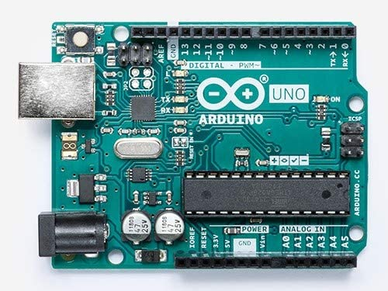
10 | X |  | Calculated Output 2 | Analog | OUTPUT | Q5 | Input 3
11 | X |  | Calculated Output 3 | Analog | OUTPUT | Q6 | Expected Output 1
12 |  |  | Synapse Data | Digital | OUTPUT | Q7 | Expected Output 2
13 |  |  | Synapse Latch | Digital | OUTPUT | Q7' | Chip 2 Data
A0 |  | X | Synapse Clock | Digital | OUTPUT
A1 |  | X | Button 2 | Digital | INPUT_PULLUP | 595 Shift | Chip 2
A2 |  | X | Joy X | Analog | INPUT | Data | Chip 1 Q7'
A3 |  | X | Joy Y | Analog | INPUT | Latch | 13
A4 |  | X | Display LCD | I2C | ... | Clock | A0
A5 |  | X | Display LCD | I2C | ... | Q0 | Expected Output 3
 |  |  |  |  |  | Q1 | Synapse X1 H
 |  |  |  |  |  | Q2 | Synapse X2 H
 |  |  |  |  |  | Q3 | Synapse X3 H
 |  |  |  |  |  | Q4 | Synapse H1 O
 |  |  |  |  |  | Q5 | Synapse H2 O
 |  |  |  |  |  | Q6 | Synapse H3 O
10.04.2021 |  |  |  |  |  | Q7 | (livre)
 |  |  |  |  |  | Q7' | (sem uso)

