DPR
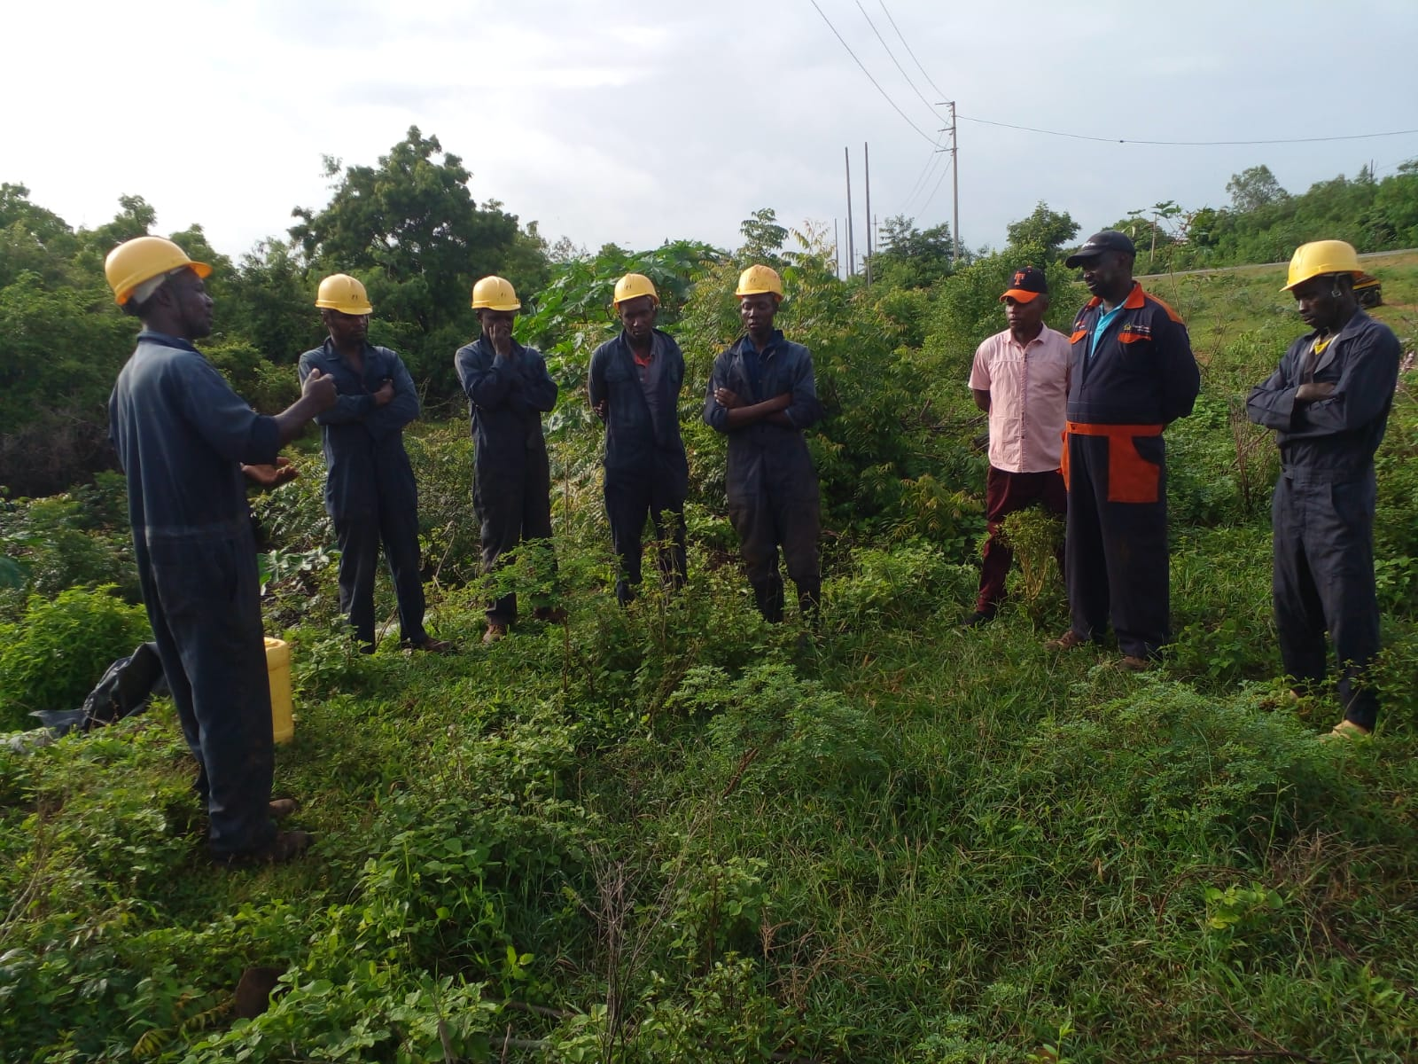
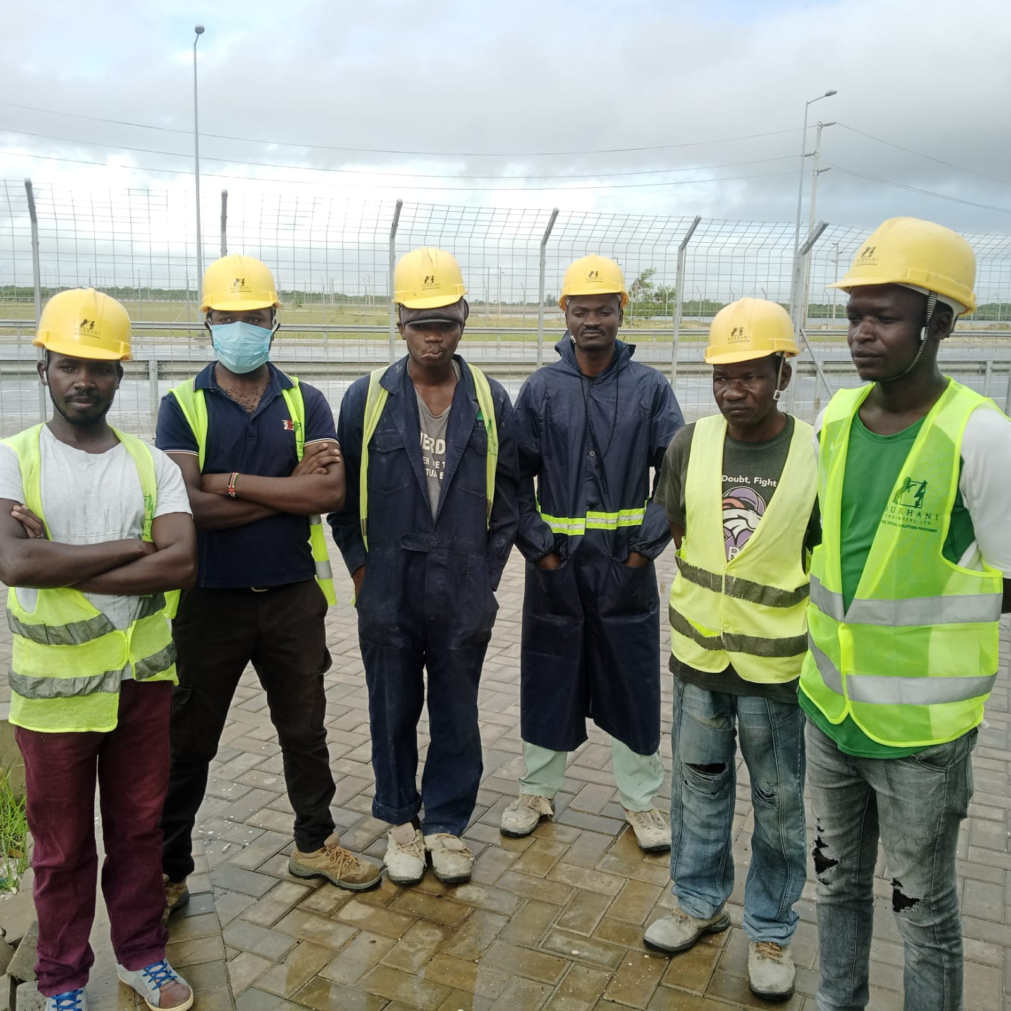
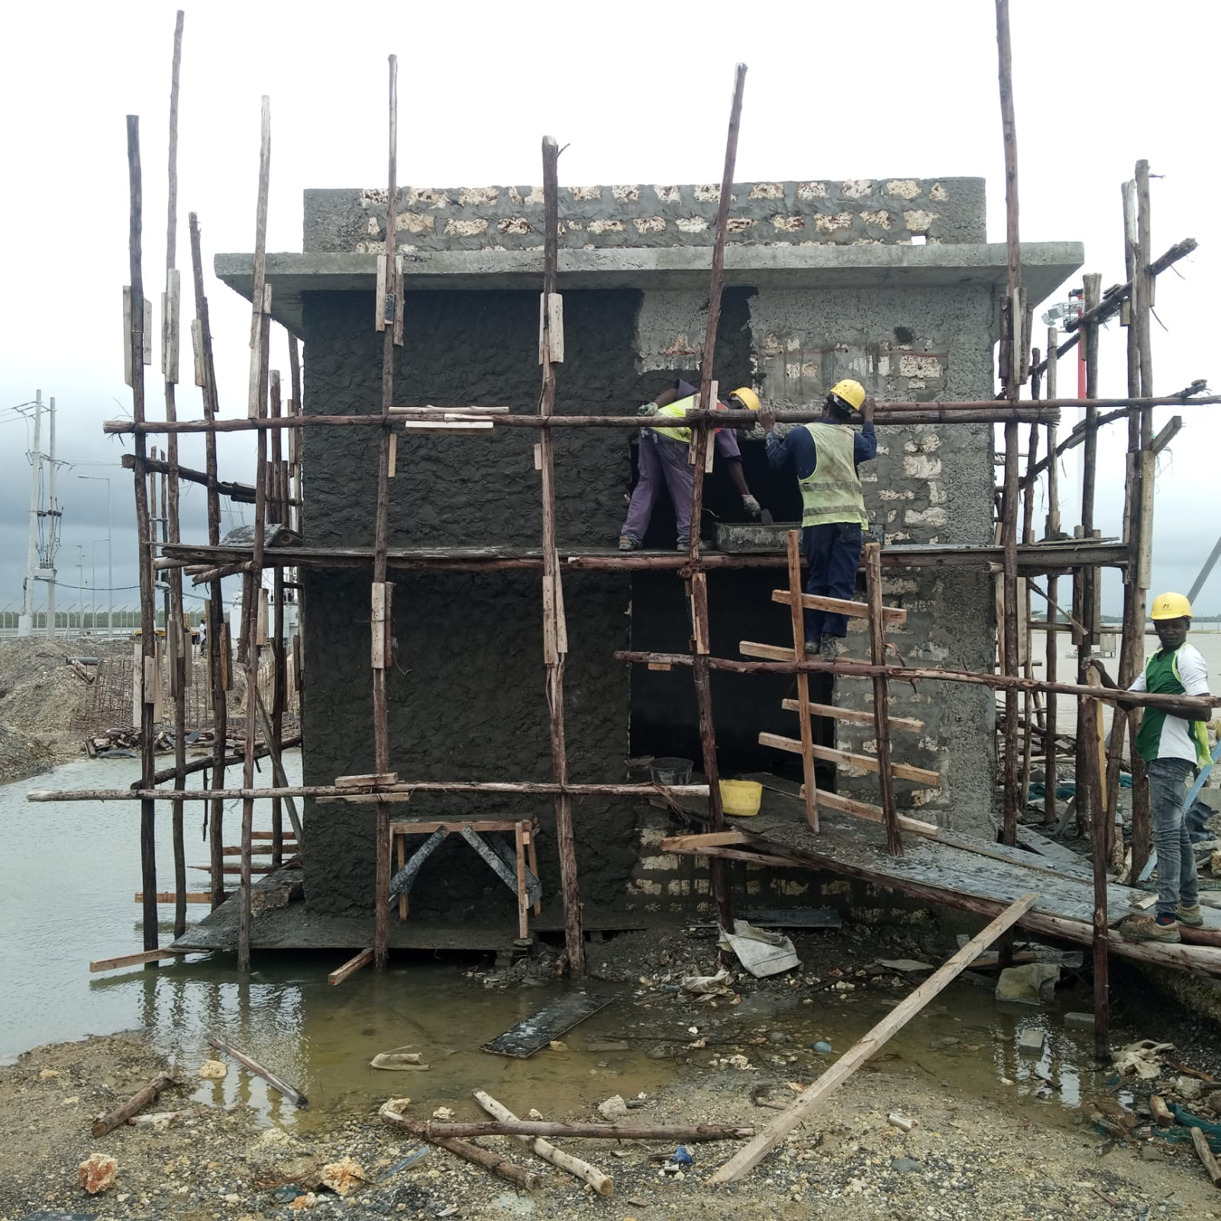
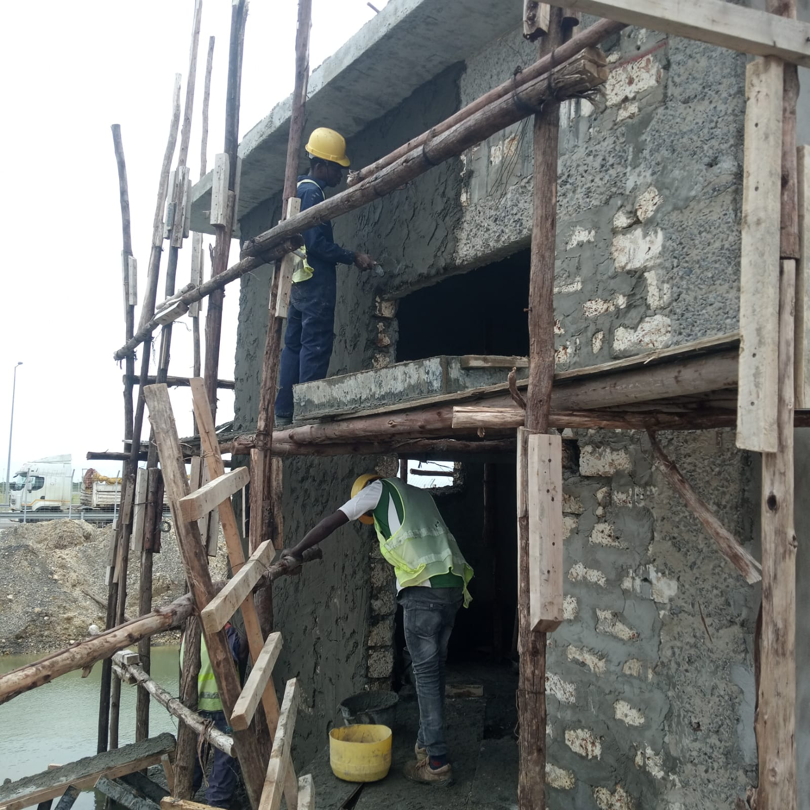
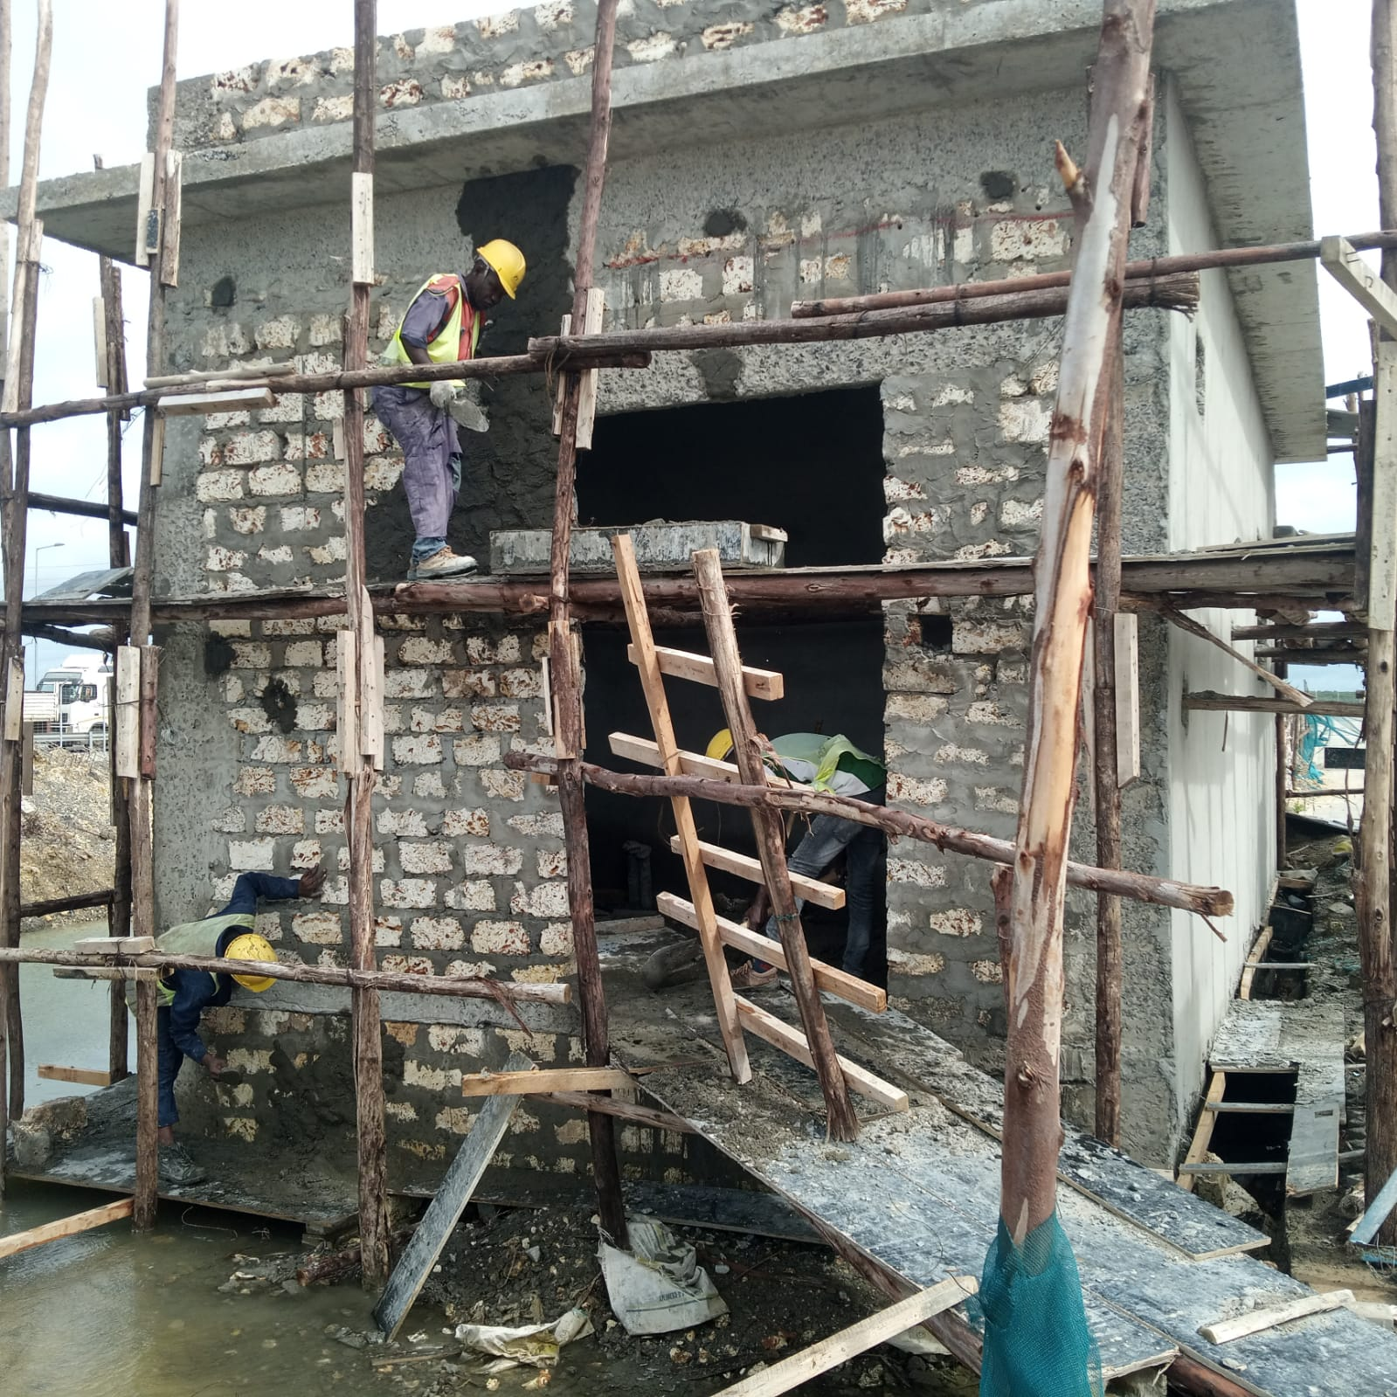
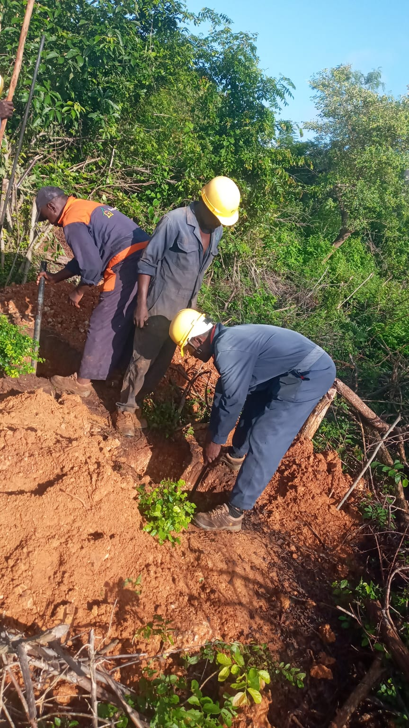
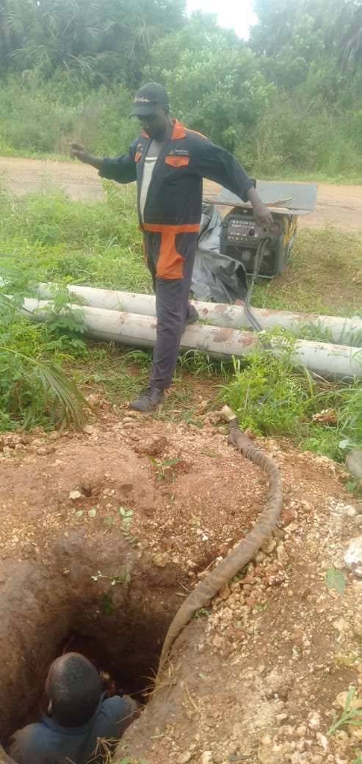
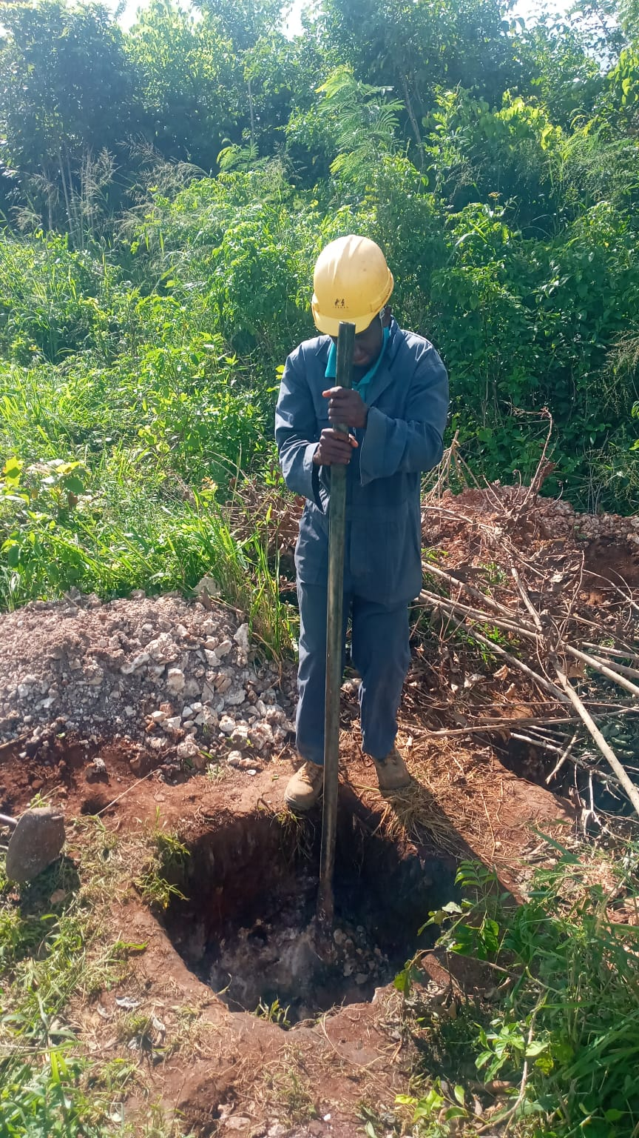
 USE CLIENT LOGO |  |  |  | DAILY PROGRESS REPORT |  |  |  |  |  |  | 
PROJECT INFORMATION |  |  |  |  |  | WEATHER AND FORECAST
PROJECT IDENTIFICATION NAME | PROPOSED SUPPLY INSTALLATION AND COMMISSIONING OF POWER LINE AND METERING SUBSTATION FOR LAMU PORT |  |  | PROJECT NUMBER |  | WEATHER |  |  |  |  |  | RAIN (mm) | COMMENTS
PROJECT START DATE | 2023-02-01 |  |  | CONTRACT PERIOD/DAYS | 1 YEAR | DAY (8am - 5pm) |  |  |  | Raining
CLIENT | KENYA PORTS AUTHORITY (KPA) |  |  |  |  | NIGHT (6pm - 7am)
PROJECT / SITE | LAMU |  |  | ORIGINAL COMPLETION DATE | 2024-08-29 | TOTAL RAIN
EXPECTED COMPLETION DATE | 2024-08-28 |  |  | DAY NUMBER OF PROJECT | 467 | TOTAL MANHOURS TODAY |  |  |  |  | 8 |  | START
REPORTING DATE | 13-May-24 |  |  | WORKING HOURS TO DATE |  | MANHOURS TO DATE |  |  |  |  | 3736 |  | STOP
REPORT DATE | 14-May-24 |  |  | DAYS LEFT TO COMPLETE | 107
TENDER NO. KPA/079/2021-22/EE
Weather Condition |  |  |  |  |  |  |  |  |  |  | Day of Works | Date of Works | Prepared by
Bright |  | Cloudy |  |  |  | Rain |  |  | Foggy |  | 2024-05-14 | 14-May-24 | Project Control
 |  |  |  |  |  | ✔️ |  |  |  |  | Reporting day | Reporting date
 |  |  |  |  |  |  |  |  |  |  | 2024-05-13 | 13-May-24
1. MANPOWER & VISITORS STATUS
Manpower & Equipment |  |  |  |  |  |  |  |  |  | Visitors Today
Manpower (Discipline) |  |  |  |  | Equipment |  |  |  |  | Name | Designation | Organization | Time From/To
Description |  | Unit | Previous | Today | Description | Unit | Previous | Today
Managers |  | Nos | 1 | 1 | Double Cab | Nos | 1 | 1
Engineers/ Supervisors/ QAQC |  | Nos | 2 | 2 | Tarimbo | Nos | 5 | 5
Surveyors |  | Nos | 1 | 1 | Wheelbarrows | Nos | 3 | 3
HSE/Office/Stores |  | Nos | 1 | 1 | Spades | Nos | 10 | 10
Skilled Manpower |  | Nos | 3 | 3 | Total Station | Nos | 1 | 1
Semiskilled Manpower |  | Nos | 0 | 0 | Panga | Nos | 10 | 10
Casual Skilled |  | Nos | 23 | 23 | Plate Compactors | Nos | 2 | 2
Drivers/Oper/Riggers/Security |  | Nos | 2 | 2 | Hiab | Nos | 1 | 1
TOTAL |  | Nos | 33 | 33 | Tractors | Nos | 1 | 1
2. EXECUTED WORKS, OBSERVATIONS AND REMARKS
NO | LOCATION/WORK AREA | EQUIPMENT/RESOURCE |  |  | TODAY ACTIVITIES | PRODUCTION |  |  |  | REMARKS |  | TOMORROW ACTIVITIES
 |  | Name | Qty | Unit |  | Planned | Achieved Today | Cumulative | Total scope
CONSTRUCTION ACTIVITIES
1 | Lamu | Electrical Engineer and Surveyor |  |  | Pole Erection |  |  | 353 | 532 | Wayleave challenges on plot (Plot 2364, the land owner stopped erection of poles) |  | Ongoing
 |  |  |  |  | Pole Positioning | 9 | 9 | 115 |  |  |  | Ongoing
 |  |  |  |  | Holes Digging Hoarding of dug holes to secure them for the long pause of work | 10 | 5 | 400 | 532 | 2.4 Meters deep Rocky section, Only one complete, 9 incomplete, section is rocky Supported by compressor |  | Ongoing
 |  |  |  |  | 2. Bush clearing |  |  |  | 21KM | 1. Wayleave issues where owners of trees demand compensation before the tree are cut. 2. Wayleave acqusition need to be finilized to allow working in private land where necessary 3. Big trees require power saw to cut them down |  | Ongoing
 |  |  |  |  | 3. Pole offloading |  |  | 444 | 532 | 3 poles broken on delivery to site |  | Ongoing
 |  |  |  |  | 4. Clearing dug holes off of soil backfilled to ensure recommended depth is achieved preparation of pole erection | 2 | 2 | 209 | 266 | Ongoing |  | Ongoing
 |  |  |  |  | 5. Road area demarcation with county surveyor |  |  | 5KM | 9KM | From Red cross gate to Hindi SS |  | Bush clearing, hole digging and pole erection
 | Lamu | Civil Engineer |  |  | Sub station foundation bases and column rebar cutting and installation 1. Type (1mx1m) 2. Type (1.5mx1.5m) |  |  | 25 27 | 44 51 | Ongoing |  | Ongoing
 |  |  |  |  | Sub station foundation column formwork cutting and preparation 1. Type (1mx1m) 2. Type (1.5mx1.5m) |  |  |  | 44 51 | Ongoing |  | Ongoing
 |  |  |  |  | Sub station foundation bases formwork installation 1. Type (1m x1m) 2. Type (1.5m x 1.5M) |  |  | 6 9 | 44 51 | Ongoing |  | Concrete Casting
 |  |  |  |  | Metering room plastered wall curing |  |  |  |  | Ongoing |  | Ongoing
 |  |  |  |  | Metering room wall plastering | 15M² | 15M² | 274M² | 467M² | External walls plaster |  | Ongoing
HEALTH, ENVIRONMENTAL,SAFETY AND SECURITY ACTIVITIES

1 | Lamu | N/A |  |  | Indroduced the workers on the impotance of safety while at work. Safety should always be adhered to
3. OTHER WORKS
Activities |  |  |  |  | Location / Work Area |  |  |  |  |  | Equipment/Resource

4. NOTES
Milestones
Two number Project Billboard Installed
Cadstral maps acquired
Walkover survey complete
Line details survey compelete
Site office established
Kick-off 33KV metering Substastion
Line Pegging Completed
Bush Clearing started
33KV Metering Substation Site Setting out complete
33KV Metering Substation Foundations and Metering Room Excavations Complete
Poles Hole digging Started
Poles delivery Started
Foundation Bases Installation has started
Metering Room Superstructure ongoing
Pole Erection have started

Summary of Lost Days
October 24th 2023, Morning hours experienced heavy rains, so morning hours of the day lost (from 9:00 AM to 12 Noon)
1st November 2023, Morning hours experienced heavy rains, so morning hours of the day lost (from 8:30 AM to 12 Noon)
2nd November 2023, Morning hours experienced heavy rains, so morning hours of the day lost (from 7:00 AM to 1PM)
8 days lost- Waiting for approval of excavator budget- for concrete cutting and excavation of the concrete
3rd November 2023, Morning hours experienced heavy rains, so morning hours of the day lost (from 7:00 AM to 11AM and 4PM to 9PM)
4th November 2023, Morning hours experienced heavy rains, the whole working area was covered with pools of water, hence all civil works stoppped for the day
7th November 2023, Morning hours experienced heavy rains, so morning hours of the day lost (from 9:00 AM to 12 Noon)
5 days lost- Awaiting manhole materials- Sand, Ballast. Received on 30th November 2023
16 days lost awaiting 160mm diameter PVC pipes for underground section

Technical Issues
1. Wayleave issues need to be finalized to allow construction of the lines
2. A big Baobab tree on the transmission Line Path that needs to be cleared or wayleave acquired to circumvent
3.Test item
Material Issues
Other Issues
1. Gloves are tearing off quickly, better quality required

Prepared & Submitted By: Construction Manager Geoffrey Kirui |  |  |  |  | Received By: |  |  |  |  | Approved By PMO
PROGRESS PHOTOGRAPHS:

