Puzzle 2 Progress
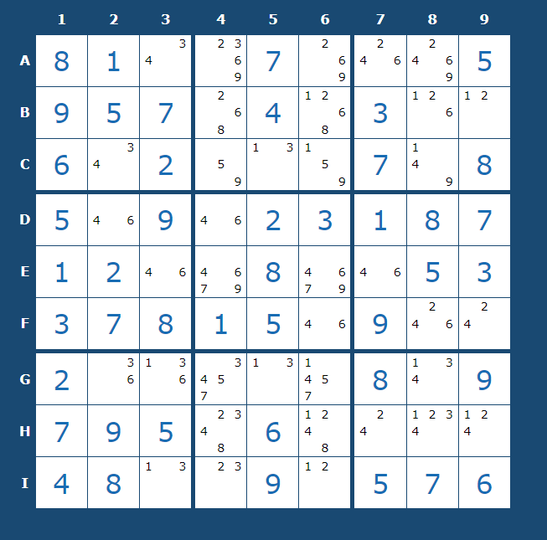
 | 0 | 1 | 2 | 3 | 4 | 5 | 6 | 7 | 8
0 | 8 | 1 |  |  | 7 |  |  |  | 5
1 | 9 | 5 | 7 |  | 4 |  | 3
2 | 6 |  | 2 |  |  |  | 7 |  | 8
3 | 5 |  | 9 |  | 2 | 3 | 1 | 8 | 7
4 | 1 | 2 |  |  | 8 |  |  | 5 | 3
5 | 3 | 7 | 8 | 1 | 5 |  | 9
6 | 2 |  |  |  |  |  | 8 |  | 9
7 | 7 | 9 | 5 |  | 6
8 | 4 | 8 |  |  | 9 |  | 5 | 7 | 6

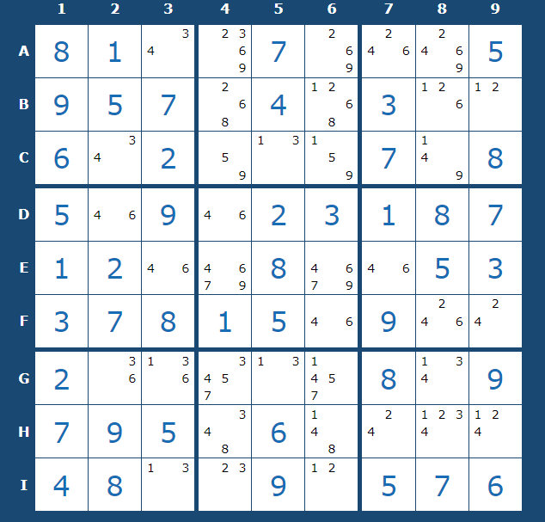
 |  |  |  |  |  |  |  |  |  | 2 goes in I4 or I6, so I deleted it from H4 and H6

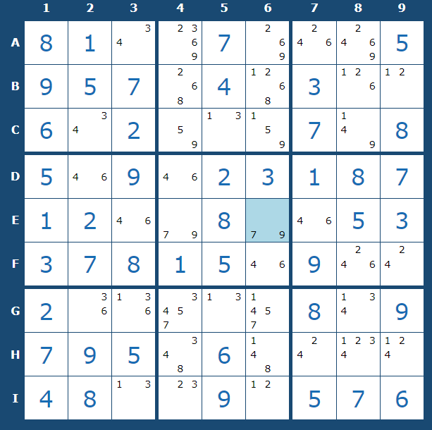
 |  |  |  |  |  |  |  |  |  |  | 4,6 for sure go in E3, E7, so I deleted 4,6 from E4, E6

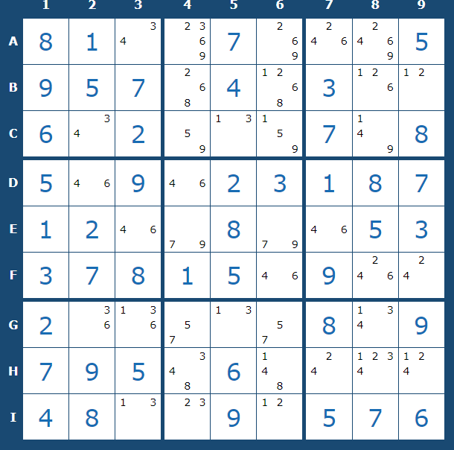
 |  |  |  |  |  |  |  |  |  | Only G4, G6 contain 5,7, so they for sure go there
 |  |  |  |  |  |  |  |  |  | So, G8 must be a 4, as it's the only possible 4 in its row

